Task sheet
10 | write a batch apex to delete all the opportunities of those accounts which are created in the last 15 days. write a batch apex to delete all the opportunities which are going to be closed in the next month. write a batch apex to delete all the opportunities which are closed in the last month. write a batch apex to reassign all the opportunities to Wilson | StartWorking
14-11-2017 | write a batch apex to reassign all the opportunities to Wilson with test class write a batch apex to group all the account records based on the owner and send an email to the list of accounts with test class write a soql query on Account and fetch all the account records and display in the vf page using repeat. with test class | complte with in 5hrs
15-11-2017 | Creating a VF page with 3 fields name,phone,industry with search button.When we click on search button, display those records in same page with checkbox (wrapper records).And whenever we click on search box we have to show those selected accounts in popup window. with test class | StartWorking
20-11-2017 | create a custom object with name and value fields and enter one string expression value in textbox .Based on that string expression we have to form a query and display those records. Custom Object : CustomAccount customField : value Name value 1 industry=’Banking’ 2 industry=’Energy’ 3 rating=’Hot’ 4 rating=’warm’ In textbox ----- 1 AND 4
21-11-2017 | When a new Account is created ,check for the duplicate based on name,industry,phone. a.if a duplicate record is found then throw error message b.if duplicate record is not found , 1.check rating : If rating is hot --- system administrator should be owner if rating is not hot---wilson should be the owner of the record 2.If annualrevenue is more than 50Laks then create Wilson as AccountTeamMember c.when we try to delete the Account,which has a contact then throw error message and send email to owner of the record with list of contacts which are existing for this Account. | startworking
22-11-2017 | Display the account and corresponding Contact records in vf page with jquery with togglefunction | startworking
23-11-2017 | Display the account and corresponding Contact records in vf page with jquery with togglefunction | complete in 1 hr start working
23-11-2017 | Create an Opportunity and Opportunity Line items,When we create a new opportunity and with entered product details OpportunityLineItems should create in custom manner. | startworking
24-11-2017 | Create an Opportunity and Opportunity Line items,When we create a new opportunity and with entered product details OpportunityLineItems should create in custom manner. | startworking
25-11-2017 | Create an Opportunity and Opportunity Line items,When we create a new opportunity and with entered product details OpportunityLineItems should create in custom manner. | complete today and start working
27-11-2017 | create a csv file with Account Records and upload that csv file in vf page , using apex class ,read and parse data from csv and insert those records into Account object.create the csv file with the inserted account records ids also,Delete the corresponding records which are provided in csv file with id | startworking
27-11-2017 | Whenever new Lead is created we have to check for users who have the less number of leads, we have to assign that lead to that particular user | startworking
28-11-2017 | Whenever new Lead is created we have to check for users who have the less number of leads, we have to assign that lead to that particular user | startworking
29-11-2017 | create Quote and quoteline iteam | startworking
30-11-2017 | create Quote and quoteline iteam | startworking
2017-01-12 | create Quote and quoteline iteam | startworking
2017-02-12 | "Create an object student with following fields LastName,firstName,,Email,DOB,City,Phone create a tab for Student Create an EmailTemplate Dear {!student__c.firstName__c}, Your registration process is completed with the following details. First Name:{!student__c.firstName__c} LastName :{!student__c.lastName__c} DOB:{!student__c.DOB__C} Thanks , Capital Info Solution, Hyd When ever new student is created send him email alert with above email template when ever student phone number is modified send them email alert Dear Student,Your phone number is modified from old number to new number. Thanks CapitalInfo When ever student record is deleted send them email. Dear student , Your registration is deleted successfully. Thanks Capital Info" | startworking
2017-04-12 | "Create custom object , A.Invoice with below fields 1.Invoice No 2.Invoice Date 3.Prepared By : Lookup(user) 4.Total Amount 5.Discount Create custom object B.InvoiceLineItem with below fields 1.Product Name 2.Quantity 3.Price 4.Total 5.Discount 6.Invoice : Lookup(Invoice) Whenever new record is created for invoice lineitem ,owner of the invoice record should be the owner of invoicelineitem1 1.Define OWD on invoice as private. 2.whenever invoice total amount is more than 50k share the record with manager of user who prepared invoice. 1.Create a custom button sendEmail on invoice detail page. 2.when we click on button , Email should be sent to the manager of the user who prepared Invoice record. create some static resources and access those static resources in your page Try to upload document using VF Page and custom controller.Try whether is it possible with only VF without using Custom controller" | startworking
2017-05-12 | Create a rollup Summary for opportunity Amount fieldwhich displays Total Amount of opportunities in totalAount__c for Account(parent) object | startworking
2017-06-12 | Create a rollup Summary for opportunity Amount fieldwhich displays Total Amount of opportunities in totalAount__c for Account(parent) object
2017-07-12 | 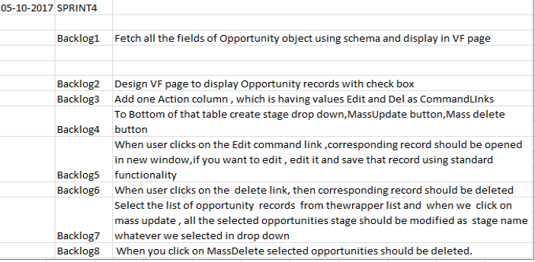 | start working
2017-08-12
2017-12-12 |  | startworking
13-12-2017 | SPRINT2 -Training Orgnization Backlog 1 Create one App called CapitalInfoOrg, Backlog 2 create custom object called Faculty with fields- FirstName,LastName,Primary Skill,skill Set,Experiance,phone,Email,status. Backlog 3 Create a Tab for Faculty Backlog 4 Whenever a new faculty is registered/created send him a new Email notification with following Tamplate Dear Faculty Name, Thankyou for showing interest to work with us,Our coordinator will contact you Within next 2 working days. Thanks Capital Info solution! Backlog 5 Create a user with the role of training head Backlog 6 when a new faculty is created,Automatically record should be sent for approval to the user with Training Head Role. Backlog 7 When the traininghead approves the faculty ,create a task schedule a call Backlog 8 When the training head rejects the faculty then send rejection email notification Dear Faculty , We regret to inform you that your profile rejected . Thanks Backlog 9 Create a custom Object called Course with following fields- Course Name ,Course Code, Mode (Online,classRoom),Fee ,Duration. Backlog 10 Create a custom object called Batch with Following fields-BatchNo,Course : | startworking
15-12-2017 | SPRINT6 Backlog1 Create a Vf page to display 2 text boxes which will accept object names Backlog2 After Entering object names in the text boxes correxponding fields should display in below 2 dropdowns Backlog3 If we select any of the field name in first dropdown,by checking its datatype,same datatype fields should display in 2nd dropdown.In between these 2 drop downs one text box should display to enter assignment operators. | startworking
blog1 | create the Account Trigger to roll up the Amount field on all Open Opportunities and store it in a Account field called "Total Pipeline". (It should behave like roll up summary field) | startworking
blog2 | Create a visual force page that render the list of Opportunities using a FieldSets . And create one button . VF page allows a user to set 1 or multiple opportunities to closed Won after clicking that button.Page must reflect the new value after we click the button.
blog3 | Add Pagination for the list of opportunities with 10 items per page.
blog4 | Create a generic class that reproduces the functionality of a "Roll-up Summary" field (sums up any numeric field of its child records and place the value on the parent). Remember, this class should be reusable by any object triggers for any specified field by the developer.

