Evidence
Bug ID | Evidence ID | Type | Description | Project path | SHA-256 | Screenshot
BUG-001 | EVD-133 | timing data (JSON) | TC-050: results-header samples every 50 ms during loading | platform/tasks/orangehrm-ui-api/execution/evidence/EVD-133-tc050-header-timing.json | 55d59439283cc140… | Not a screenshot (timing data (JSON)): open the file at the project path.
BUG-001 | EVD-150 | log (Markdown) | Execution observation log of 2026-10-15 (all cases; DOM reads transcribed; personal data redacted) | platform/tasks/orangehrm-ui-api/execution/evidence/EVD-150-execution-observation-log.md | eea03d03be25eaa1… | Not a screenshot (log (Markdown)): open the file at the project path.
BUG-001 | — | screenshot | No screenshot for this bug | — | — | No screenshot available: the symptom lasts about 0.3 – 0.6 s; it was captured as timing samples (EVD-133), and no screen recording was made.
BUG-002 | EVD-073 | screenshot | TC-018 attempt 1: Employee Name not cleared by Reset | platform/tasks/orangehrm-ui-api/execution/evidence/EVD-073-tc018-attempt1-field-not-cleared.png | edb5107ae7a119b7… | 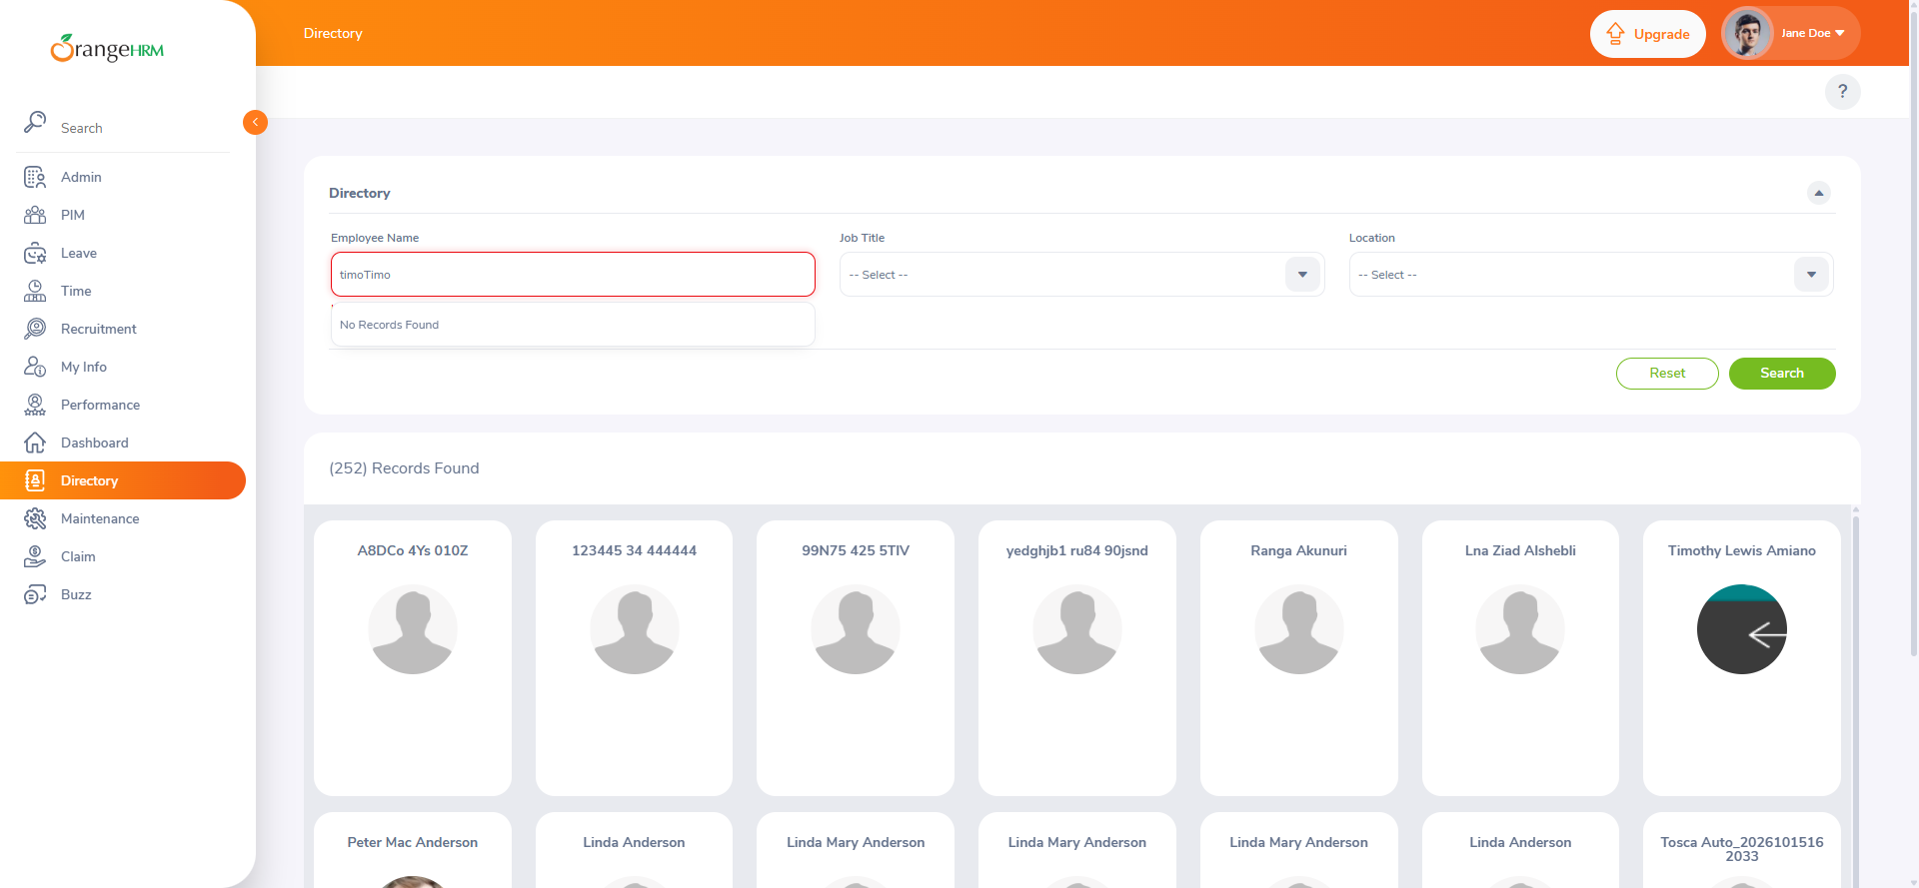
BUG-002 | EVD-074 | screenshot | Reset keeps unselected Employee Name text ("Timo") | platform/tasks/orangehrm-ui-api/execution/evidence/EVD-074-reset-keeps-unselected-name-text.png | 205f38eb996ca93d… | 
BUG-002 | EVD-150 | log (Markdown) | Execution observation log of 2026-10-15 (all cases; DOM reads transcribed; personal data redacted) | platform/tasks/orangehrm-ui-api/execution/evidence/EVD-150-execution-observation-log.md | eea03d03be25eaa1… | Not a screenshot (log (Markdown)): open the file at the project path.
BUG-003 | EVD-097 | screenshot | TC-028: selected name with two spaces (no middle name) | platform/tasks/orangehrm-ui-api/execution/evidence/EVD-097-tc028-double-space.png | 1bc7d3e8a87c75e0… | 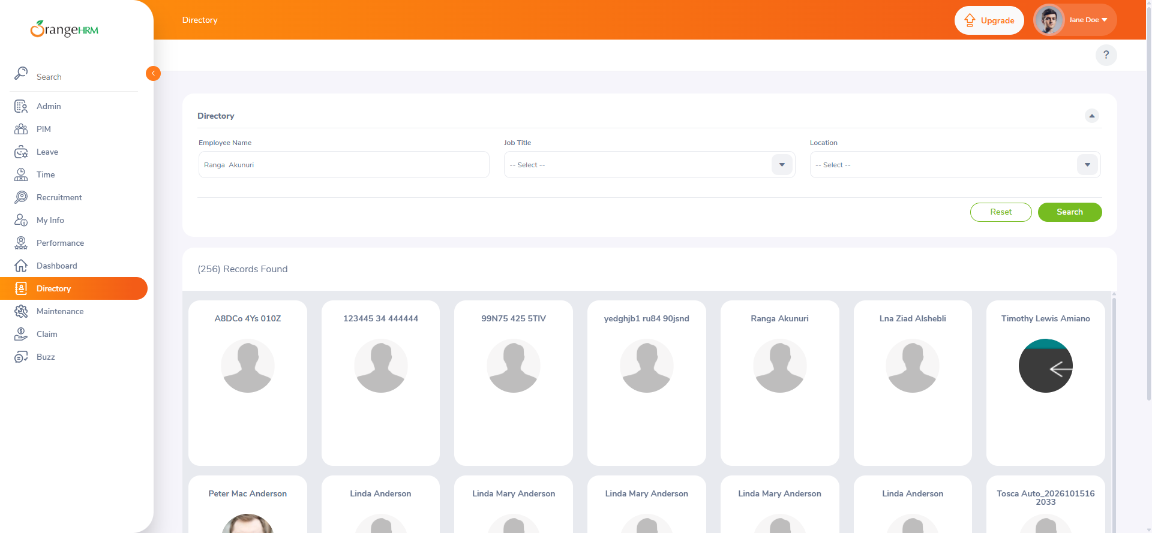
BUG-003 | EVD-150 | log (Markdown) | Execution observation log of 2026-10-15 (all cases; DOM reads transcribed; personal data redacted) | platform/tasks/orangehrm-ui-api/execution/evidence/EVD-150-execution-observation-log.md | eea03d03be25eaa1… | Not a screenshot (log (Markdown)): open the file at the project path.
BUG-004 | EVD-150 | log (Markdown) | Execution observation log of 2026-10-15 (all cases; DOM reads transcribed; personal data redacted) | platform/tasks/orangehrm-ui-api/execution/evidence/EVD-150-execution-observation-log.md | eea03d03be25eaa1… | Not a screenshot (log (Markdown)): open the file at the project path.
BUG-004 | — | screenshot | No screenshot for this bug | — | — | No screenshot available: none was captured for this observation; the DOM reads (reserved as EVD-130) are transcribed in EVD-150, not stored as a separate file.
BUG-005 | EVD-099 | screenshot | TC-030: "Should not exceed 100 characters" message after a long input | platform/tasks/orangehrm-ui-api/execution/evidence/EVD-099-tc030-long-input-100-char-message.png | 73c6e28b59f0d017… | 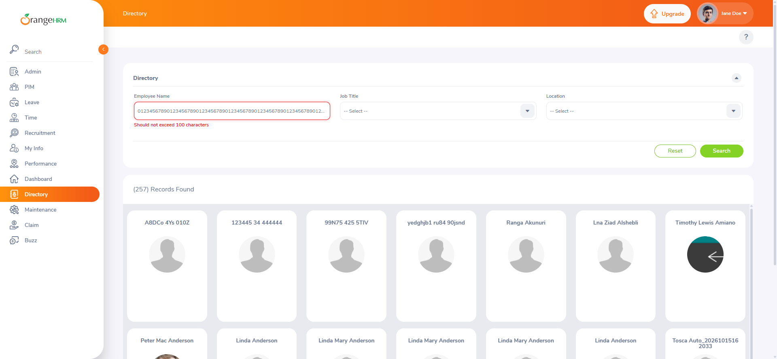
BUG-005 | EVD-150 | log (Markdown) | Execution observation log of 2026-10-15 (all cases; DOM reads transcribed; personal data redacted) | platform/tasks/orangehrm-ui-api/execution/evidence/EVD-150-execution-observation-log.md | eea03d03be25eaa1… | Not a screenshot (log (Markdown)): open the file at the project path.

