SI
Optimized Mie Potentials for Phase Equilibria: Application to Branched Alkanes Jason R. Mick a, Mohammad Soroush Barhaghi a, Brock Jackman b, Loren Schwiebert b, and Jeffrey J. Potoff a* a Department of Chemical Engineering and Materials Science, Wayne State University, Detroit, MI 48202, USA b Department of Computer Science, Wayne State University, Detroit, MI 48202, USA *E-mail: jpotoff@wayne.edu.
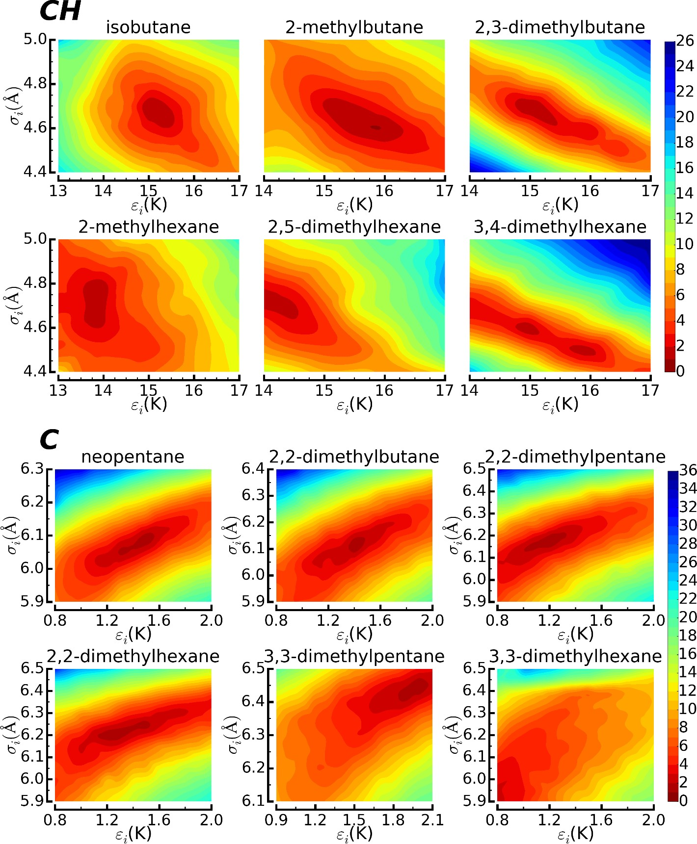 Figure S1: Heat maps of the scoring function for individual compounds used to optimize the CH (top) and C (bottom) parameters. Red depicts the best fit to experimental data, blue depicts the worst fit.

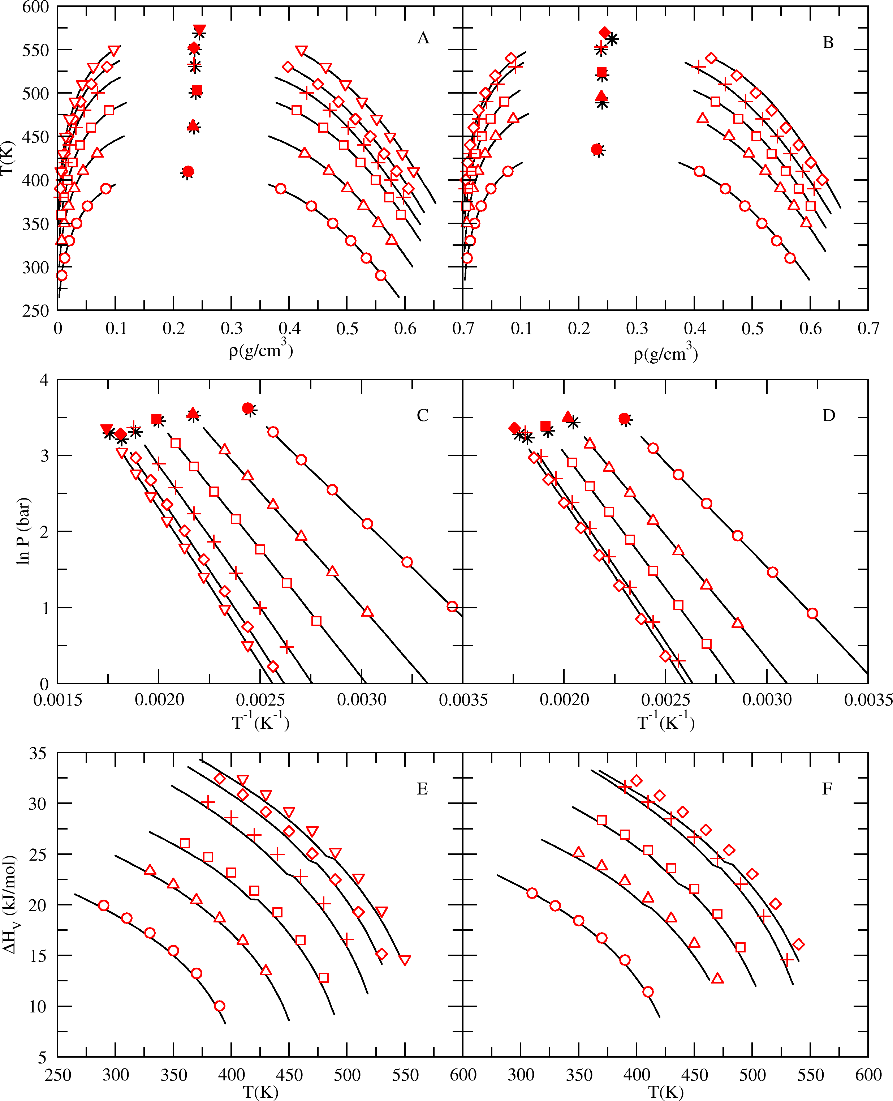 Figure S2: Coexistence curves (A, B), Clausius-Clapeyron plots (C, D), and heats of vaporization (E, F) predicted by the S/L optimized Mie potentials compounds in the training set. Experimental vapor-liquid coexistence data (black lines)1, 2, and critical points (black stars)3. Figures A, C and E: predictions for isobutane series compounds, which include isobutane (circles), 2-methylbutane (triangles), 2,3- dimethylbutane (squares), 2-methylhexane (pluses), 2,5-dimethylhexane (diamonds), and 3,4- dimethylhexane (upside down triangles). Figures B, D and F: predictions for neopentane (circles), 2,2- dimethylbutane (triangles), 2,2-dimethylpentane (squares), 2,2-dimethylhexane (pluses), and 3,3- dimethylhexane (diamonds). Critical points predicted by simulation (filled symbols).

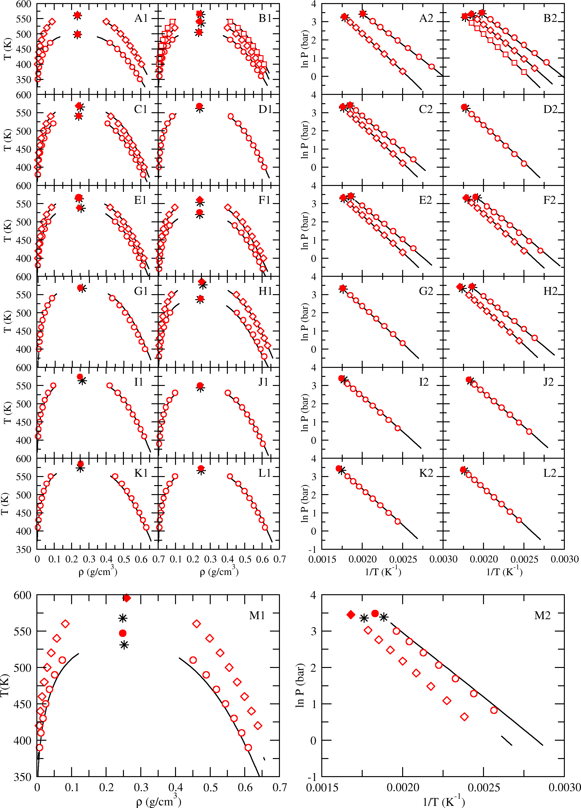 Figure S3: Coexistence curves (left column) and Clausius-Clapeyron plots (right column) predicted by the S/L optimized Mie potentials for compounds not contained in the training set. Experimental vapor-liquid coexistence data (black lines)1, 2 and critical points (black stars)3, 4. A1-2: 2-methylpentane (circles) and 2- methylheptane (diamonds); B1-2: 3-methylpentane (circles), 3-methylhexane (diamonds), and 3- methylheptane (squares); C1-2: 3-ethylpentane (circles) and 3-ethylhexane (diamonds); D1-2: 4- methylheptane (circles); E1-2: 2,3-dimethylpentane (circles) and 2,3-dimethylhexane (diamonds); F1-2: 2,4-dimethylpentane (circles), 2,4-dimethylhexane (diamonds); G1-2: 2-methyl-3-ethylpentane (circles); H1-2: 3,3-dimethylpentane (circles) and 3-methyl-3-ethylpentane (diamonds); I1-2: 2,2,3-trimethylpentane (circles); J1-2: 2,2,4-trimethylpentane (circles); K1-2: 2,3,3-trimethylpentane (circles); L1-2: 2,3,4- trimethylpentane (circles); M1-2: 2,2,3-trimethylbutane (circles) and 2,2,3,3-tetramethylbutane (diamonds).

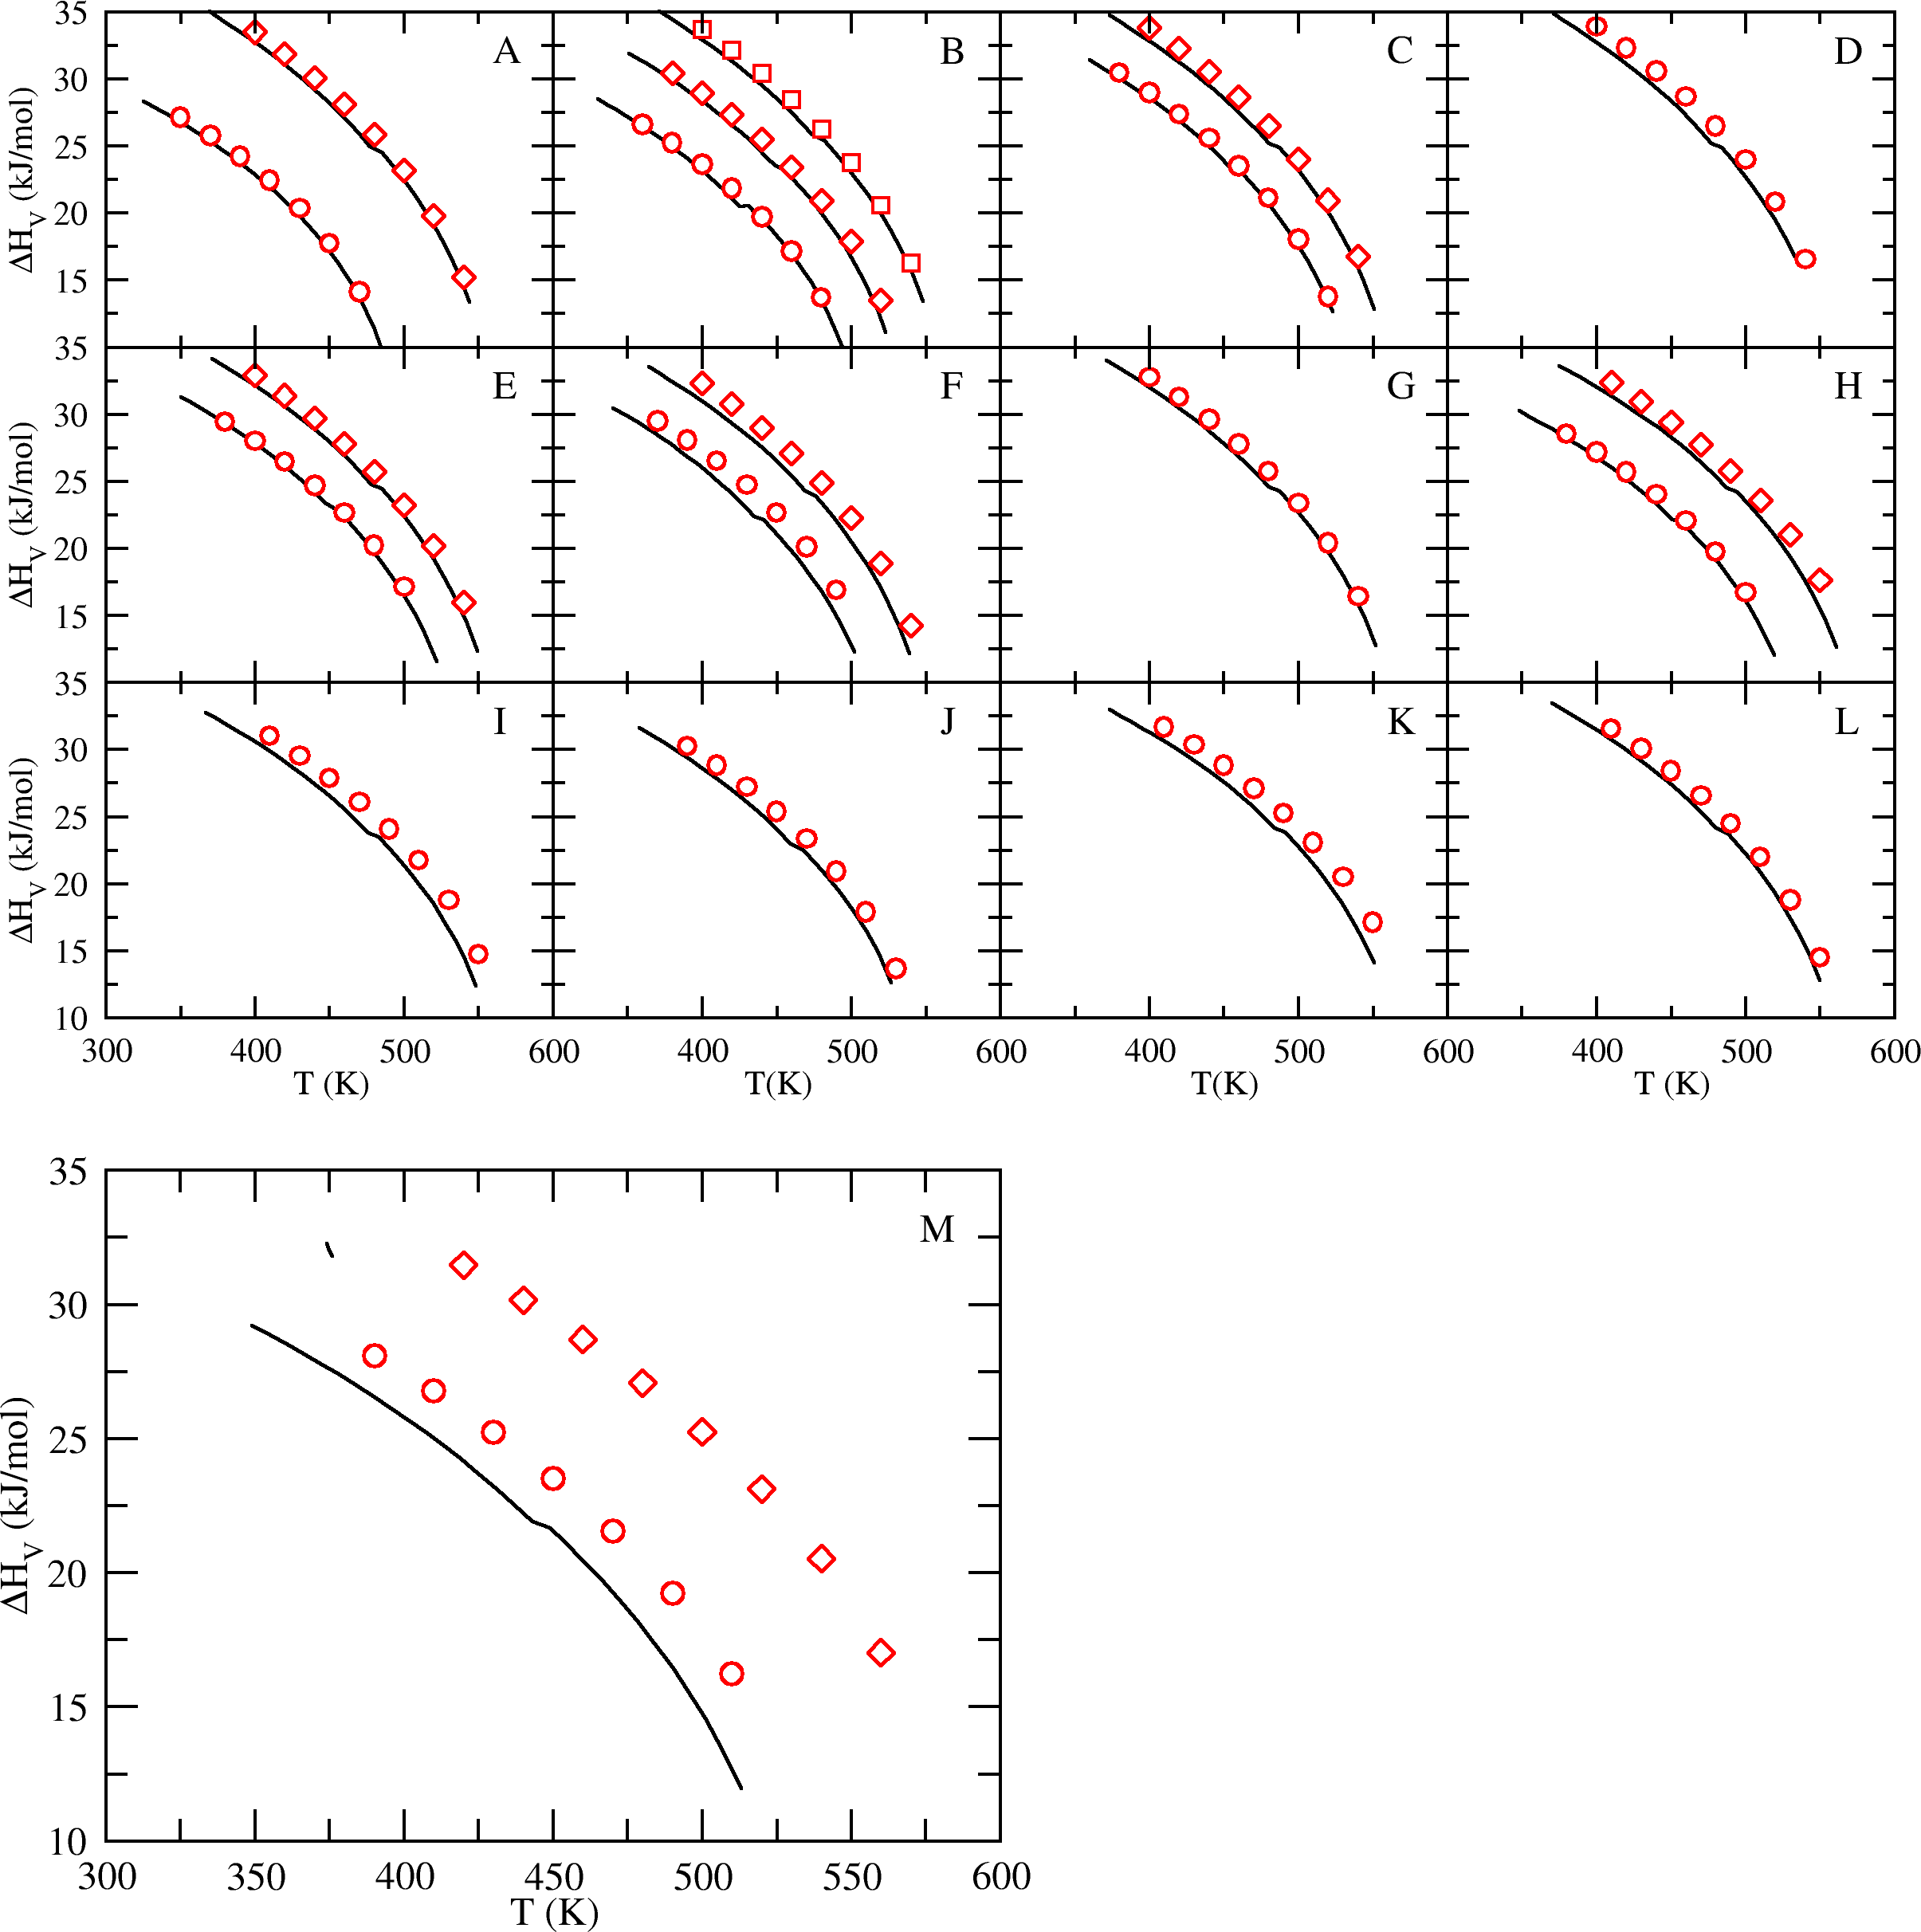 Figure S4: Heats of vaporization predicted by the S/L optimized Mie potentials for compounds not contained in the training set. Experimental heat of vaporization data (black lines)1, 2. A: 2-methylpentane (circles) and 2-methylheptane (diamonds); B: 3-methylpentane (circles), 3-methylhexane (diamonds), and 3-methylheptane (squares); C: 3-ethylpentane (circles) and 3-ethylhexane (diamonds); D: 4-methylheptane (circles); E: 2,3-dimethylpentane (circles) and 2,3-dimethylhexane (diamonds); F: 2,4-dimethylpentane (circles), 2,4-dimethylhexane (diamonds); G: 2-methyl-3-ethylpentane (circles); H: 3,3-dimethylpentane (circles) and 3-methyl-3-ethylpentane (diamonds); I: 2,2,3-trimethylpentane (circles); J: 2,2,4- trimethylpentane (circles); K: 2,3,3-trimethylpentane (circles); L: 2,3,4-trimethylpentane (circles); M: 2,2,3-trimethylbutane (circles) and 2,2,3,3-tetramethylbutane (diamonds).

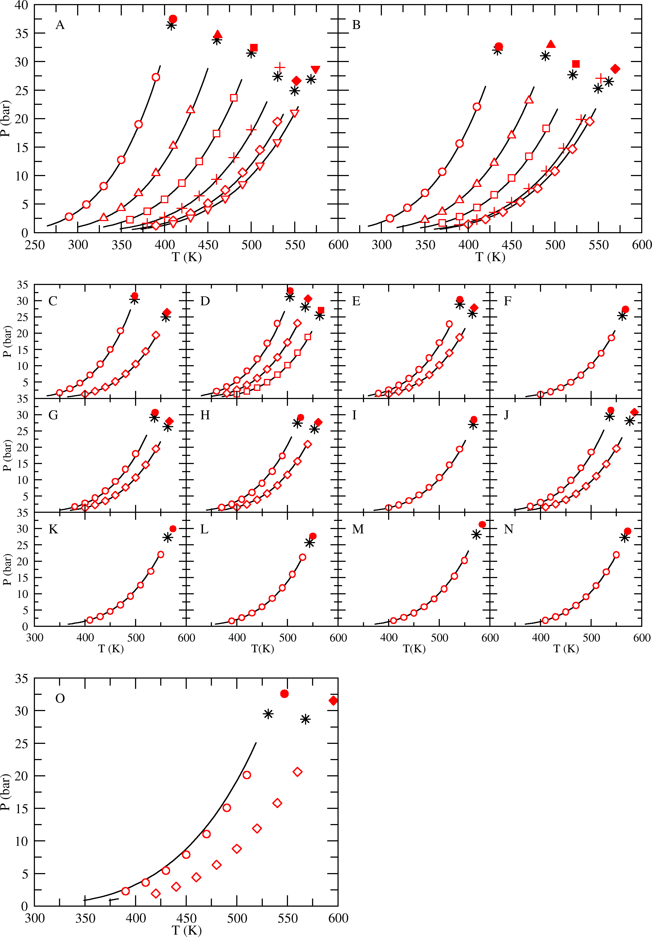 Figure S5: Vapor pressures predicted by the S/L optimized Mie potentials for all branched isomers of butane, pentane, hexane, heptane, and octane. Experimental vapor pressure data (black lines)1, 2 and critical points (black stars)3, 4. A: 2-methylpropane (circles), 2-methylbutane (triangles), 2,3-dimethylbutane (squares), 2-methylhexane (pluses), 2,5- dimethylhexane (diamonds), and 3,4-dimethylhexane (upside down triangles); B: 2,2-dimethylpropane (circles), 2,2- dimethylbutane (triangles), 2,2-dimethylpentane (squares), 2,2-dimethylhexane (pluses), and 3,3-dimethylhexane (diamonds). Critical points predicted by simulation (filled symbols). C: 2-methylpentane (circles) and 2- methylheptane (diamonds); D: 3-methylpentane (circles), 3-methylhexane (diamonds), and 3-methylheptane (squares); E: 3-ethylpentane (circles) and 3-ethylhexane (diamonds); F: 4-methylheptane (circles); G: 2,3- dimethylpentane (circles) and 2,3-dimethylhexane (diamonds); H: 2,4-dimethylpentane (circles), 2,4-dimethylhexane (diamonds); I: 2-methyl-3-ethylpentane (circles); J: 3,3-dimethylpentane (circles) and 3-methyl-3-ethylpentane (diamonds); K: 2,2,3-trimethylpentane (circles); L: 2,2,4-trimethylpentane (circles); M: 2,3,3-trimethylpentane (circles); N: 2,3,4-trimethylpentane (circles); O: 2,2,3-trimethylbutane (circles) and 2,2,3,3-tetramethylbutane (diamonds).

 Figure S6: Coexistence curves (A-B), Clausius-Clapeyron plots (C-D), and heats of vaporization (E-F) predicted by the generalized Mie potentials for compounds in the training set. Experimental vapor-liquid coexistence data (black lines)1, 2, and critical points (black stars)3. Figures A, C and E: predictions for isobutane series compounds, which include 2-methylpropane (circles), 2-methylbutane (triangles), 2,3-dimethylbutane (squares), 2-methylhexane (pluses), 2,5-dimethylhexane (diamonds), and 3,4-dimethylhexane (upside down triangles). Figures B, D and F: predictions for 2,2-dimethylpropane (circles), 2,2-dimethylbutane (triangles), 2,2-dimethylpentane (squares), 2,2- dimethylhexane (pluses), and 3,3-dimethylhexane (diamonds). Critical points predicted by simulation (filled symbols).

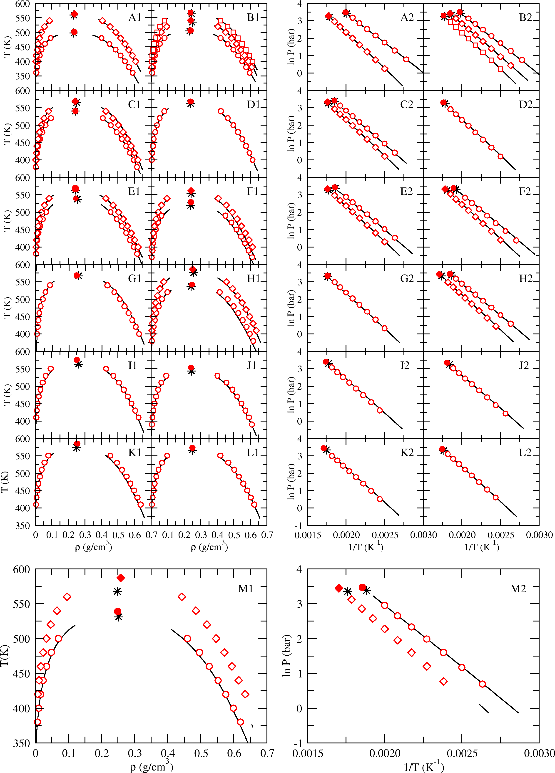 Figure S7: Coexistence curves (left column) and Clausius-Clapeyron plots (right column) predicted by the generalized Mie potentials for compounds not contained in the training set. Experimental vapor-liquid coexistence data (black lines)1, 2 and critical points (black stars)3, 4. A1-2: 2-methylpentane (circles) and 2-methylheptane (diamonds); B1-2: 3-methylpentane (circles), 3-methylhexane (diamonds), and 3-methylheptane (squares); C1-2: 3-ethylpentane (circles) and 3-ethylhexane (diamonds); D1-2: 4-methylheptane (circles); E1-2: 2,3-dimethylpentane (circles) and 2,3- dimethylhexane (diamonds); F1-2: 2,4-dimethylpentane (circles), 2,4-dimethylhexane (diamonds); G1-2: 2-methyl-3- ethylpentane (circles); H1-2: 3,3-dimethylpentane (circles) and 3-methyl-3-ethylpentane (diamonds); I1-2: 2,2,3- trimethylpentane (circles); J1-2: 2,2,4-trimethylpentane (circles); K1-2: 2,3,3-trimethylpentane (circles); L1-2: 2,3,4- trimethylpentane (circles); M1-2: 2,2,3-trimethylbutane (circles) and 2,2,3,3-tetramethylbutane (diamonds).

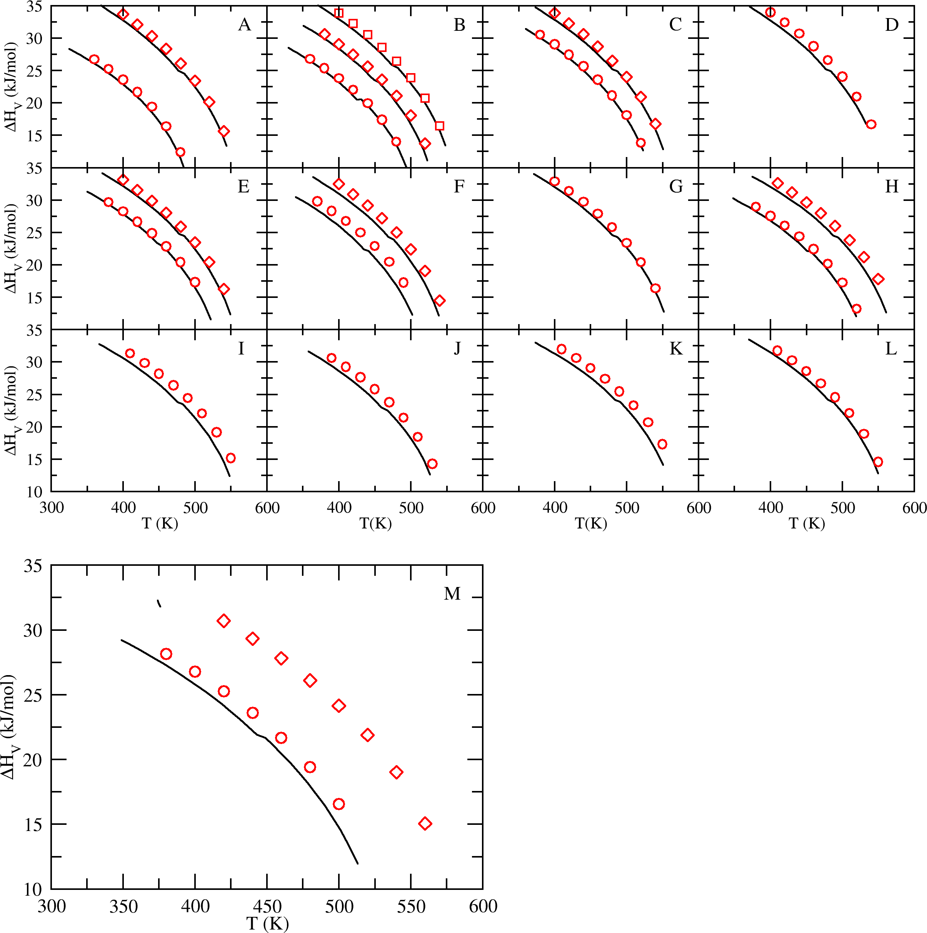 Figure S8: Heats of vaporization predicted by the generalized Mie potentials for compounds not contained in the training set. Experimental heat of vaporization data (black lines)1, 2. A: 2- methylpentane (circles) and 2-methylheptane (diamonds); B: 3-methylpentane (circles), 3- methylhexane (diamonds), and 3-methylheptane (squares); C: 3-ethylpentane (circles) and 3- ethylhexane (diamonds); D: 4-methylheptane (circles); E: 2,3-dimethylpentane (circles) and 2,3- dimethylhexane (diamonds); F: 2,4-dimethylpentane (circles), 2,4-dimethylhexane (diamonds); G: 2-methyl-3-ethylpentane (circles); H: 3,3-dimethylpentane (circles) and 3-methyl-3-ethylpentane (diamonds); I: 2,2,3-trimethylpentane (circles); J: 2,2,4-trimethylpentane (circles); K: 2,3,3- trimethylpentane (circles); L: 2,3,4-trimethylpentane (circles); M: 2,2,3-trimethylbutane (circles) and 2,2,3,3-tetramethylbutane (diamonds).

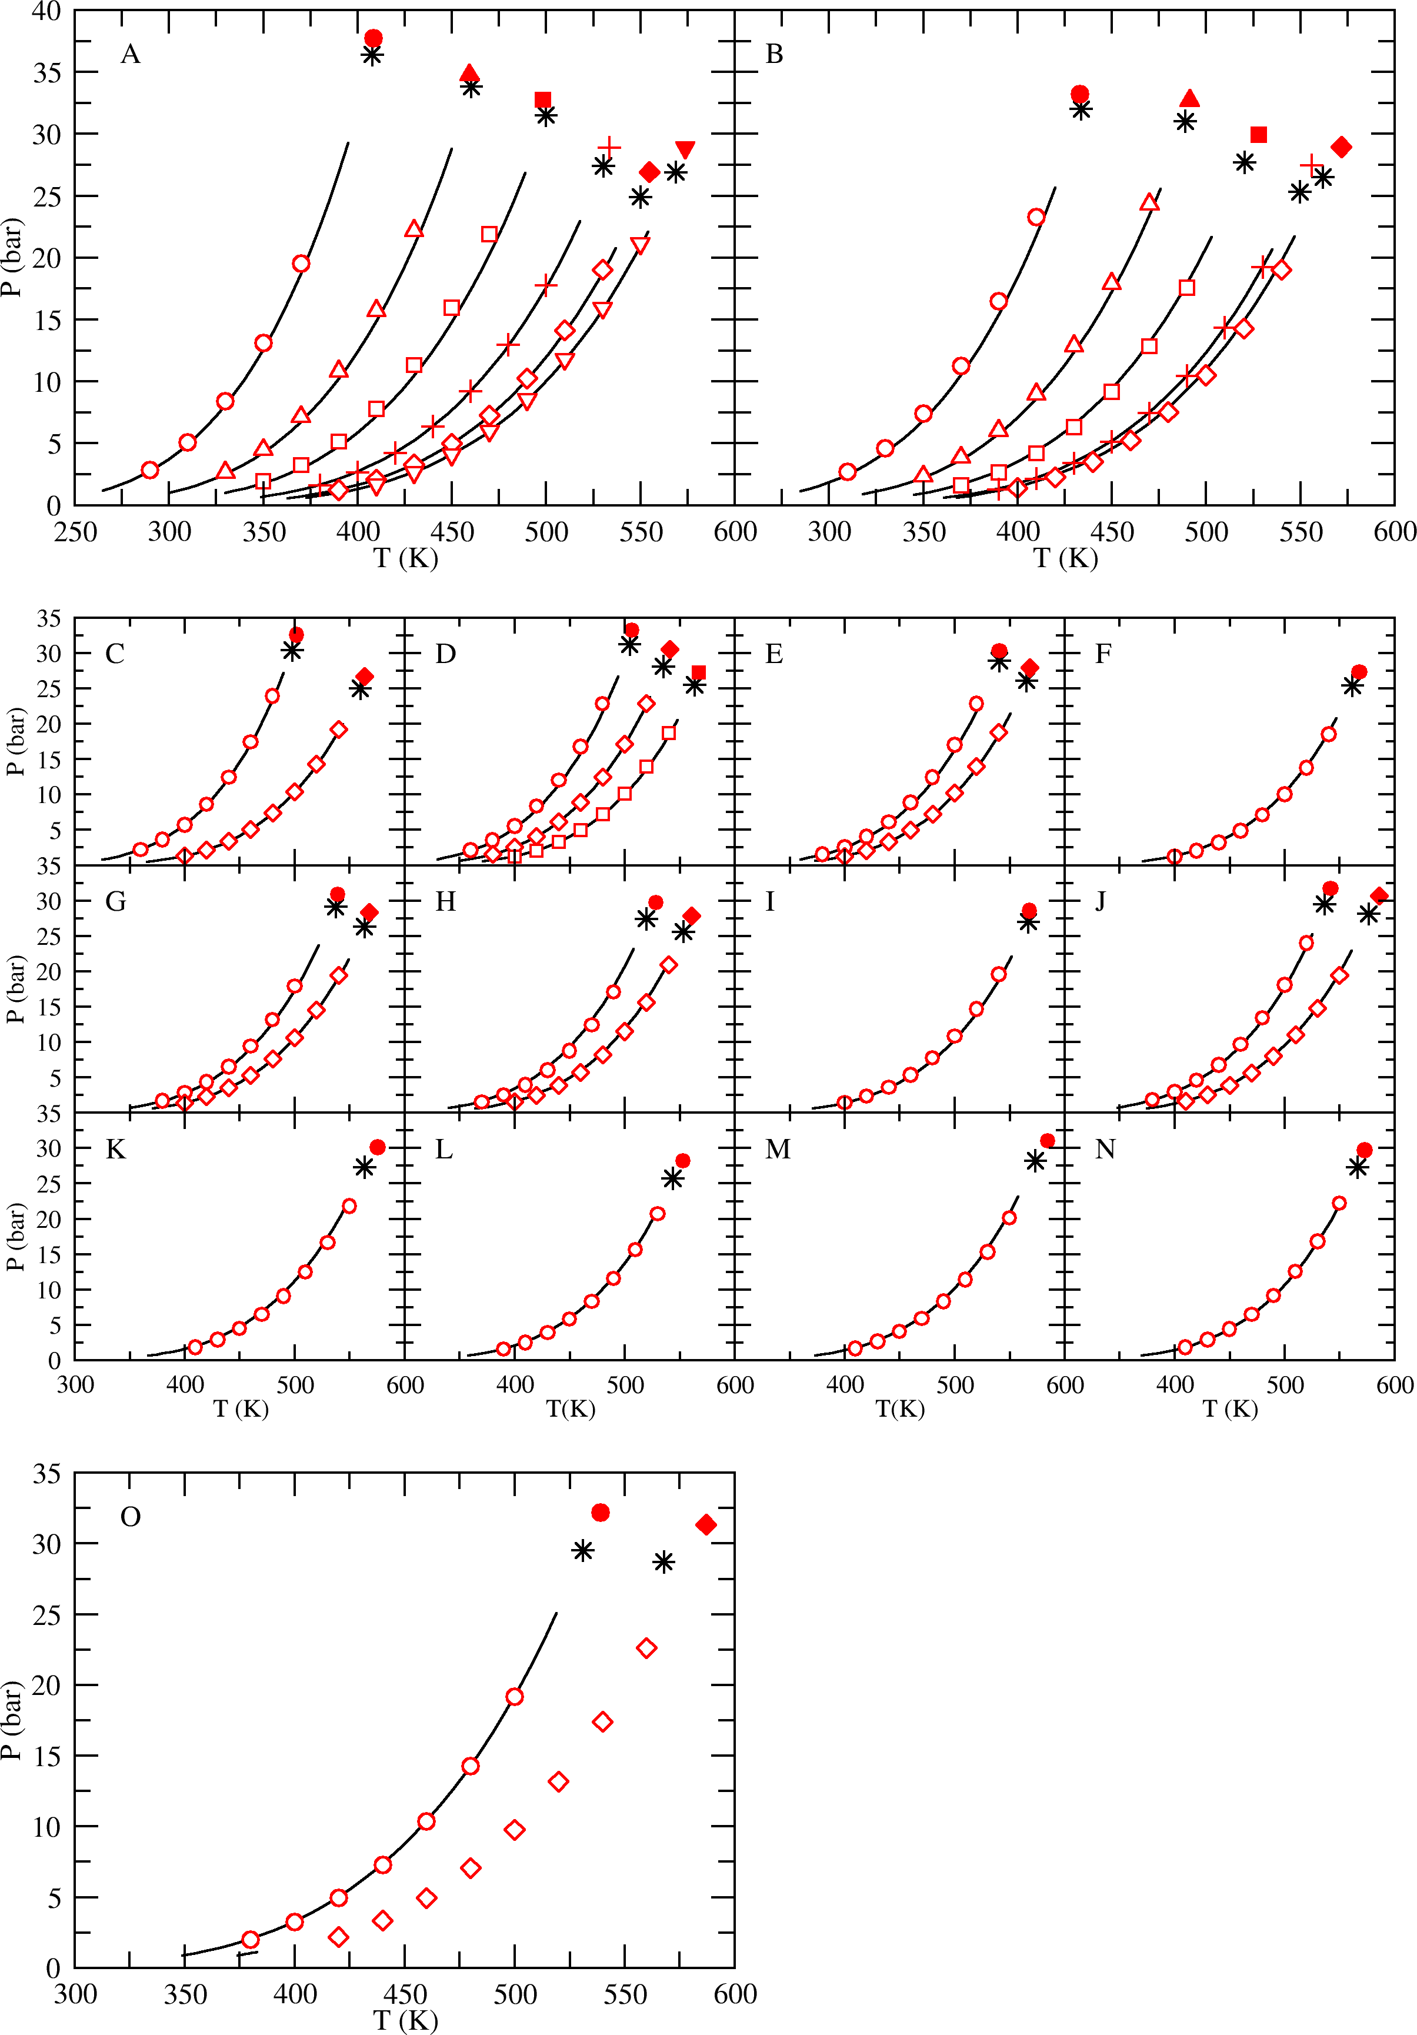 Figure S9: Vapor pressures predicted by the generalized Mie potentials for all branched isomers of butane, pentane, hexane, heptane, and octane. Experimental vapor pressure data (black lines)1, 2 and critical points (black stars)3, 4. A: 2-methylpropane (circles), 2-methylbutane (triangles), 2,3-dimethylbutane (squares), 2-methylhexane (pluses), 2,5- dimethylhexane (diamonds), and 3,4-dimethylhexane (upside down triangles); B: 2,2-dimethylpropane (circles), 2,2- dimethylbutane (triangles), 2,2-dimethylpentane (squares), 2,2-dimethylhexane (pluses), and 3,3-dimethylhexane (diamonds). Critical points predicted by simulation (filled symbols). C: 2-methylpentane (circles) and 2- methylheptane (diamonds); D: 3-methylpentane (circles), 3-methylhexane (diamonds), and 3-methylheptane (squares); E: 3-ethylpentane (circles) and 3-ethylhexane (diamonds); F: 4-methylheptane (circles); G: 2,3- dimethylpentane (circles) and 2,3-dimethylhexane (diamonds); H: 2,4-dimethylpentane (circles), 2,4-dimethylhexane (diamonds); I: 2-methyl-3-ethylpentane (circles); J: 3,3-dimethylpentane (circles) and 3-methyl-3-ethylpentane (diamonds); K: 2,2,3-trimethylpentane (circles); L: 2,2,4-trimethylpentane (circles); M: 2,3,3-trimethylpentane (circles); N: 2,3,4-trimethylpentane (circles); O: 2,2,3-trimethylbutane (circles) and 2,2,3,3-tetramethylbutane (diamonds).

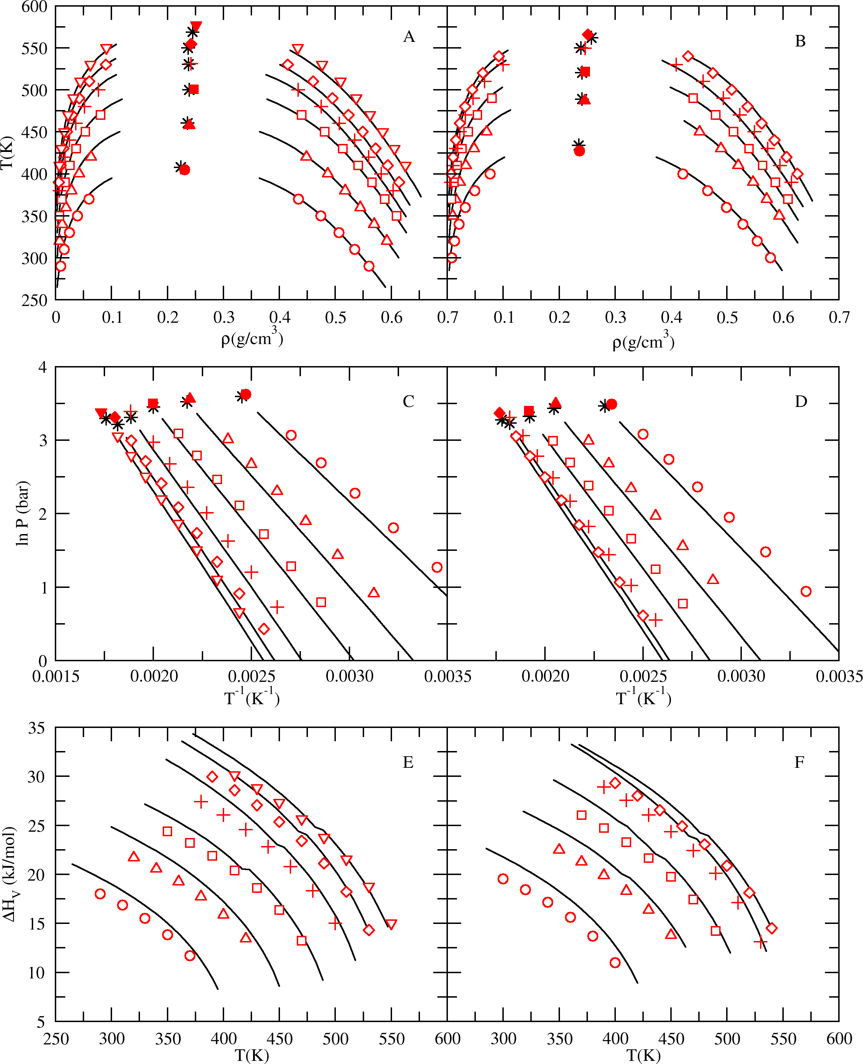 Figure S10: Coexistence curves (A-B), Clausius-Clapeyron plots (C-D), and heats of vaporization (E-F) predicted by the TraPPE force field5, 6 for compounds in the training set. Experimental vapor-liquid coexistence data (black lines)1, 2, and critical points (black stars)3. Figures A, C and E: predictions for isobutane series compounds, which include 2- methylpropane (circles), 2-methylbutane (triangles), 2,3-dimethylbutane (squares), 2-methylhexane (pluses), 2,5- dimethylhexane (diamonds), and 3,4-dimethylhexane (upside down triangles). Figures B, D and F: predictions for 2,2-dimethylpropane (circles), 2,2-dimethylbutane (triangles), 2,2-dimethylpentane (squares), 2,2-dimethylhexane (pluses), and 3,3-dimethylhexane (diamonds). Critical points predicted by simulation (filled symbols).

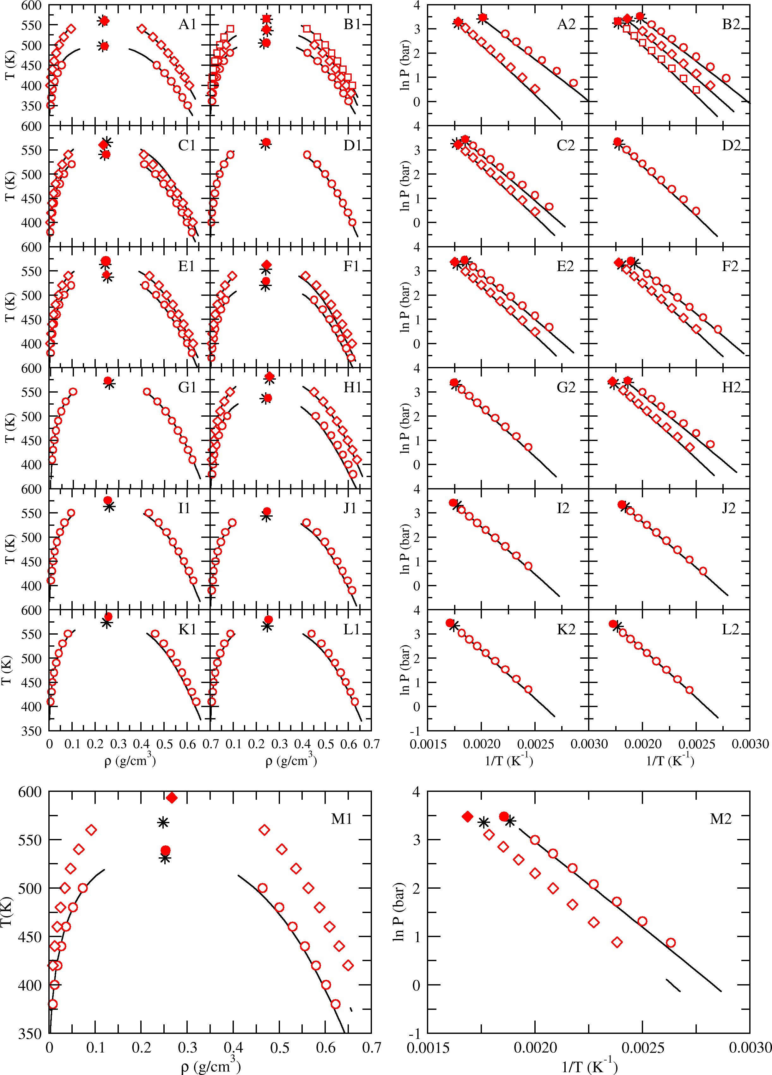 Figure S11: Coexistence curves (left column) and Clausius-Clapeyron plots (right column) predicted by the TraPPE force field5, 6 for compounds not contained in the training set. Experimental vapor-liquid coexistence data (black lines)1, 2 and critical points (black stars)3, 4. A1-2: 2-methylpentane (circles) and 2-methylheptane (diamonds); B1-2: 3-methylpentane (circles), 3-methylhexane (diamonds), and 3-methylheptane (squares); C1-2: 3-ethylpentane (circles) and 3-ethylhexane (diamonds); D1-2: 4-methylheptane (circles); E1-2: 2,3-dimethylpentane (circles) and 2,3- dimethylhexane (diamonds); F1-2: 2,4-dimethylpentane (circles), 2,4-dimethylhexane (diamonds); G1-2: 2-methyl-3- ethylpentane (circles); H1-2: 3,3-dimethylpentane (circles) and 3-methyl-3-ethylpentane (diamonds); I1-2: 2,2,3- trimethylpentane (circles); J1-2: 2,2,4-trimethylpentane (circles); K1-2: 2,3,3-trimethylpentane (circles); L1-2: 2,3,4- trimethylpentane (circles); M1-2: 2,2,3-trimethylbutane (circles) and 2,2,3,3-tetramethylbutane (diamonds).

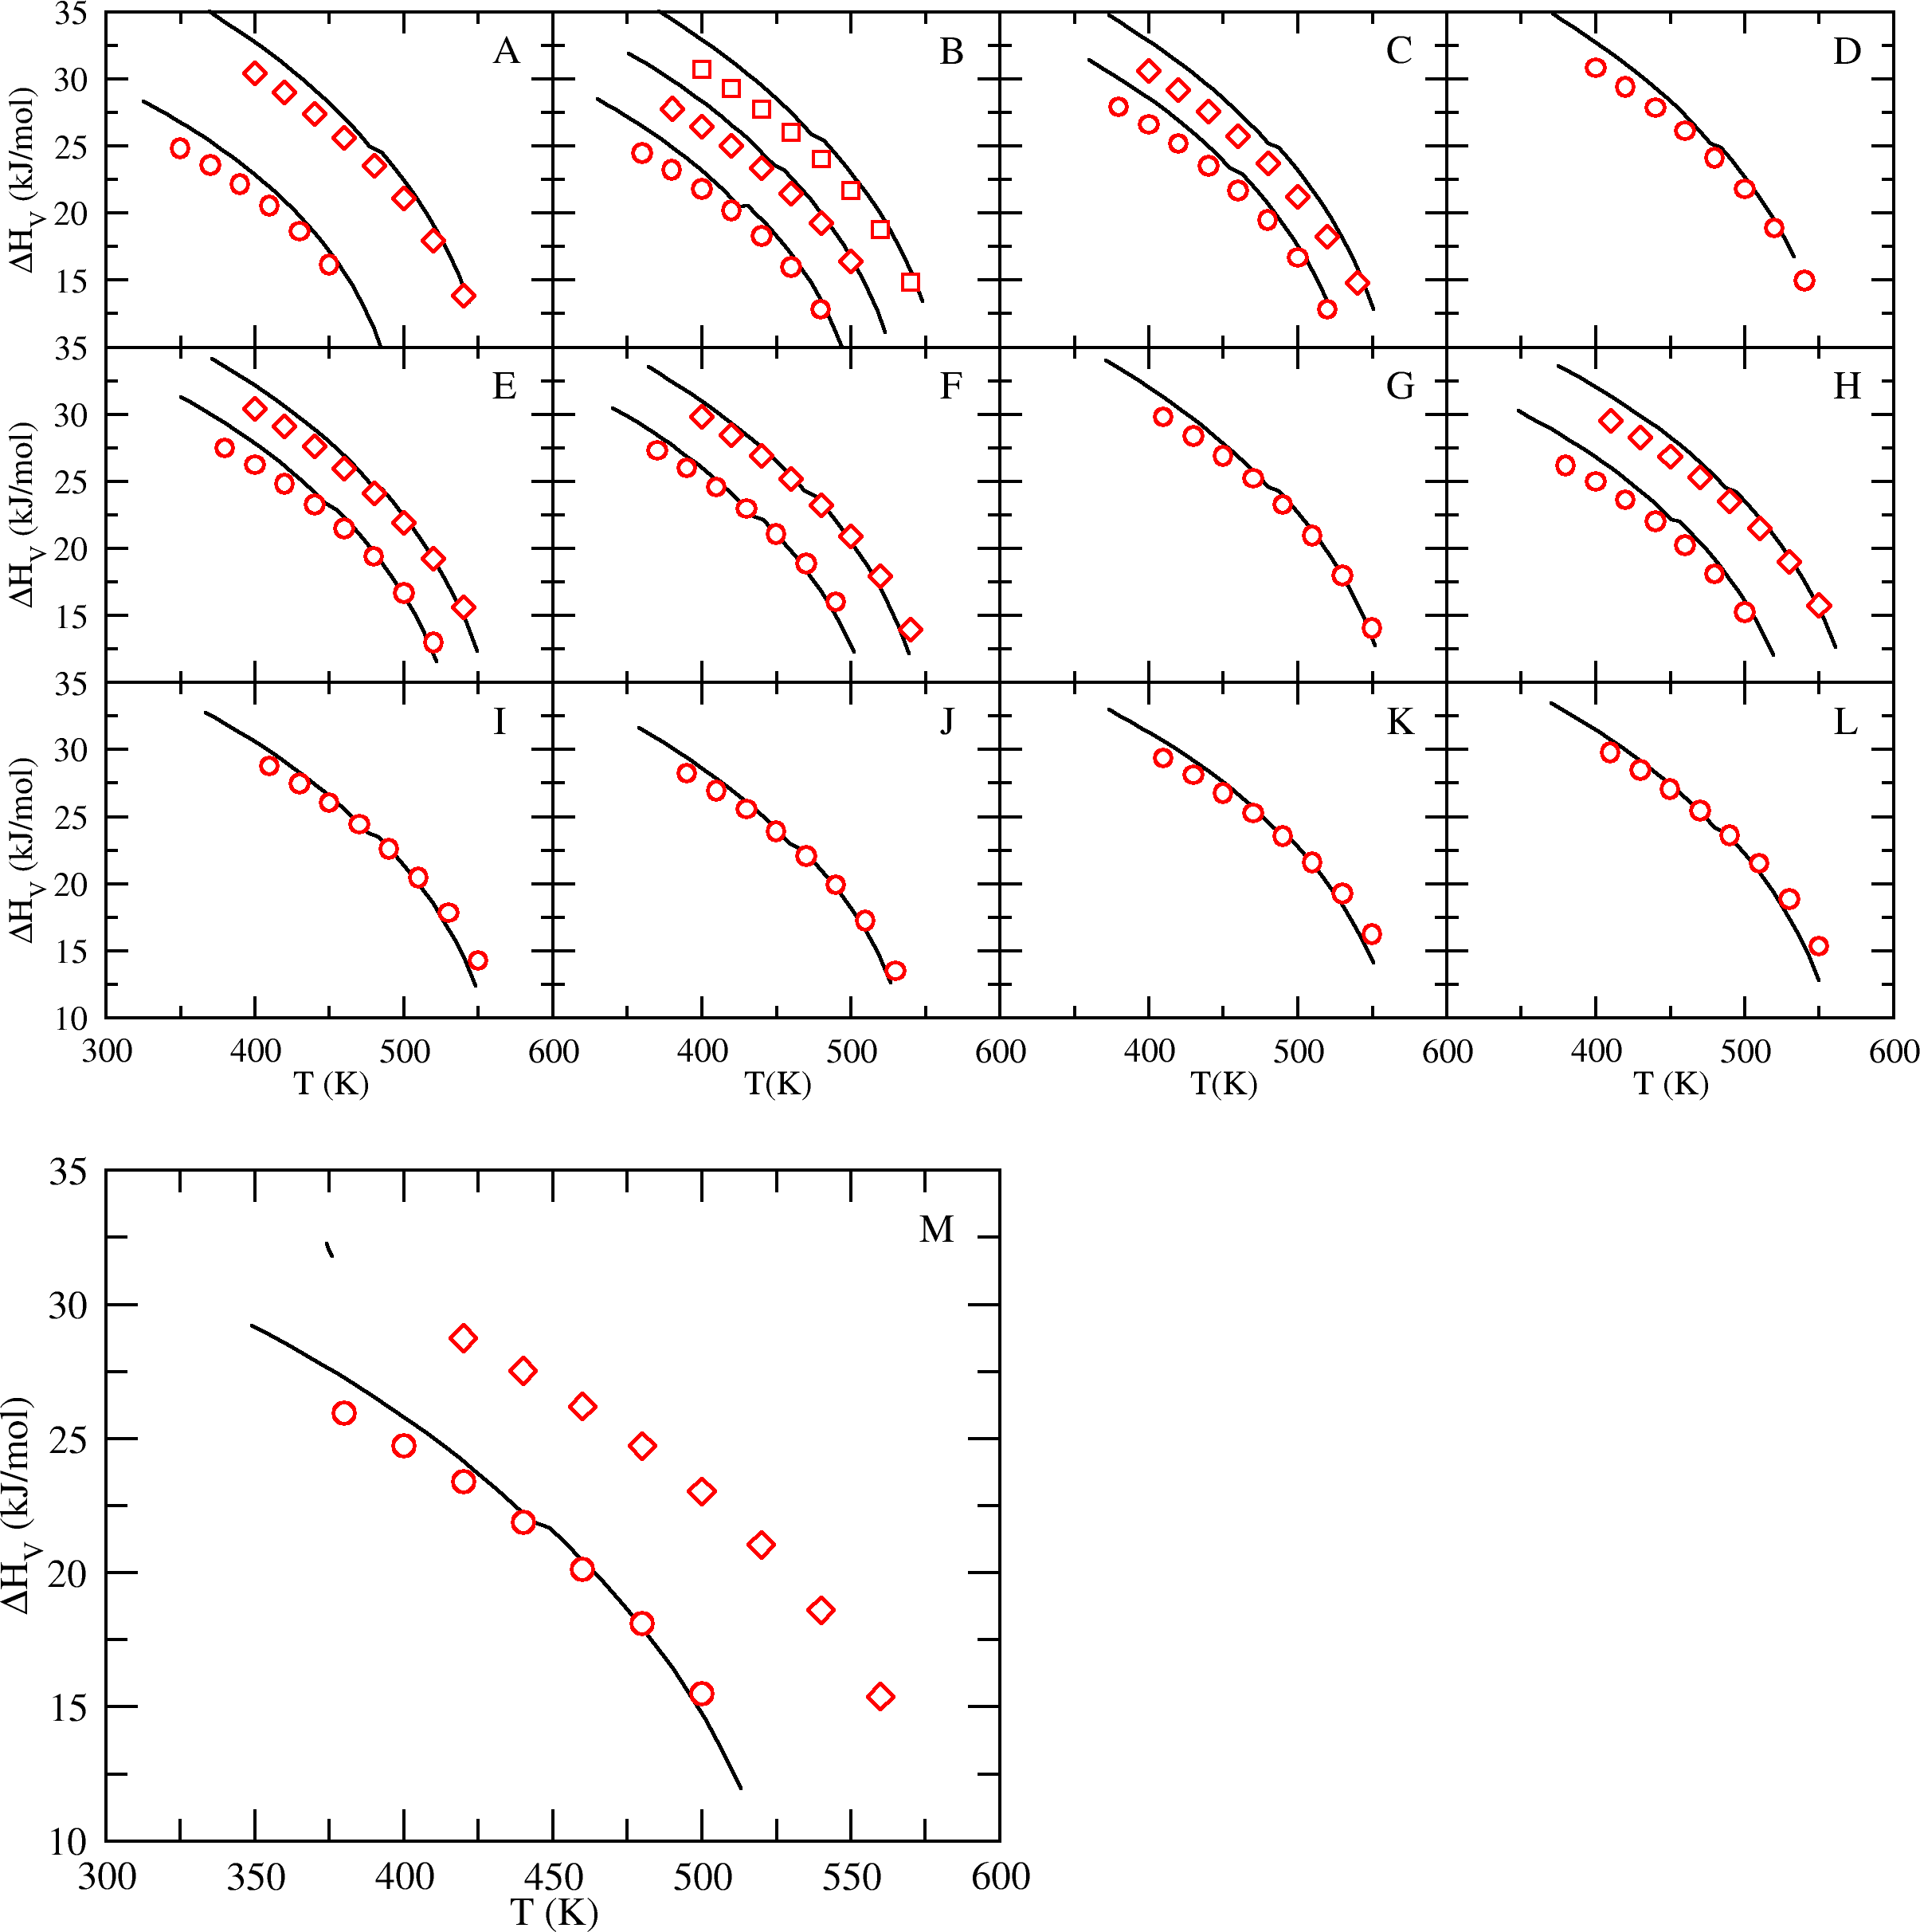 Figure S12: Heats of vaporization predicted by the TraPPE force field5, 6 for compounds not contained in the training set. Experimental heat of vaporization data (black lines)1, 2. A: 2- methylpentane (circles) and 2-methylheptane (diamonds); B: 3-methylpentane (circles), 3- methylhexane (diamonds), and 3-methylheptane (squares); C: 3-ethylpentane (circles) and 3- ethylhexane (diamonds); D: 4-methylheptane (circles); E: 2,3-dimethylpentane (circles) and 2,3- dimethylhexane (diamonds); F: 2,4-dimethylpentane (circles), 2,4-dimethylhexane (diamonds); G: 2-methyl-3-ethylpentane (circles); H: 3,3-dimethylpentane (circles) and 3-methyl-3-ethylpentane (diamonds); I: 2,2,3-trimethylpentane (circles); J: 2,2,4-trimethylpentane (circles); K: 2,3,3- trimethylpentane (circles); L: 2,3,4-trimethylpentane (circles); M: 2,2,3-trimethylbutane (circles) and 2,2,3,3-tetramethylbutane (diamonds).

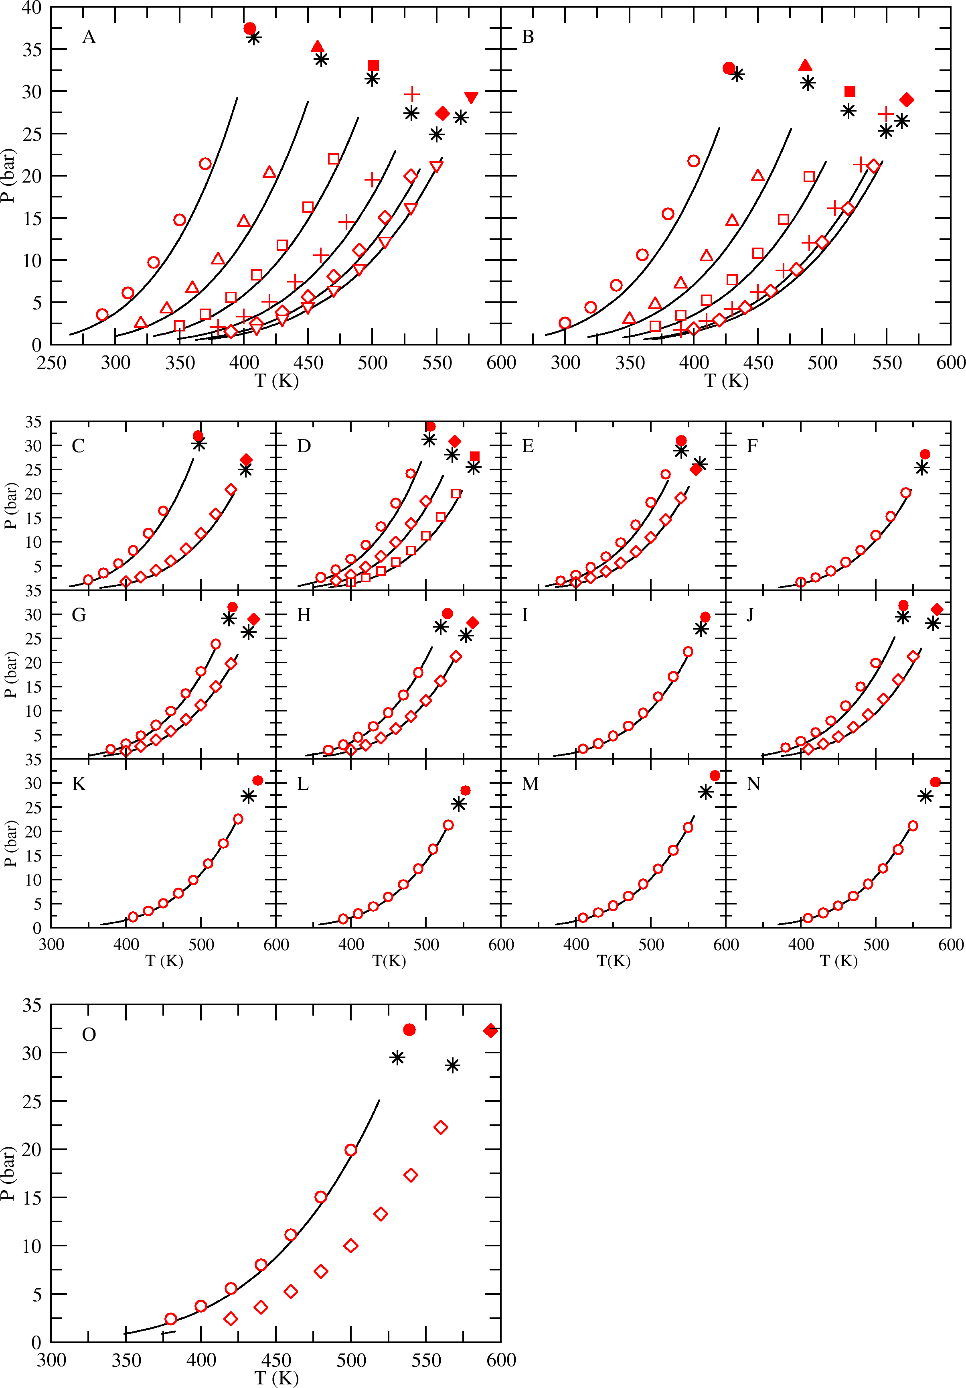 Figure S13: Vapor pressures predicted by the TraPPE force field5, 6 for all branched isomers of butane, pentane, hexane, heptane, and octane. Experimental vapor pressure data (black lines)1, 2 and critical points (black stars)3, 4. A: 2-methylpropane (circles), 2-methylbutane (triangles), 2,3-dimethylbutane (squares), 2-methylhexane (pluses), 2,5- dimethylhexane (diamonds), and 3,4-dimethylhexane (upside down triangles); B: 2,2-dimethylpropane (circles), 2,2- dimethylbutane (triangles), 2,2-dimethylpentane (squares), 2,2-dimethylhexane (pluses), and 3,3-dimethylhexane (diamonds). Critical points predicted by simulation (filled symbols). C: 2-methylpentane (circles) and 2- methylheptane (diamonds); D: 3-methylpentane (circles), 3-methylhexane (diamonds), and 3-methylheptane (squares); E: 3-ethylpentane (circles) and 3-ethylhexane (diamonds); F: 4-methylheptane (circles); G: 2,3- dimethylpentane (circles) and 2,3-dimethylhexane (diamonds); H: 2,4-dimethylpentane (circles), 2,4-dimethylhexane (diamonds); I: 2-methyl-3-ethylpentane (circles); J: 3,3-dimethylpentane (circles) and 3-methyl-3-ethylpentane (diamonds); K: 2,2,3-trimethylpentane (circles); L: 2,2,4-trimethylpentane (circles); M: 2,3,3-trimethylpentane (circles); N: 2,3,4-trimethylpentane (circles); O: 2,2,3-trimethylbutane (circles) and 2,2,3,3-tetramethylbutane (diamonds).

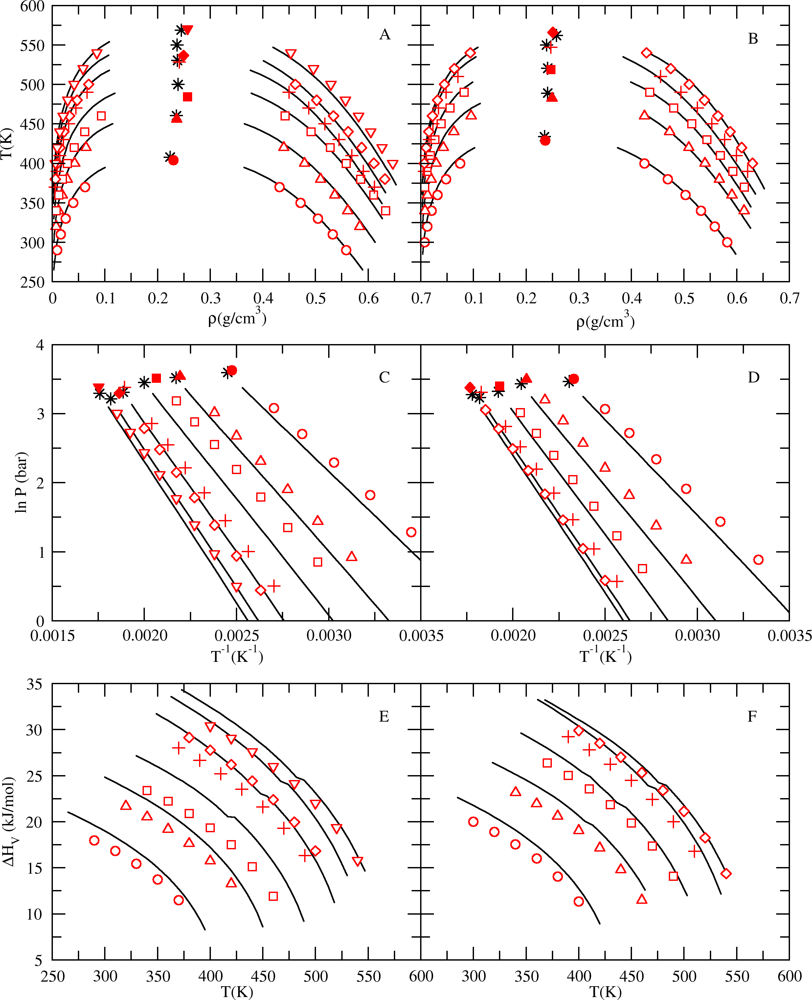 Figure S14: Coexistence curves (A-B), Clausius-Clapeyron plots (C-D), and heats of vaporization (E-F) predicted by the NERD force field7 for compounds in the training set. Experimental vapor-liquid coexistence data (black lines)1, 2, and critical points (black stars)3. Figures A, C and E: predictions for isobutane series compounds, which include 2- methylpropane (circles), 2-methylbutane (triangles), 2,3-dimethylbutane (squares), 2-methylhexane (pluses), 2,5- dimethylhexane (diamonds), and 3,4-dimethylhexane (upside down triangles). Figures B, D and F: predictions for 2,2-dimethylpropane (circles), 2,2-dimethylbutane (triangles), 2,2-dimethylpentane (squares), 2,2-dimethylhexane (pluses), and 3,3-dimethylhexane (diamonds). Critical points predicted by simulation (filled symbols).

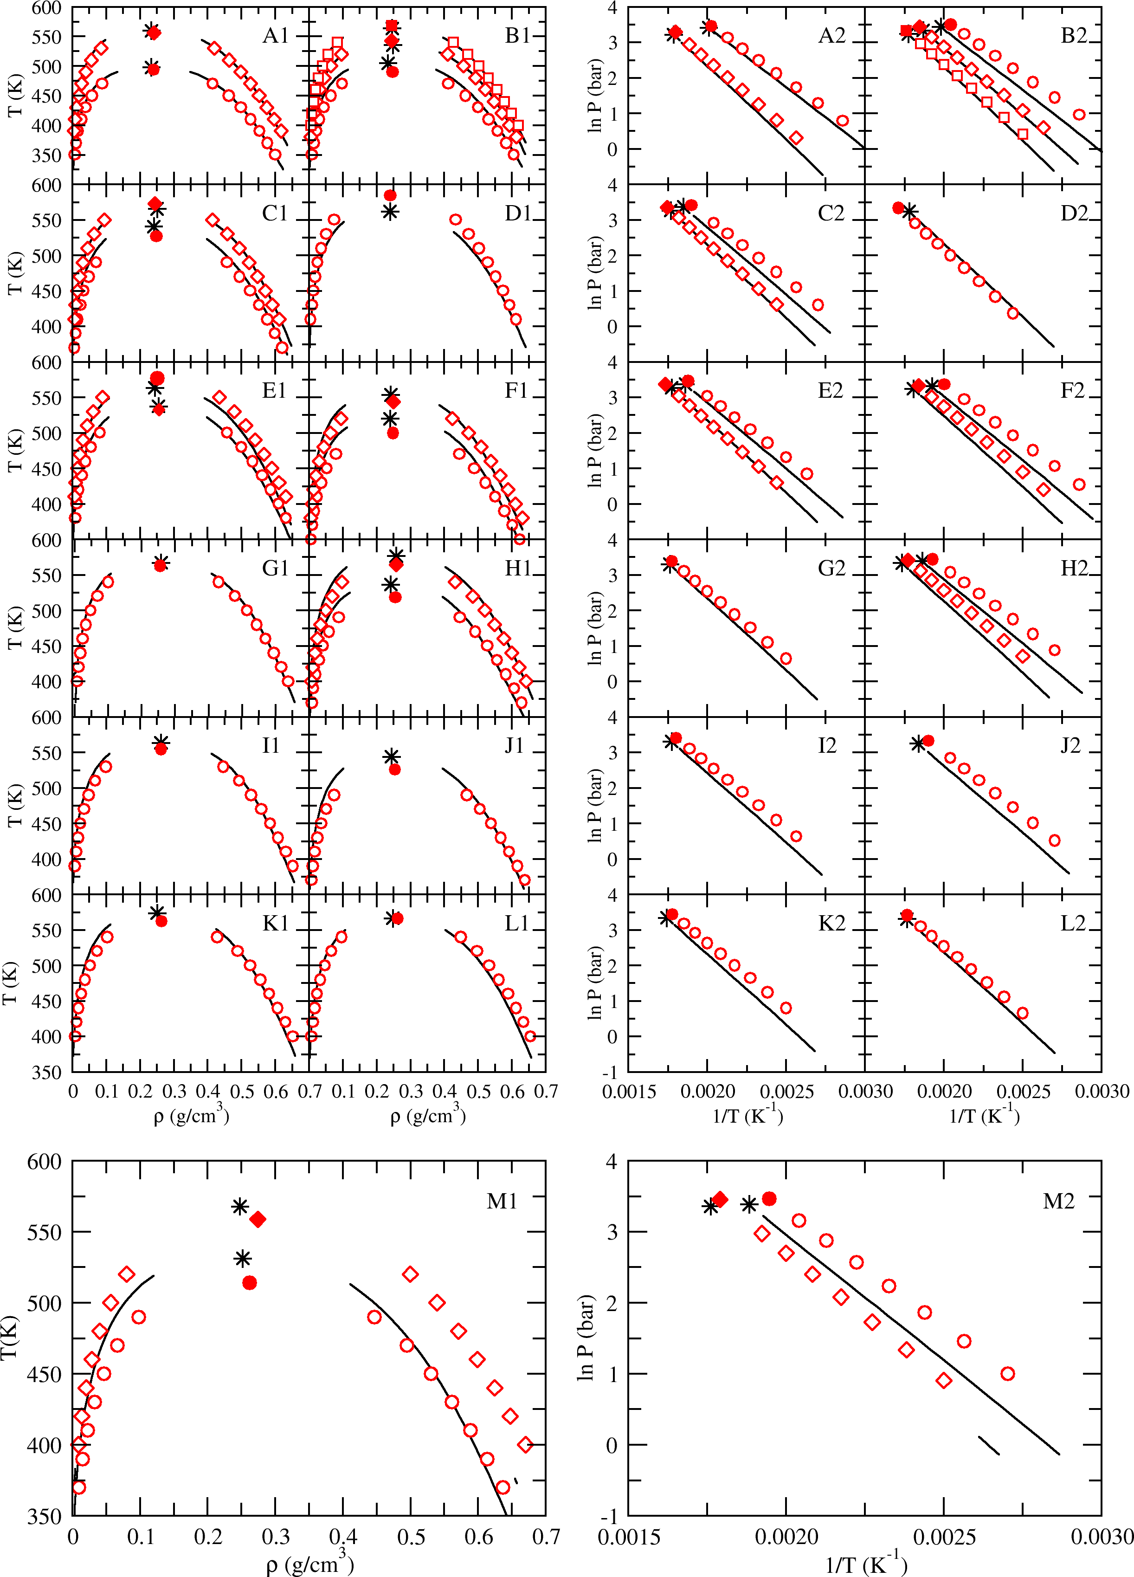 Figure S15: Coexistence curves (left column) and Clausius-Clapeyron plots (right column) predicted by the NERD force field7 for compounds not contained in the training set. Experimental vapor-liquid coexistence data (black lines)1, 2 and critical points (black stars)3, 4. A1-2: 2-methylpentane (circles) and 2-methylheptane (diamonds); B1-2: 3- methylpentane (circles), 3-methylhexane (diamonds), and 3-methylheptane (squares); C1-2: 3-ethylpentane (circles) and 3-ethylhexane (diamonds); D1-2: 4-methylheptane (circles); E1-2: 2,3-dimethylpentane (circles) and 2,3- dimethylhexane (diamonds); F1-2: 2,4-dimethylpentane (circles), 2,4-dimethylhexane (diamonds); G1-2: 2-methyl-3- ethylpentane (circles); H1-2: 3,3-dimethylpentane (circles) and 3-methyl-3-ethylpentane (diamonds); I1-2: 2,2,3- trimethylpentane (circles); J1-2: 2,2,4-trimethylpentane (circles); K1-2: 2,3,3-trimethylpentane (circles); L1-2: 2,3,4- trimethylpentane (circles); M1-2: 2,2,3-trimethylbutane (circles); 2,2,3,3-tetramethylbutane (diamonds)

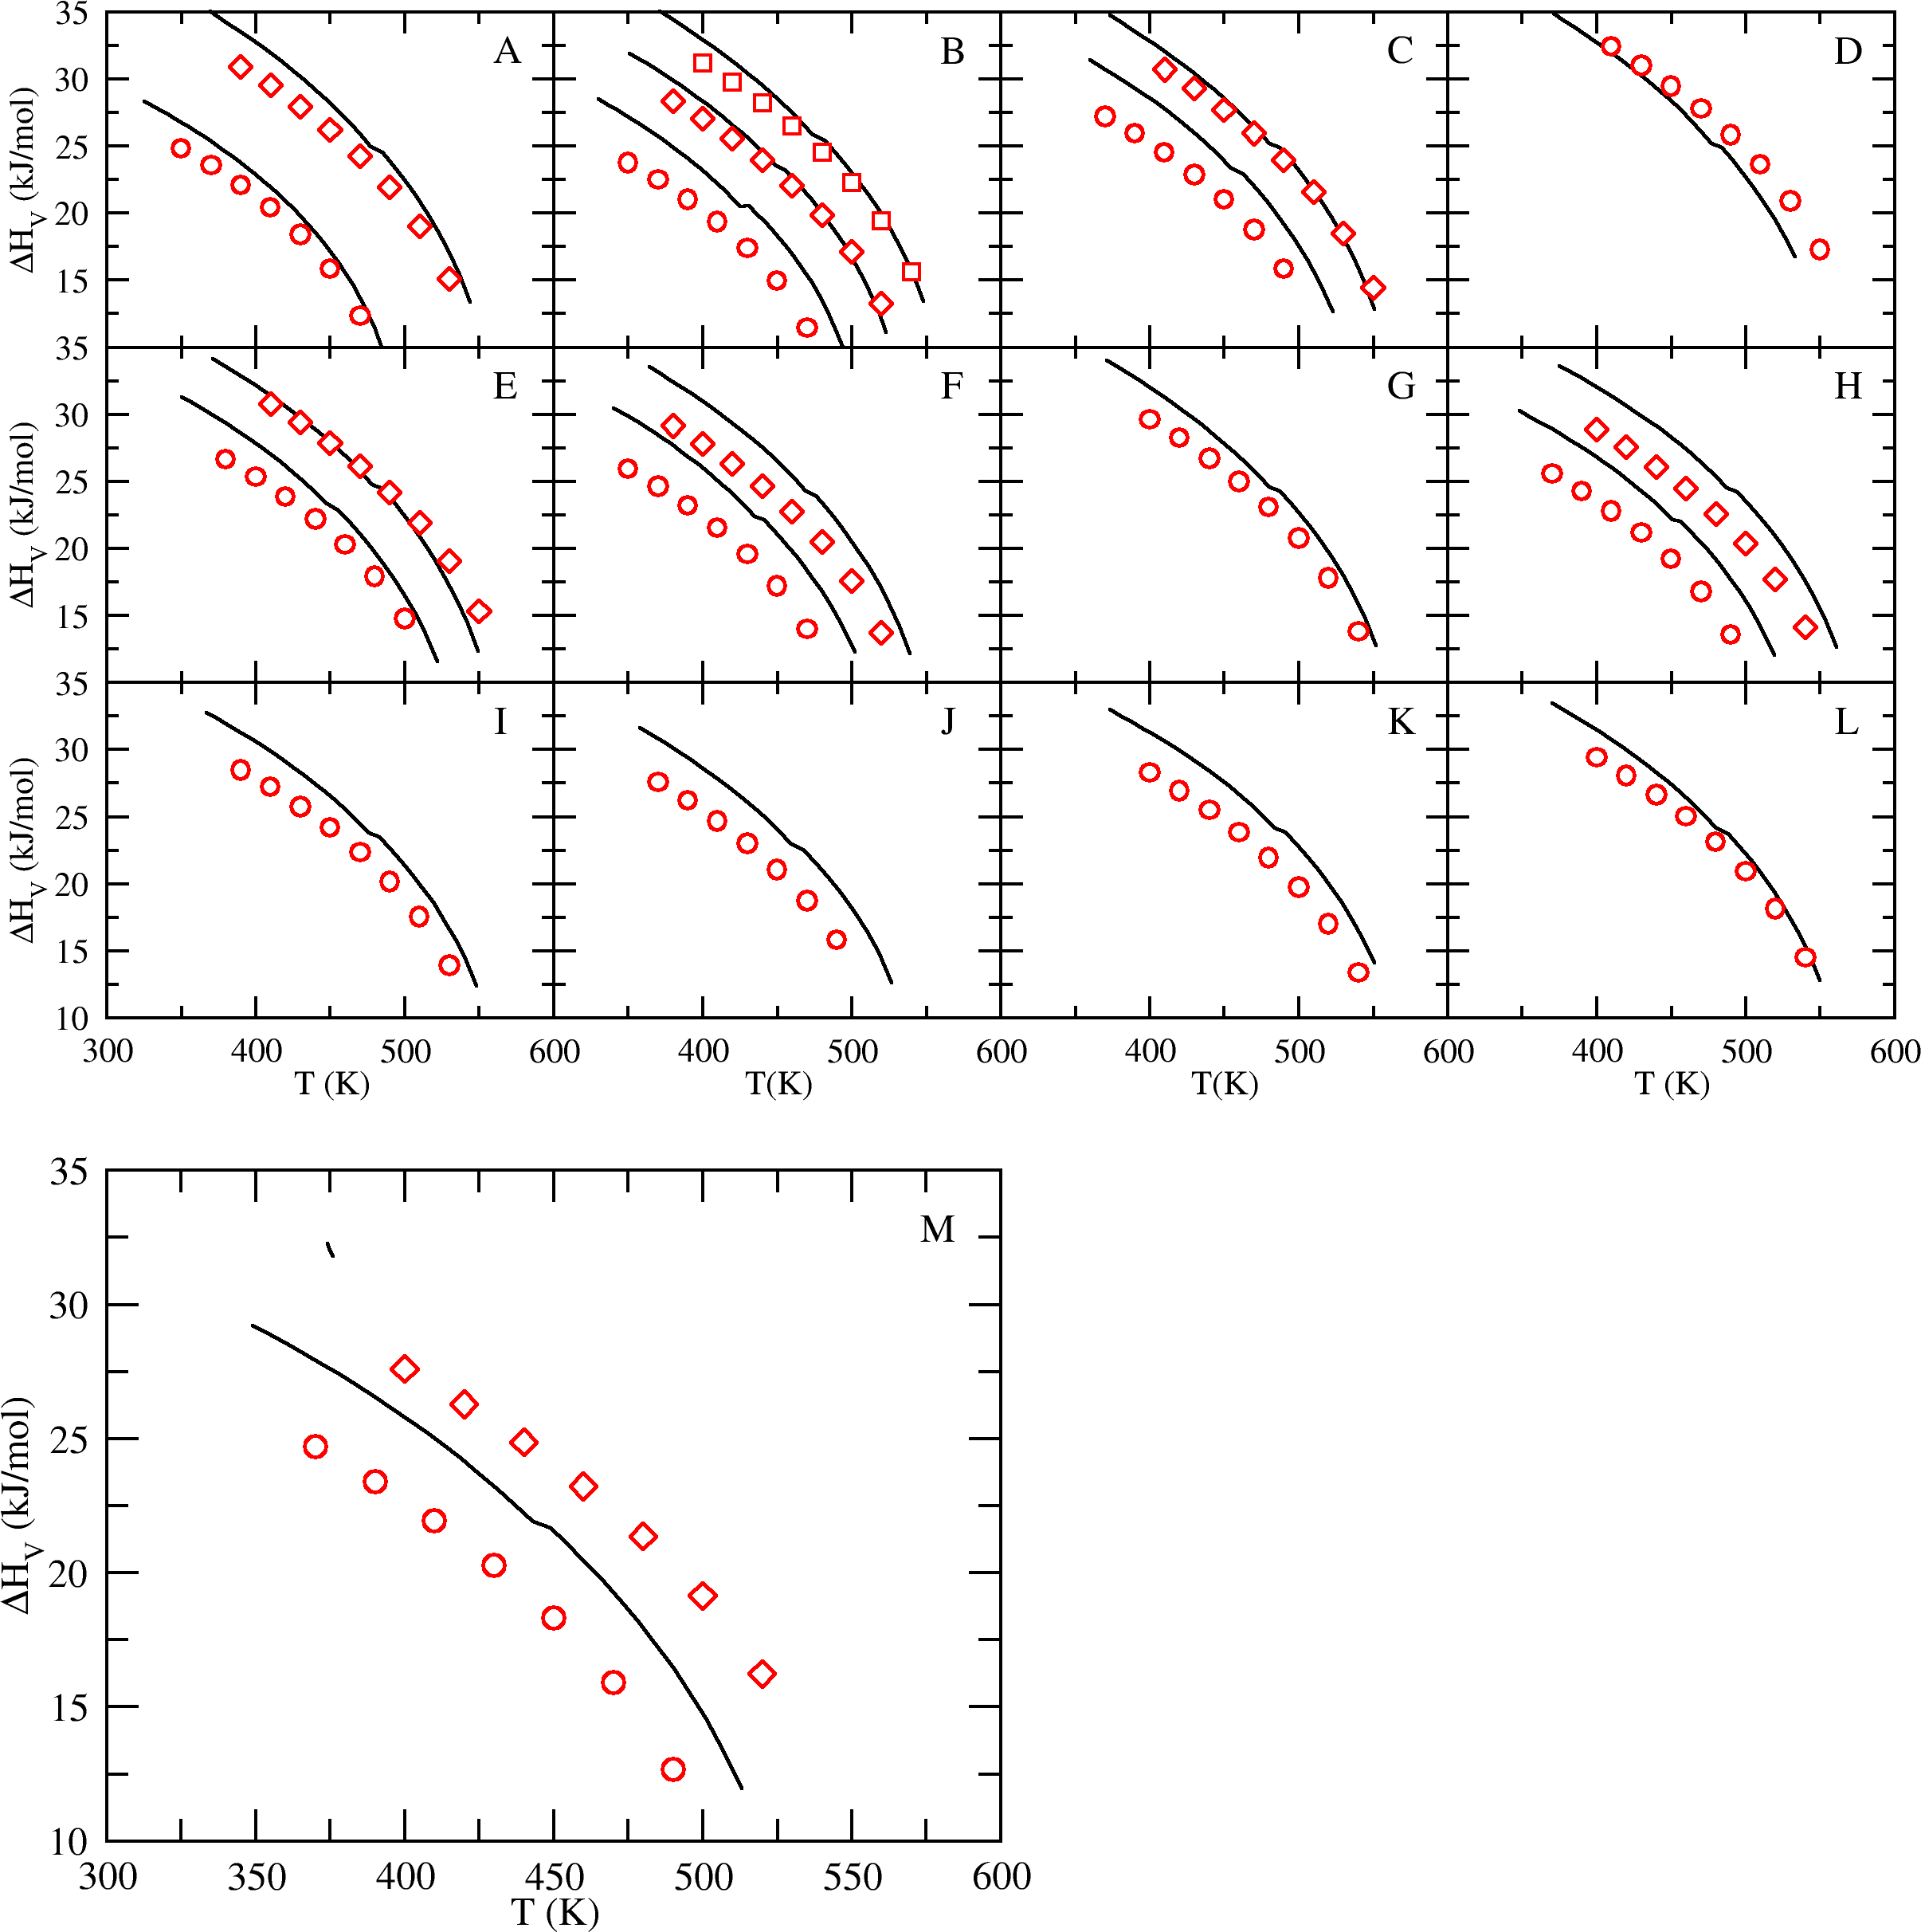 Figure S16: Heats of vaporization predicted by the NERD force field7 for compounds not contained in the training set. Experimental heat of vaporization data (black lines)1, 2. A: 2- methylpentane (circles) and 2-methylheptane (diamonds); B: 3-methylpentane (circles), 3- methylhexane (diamonds), and 3-methylheptane (squares); C: 3-ethylpentane (circles) and 3- ethylhexane (diamonds); D: 4-methylheptane (circles); E: 2,3-dimethylpentane (circles) and 2,3- dimethylhexane (diamonds); F: 2,4-dimethylpentane (circles), 2,4-dimethylhexane (diamonds); G: 2-methyl-3-ethylpentane (circles); H: 3,3-dimethylpentane (circles) and 3-methyl-3-ethylpentane (diamonds); I: 2,2,3-trimethylpentane (circles); J: 2,2,4-trimethylpentane (circles); K: 2,3,3- trimethylpentane (circles); L: 2,3,4-trimethylpentane (circles); M: 2,2,3-trimethylbutane (circles); 2,2,3,3-tetramethylbutane (diamonds).

Figure S17: Vapor pressures predicted by the NERD force field7 for all branched isomers of butane, pentane, hexane, heptane, and octane. Experimental vapor pressure data (black lines)1, 2 and critical points (black stars)3, 4. A: 2- methylpropane (circles), 2-methylbutane (triangles), 2,3-dimethylbutane (squares), 2-methylhexane (pluses), 2,5- dimethylhexane (diamonds), and 3,4-dimethylhexane (upside down triangles); B: 2,2-dimethylpropane (circles), 2,2- dimethylbutane (triangles), 2,2-dimethylpentane (squares), 2,2-dimethylhexane (pluses), and 3,3-dimethylhexane (diamonds). Critical points predicted by simulation (filled symbols). C: 2-methylpentane (circles) and 2- methylheptane (diamonds); D: 3-methylpentane (circles), 3-methylhexane (diamonds), and 3-methylheptane (squares); E: 3-ethylpentane (circles) and 3-ethylhexane (diamonds); F: 4-methylheptane (circles); G: 2,3- dimethylpentane (circles) and 2,3-dimethylhexane (diamonds); H: 2,4-dimethylpentane (circles), 2,4-dimethylhexane (diamonds); I: 2-methyl-3-ethylpentane (circles); J: 3,3-dimethylpentane (circles) and 3-methyl-3-ethylpentane (diamonds); K: 2,2,3-trimethylpentane (circles); L: 2,2,4-trimethylpentane (circles); M: 2,3,3-trimethylpentane (circles); N: 2,3,4-trimethylpentane (circles); O: 2,2,3-trimethylbutane (circles); 2,2,3,3-tetramethylbutane (diamonds). |  |  |  |  |  |  |  |  |  |  |  |  |  |  |  |  |  |  |  |  |  |  |  |  |  |  | 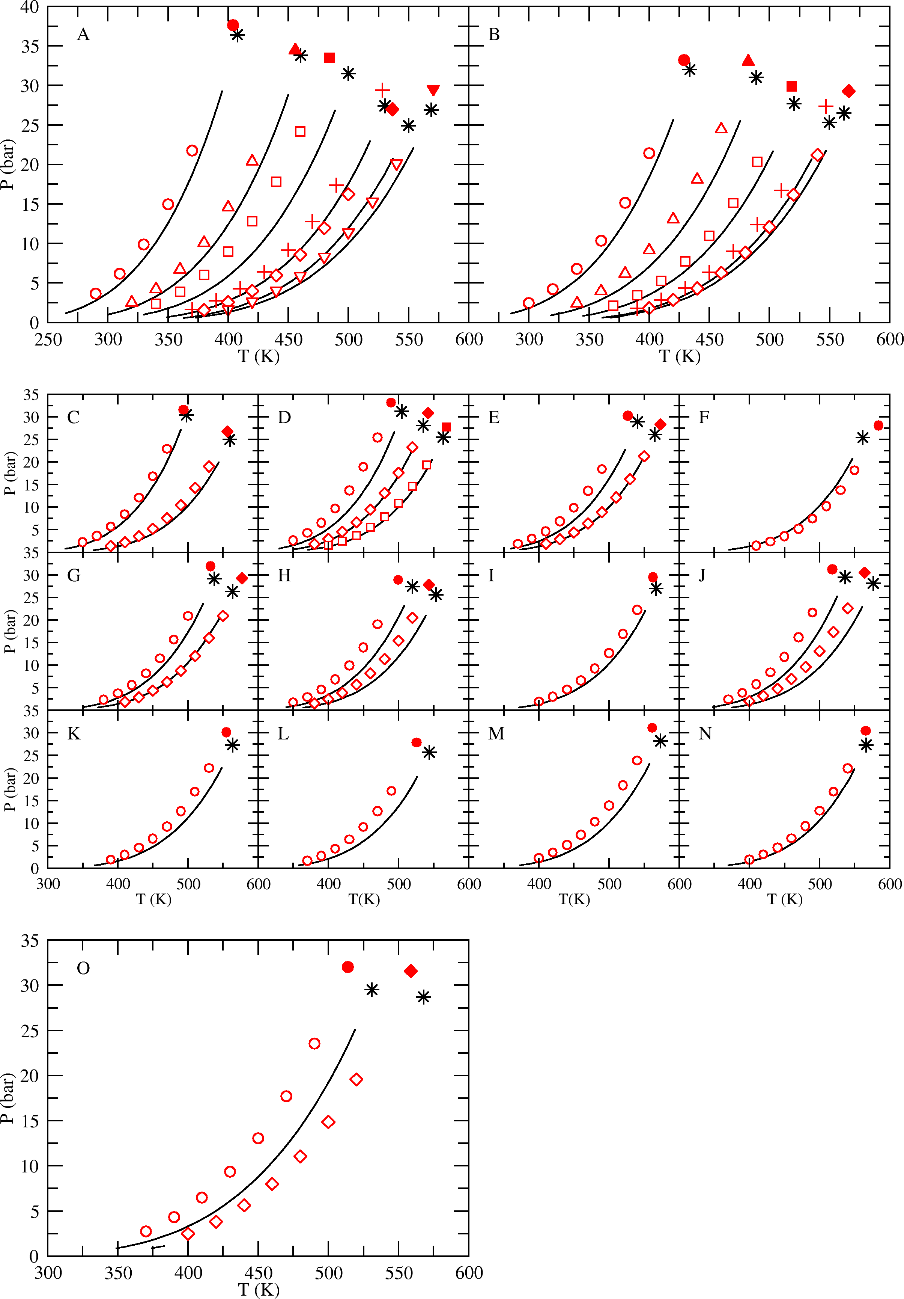

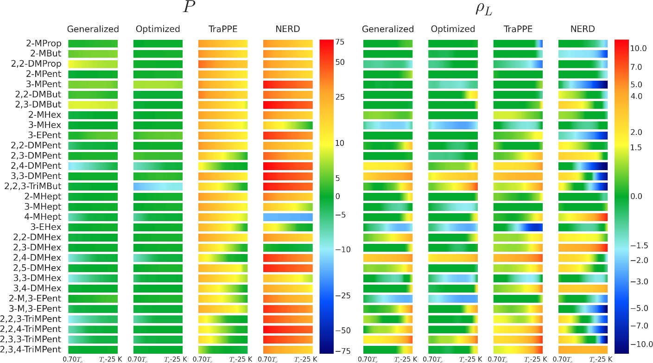 Figure S18: Percent error relative to experiment1, 2 for the predictions of the Mie, TraPPE5, 6 and NERD7 force fields over the temperature range 0.7𝑇% ≤ 𝑇 ≤ 𝑇% − 25 K. The color map is defined using a logarithmic scale. Red is the maximum positive error, blue is the largest negative error and green corresponds to errors of -5% to 5% in the vapor pressure and -1.5% to 1.5% in the saturated liquid density.
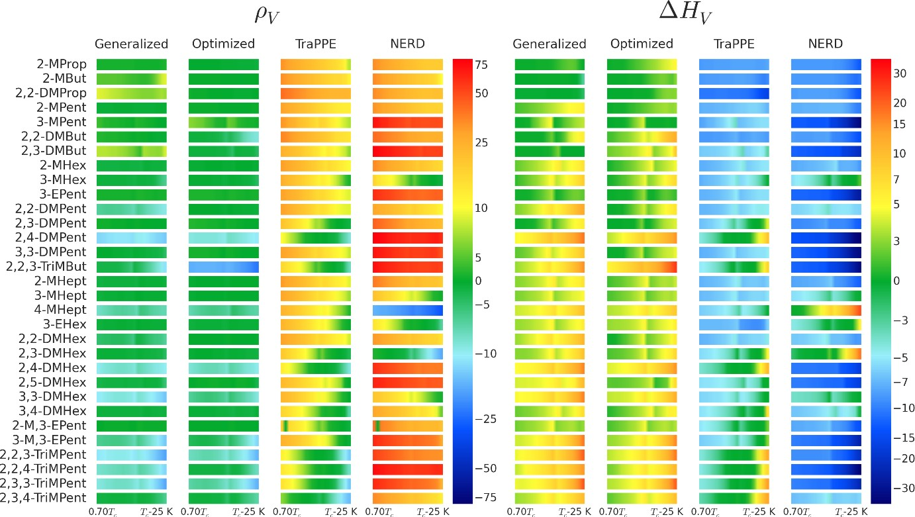 Figure S19: Percent error relative to experiment1, 2 for the predictions of the Mie, TraPPE5, 6 and NERD7 force fields over the temperature range 0.7𝑇% ≤ 𝑇 ≤ 𝑇% − 25 K. The color map is defined using a logarithmic scale. Red is the maximum positive error, blue is the largest negative error and green corresponds to errors of -5% to 5% in the saturated vapor density and -2.5% to 2.5% in the heat of vaporization.
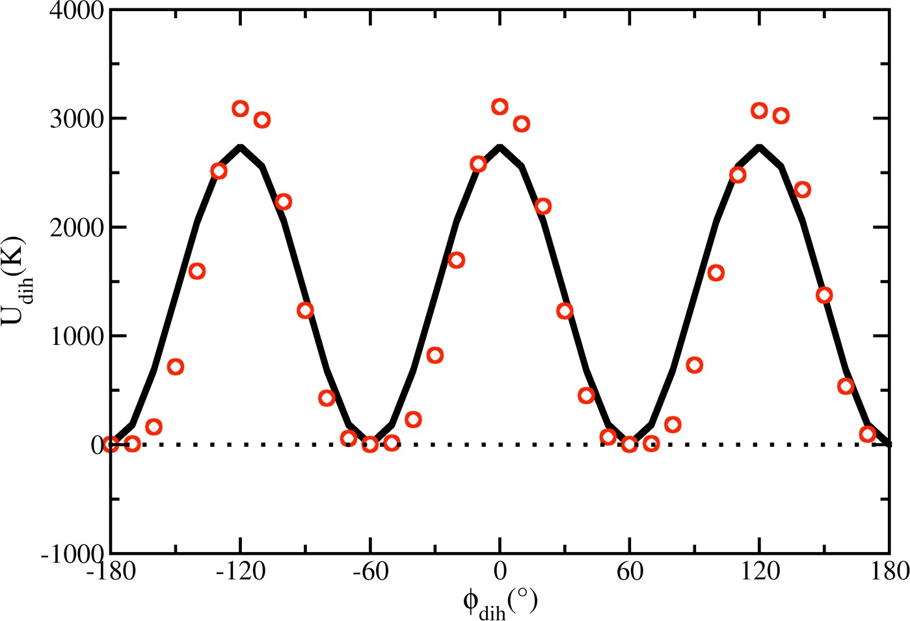 Figure S20: Rotational barrier for the CHx -C-CH- CHy torsion in 2,2,3-trimethylbutane, 2,2,3- trimethylpentane, and 2,3,3-trimethylpentane. Predictions of HF/6-31+g(d,p) ab initio calculations (red circles); fit of cosine series (black solid line).

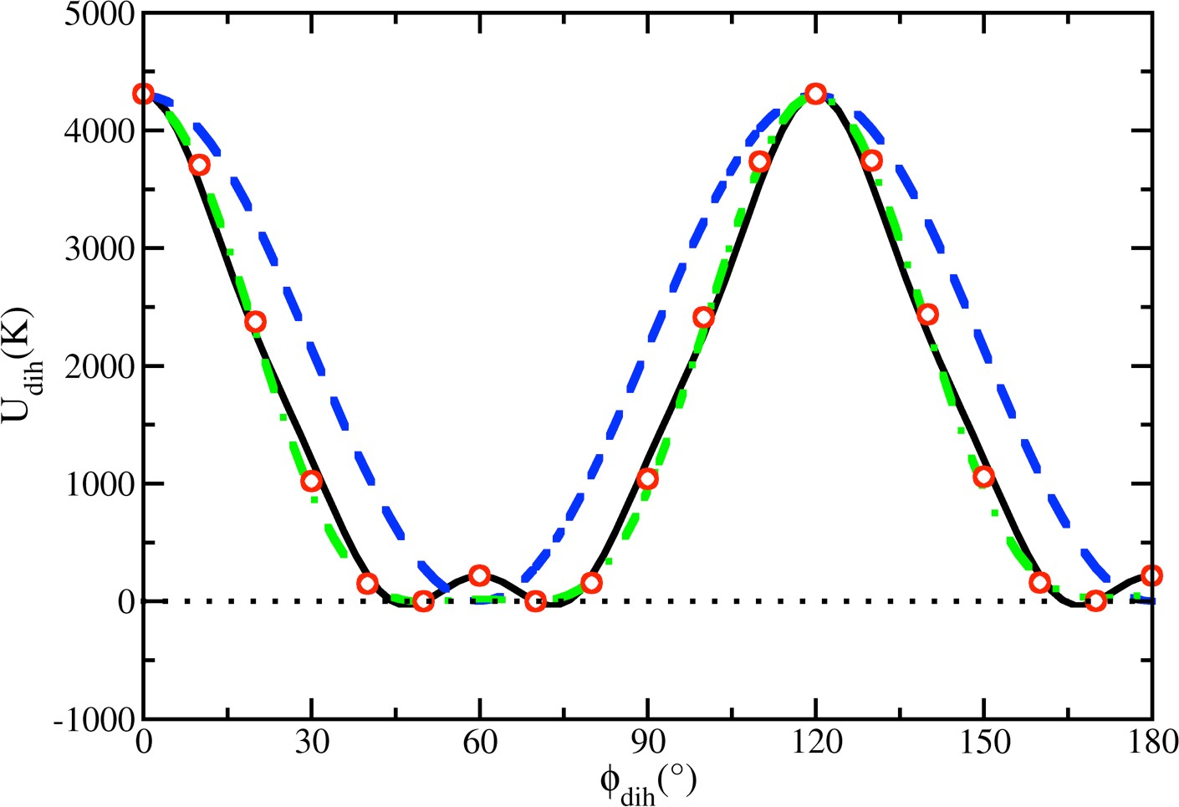 Figure S21: Rotational barrier for the CH3-C-C-CH3 torsion in 2,2,3,3- tetramethylbutane. Predictions of HF/6-31+g(d,p) ab initio calculations (red circles); 2,150[1 + cos(3φ)] (blue dashed line); 50 + 20.25[1 + cos(φ)] + 2,130[1 + cos(3φ)] – 610[1 – cos(6 φ)] (green dashed line); 2950.91 – 2047.06[1 + cos(3φ)] + 529.25[1 - cos(6φ)] + 150.16[1 + cos(12φ)] (black solid line).

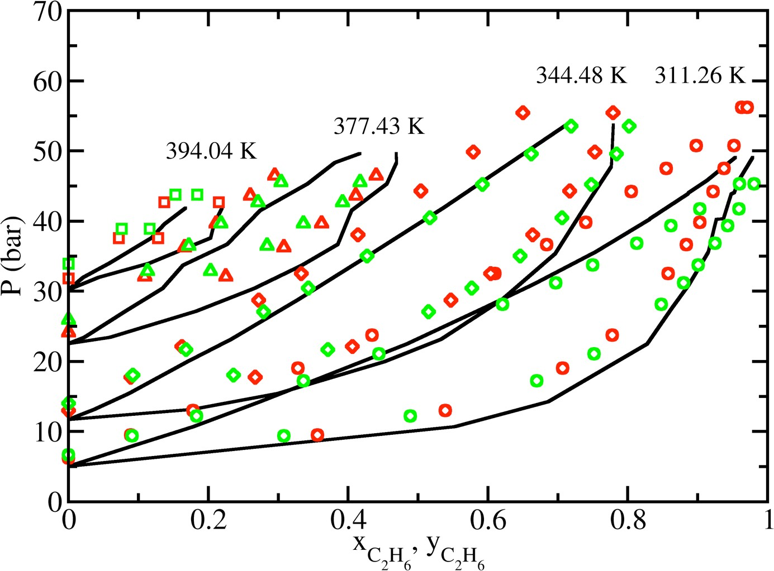 Figure S22: Pressure-composition diagram for ethane + isobutane binary system. Data are represented by: experimental data8 (black lines), TraPPE5, 6 (red symbols), NERD7 (green symbols).

range 0.64 ≤ 𝑇 ≤ 𝑇% − 20 K . S/L Optimized Generalized TraPPE5, 6 NERD7

compound |  |  |  |  |  | %AD |  | %AAD |  |  |  | %AD |  |  |  | %AAD |  |  | %AD |  | %AAD |  |  | %AD |  | %AAD
2-methylpropane |  |  |  |  |  | -0.81 |  | 0.81 |  |  |  | 2.49 |  |  |  | 2.49 |  |  | 21.84 |  | 21.84 |  |  | 23.81 |  | 23.81
2-methylbutane |  |  |  |  |  | 0.67 |  | 0.68 |  |  |  | 4.91 |  |  |  | 4.91 |  |  | 22.51 |  | 22.51 |  |  | 23.36 |  | 23.36
2,2-dimethylpropane |  |  |  |  |  | -0.42 |  | 0.69 |  |  |  | 6.65 |  |  |  | 6.65 |  |  | 26.43 |  | 26.43 |  |  | 22.56 |  | 22.56
2-methylpentane |  |  |  |  |  | 0.73 |  | 0.73 |  |  |  | -1.58 |  |  |  | 1.58 |  |  | 17.92 |  | 17.92 |  |  | 21.54 |  | 21.54
3-methylpentane |  |  |  |  |  | 4.23 |  | 4.23 |  |  |  | 2.47 |  |  |  | 2.53 |  |  | 16.73 |  | 16.73 |  |  | 53.92 |  | 53.92
2,2-dimethylbutane |  |  |  |  |  | -5.01 |  | 5.01 |  |  |  | 1.59 |  |  |  | 2.02 |  |  | 21.29 |  | 21.29 |  |  | 29.83 |  | 29.83
2,3-dimethylbutane |  |  |  |  |  | -3.20 |  | 3.20 |  |  |  | 6.54 |  |  |  | 6.54 |  |  | 14.80 |  | 14.80 |  |  | 57.69 |  | 57.69
2-methylhexane |  |  |  |  |  | -0.77 |  | 0.78 |  |  |  | -3.09 |  |  |  | 3.09 |  |  | 18.95 |  | 18.95 |  |  | 23.10 |  | 23.10
3-methylhexane |  |  |  |  |  | -2.13 |  | 2.13 |  |  |  | -3.39 |  |  |  | 3.39 |  |  | 13.20 |  | 13.20 |  |  | 5.78 |  | 6.27
3-ethylpentane |  |  |  |  |  | 2.94 |  | 2.94 |  |  |  | 2.76 |  |  |  | 2.76 |  |  | 16.86 |  | 16.86 |  |  | 46.20 |  | 46.20
2,2-dimethylpentane |  |  |  |  |  | -0.92 |  | 1.05 |  |  |  | -6.90 |  |  |  | 6.90 |  |  | 15.92 |  | 15.92 |  |  | 17.90 |  | 17.90
2,3-dimethylpentane |  |  |  |  |  | 2.06 |  | 2.06 |  |  |  | 0.73 |  |  |  | 0.82 |  |  | 7.34 |  | 7.94 |  |  | 29.57 |  | 29.57
2,4-dimethylpentane |  |  |  |  |  | -8.94 |  | 8.94 |  |  |  | -10.97 |  |  |  | 10.97 |  |  | 0.83 |  | 4.29 |  |  | 66.11 |  | 66.11
3,3-dimethylpentane |  |  |  |  |  | 1.55 |  | 1.55 |  |  |  | -2.03 |  |  |  | 2.03 |  |  | 16.87 |  | 16.87 |  |  | 58.01 |  | 58.01
2,2,3-trimethylbutane |  |  |  |  |  | -16.41 |  | 16.41 |  |  |  | -5.58 |  |  |  | 5.58 |  |  | 4.62 |  | 6.64 |  |  | 58.18 |  | 58.18
2-methylheptane |  |  |  |  |  | -0.25 |  | 0.42 |  |  |  | -2.42 |  |  |  | 2.42 |  |  | 17.70 |  | 17.70 |  |  | 24.70 |  | 24.70
3-methylheptane |  |  |  |  |  | -0.39 |  | 0.51 |  |  |  | -1.53 |  |  |  | 1.53 |  |  | 15.86 |  | 15.86 |  |  | 9.51 |  | 9.51
4-methylheptane |  |  |  |  |  | -5.94 |  | 5.94 |  |  |  | -6.53 |  |  |  | 6.53 |  |  | 12.63 |  | 12.63 |  |  | -19.74 |  | 19.74
3-ethylhexane |  |  |  |  |  | -1.88 |  | 1.88 |  |  |  | -1.70 |  |  |  | 1.70 |  |  | 11.97 |  | 11.97 |  |  | 3.42 |  | 5.26
2,2-dimethylhexane |  |  |  |  |  | 0.03 |  | 0.54 |  |  |  | -4.92 |  |  |  | 4.92 |  |  | 16.95 |  | 16.95 |  |  | 20.76 |  | 20.76
2,3-dimethylhexane |  |  |  |  |  | -1.50 |  | 1.50 |  |  |  | -2.73 |  |  |  | 2.73 |  |  | 6.49 |  | 7.37 |  |  | -5.03 |  | 5.73
2,4-dimethylhexane |  |  |  |  |  | -7.81 |  | 7.81 |  |  |  | -8.40 |  |  |  | 8.40 |  |  | 1.56 |  | 4.87 |  |  | 41.74 |  | 41.74
2,5-dimethylhexane |  |  |  |  |  | 1.37 |  | 1.37 |  |  |  | -3.21 |  |  |  | 3.21 |  |  | 13.22 |  | 13.22 |  |  | 49.04 |  | 49.04
3,3-dimethylhexane |  |  |  |  |  | -6.19 |  | 6.19 |  |  |  | -9.67 |  |  |  | 9.67 |  |  | 11.69 |  | 11.69 |  |  | 10.55 |  | 10.55
3,4-dimethylhexane |  |  |  |  |  | -2.60 |  | 2.60 |  |  |  | -2.61 |  |  |  | 2.61 |  |  | 7.02 |  | 7.03 |  |  | 18.03 |  | 18.03
2-methyl-3-ethylpentane |  |  |  |  |  | 0.27 |  | 0.38 |  |  |  | 1.13 |  |  |  | 1.13 |  |  | 6.11 |  | 6.52 |  |  | 25.35 |  | 25.35
3-methyl-3-ethylpentane |  |  |  |  |  | -5.97 |  | 5.97 |  |  |  | -7.28 |  |  |  | 7.28 |  |  | 11.54 |  | 11.71 |  |  | 44.23 |  | 44.23
2,2,3-trimethylpentane |  |  |  |  |  | -8.68 |  | 8.68 |  |  |  | -10.89 |  |  |  | 10.89 |  |  | 0.28 |  | 5.50 |  |  | 38.64 |  | 38.64
2,2,4-trimethylpentane |  |  |  |  |  | -4.22 |  | 4.22 |  |  |  | -7.97 |  |  |  | 7.97 |  |  | 3.00 |  | 5.32 |  |  | 61.47 |  | 61.47
2,3,3-trimethylpentane |  |  |  |  |  | -8.24 |  | 8.24 |  |  |  | -9.51 |  |  |  | 9.51 |  |  | 1.41 |  | 6.13 |  |  | 44.51 |  | 44.51
2,3,4-trimethylpentane |  |  |  |  |  | -4.11 |  | 4.11 |  |  |  | -3.67 |  |  |  | 3.67 |  |  | -3.42 |  | 5.32 |  |  | 21.49 |  | 21.49
0.64 ≤ 𝑇 ≤ 𝑇% − 20 K . |  |  |  |  | S/L Optimized Generalized TraPPE5, 6 NERD

compound |  |  |  |  |  | %AD |  | %AAD |  |  |  | %AD |  |  | %AAD |  |  | %AD |  |  | %AAD |  |  | %AD |  | %AAD
2-methylpropane |  |  |  |  |  | 2.46 |  | 2.46 |  |  |  | 1.77 |  |  | 1.77 |  |  | -7.90 |  |  | 7.90 |  |  | -8.40 |  | 8.40
2-methylbutane |  |  |  |  |  | 1.84 |  | 1.84 |  |  |  | 0.74 |  |  | 0.74 |  |  | -8.00 |  |  | 8.00 |  |  | -8.43 |  | 8.43
2,2-dimethylpropane |  |  |  |  |  | 1.81 |  | 1.81 |  |  |  | -0.85 |  |  | 0.85 |  |  | -11.33 |  |  | 11.33 |  |  | -8.92 |  | 8.92
2-methylpentane |  |  |  |  |  | 2.47 |  | 2.47 |  |  |  | 3.71 |  |  | 3.71 |  |  | -6.39 |  |  | 6.39 |  |  | -7.41 |  | 7.41
3-methylpentane |  |  |  |  |  | 1.76 |  | 1.76 |  |  |  | 2.76 |  |  | 2.76 |  |  | -5.81 |  |  | 5.81 |  |  | -17.35 |  | 17.35
2,2-dimethylbutane |  |  |  |  |  | 5.17 |  | 5.17 |  |  |  | 2.51 |  |  | 2.51 |  |  | -7.84 |  |  | 7.84 |  |  | -9.24 |  | 9.24
2,3-dimethylbutane |  |  |  |  |  | 3.77 |  | 3.77 |  |  |  | 1.13 |  |  | 1.13 |  |  | -5.20 |  |  | 5.20 |  |  | -15.24 |  | 15.24
2-methylhexane |  |  |  |  |  | 3.13 |  | 3.13 |  |  |  | 4.10 |  |  | 4.10 |  |  | -5.87 |  |  | 5.87 |  |  | -6.72 |  | 6.72
3-methylhexane |  |  |  |  |  | 3.73 |  | 3.73 |  |  |  | 4.34 |  |  | 4.34 |  |  | -4.96 |  |  | 4.96 |  |  | -2.36 |  | 2.77
3-ethylpentane |  |  |  |  |  | 2.09 |  | 2.09 |  |  |  | 2.34 |  |  | 2.34 |  |  | -5.97 |  |  | 5.97 |  |  | -15.09 |  | 15.09
2,2-dimethylpentane |  |  |  |  |  | 3.34 |  | 3.34 |  |  |  | 6.25 |  |  | 6.25 |  |  | -5.53 |  |  | 5.53 |  |  | -5.09 |  | 5.09
2,3-dimethylpentane |  |  |  |  |  | 2.10 |  | 2.10 |  |  |  | 3.05 |  |  | 3.05 |  |  | -2.79 |  |  | 3.61 |  |  | -9.29 |  | 9.29
2,4-dimethylpentane |  |  |  |  |  | 7.60 |  | 7.60 |  |  |  | 8.96 |  |  | 8.96 |  |  | 0.32 |  |  | 2.77 |  |  | -19.45 |  | 19.45
3,3-dimethylpentane |  |  |  |  |  | 2.77 |  | 2.77 |  |  |  | 4.83 |  |  | 4.83 |  |  | -5.85 |  |  | 5.85 |  |  | -17.75 |  | 17.75
2,2,3-trimethylbutane |  |  |  |  |  | 11.17 |  | 11.17 |  |  |  | 6.59 |  |  | 6.59 |  |  | -1.04 |  |  | 2.99 |  |  | -16.67 |  | 16.67
2-methylheptane |  |  |  |  |  | 3.27 |  | 3.27 |  |  |  | 4.39 |  |  | 4.39 |  |  | -6.06 |  |  | 6.06 |  |  | -8.12 |  | 8.12
3-methylheptane |  |  |  |  |  | 3.16 |  | 3.16 |  |  |  | 3.79 |  |  | 3.79 |  |  | -5.79 |  |  | 5.79 |  |  | -3.42 |  | 3.42
4-methylheptane |  |  |  |  |  | 5.36 |  | 5.36 |  |  |  | 5.77 |  |  | 5.77 |  |  | -4.27 |  |  | 4.27 |  |  | 7.36 |  | 7.36
3-ethylhexane |  |  |  |  |  | 3.98 |  | 3.98 |  |  |  | 4.05 |  |  | 4.05 |  |  | -7.27 |  |  | 7.27 |  |  | -1.50 |  | 2.51
2,2-dimethylhexane |  |  |  |  |  | 3.30 |  | 3.30 |  |  |  | 5.92 |  |  | 5.92 |  |  | -5.82 |  |  | 5.82 |  |  | -6.19 |  | 6.19
2,3-dimethylhexane |  |  |  |  |  | 3.76 |  | 3.76 |  |  |  | 4.70 |  |  | 4.70 |  |  | -2.41 |  |  | 3.29 |  |  | 2.82 |  | 3.76
2,4-dimethylhexane |  |  |  |  |  | 7.12 |  | 7.12 |  |  |  | 7.83 |  |  | 7.83 |  |  | 0.10 |  |  | 2.87 |  |  | -12.98 |  | 12.98
2,5-dimethylhexane |  |  |  |  |  | 2.31 |  | 2.86 |  |  |  | 4.29 |  |  | 4.61 |  |  | -4.72 |  |  | 4.72 |  |  | -13.29 |  | 13.29
3,3-dimethylhexane |  |  |  |  |  | 5.75 |  | 5.75 |  |  |  | 7.57 |  |  | 7.57 |  |  | -4.04 |  |  | 4.09 |  |  | -2.84 |  | 2.84
3,4-dimethylhexane |  |  |  |  |  | 3.41 |  | 3.41 |  |  |  | 3.75 |  |  | 3.75 |  |  | -3.05 |  |  | 3.05 |  |  | -5.14 |  | 5.14
2-methyl-3-ethylpentane |  |  |  |  |  | 3.27 |  | 3.27 |  |  |  | 3.41 |  |  | 3.41 |  |  | -2.24 |  |  | 2.64 |  |  | -8.38 |  | 8.38
3-methyl-3-ethylpentane |  |  |  |  |  | 6.22 |  | 6.22 |  |  |  | 7.13 |  |  | 7.13 |  |  | -3.49 |  |  | 3.87 |  |  | -13.49 |  | 13.49
2,2,3-trimethylpentane |  |  |  |  |  | 7.18 |  | 7.18 |  |  |  | 8.68 |  |  | 8.68 |  |  | 0.53 |  |  | 3.09 |  |  | -11.07 |  | 11.07
2,2,4-trimethylpentane |  |  |  |  |  | 5.52 |  | 5.52 |  |  |  | 7.50 |  |  | 7.50 |  |  | -0.27 |  |  | 2.36 |  |  | -16.58 |  | 16.58
2,3,3-trimethylpentane |  |  |  |  |  | 7.40 |  | 7.40 |  |  |  | 8.35 |  |  | 8.35 |  |  | 0.25 |  |  | 3.50 |  |  | -13.04 |  | 13.04
2,3,4-trimethylpentane |  |  |  |  |  | 4.95 |  | 4.95 |  |  |  | 5.47 |  |  | 5.47 |  |  | 1.67 |  |  | 3.27 |  |  | -5.71 |  | 5.71
computer simulation for branched alkanes |  |  |  |  |  |  |  |  |  |  | .
 |  |  |  |  |  |  |  |  |  |  |  |  |  |  |  | TC(K)
Compound Expt. |  |  |  |  |  |  |  |  |  |  | S/L optimized |  |  |  |  | generalized |  |  |  |  |  | TraPPE5, 6 |  |  |  | NERD7
2-methylpropane 407.8(5) |  |  |  |  |  |  |  |  |  |  | 409.82(7) |  |  |  |  | 408.38(6) |  |  |  |  |  | 404.68(3) |  |  |  | 404.14(4)
2-methylbutane 460.4(5) |  |  |  |  |  |  |  |  |  |  | 461.34(4) |  |  |  |  | 459.39(7) |  |  |  |  |  | 457.48(6) |  |  |  | 455.80(5)
2,2-dimethylpropane 433.8(1) |  |  |  |  |  |  |  |  |  |  | 435.4(2) |  |  |  |  | 433.3(2) |  |  |  |  |  | 427.44(9) |  |  |  | 429.0(1)
2-methylpentane 497.7(2) |  |  |  |  |  |  |  |  |  |  | 498.62(7) |  |  |  |  | 501.85(8) |  |  |  |  |  | 496.65(6) |  |  |  | 493.54(6)
3-methylpentane 504.6(2) |  |  |  |  |  |  |  |  |  |  | 505.6(1) |  |  |  |  | 506.6(2) |  |  |  |  |  | 505.8(1) |  |  |  | 489.63(8)
2,2-dimethylbutane 489.0(3) |  |  |  |  |  |  |  |  |  |  | 495.3(2) |  |  |  |  | 491.3(1) |  |  |  |  |  | 486.9(1) |  |  |  | 482.4(2)
2,3-dimethylbutane 500.0(2) |  |  |  |  |  |  |  |  |  |  | 502.90(7) |  |  |  |  | 498.34(5) |  |  |  |  |  | 500.69(6) |  |  |  | 484.28(6)
2-methylhexane 530.4(2) |  |  |  |  |  |  |  |  |  |  | 532.89(8) |  |  |  |  | 533.64(7) |  |  |  |  |  | 531.07(4) |  |  |  | 528.30(6)
3-methylhexane 535.2(4) |  |  |  |  |  |  |  |  |  |  | 540.7(1) |  |  |  |  | 541.0(1) |  |  |  |  |  | 538.7(1) |  |  |  | 542.2(1)
3-ethylpentane 540.6(4) |  |  |  |  |  |  |  |  |  |  | 540.99(7) |  |  |  |  | 540.57(4) |  |  |  |  |  | 540.53(5) |  |  |  | 526.73(6)
2,2-dimethylpentane 520.5(5) |  |  |  |  |  |  |  |  |  |  | 524.3(1) |  |  |  |  | 527.9(2) |  |  |  |  |  | 521.6(2) |  |  |  | 518.7(2)
2,3-dimethylpentane 537.3(5) |  |  |  |  |  |  |  |  |  |  | 538.58(8) |  |  |  |  | 539.35(9) |  |  |  |  |  | 542.38(6) |  |  |  | 532.49(6)
2,4-dimethylpentane 519.8(5) |  |  |  |  |  |  |  |  |  |  | 526.42(8) |  |  |  |  | 528.59(5) |  |  |  |  |  | 528.79(7) |  |  |  | 499.72(5)
3,3-dimethylpentane 536.4(5) |  |  |  |  |  |  |  |  |  |  | 539.2(1) |  |  |  |  | 541.7(2) |  |  |  |  |  | 537.1(2) |  |  |  | 518.3(1)
2,2,3-trimethylbutane 531.1(3) |  |  |  |  |  |  |  |  |  |  | 547.0(2) |  |  |  |  | 539.0(2) |  |  |  |  |  | 539.0(2) |  |  |  | 513.9(1)
2-methylheptane 559.7(1) |  |  |  |  |  |  |  |  |  |  | 562.05(5) |  |  |  |  | 563.53(5) |  |  |  |  |  | 560.19(6) |  |  |  | 556.05(6)
3-methylheptane 563.6(5) |  |  |  |  |  |  |  |  |  |  | 566.53(6) |  |  |  |  | 567.31(8) |  |  |  |  |  | 565.49(9) |  |  |  | 568.34(6)
4-methylheptane 561.7(5) |  |  |  |  |  |  |  |  |  |  | 567.99(6) |  |  |  |  | 567.98(7) |  |  |  |  |  | 566.0(1) |  |  |  | 584.3(1)
3-ethylhexane 565.5(5) |  |  |  |  |  |  |  |  |  |  | 569.06(7) |  |  |  |  | 568.70(6) |  |  |  |  |  | 560.4(1) |  |  |  | 573.0(1)
2,2-dimethylhexane 549.8(5) |  |  |  |  |  |  |  |  |  |  | 552.9(2) |  |  |  |  | 556.1(3) |  |  |  |  |  | 549.7(1) |  |  |  | 546.92(6)
2,3-dimethylhexane 563.5(5) |  |  |  |  |  |  |  |  |  |  | 566.80(9) |  |  |  |  | 568.09(8) |  |  |  |  |  | 570.7(1) |  |  |  | 576.8(1)
2,4-dimethylhexane 553.5(5) |  |  |  |  |  |  |  |  |  |  | 560.8(1) |  |  |  |  | 561.1(1) |  |  |  |  |  | 562.75(9) |  |  |  | 543.42(7)
2,5-dimethylhexane 550.0(5) |  |  |  |  |  |  |  |  |  |  | 552.03(6) |  |  |  |  | 554.88(7) |  |  |  |  |  | 554.62(6) |  |  |  | 536.56(4)
3,3-dimethylhexane 562.0(5) |  |  |  |  |  |  |  |  |  |  | 569.6(2) |  |  |  |  | 571.8(3) |  |  |  |  |  | 565.7(2) |  |  |  | 565.9(2)
3,4-dimethylhexane 568.8(5) |  |  |  |  |  |  |  |  |  |  | 574.0(1) |  |  |  |  | 573.8(1) |  |  |  |  |  | 577.02(8) |  |  |  | 570.6(1)
2-methyl-3-ethylpentane 567.1(5) |  |  |  |  |  |  |  |  |  |  | 568.8(1) |  |  |  |  | 568.2(1) |  |  |  |  |  | 572.96(9) |  |  |  | 562.84(7)
3-methyl-3-ethylpentane 576.5(5) |  |  |  |  |  |  |  |  |  |  | 585.9(2) |  |  |  |  | 585.9(2) |  |  |  |  |  | 581.6(1) |  |  |  | 564.2(2)
2,2,3-trimethylpentane 563.5(5) |  |  |  |  |  |  |  |  |  |  | 574.2(2) |  |  |  |  | 575.5(2) |  |  |  |  |  | 575.9(3) |  |  |  | 554.7(2)
2,2,4-trimethylpentane 543.8(3) |  |  |  |  |  |  |  |  |  |  | 550.3(3) |  |  |  |  | 553.1(5) |  |  |  |  |  | 553.1(2) |  |  |  | 525.6(2)
2,3,3-trimethylpentane 573.5(5) |  |  |  |  |  |  |  |  |  |  | 585.0(1) |  |  |  |  | 584.6(2) |  |  |  |  |  | 585.8(2) |  |  |  | 561.9(2)
2,3,4-trimethylpentane 566.4(5) |  |  |  |  |  |  |  |  |  |  | 572.3(1) |  |  |  |  | 572.7(1) |  |  |  |  |  | 579.7(2) |  |  |  | 565.82(9)
2,2,3,3-tetramethylbutane 567.8(5) |  |  |  |  |  |  |  |  |  |  | 595.5(1) |  |  |  |  | 587.1(3) |  |  |  |  |  | 593.3(2) |  |  |  | 558.7(2)
simulation for branched alkanes
 |  |  |  |  |  |  |  |  |  |  |  |  |  |  |  |  | 𝝆𝑪(g/cm3)
Compound Expt. |  |  |  |  |  |  |  |  |  | S/L optimized |  |  |  |  |  |  | generalized |  |  |  | TraPPE5, 6 |  |  |  |  | NERD7
2-methylpropane 0.224(3) |  |  |  |  |  |  |  |  |  | 0.2260(2) |  |  |  |  |  |  | 0.2284(1) |  |  |  | 0.23092(7) |  |  |  |  | 0.23040(8)
2-methylbutane 0.236(2) |  |  |  |  |  |  |  |  |  | 0.23404(8) |  |  |  |  |  |  | 0.2359(1) |  |  |  | 0.2395(1) |  |  |  |  | 0.2365(1)
2,2-dimethylpropane 0.235(3) |  |  |  |  |  |  |  |  |  | 0.2317(3) |  |  |  |  |  |  | 0.2316(3) |  |  |  | 0.2366(2) |  |  |  |  | 0.2366(2)
2-methylpentane 0.234(4) |  |  |  |  |  |  |  |  |  | 0.2360(1) |  |  |  |  |  |  | 0.2364(1) |  |  |  | 0.2423(1) |  |  |  |  | 0.2411(1)
3-methylpentane 0.234(4) |  |  |  |  |  |  |  |  |  | 0.2382(2) |  |  |  |  |  |  | 0.2391(3) |  |  |  | 0.2440(2) |  |  |  |  | 0.2468(2)
2,2-dimethylbutane 0.241(4) |  |  |  |  |  |  |  |  |  | 0.2394(3) |  |  |  |  |  |  | 0.2405(2) |  |  |  | 0.2456(2) |  |  |  |  | 0.2493(3)
2,3-dimethylbutane 0.239(4) |  |  |  |  |  |  |  |  |  | 0.2409(2) |  |  |  |  |  |  | 0.2431(1) |  |  |  | 0.2474(1) |  |  |  |  | 0.2572(1)
2-methylhexane 0.238(4) |  |  |  |  |  |  |  |  |  | 0.2360(2) |  |  |  |  |  |  | 0.2373(2) |  |  |  | 0.24228(7) |  |  |  |  | 0.2416(1)
3-methylhexane 0.248(4) |  |  |  |  |  |  |  |  |  | 0.2381(2) |  |  |  |  |  |  | 0.2393(2) |  |  |  | 0.2449(2) |  |  |  |  | 0.2437(2)
3-ethylpentane 0.241(4) |  |  |  |  |  |  |  |  |  | 0.2422(1) |  |  |  |  |  |  | 0.24290(9) |  |  |  | 0.24831(9) |  |  |  |  | 0.2487(1)
2,2-dimethylpentane 0.241(4) |  |  |  |  |  |  |  |  |  | 0.2399(3) |  |  |  |  |  |  | 0.2413(4) |  |  |  | 0.2466(3) |  |  |  |  | 0.2473(4)
2,3-dimethylpentane 0.255(4) |  |  |  |  |  |  |  |  |  | 0.2434(2) |  |  |  |  |  |  | 0.2450(2) |  |  |  | 0.2494(1) |  |  |  |  | 0.2560(1)
2,4-dimethylpentane 0.240(4) |  |  |  |  |  |  |  |  |  | 0.2389(2) |  |  |  |  |  |  | 0.2402(1) |  |  |  | 0.2440(1) |  |  |  |  | 0.2488(1)
3,3-dimethylpentane 0.242(4) |  |  |  |  |  |  |  |  |  | 0.2461(2) |  |  |  |  |  |  | 0.2476(3) |  |  |  | 0.2519(3) |  |  |  |  | 0.2556(2)
2,2,3-trimethylbutane 0.252(4) |  |  |  |  |  |  |  |  |  | 0.2475(3) |  |  |  |  |  |  | 0.2491(3) |  |  |  | 0.2532(3) |  |  |  |  | 0.2620(2)
2-methylheptane 0.234(2) |  |  |  |  |  |  |  |  |  | 0.2351(1) |  |  |  |  |  |  | 0.2358(1) |  |  |  | 0.2411(1) |  |  |  |  | 0.2413(1)
3-methylheptane 0.246(4) |  |  |  |  |  |  |  |  |  | 0.2380(1) |  |  |  |  |  |  | 0.2386(2) |  |  |  | 0.2437(2) |  |  |  |  | 0.2438(1)
4-methylheptane 0.240(4) |  |  |  |  |  |  |  |  |  | 0.2378(1) |  |  |  |  |  |  | 0.2388(1) |  |  |  | 0.2445(2) |  |  |  |  | 0.2403(2)
3-ethylhexane 0.251(4) |  |  |  |  |  |  |  |  |  | 0.2411(1) |  |  |  |  |  |  | 0.2412(1) |  |  |  | 0.2364(2) |  |  |  |  | 0.2447(2)
2,2-dimethylhexane 0.239(4) |  |  |  |  |  |  |  |  |  | 0.2392(4) |  |  |  |  |  |  | 0.2404(5) |  |  |  | 0.2462(3) |  |  |  |  | 0.2472(1)
2,3-dimethylhexane 0.244(4) |  |  |  |  |  |  |  |  |  | 0.2422(2) |  |  |  |  |  |  | 0.2435(1) |  |  |  | 0.2477(2) |  |  |  |  | 0.2513(2)
2,4-dimethylhexane 0.242(4) |  |  |  |  |  |  |  |  |  | 0.2399(2) |  |  |  |  |  |  | 0.2419(2) |  |  |  | 0.2461(1) |  |  |  |  | 0.2498(1)
2,5-dimethylhexane 0.237(2) |  |  |  |  |  |  |  |  |  | 0.2356(1) |  |  |  |  |  |  | 0.2386(1) |  |  |  | 0.2424(1) |  |  |  |  | 0.24932(8)
3,3-dimethylhexane 0.258(4) |  |  |  |  |  |  |  |  |  | 0.2451(4) |  |  |  |  |  |  | 0.2459(6) |  |  |  | 0.2516(4) |  |  |  |  | 0.2508(3)
3,4-dimethylhexane 0.245(4) |  |  |  |  |  |  |  |  |  | 0.2456(2) |  |  |  |  |  |  | 0.2457(2) |  |  |  | 0.2514(2) |  |  |  |  | 0.2571(2)
2-methyl-3-ethylpentane 0.258(4) |  |  |  |  |  |  |  |  |  | 0.2458(3) |  |  |  |  |  |  | 0.2466(2) |  |  |  | 0.2515(2) |  |  |  |  | 0.2560(1)
3-methyl-3-ethylpentane 0.258(4) |  |  |  |  |  |  |  |  |  | 0.2513(4) |  |  |  |  |  |  | 0.2516(5) |  |  |  | 0.2574(3) |  |  |  |  | 0.2586(4)
2,2,3-trimethylpentane 0.262(4) |  |  |  |  |  |  |  |  |  | 0.2489(4) |  |  |  |  |  |  | 0.2512(4) |  |  |  | 0.2551(5) |  |  |  |  | 0.2627(4)
2,2,4-trimethylpentane 0.244(2) |  |  |  |  |  |  |  |  |  | 0.2417(6) |  |  |  |  |  |  | 0.2421(8) |  |  |  | 0.2480(5) |  |  |  |  | 0.2547(3)
2,3,3-trimethylpentane 0.251(4) |  |  |  |  |  |  |  |  |  | 0.2533(3) |  |  |  |  |  |  | 0.2542(4) |  |  |  | 0.2589(3) |  |  |  |  | 0.2643(3)
2,3,4-trimethylpentane 0.248(4) |  |  |  |  |  |  |  |  |  | 0.2476(3) |  |  |  |  |  |  | 0.2496(3) |  |  |  | 0.2537(3) |  |  |  |  | 0.2626(2)
2,2,3,3-tetramethylbutane 0.248(4) |  |  |  |  |  |  |  |  |  | 0.2589(2) |  |  |  |  |  |  | 0.2583(5) |  |  |  | 0.2668(4) |  |  |  |  | 0.2743(5)
simulation for branched alkanes.
 |  |  |  |  |  |  |  |  |  |  |  |  |  |  |  |  | 𝑷𝑪(bar)
Compound Expt. |  |  |  |  |  |  |  |  |  |  |  | S/L optimized |  |  |  |  | generalized |  |  |  | TraPPE5, 6 |  |  |  |  | NERD7
2-methylpropane 36.4(5) |  |  |  |  |  |  |  |  |  |  |  | 37.50(2) |  |  |  |  | 37.70(2) |  |  |  | 37.46(2) |  |  |  |  | 37.64(2)
2-methylbutane 33.8(5) |  |  |  |  |  |  |  |  |  |  |  | 34.64(3) |  |  |  |  | 34.76(3) |  |  |  | 35.12(2) |  |  |  |  | 34.45(2)
2,2-dimethylpropane 32.0(1) |  |  |  |  |  |  |  |  |  |  |  | 32.64(3) |  |  |  |  | 33.19(3) |  |  |  | 32.74(3) |  |  |  |  | 33.21(3)
2-methylpentane 30.4(2) |  |  |  |  |  |  |  |  |  |  |  | 31.47(3) |  |  |  |  | 32.55(3) |  |  |  | 31.98(2) |  |  |  |  | 31.55(2)
3-methylpentane 31.2(2) |  |  |  |  |  |  |  |  |  |  |  | 33.01(4) |  |  |  |  | 33.20(4) |  |  |  | 33.85(2) |  |  |  |  | 33.11(3)
2,2-dimethylbutane 31.0(2) |  |  |  |  |  |  |  |  |  |  |  | 32.89(3) |  |  |  |  | 32.69(3) |  |  |  | 32.90(2) |  |  |  |  | 33.02(2)
2,3-dimethylbutane 31.5(2) |  |  |  |  |  |  |  |  |  |  |  | 32.45(2) |  |  |  |  | 32.75(2) |  |  |  | 33.06(2) |  |  |  |  | 33.51(2)
2-methylhexane 27.4(2) |  |  |  |  |  |  |  |  |  |  |  | 28.99(4) |  |  |  |  | 28.89(4) |  |  |  | 29.64(3) |  |  |  |  | 29.39(2)
3-methylhexane 28.1(4) |  |  |  |  |  |  |  |  |  |  |  | 30.56(4) |  |  |  |  | 30.49(4) |  |  |  | 30.78(3) |  |  |  |  | 30.85(3)
3-ethylpentane 28.9(4) |  |  |  |  |  |  |  |  |  |  |  | 30.37(4) |  |  |  |  | 30.27(4) |  |  |  | 31.01(2) |  |  |  |  | 30.25(2)
2,2-dimethylpentane 27.7(5) |  |  |  |  |  |  |  |  |  |  |  | 29.58(4) |  |  |  |  | 29.90(4) |  |  |  | 29.98(2) |  |  |  |  | 29.88(3)
2,3-dimethylpentane 29.1(5) |  |  |  |  |  |  |  |  |  |  |  | 30.68(3) |  |  |  |  | 30.85(3) |  |  |  | 31.41(2) |  |  |  |  | 31.89(2)
2,4-dimethylpentane 27.4(5) |  |  |  |  |  |  |  |  |  |  |  | 29.11(3) |  |  |  |  | 29.69(3) |  |  |  | 30.14(2) |  |  |  |  | 28.83(2)
3,3-dimethylpentane 29.5(5) |  |  |  |  |  |  |  |  |  |  |  | 31.32(3) |  |  |  |  | 31.68(3) |  |  |  | 31.80(2) |  |  |  |  | 31.23(2)
2,2,3-trimethylbutane 29.5(5) |  |  |  |  |  |  |  |  |  |  |  | 32.60(4) |  |  |  |  | 32.19(4) |  |  |  | 32.40(2) |  |  |  |  | 32.00(2)
2-methylheptane 25.0(2) |  |  |  |  |  |  |  |  |  |  |  | 26.41(5) |  |  |  |  | 26.64(5) |  |  |  | 27.02(3) |  |  |  |  | 26.76(3)
3-methylheptane 25.5(4) |  |  |  |  |  |  |  |  |  |  |  | 27.11(4) |  |  |  |  | 27.21(4) |  |  |  | 27.72(2) |  |  |  |  | 27.78(2)
4-methylheptane 25.4(4) |  |  |  |  |  |  |  |  |  |  |  | 27.34(5) |  |  |  |  | 27.29(4) |  |  |  | 28.11(3) |  |  |  |  | 28.06(3)
3-ethylhexane 26.1(4) |  |  |  |  |  |  |  |  |  |  |  | 27.85(4) |  |  |  |  | 27.87(5) |  |  |  | 25.00(5) |  |  |  |  | 28.35(3)
2,2-dimethylhexane 25.3(4) |  |  |  |  |  |  |  |  |  |  |  | 27.05(4) |  |  |  |  | 27.44(4) |  |  |  | 27.31(3) |  |  |  |  | 27.33(3)
2,3-dimethylhexane 26.3(4) |  |  |  |  |  |  |  |  |  |  |  | 27.97(4) |  |  |  |  | 28.32(4) |  |  |  | 28.94(2) |  |  |  |  | 29.20(3)
2,4-dimethylhexane 25.6(4) |  |  |  |  |  |  |  |  |  |  |  | 27.66(4) |  |  |  |  | 27.79(4) |  |  |  | 28.22(2) |  |  |  |  | 27.80(2)
2,5-dimethylhexane 24.9(2) |  |  |  |  |  |  |  |  |  |  |  | 26.63(6) |  |  |  |  | 26.89(4) |  |  |  | 27.37(3) |  |  |  |  | 26.97(3)
3,3-dimethylhexane 26.5(4) |  |  |  |  |  |  |  |  |  |  |  | 28.72(4) |  |  |  |  | 28.92(4) |  |  |  | 28.98(3) |  |  |  |  | 29.27(3)
3,4-dimethylhexane 26.9(4) |  |  |  |  |  |  |  |  |  |  |  | 28.75(4) |  |  |  |  | 28.87(4) |  |  |  | 29.41(2) |  |  |  |  | 29.55(2)
2-methyl-3-ethylpentane 27.0(4) |  |  |  |  |  |  |  |  |  |  |  | 28.48(4) |  |  |  |  | 28.54(4) |  |  |  | 29.40(2) |  |  |  |  | 29.48(2)
3-methyl-3-ethylpentane 28.1(4) |  |  |  |  |  |  |  |  |  |  |  | 30.75(5) |  |  |  |  | 30.65(5) |  |  |  | 30.94(3) |  |  |  |  | 30.43(4)
2,2,3-trimethylpentane 27.3(4) |  |  |  |  |  |  |  |  |  |  |  | 29.91(5) |  |  |  |  | 30.12(5) |  |  |  | 30.50(2) |  |  |  |  | 30.11(3)
2,2,4-trimethylpentane 25.7(2) |  |  |  |  |  |  |  |  |  |  |  | 27.68(4) |  |  |  |  | 28.14(5) |  |  |  | 28.39(3) |  |  |  |  | 27.80(3)
2,3,3-trimethylpentane 28.2(4) |  |  |  |  |  |  |  |  |  |  |  | 31.24(4) |  |  |  |  | 30.97(4) |  |  |  | 31.54(2) |  |  |  |  | 31.08(3)
2,3,4-trimethylpentane 27.3(4) |  |  |  |  |  |  |  |  |  |  |  | 29.19(4) |  |  |  |  | 29.68(4) |  |  |  | 30.15(2) |  |  |  |  | 30.41(2)
2,2,3,3-tetramethylbutane 28.7(4) |  |  |  |  |  |  |  |  |  |  |  | 31.55(3) |  |  |  |  | 31.32(3) |  |  |  | 32.27(2) |  |  |  |  | 31.57(2)
 |  |  |  |  |  |  |  |  |  |  |  |  |  |  |  | 𝒁𝑪
Compound |  |  |  |  |  |  | Expt. |  |  | S/L optimized |  |  |  |  |  | generalized |  |  |  |  | TraPPE5, 6 |  |  |  |  | NERD7
2-methylpropane |  |  |  |  |  |  | 0.28(1) |  |  | 0.2830(5) |  |  |  |  |  | 0.2826(4) |  |  |  |  | 0.2802(3) |  |  |  |  | 0.2826(4)
2-methylbutane |  |  |  |  |  |  | 0.270(9) |  |  | 0.2784(5) |  |  |  |  |  | 0.2783(5) |  |  |  |  | 0.2782(4) |  |  |  |  | 0.2773(3)
2,2-dimethylpropane |  |  |  |  |  |  | 0.272(7) |  |  | 0.2808(9) |  |  |  |  |  | 0.287(1) |  |  |  |  | 0.2810(6) |  |  |  |  | 0.2839(7)
2-methylpentane |  |  |  |  |  |  | 0.27(1) |  |  | 0.2772(6) |  |  |  |  |  | 0.2844(6) |  |  |  |  | 0.2755(4) |  |  |  |  | 0.2748(4)
3-methylpentane |  |  |  |  |  |  | 0.27(1) |  |  | 0.2842(8) |  |  |  |  |  | 0.2841(9) |  |  |  |  | 0.2843(6) |  |  |  |  | 0.2840(6)
2,2-dimethylbutane |  |  |  |  |  |  | 0.273(9) |  |  | 0.2876(9) |  |  |  |  |  | 0.2868(8) |  |  |  |  | 0.2852(5) |  |  |  |  | 0.2846(7)
2,3-dimethylbutane |  |  |  |  |  |  | 0.273(9) |  |  | 0.2776(5) |  |  |  |  |  | 0.2802(5) |  |  |  |  | 0.2766(4) |  |  |  |  | 0.2788(4)
2-methylhexane |  |  |  |  |  |  | 0.262(9) |  |  | 0.2778(9) |  |  |  |  |  | 0.2749(8) |  |  |  |  | 0.2776(5) |  |  |  |  | 0.2776(5)
3-methylhexane |  |  |  |  |  |  | 0.26(1) |  |  | 0.2861(9) |  |  |  |  |  | 0.2838(9) |  |  |  |  | 0.2812(7) |  |  |  |  | 0.2814(6)
3-ethylpentane |  |  |  |  |  |  | 0.27(1) |  |  | 0.2794(7) |  |  |  |  |  | 0.2779(7) |  |  |  |  | 0.2784(4) |  |  |  |  | 0.2783(5)
2,2-dimethylpentane |  |  |  |  |  |  | 0.27(1) |  |  | 0.2834(9) |  |  |  |  |  | 0.283(1) |  |  |  |  | 0.2810(8) |  |  |  |  | 0.281(1)
2,3-dimethylpentane |  |  |  |  |  |  | 0.26(1) |  |  | 0.2821(6) |  |  |  |  |  | 0.2813(6) |  |  |  |  | 0.2798(4) |  |  |  |  | 0.2819(4)
2,4-dimethylpentane |  |  |  |  |  |  | 0.26(1) |  |  | 0.2790(6) |  |  |  |  |  | 0.2818(7) |  |  |  |  | 0.2816(5) |  |  |  |  | 0.2795(4)
3,3-dimethylpentane |  |  |  |  |  |  | 0.27(1) |  |  | 0.2845(7) |  |  |  |  |  | 0.2847(8) |  |  |  |  | 0.2833(7) |  |  |  |  | 0.2842(6)
2,2,3-trimethylbutane |  |  |  |  |  |  | 0.27(1) |  |  | 0.2902(9) |  |  |  |  |  | 0.2890(9) |  |  |  |  | 0.2861(7) |  |  |  |  | 0.2864(5)
2-methylheptane |  |  |  |  |  |  | 0.262(6) |  |  | 0.2746(9) |  |  |  |  |  | 0.275(1) |  |  |  |  | 0.2748(6) |  |  |  |  | 0.2741(7)
3-methylheptane |  |  |  |  |  |  | 0.25(1) |  |  | 0.2762(8) |  |  |  |  |  | 0.2761(8) |  |  |  |  | 0.2764(6) |  |  |  |  | 0.2755(5)
4-methylheptane |  |  |  |  |  |  | 0.26(1) |  |  | 0.2781(9) |  |  |  |  |  | 0.2764(9) |  |  |  |  | 0.2791(7) |  |  |  |  | 0.2746(8)
3-ethylhexane |  |  |  |  |  |  | 0.25(1) |  |  | 0.2789(8) |  |  |  |  |  | 0.2791(9) |  |  |  |  | 0.259(1) |  |  |  |  | 0.2779(7)
2,2-dimethylhexane |  |  |  |  |  |  | 0.26(1) |  |  | 0.281(1) |  |  |  |  |  | 0.282(1) |  |  |  |  | 0.2772(8) |  |  |  |  | 0.2778(6)
2,3-dimethylhexane |  |  |  |  |  |  | 0.26(1) |  |  | 0.2799(9) |  |  |  |  |  | 0.2813(8) |  |  |  |  | 0.2813(6) |  |  |  |  | 0.2768(7)
2,4-dimethylhexane |  |  |  |  |  |  | 0.26(1) |  |  | 0.2825(9) |  |  |  |  |  | 0.2813(8) |  |  |  |  | 0.2800(5) |  |  |  |  | 0.2813(5)
2,5-dimethylhexane |  |  |  |  |  |  | 0.262(6) |  |  | 0.281(1) |  |  |  |  |  | 0.2790(9) |  |  |  |  | 0.2798(6) |  |  |  |  | 0.2770(6)
3,3-dimethylhexane |  |  |  |  |  |  | 0.25(1) |  |  | 0.283(1) |  |  |  |  |  | 0.283(2) |  |  |  |  | 0.2798(9) |  |  |  |  | 0.2833(8)
3,4-dimethylhexane |  |  |  |  |  |  | 0.27(1) |  |  | 0.2803(8) |  |  |  |  |  | 0.2813(8) |  |  |  |  | 0.2786(5) |  |  |  |  | 0.2768(6)
2-methyl-3-ethylpentane |  |  |  |  |  |  | 0.25(1) |  |  | 0.2798(9) |  |  |  |  |  | 0.2799(9) |  |  |  |  | 0.2803(6) |  |  |  |  | 0.2810(5)
3-methyl-3-ethylpentane |  |  |  |  |  |  | 0.26(1) |  |  | 0.287(1) |  |  |  |  |  | 0.286(1) |  |  |  |  | 0.2839(7) |  |  |  |  | 0.287(1)
2,2,3-trimethylpentane |  |  |  |  |  |  | 0.25(1) |  |  | 0.287(1) |  |  |  |  |  | 0.286(1) |  |  |  |  | 0.285(1) |  |  |  |  | 0.284(1)
2,2,4-trimethylpentane |  |  |  |  |  |  | 0.266(6) |  |  | 0.286(1) |  |  |  |  |  | 0.289(2) |  |  |  |  | 0.284(1) |  |  |  |  | 0.2853(9)
2,3,3-trimethylpentane |  |  |  |  |  |  | 0.27(1) |  |  | 0.2896(8) |  |  |  |  |  | 0.286(1) |  |  |  |  | 0.2857(7) |  |  |  |  | 0.2875(9)
2,3,4-trimethylpentane |  |  |  |  |  |  | 0.27(1) |  |  | 0.2830(9) |  |  |  |  |  | 0.2853(9) |  |  |  |  | 0.2816(8) |  |  |  |  | 0.2812(5)
2,2,3,3-tetramethylbutane |  |  |  |  |  |  | 0.28(1) |  |  | 0.2811(7) |  |  |  |  |  | 0.284(1) |  |  |  |  | 0.2801(8) |  |  |  |  | 0.283(1)
 |  |  |  |  |  |  |  |  |  |  |  |  |  |  |  |  | 𝑻𝑵𝑩𝑷(K)
Compound |  |  |  |  |  |  | Expt. |  |  |  | S/L optimized |  |  |  |  |  | generalized |  |  |  | TraPPE5, 6 |  |  |  | NERD7
2-methylpropane |  |  |  |  |  |  | 261.4(1) |  |  |  | 261.00(5) |  |  |  |  |  | 260.30(5) |  |  |  | 252.41(6) |  |  |  | 251.63(3)
2-methylbutane |  |  |  |  |  |  | 300.9(8) |  |  |  | 300.26(6) |  |  |  |  |  | 299.12(6) |  |  |  | 290.59(4) |  |  |  | 290.30(3)
2,2-dimethylpropane |  |  |  |  |  |  | 282.5(3) |  |  |  | 281.50(6) |  |  |  |  |  | 279.43(6) |  |  |  | 270.71(3) |  |  |  | 272.77(4)
2-methylpentane |  |  |  |  |  |  | 333.5(1) |  |  |  | 332.77(7) |  |  |  |  |  | 333.88(7) |  |  |  | 323.81(5) |  |  |  | 323.00(5)
3-methylpentane |  |  |  |  |  |  | 336.4(1) |  |  |  | 333.40(7) |  |  |  |  |  | 333.80(6) |  |  |  | 325.25(4) |  |  |  | 316.31(4)
2,2-dimethylbutane |  |  |  |  |  |  | 322.87(6) |  |  |  | 323.40(7) |  |  |  |  |  | 321.16(7) |  |  |  | 310.91(4) |  |  |  | 309.87(4)
2,3-dimethylbutane |  |  |  |  |  |  | 331.15(5) |  |  |  | 331.70(6) |  |  |  |  |  | 328.41(6) |  |  |  | 322.20(4) |  |  |  | 311.07(3)
2-methylhexane |  |  |  |  |  |  | 363.5(4) |  |  |  | 363.57(8) |  |  |  |  |  | 364.31(8) |  |  |  | 353.56(7) |  |  |  | 352.13(5)
3-methylhexane |  |  |  |  |  |  | 365.0(2) |  |  |  | 364.01(7) |  |  |  |  |  | 364.58(7) |  |  |  | 355.05(6) |  |  |  | 357.72(5)
3-ethylpentane |  |  |  |  |  |  | 366.59(9) |  |  |  | 365.06(8) |  |  |  |  |  | 365.44(8) |  |  |  | 356.09(6) |  |  |  | 348.38(6)
2,2-dimethylpentane |  |  |  |  |  |  | 352.3(1) |  |  |  | 351.55(8) |  |  |  |  |  | 353.81(8) |  |  |  | 341.27(4) |  |  |  | 342.51(6)
2,3-dimethylpentane |  |  |  |  |  |  | 363.0(1) |  |  |  | 360.93(8) |  |  |  |  |  | 361.50(7) |  |  |  | 354.77(6) |  |  |  | 348.45(6)
2,4-dimethylpentane |  |  |  |  |  |  | 353.68(5) |  |  |  | 356.19(7) |  |  |  |  |  | 357.29(8) |  |  |  | 349.03(6) |  |  |  | 331.42(4)
3,3-dimethylpentane |  |  |  |  |  |  | 359.20(7) |  |  |  | 357.31(6) |  |  |  |  |  | 358.23(6) |  |  |  | 348.15(5) |  |  |  | 337.61(4)
2,2,3-trimethylbutane |  |  |  |  |  |  | 354.06(9) |  |  |  | 358.68(7) |  |  |  |  |  | 354.25(6) |  |  |  | 346.39(4) |  |  |  | 332.37(3)
2-methylheptane |  |  |  |  |  |  | 390.7(4) |  |  |  | 391.03(9) |  |  |  |  |  | 391.95(9) |  |  |  | 380.70(7) |  |  |  | 379.00(8)
3-methylheptane |  |  |  |  |  |  | 392.0(2) |  |  |  | 392.41(9) |  |  |  |  |  | 392.80(9) |  |  |  | 382.15(7) |  |  |  | 384.77(7)
4-methylheptane |  |  |  |  |  |  | 390.76(7) |  |  |  | 393.36(9) |  |  |  |  |  | 393.69(9) |  |  |  | 382.20(7) |  |  |  | 396.08(8)
3-ethylhexane |  |  |  |  |  |  | 391.8(1) |  |  |  | 392.40(9) |  |  |  |  |  | 392.8(1) |  |  |  | 383.2(1) |  |  |  | 386.24(7)
2,2-dimethylhexane |  |  |  |  |  |  | 380.0(1) |  |  |  | 379.09(9) |  |  |  |  |  | 381.06(9) |  |  |  | 369.04(7) |  |  |  | 368.44(6)
2,3-dimethylhexane |  |  |  |  |  |  | 388.7(4) |  |  |  | 388.82(9) |  |  |  |  |  | 389.41(9) |  |  |  | 381.46(7) |  |  |  | 386.64(7)
2,4-dimethylhexane |  |  |  |  |  |  | 382.3(9) |  |  |  | 385.55(9) |  |  |  |  |  | 385.87(9) |  |  |  | 377.39(6) |  |  |  | 365.34(6)
2,5-dimethylhexane |  |  |  |  |  |  | 382.1(4) |  |  |  | 382.4(1) |  |  |  |  |  | 383.45(9) |  |  |  | 374.08(6) |  |  |  | 363.98(6)
3,3-dimethylhexane |  |  |  |  |  |  | 385.1(1) |  |  |  | 386.61(8) |  |  |  |  |  | 388.32(8) |  |  |  | 375.99(5) |  |  |  | 377.22(6)
3,4-dimethylhexane |  |  |  |  |  |  | 390.90(1) |  |  |  | 391.19(8) |  |  |  |  |  | 391.53(8) |  |  |  | 383.99(6) |  |  |  | 380.83(6)
2-methyl-3-ethylpentane |  |  |  |  |  |  | 388.8(1) |  |  |  | 388.54(9) |  |  |  |  |  | 388.34(9) |  |  |  | 381.72(7) |  |  |  | 375.44(6)
3-methyl-3-ethylpentane |  |  |  |  |  |  | 391.5(2) |  |  |  | 392.16(9) |  |  |  |  |  | 392.69(9) |  |  |  | 381.41(6) |  |  |  | 371.90(7)
2,2,3-trimethylpentane |  |  |  |  |  |  | 383.1(1) |  |  |  | 384.91(9) |  |  |  |  |  | 386.29(9) |  |  |  | 377.12(6) |  |  |  | 365.66(5)
2,2,4-trimethylpentane |  |  |  |  |  |  | 372.4(1) |  |  |  | 372.53(8) |  |  |  |  |  | 374.33(8) |  |  |  | 366.85(8) |  |  |  | 350.75(5)
2,3,3-trimethylpentane |  |  |  |  |  |  | 387.93(2) |  |  |  | 389.43(8) |  |  |  |  |  | 390.09(8) |  |  |  | 381.40(6) |  |  |  | 368.12(7)
2,3,4-trimethylpentane |  |  |  |  |  |  | 386.68(8) |  |  |  | 387.29(8) |  |  |  |  |  | 387.40(8) |  |  |  | 382.92(6) |  |  |  | 374.66(6)
2,2,3,3-tetramethylbutane |  |  |  |  |  |  | 379.7(2) |  |  |  | 394.09(7) |  |  |  |  |  | 389.21(8) |  |  |  | 382.91(5) |  |  |  | 364.29(6)
S/L |  |  |  |  |  |  |  |  |  |  |  |  |  | 𝑻𝑪 %ERR generalized TraPPE5, 6 NERD7
Compound |  |  |  |  |  |  | optimized
2-methylpropane |  |  |  |  |  |  | 0.50 |  |  |  |  |  | 0.14 |  |  |  |  | 0.77 |  |  |  |  |  |  |  | 0.90
2-methylbutane |  |  |  |  |  |  | 0.20 |  |  |  |  |  | 0.22 |  |  |  |  | 0.63 |  |  |  |  |  |  |  | 1.00
2,2-dimethylpropane |  |  |  |  |  |  | 0.36 |  |  |  |  |  | 0.13 |  |  |  |  | 1.47 |  |  |  |  |  |  |  | 1.10
2-methylpentane |  |  |  |  |  |  | 0.18 |  |  |  |  |  | 0.83 |  |  |  |  | 0.21 |  |  |  |  |  |  |  | 0.84
3-methylpentane |  |  |  |  |  |  | 0.19 |  |  |  |  |  | 0.40 |  |  |  |  | 0.25 |  |  |  |  |  |  |  | 2.97
2,2-dimethylbutane |  |  |  |  |  |  | 1.29 |  |  |  |  |  | 0.48 |  |  |  |  | 0.43 |  |  |  |  |  |  |  | 1.36
2,3-dimethylbutane |  |  |  |  |  |  | 0.58 |  |  |  |  |  | 0.33 |  |  |  |  | 0.14 |  |  |  |  |  |  |  | 3.14
2-methylhexane |  |  |  |  |  |  | 0.47 |  |  |  |  |  | 0.61 |  |  |  |  | 0.13 |  |  |  |  |  |  |  | 0.40
3-methylhexane |  |  |  |  |  |  | 1.03 |  |  |  |  |  | 1.08 |  |  |  |  | 0.65 |  |  |  |  |  |  |  | 1.31
3-ethylpentane |  |  |  |  |  |  | 0.07 |  |  |  |  |  | 0.01 |  |  |  |  | 0.01 |  |  |  |  |  |  |  | 2.57
2,2-dimethylpentane |  |  |  |  |  |  | 0.72 |  |  |  |  |  | 1.42 |  |  |  |  | 0.20 |  |  |  |  |  |  |  | 0.35
2,3-dimethylpentane |  |  |  |  |  |  | 0.24 |  |  |  |  |  | 0.38 |  |  |  |  | 0.95 |  |  |  |  |  |  |  | 0.90
2,4-dimethylpentane |  |  |  |  |  |  | 1.27 |  |  |  |  |  | 1.69 |  |  |  |  | 1.73 |  |  |  |  |  |  |  | 3.86
3,3-dimethylpentane |  |  |  |  |  |  | 0.52 |  |  |  |  |  | 0.98 |  |  |  |  | 0.13 |  |  |  |  |  |  |  | 3.38
2,2,3-trimethylbutane |  |  |  |  |  |  | 3.00 |  |  |  |  |  | 1.48 |  |  |  |  | 1.49 |  |  |  |  |  |  |  | 3.24
2-methylheptane |  |  |  |  |  |  | 0.42 |  |  |  |  |  | 0.68 |  |  |  |  | 0.09 |  |  |  |  |  |  |  | 0.65
3-methylheptane |  |  |  |  |  |  | 0.52 |  |  |  |  |  | 0.66 |  |  |  |  | 0.34 |  |  |  |  |  |  |  | 0.84
4-methylheptane |  |  |  |  |  |  | 1.12 |  |  |  |  |  | 1.12 |  |  |  |  | 0.76 |  |  |  |  |  |  |  | 4.03
3-ethylhexane |  |  |  |  |  |  | 0.63 |  |  |  |  |  | 0.57 |  |  |  |  | 0.90 |  |  |  |  |  |  |  | 1.33
2,2-dimethylhexane |  |  |  |  |  |  | 0.56 |  |  |  |  |  | 1.14 |  |  |  |  | 0.02 |  |  |  |  |  |  |  | 0.52
2,3-dimethylhexane |  |  |  |  |  |  | 0.59 |  |  |  |  |  | 0.81 |  |  |  |  | 1.27 |  |  |  |  |  |  |  | 2.36
2,4-dimethylhexane |  |  |  |  |  |  | 1.32 |  |  |  |  |  | 1.38 |  |  |  |  | 1.67 |  |  |  |  |  |  |  | 1.82
2,5-dimethylhexane |  |  |  |  |  |  | 0.37 |  |  |  |  |  | 0.89 |  |  |  |  | 0.84 |  |  |  |  |  |  |  | 2.44
3,3-dimethylhexane |  |  |  |  |  |  | 1.35 |  |  |  |  |  | 1.75 |  |  |  |  | 0.67 |  |  |  |  |  |  |  | 0.70
3,4-dimethylhexane |  |  |  |  |  |  | 0.91 |  |  |  |  |  | 0.88 |  |  |  |  | 1.45 |  |  |  |  |  |  |  | 0.31
2-methyl-3-ethylpentane |  |  |  |  |  |  | 0.30 |  |  |  |  |  | 0.19 |  |  |  |  | 1.03 |  |  |  |  |  |  |  | 0.75
3-methyl-3-ethylpentane |  |  |  |  |  |  | 1.59 |  |  |  |  |  | 1.64 |  |  |  |  | 0.89 |  |  |  |  |  |  |  | 2.14
2,2,3-trimethylpentane |  |  |  |  |  |  | 1.90 |  |  |  |  |  | 2.12 |  |  |  |  | 2.20 |  |  |  |  |  |  |  | 1.56
2,2,4-trimethylpentane |  |  |  |  |  |  | 1.19 |  |  |  |  |  | 1.72 |  |  |  |  | 1.71 |  |  |  |  |  |  |  | 3.34
2,3,3-trimethylpentane |  |  |  |  |  |  | 2.01 |  |  |  |  |  | 1.94 |  |  |  |  | 2.14 |  |  |  |  |  |  |  | 2.03
2,3,4-trimethylpentane |  |  |  |  |  |  | 1.03 |  |  |  |  |  | 1.11 |  |  |  |  | 2.36 |  |  |  |  |  |  |  | 0.10
2,2,3,3-tetramethylbutane |  |  |  |  |  |  | 4.88 |  |  |  |  |  | 3.40 |  |  |  |  | 4.49 |  |  |  |  |  |  |  | 1.60
to the experimental data3 for branched alkanes. S/L |  |  |  |  |  |  |  |  |  |  |  |  |  | 𝝆𝑪 %ERR generalized TraPPE5, 6 NERD7
Compound |  |  |  |  |  |  | optimized
2-methylpropane |  |  |  |  |  |  | 0.90 |  |  |  |  |  | 1.96 |  |  |  |  | 3.09 |  |  |  |  |  |  |  | 2.86
2-methylbutane |  |  |  |  |  |  | 0.83 |  |  |  |  |  | 0.03 |  |  |  |  | 1.47 |  |  |  |  |  |  |  | 0.21
2,2-dimethylpropane |  |  |  |  |  |  | 1.41 |  |  |  |  |  | 1.46 |  |  |  |  | 0.67 |  |  |  |  |  |  |  | 0.69
2-methylpentane |  |  |  |  |  |  | 0.86 |  |  |  |  |  | 1.02 |  |  |  |  | 3.53 |  |  |  |  |  |  |  | 3.03
3-methylpentane |  |  |  |  |  |  | 1.78 |  |  |  |  |  | 2.17 |  |  |  |  | 4.28 |  |  |  |  |  |  |  | 5.46
2,2-dimethylbutane |  |  |  |  |  |  | 0.68 |  |  |  |  |  | 0.23 |  |  |  |  | 1.91 |  |  |  |  |  |  |  | 3.44
2,3-dimethylbutane |  |  |  |  |  |  | 0.79 |  |  |  |  |  | 1.72 |  |  |  |  | 3.53 |  |  |  |  |  |  |  | 7.62
2-methylhexane |  |  |  |  |  |  | 0.84 |  |  |  |  |  | 0.28 |  |  |  |  | 1.80 |  |  |  |  |  |  |  | 1.50
3-methylhexane |  |  |  |  |  |  | 3.97 |  |  |  |  |  | 3.52 |  |  |  |  | 1.26 |  |  |  |  |  |  |  | 1.73
3-ethylpentane |  |  |  |  |  |  | 0.48 |  |  |  |  |  | 0.79 |  |  |  |  | 3.03 |  |  |  |  |  |  |  | 3.20
2,2-dimethylpentane |  |  |  |  |  |  | 0.45 |  |  |  |  |  | 0.11 |  |  |  |  | 2.31 |  |  |  |  |  |  |  | 2.62
2,3-dimethylpentane |  |  |  |  |  |  | 4.55 |  |  |  |  |  | 3.90 |  |  |  |  | 2.20 |  |  |  |  |  |  |  | 0.40
2,4-dimethylpentane |  |  |  |  |  |  | 0.47 |  |  |  |  |  | 0.09 |  |  |  |  | 1.66 |  |  |  |  |  |  |  | 3.66
3,3-dimethylpentane |  |  |  |  |  |  | 1.69 |  |  |  |  |  | 2.30 |  |  |  |  | 4.09 |  |  |  |  |  |  |  | 5.61
2,2,3-trimethylbutane |  |  |  |  |  |  | 1.78 |  |  |  |  |  | 1.15 |  |  |  |  | 0.48 |  |  |  |  |  |  |  | 3.99
2-methylheptane |  |  |  |  |  |  | 0.47 |  |  |  |  |  | 0.75 |  |  |  |  | 3.05 |  |  |  |  |  |  |  | 3.10
3-methylheptane |  |  |  |  |  |  | 3.24 |  |  |  |  |  | 2.99 |  |  |  |  | 0.92 |  |  |  |  |  |  |  | 0.89
4-methylheptane |  |  |  |  |  |  | 0.93 |  |  |  |  |  | 0.50 |  |  |  |  | 1.87 |  |  |  |  |  |  |  | 0.11
3-ethylhexane |  |  |  |  |  |  | 3.96 |  |  |  |  |  | 3.89 |  |  |  |  | 5.82 |  |  |  |  |  |  |  | 2.53
2,2-dimethylhexane |  |  |  |  |  |  | 0.10 |  |  |  |  |  | 0.58 |  |  |  |  | 3.02 |  |  |  |  |  |  |  | 3.43
2,3-dimethylhexane |  |  |  |  |  |  | 0.72 |  |  |  |  |  | 0.20 |  |  |  |  | 1.50 |  |  |  |  |  |  |  | 2.98
2,4-dimethylhexane |  |  |  |  |  |  | 0.86 |  |  |  |  |  | 0.06 |  |  |  |  | 1.69 |  |  |  |  |  |  |  | 3.22
2,5-dimethylhexane |  |  |  |  |  |  | 0.59 |  |  |  |  |  | 0.69 |  |  |  |  | 2.26 |  |  |  |  |  |  |  | 5.20
3,3-dimethylhexane |  |  |  |  |  |  | 4.98 |  |  |  |  |  | 4.69 |  |  |  |  | 2.49 |  |  |  |  |  |  |  | 2.78
3,4-dimethylhexane |  |  |  |  |  |  | 0.23 |  |  |  |  |  | 0.30 |  |  |  |  | 2.61 |  |  |  |  |  |  |  | 4.93
2-methyl-3-ethylpentane |  |  |  |  |  |  | 4.71 |  |  |  |  |  | 4.43 |  |  |  |  | 2.53 |  |  |  |  |  |  |  | 0.76
3-methyl-3-ethylpentane |  |  |  |  |  |  | 2.60 |  |  |  |  |  | 2.47 |  |  |  |  | 0.23 |  |  |  |  |  |  |  | 0.24
2,2,3-trimethylpentane |  |  |  |  |  |  | 4.99 |  |  |  |  |  | 4.14 |  |  |  |  | 2.65 |  |  |  |  |  |  |  | 0.25
2,2,4-trimethylpentane |  |  |  |  |  |  | 0.93 |  |  |  |  |  | 0.79 |  |  |  |  | 1.63 |  |  |  |  |  |  |  | 4.40
2,3,3-trimethylpentane |  |  |  |  |  |  | 0.92 |  |  |  |  |  | 1.27 |  |  |  |  | 3.15 |  |  |  |  |  |  |  | 5.30
2,3,4-trimethylpentane |  |  |  |  |  |  | 0.15 |  |  |  |  |  | 0.64 |  |  |  |  | 2.31 |  |  |  |  |  |  |  | 5.88
2,2,3,3-tetramethylbutane |  |  |  |  |  |  | 4.40 |  |  |  |  |  | 4.15 |  |  |  |  | 7.59 |  |  |  |  |  |  |  | 10.60
relative to the experimental data3 for branched alkanes. 𝑷𝑪 %ERR
S/L |  |  |  |  |  |  |  |  |  |  |  |  |  | generalized TraPPE5, 6 NERD7
Compound |  |  |  |  |  |  | optimized
2-methylpropane |  |  |  |  |  |  | 3.01 |  |  |  |  |  | 3.58 |  |  |  |  | 2.90 |  |  |  |  |  |  |  | 3.41
2-methylbutane |  |  |  |  |  |  | 2.48 |  |  |  |  |  | 2.84 |  |  |  |  | 3.91 |  |  |  |  |  |  |  | 1.92
2,2-dimethylpropane |  |  |  |  |  |  | 2.01 |  |  |  |  |  | 3.72 |  |  |  |  | 2.32 |  |  |  |  |  |  |  | 3.79
2-methylpentane |  |  |  |  |  |  | 3.53 |  |  |  |  |  | 7.09 |  |  |  |  | 5.19 |  |  |  |  |  |  |  | 3.77
3-methylpentane |  |  |  |  |  |  | 5.81 |  |  |  |  |  | 6.41 |  |  |  |  | 8.50 |  |  |  |  |  |  |  | 6.12
2,2-dimethylbutane |  |  |  |  |  |  | 6.10 |  |  |  |  |  | 5.46 |  |  |  |  | 6.14 |  |  |  |  |  |  |  | 6.52
2,3-dimethylbutane |  |  |  |  |  |  | 3.00 |  |  |  |  |  | 3.97 |  |  |  |  | 4.95 |  |  |  |  |  |  |  | 6.38
2-methylhexane |  |  |  |  |  |  | 5.81 |  |  |  |  |  | 5.44 |  |  |  |  | 8.16 |  |  |  |  |  |  |  | 7.27
3-methylhexane |  |  |  |  |  |  | 8.77 |  |  |  |  |  | 8.49 |  |  |  |  | 9.55 |  |  |  |  |  |  |  | 9.79
3-ethylpentane |  |  |  |  |  |  | 5.09 |  |  |  |  |  | 4.75 |  |  |  |  | 7.28 |  |  |  |  |  |  |  | 4.68
2,2-dimethylpentane |  |  |  |  |  |  | 6.79 |  |  |  |  |  | 7.96 |  |  |  |  | 8.23 |  |  |  |  |  |  |  | 7.87
2,3-dimethylpentane |  |  |  |  |  |  | 5.43 |  |  |  |  |  | 6.02 |  |  |  |  | 7.93 |  |  |  |  |  |  |  | 9.57
2,4-dimethylpentane |  |  |  |  |  |  | 6.23 |  |  |  |  |  | 8.36 |  |  |  |  | 10.00 |  |  |  |  |  |  |  | 5.21
3,3-dimethylpentane |  |  |  |  |  |  | 6.18 |  |  |  |  |  | 7.38 |  |  |  |  | 7.81 |  |  |  |  |  |  |  | 5.86
2,2,3-trimethylbutane |  |  |  |  |  |  | 10.50 |  |  |  |  |  | 9.12 |  |  |  |  | 9.84 |  |  |  |  |  |  |  | 8.47
2-methylheptane |  |  |  |  |  |  | 5.64 |  |  |  |  |  | 6.57 |  |  |  |  | 8.07 |  |  |  |  |  |  |  | 7.05
3-methylheptane |  |  |  |  |  |  | 6.33 |  |  |  |  |  | 6.70 |  |  |  |  | 8.72 |  |  |  |  |  |  |  | 8.94
4-methylheptane |  |  |  |  |  |  | 7.64 |  |  |  |  |  | 7.43 |  |  |  |  | 10.69 |  |  |  |  |  |  |  | 10.47
3-ethylhexane |  |  |  |  |  |  | 6.71 |  |  |  |  |  | 6.77 |  |  |  |  | 4.21 |  |  |  |  |  |  |  | 8.64
2,2-dimethylhexane |  |  |  |  |  |  | 6.92 |  |  |  |  |  | 8.45 |  |  |  |  | 7.94 |  |  |  |  |  |  |  | 8.04
2,3-dimethylhexane |  |  |  |  |  |  | 6.37 |  |  |  |  |  | 7.69 |  |  |  |  | 10.02 |  |  |  |  |  |  |  | 11.04
2,4-dimethylhexane |  |  |  |  |  |  | 8.05 |  |  |  |  |  | 8.54 |  |  |  |  | 10.25 |  |  |  |  |  |  |  | 8.59
2,5-dimethylhexane |  |  |  |  |  |  | 6.96 |  |  |  |  |  | 8.00 |  |  |  |  | 9.92 |  |  |  |  |  |  |  | 8.31
3,3-dimethylhexane |  |  |  |  |  |  | 8.38 |  |  |  |  |  | 9.14 |  |  |  |  | 9.37 |  |  |  |  |  |  |  | 10.45
3,4-dimethylhexane |  |  |  |  |  |  | 6.88 |  |  |  |  |  | 7.34 |  |  |  |  | 9.34 |  |  |  |  |  |  |  | 9.86
2-methyl-3-ethylpentane |  |  |  |  |  |  | 5.47 |  |  |  |  |  | 5.71 |  |  |  |  | 8.88 |  |  |  |  |  |  |  | 9.17
3-methyl-3-ethylpentane |  |  |  |  |  |  | 9.43 |  |  |  |  |  | 9.08 |  |  |  |  | 10.11 |  |  |  |  |  |  |  | 8.30
2,2,3-trimethylpentane |  |  |  |  |  |  | 9.56 |  |  |  |  |  | 10.33 |  |  |  |  | 11.71 |  |  |  |  |  |  |  | 10.31
2,2,4-trimethylpentane |  |  |  |  |  |  | 7.70 |  |  |  |  |  | 9.48 |  |  |  |  | 10.47 |  |  |  |  |  |  |  | 8.19
2,3,3-trimethylpentane |  |  |  |  |  |  | 10.77 |  |  |  |  |  | 9.83 |  |  |  |  | 11.85 |  |  |  |  |  |  |  | 10.21
2,3,4-trimethylpentane |  |  |  |  |  |  | 6.91 |  |  |  |  |  | 8.73 |  |  |  |  | 10.42 |  |  |  |  |  |  |  | 11.39
2,2,3,3-tetramethylbutane |  |  |  |  |  |  | 9.92 |  |  |  |  |  | 9.13 |  |  |  |  | 12.44 |  |  |  |  |  |  |  | 10.00
simulation relative to the experimental data3 for branched alkanes. 𝒁𝑪 %ERR
S/L |  |  |  |  |  |  |  |  |  |  |  |  |  | generalized TraPPE5, 6 NERD7
Compound |  |  |  |  |  |  | optimized
2-methylpropane |  |  |  |  |  |  | 1.58 |  |  |  |  |  | 1.45 |  |  |  |  | 0.58 |  |  |  |  |  |  |  | 1.45
2-methylbutane |  |  |  |  |  |  | 3.13 |  |  |  |  |  | 3.10 |  |  |  |  | 3.06 |  |  |  |  |  |  |  | 2.74
2,2-dimethylpropane |  |  |  |  |  |  | 3.10 |  |  |  |  |  | 5.39 |  |  |  |  | 3.16 |  |  |  |  |  |  |  | 4.23
2-methylpentane |  |  |  |  |  |  | 2.46 |  |  |  |  |  | 5.13 |  |  |  |  | 1.82 |  |  |  |  |  |  |  | 1.57
3-methylpentane |  |  |  |  |  |  | 3.76 |  |  |  |  |  | 3.73 |  |  |  |  | 3.80 |  |  |  |  |  |  |  | 3.70
2,2-dimethylbutane |  |  |  |  |  |  | 5.47 |  |  |  |  |  | 5.20 |  |  |  |  | 4.59 |  |  |  |  |  |  |  | 4.40
2,3-dimethylbutane |  |  |  |  |  |  | 1.60 |  |  |  |  |  | 2.56 |  |  |  |  | 1.23 |  |  |  |  |  |  |  | 2.05
2-methylhexane |  |  |  |  |  |  | 6.20 |  |  |  |  |  | 5.10 |  |  |  |  | 6.12 |  |  |  |  |  |  |  | 6.11
3-methylhexane |  |  |  |  |  |  | 12.12 |  |  |  |  |  | 11.24 |  |  |  |  | 10.23 |  |  |  |  |  |  |  | 10.28
3-ethylpentane |  |  |  |  |  |  | 4.51 |  |  |  |  |  | 3.94 |  |  |  |  | 4.14 |  |  |  |  |  |  |  | 4.10
2,2-dimethylpentane |  |  |  |  |  |  | 6.50 |  |  |  |  |  | 6.33 |  |  |  |  | 5.58 |  |  |  |  |  |  |  | 5.49
2,3-dimethylpentane |  |  |  |  |  |  | 10.19 |  |  |  |  |  | 9.90 |  |  |  |  | 9.32 |  |  |  |  |  |  |  | 10.12
2,4-dimethylpentane |  |  |  |  |  |  | 5.40 |  |  |  |  |  | 6.46 |  |  |  |  | 6.37 |  |  |  |  |  |  |  | 5.58
3,3-dimethylpentane |  |  |  |  |  |  | 3.87 |  |  |  |  |  | 3.96 |  |  |  |  | 3.44 |  |  |  |  |  |  |  | 3.75
2,2,3-trimethylbutane |  |  |  |  |  |  | 9.23 |  |  |  |  |  | 8.78 |  |  |  |  | 7.71 |  |  |  |  |  |  |  | 7.80
2-methylheptane |  |  |  |  |  |  | 4.71 |  |  |  |  |  | 5.05 |  |  |  |  | 4.78 |  |  |  |  |  |  |  | 4.51
3-methylheptane |  |  |  |  |  |  | 9.32 |  |  |  |  |  | 9.27 |  |  |  |  | 9.37 |  |  |  |  |  |  |  | 9.03
4-methylheptane |  |  |  |  |  |  | 7.45 |  |  |  |  |  | 6.78 |  |  |  |  | 7.84 |  |  |  |  |  |  |  | 6.08
3-ethylhexane |  |  |  |  |  |  | 10.41 |  |  |  |  |  | 10.47 |  |  |  |  | 2.63 |  |  |  |  |  |  |  | 10.00
2,2-dimethylhexane |  |  |  |  |  |  | 6.21 |  |  |  |  |  | 6.60 |  |  |  |  | 4.80 |  |  |  |  |  |  |  | 5.00
2,3-dimethylhexane |  |  |  |  |  |  | 6.51 |  |  |  |  |  | 7.04 |  |  |  |  | 7.03 |  |  |  |  |  |  |  | 5.34
2,4-dimethylhexane |  |  |  |  |  |  | 7.57 |  |  |  |  |  | 7.13 |  |  |  |  | 6.63 |  |  |  |  |  |  |  | 7.13
2,5-dimethylhexane |  |  |  |  |  |  | 7.19 |  |  |  |  |  | 6.32 |  |  |  |  | 6.60 |  |  |  |  |  |  |  | 5.55
3,3-dimethylhexane |  |  |  |  |  |  | 12.55 |  |  |  |  |  | 12.54 |  |  |  |  | 11.42 |  |  |  |  |  |  |  | 12.82
3,4-dimethylhexane |  |  |  |  |  |  | 5.68 |  |  |  |  |  | 6.08 |  |  |  |  | 5.04 |  |  |  |  |  |  |  | 4.38
2-methyl-3-ethylpentane |  |  |  |  |  |  | 10.35 |  |  |  |  |  | 10.39 |  |  |  |  | 10.57 |  |  |  |  |  |  |  | 10.85
3-methyl-3-ethylpentane |  |  |  |  |  |  | 10.59 |  |  |  |  |  | 10.03 |  |  |  |  | 9.39 |  |  |  |  |  |  |  | 10.40
2,2,3-trimethylpentane |  |  |  |  |  |  | 13.16 |  |  |  |  |  | 12.70 |  |  |  |  | 12.28 |  |  |  |  |  |  |  | 11.77
2,2,4-trimethylpentane |  |  |  |  |  |  | 7.42 |  |  |  |  |  | 8.50 |  |  |  |  | 6.88 |  |  |  |  |  |  |  | 7.21
2,3,3-trimethylpentane |  |  |  |  |  |  | 7.60 |  |  |  |  |  | 6.39 |  |  |  |  | 6.16 |  |  |  |  |  |  |  | 6.83
2,3,4-trimethylpentane |  |  |  |  |  |  | 5.98 |  |  |  |  |  | 6.86 |  |  |  |  | 5.44 |  |  |  |  |  |  |  | 5.31
2,2,3,3-tetramethylbutane |  |  |  |  |  |  | 0.38 |  |  |  |  |  | 1.33 |  |  |  |  | 0.03 |  |  |  |  |  |  |  | 1.08
relative to the experimental data1 for branched alkanes. 𝑻𝑵𝑩𝑷 %ERR
S/L |  |  |  |  |  |  |  |  |  |  |  |  |  | generalized TraPPE5, 6 NERD7
Compound |  |  |  |  |  |  | optimized
2-methylpropane |  |  |  |  |  |  | 0.15 |  |  |  |  |  | 0.42 |  |  |  |  | 3.44 |  |  |  |  |  |  |  | 3.74
2-methylbutane |  |  |  |  |  |  | 0.21 |  |  |  |  |  | 0.59 |  |  |  |  | 3.43 |  |  |  |  |  |  |  | 3.52
2,2-dimethylpropane |  |  |  |  |  |  | 0.37 |  |  |  |  |  | 1.10 |  |  |  |  | 4.19 |  |  |  |  |  |  |  | 3.46
2-methylpentane |  |  |  |  |  |  | 0.22 |  |  |  |  |  | 0.12 |  |  |  |  | 2.90 |  |  |  |  |  |  |  | 3.14
3-methylpentane |  |  |  |  |  |  | 0.89 |  |  |  |  |  | 0.77 |  |  |  |  | 3.31 |  |  |  |  |  |  |  | 5.97
2,2-dimethylbutane |  |  |  |  |  |  | 0.16 |  |  |  |  |  | 0.53 |  |  |  |  | 3.70 |  |  |  |  |  |  |  | 4.03
2,3-dimethylbutane |  |  |  |  |  |  | 0.17 |  |  |  |  |  | 0.83 |  |  |  |  | 2.70 |  |  |  |  |  |  |  | 6.06
2-methylhexane |  |  |  |  |  |  | 0.02 |  |  |  |  |  | 0.22 |  |  |  |  | 2.74 |  |  |  |  |  |  |  | 3.13
3-methylhexane |  |  |  |  |  |  | 0.28 |  |  |  |  |  | 0.12 |  |  |  |  | 2.73 |  |  |  |  |  |  |  | 2.00
3-ethylpentane |  |  |  |  |  |  | 0.42 |  |  |  |  |  | 0.31 |  |  |  |  | 2.86 |  |  |  |  |  |  |  | 4.97
2,2-dimethylpentane |  |  |  |  |  |  | 0.22 |  |  |  |  |  | 0.42 |  |  |  |  | 3.14 |  |  |  |  |  |  |  | 2.79
2,3-dimethylpentane |  |  |  |  |  |  | 0.56 |  |  |  |  |  | 0.40 |  |  |  |  | 2.25 |  |  |  |  |  |  |  | 4.00
2,4-dimethylpentane |  |  |  |  |  |  | 0.71 |  |  |  |  |  | 1.02 |  |  |  |  | 1.31 |  |  |  |  |  |  |  | 6.29
3,3-dimethylpentane |  |  |  |  |  |  | 0.53 |  |  |  |  |  | 0.27 |  |  |  |  | 3.08 |  |  |  |  |  |  |  | 6.01
2,2,3-trimethylbutane |  |  |  |  |  |  | 1.31 |  |  |  |  |  | 0.05 |  |  |  |  | 2.17 |  |  |  |  |  |  |  | 6.13
2-methylheptane |  |  |  |  |  |  | 0.07 |  |  |  |  |  | 0.31 |  |  |  |  | 2.57 |  |  |  |  |  |  |  | 3.01
3-methylheptane |  |  |  |  |  |  | 0.10 |  |  |  |  |  | 0.19 |  |  |  |  | 2.52 |  |  |  |  |  |  |  | 1.85
4-methylheptane |  |  |  |  |  |  | 0.66 |  |  |  |  |  | 0.75 |  |  |  |  | 2.19 |  |  |  |  |  |  |  | 1.36
3-ethylhexane |  |  |  |  |  |  | 0.16 |  |  |  |  |  | 0.26 |  |  |  |  | 2.18 |  |  |  |  |  |  |  | 1.41
2,2-dimethylhexane |  |  |  |  |  |  | 0.25 |  |  |  |  |  | 0.27 |  |  |  |  | 2.89 |  |  |  |  |  |  |  | 3.05
2,3-dimethylhexane |  |  |  |  |  |  | 0.04 |  |  |  |  |  | 0.19 |  |  |  |  | 1.86 |  |  |  |  |  |  |  | 0.52
2,4-dimethylhexane |  |  |  |  |  |  | 0.86 |  |  |  |  |  | 0.94 |  |  |  |  | 1.28 |  |  |  |  |  |  |  | 4.43
2,5-dimethylhexane |  |  |  |  |  |  | 0.08 |  |  |  |  |  | 0.35 |  |  |  |  | 2.10 |  |  |  |  |  |  |  | 4.74
3,3-dimethylhexane |  |  |  |  |  |  | 0.38 |  |  |  |  |  | 0.83 |  |  |  |  | 2.37 |  |  |  |  |  |  |  | 2.06
3,4-dimethylhexane |  |  |  |  |  |  | 0.07 |  |  |  |  |  | 0.16 |  |  |  |  | 1.77 |  |  |  |  |  |  |  | 2.58
2-methyl-3-ethylpentane |  |  |  |  |  |  | 0.06 |  |  |  |  |  | 0.11 |  |  |  |  | 1.82 |  |  |  |  |  |  |  | 3.43
3-methyl-3-ethylpentane |  |  |  |  |  |  | 0.18 |  |  |  |  |  | 0.31 |  |  |  |  | 2.57 |  |  |  |  |  |  |  | 5.00
2,2,3-trimethylpentane |  |  |  |  |  |  | 0.47 |  |  |  |  |  | 0.83 |  |  |  |  | 1.56 |  |  |  |  |  |  |  | 4.55
2,2,4-trimethylpentane |  |  |  |  |  |  | 0.05 |  |  |  |  |  | 0.53 |  |  |  |  | 1.48 |  |  |  |  |  |  |  | 5.80
2,3,3-trimethylpentane |  |  |  |  |  |  | 0.39 |  |  |  |  |  | 0.56 |  |  |  |  | 1.68 |  |  |  |  |  |  |  | 5.11
2,3,4-trimethylpentane |  |  |  |  |  |  | 0.16 |  |  |  |  |  | 0.19 |  |  |  |  | 0.97 |  |  |  |  |  |  |  | 3.11
2,2,3,3-tetramethylbutane |  |  |  |  |  |  | 3.80 |  |  |  |  |  | 2.51 |  |  |  |  | 0.85 |  |  |  |  |  |  |  | 4.05
𝑻 (K) | 𝝆𝑳 (g/cm3) |  |  | 𝝆𝑽 (g/cm3) |  |  |  |  | 𝑷 (bar) |  |  |  |  |  | ∆𝑯𝑽 (kJ/mol) |  |  |  |  | 𝒁
390 | 0.3859(7) |  |  | 0.0836(2) |  |  |  |  | 27.27(5) |  |  |  |  |  | 10.00(3) |  |  |  |  | 0.584(2)
380 | 0.4154(4) |  |  | 0.0655(2) |  |  |  |  | 22.85(4) |  |  |  |  |  | 11.75(2) |  |  |  |  | 0.642(3)
370 | 0.4387(6) |  |  | 0.0517(1) |  |  |  |  | 18.99(3) |  |  |  |  |  | 13.21(2) |  |  |  |  | 0.695(3)
360 | 0.4582(6) |  |  | 0.04113(8) |  |  |  |  | 15.64(2) |  |  |  |  |  | 14.41(2) |  |  |  |  | 0.738(2)
350 | 0.4757(4) |  |  | 0.03283(4) |  |  |  |  | 12.75(2) |  |  |  |  |  | 15.46(1) |  |  |  |  | 0.776(1)
340 | 0.4917(4) |  |  | 0.02612(2) |  |  |  |  | 10.27(1) |  |  |  |  |  | 16.38(2) |  |  |  |  | 0.808(1)
330 | 0.5065(4) |  |  | 0.02066(2) |  |  |  |  | 8.17(1) |  |  |  |  |  | 17.21(2) |  |  |  |  | 0.837(2)
320 | 0.5204(3) |  |  | 0.01619(2) |  |  |  |  | 6.40(1) |  |  |  |  |  | 17.97(2) |  |  |  |  | 0.863(2)
310 | 0.5337(3) |  |  | 0.01254(2) |  |  |  |  | 4.93(1) |  |  |  |  |  | 18.67(2) |  |  |  |  | 0.886(2)
300 | 0.5464(2) |  |  | 0.00958(1) |  |  |  |  | 3.72(1) |  |  |  |  |  | 19.32(1) |  |  |  |  | 0.906(3)
290 | 0.5585(4) |  |  | 0.007195(5) |  |  |  |  | 2.76(1) |  |  |  |  |  | 19.918(4) |  |  |  |  | 0.924(4)
280 | 0.5703(5) |  |  | 0.005298(4) |  |  |  |  | 1.99(1) |  |  |  |  |  | 20.49(1) |  |  |  |  | 0.939(6)
270 | 0.5822(4) |  |  | 0.00381(1) |  |  |  |  | 1.40(1) |  |  |  |  |  | 21.05(2) |  |  |  |  | 0.952(8)
260 | 0.5933(3) |  |  | 0.00267(1) |  |  |  |  | 0.955(8) |  |  |  |  |  | 21.56(2) |  |  |  |  | 0.96(1)
250 | 0.6038(6) |  |  | 0.00181(1) |  |  |  |  | 0.629(6) |  |  |  |  |  | 22.04(2) |  |  |  |  | 0.97(1)
𝑻 (K) | 𝝆𝑳 (g/cm3) |  |  | 𝝆𝑽 (g/cm3) |  |  |  |  | 𝑷 (bar) |  |  |  |  |  | ∆𝑯𝑽 (kJ/mol) |  |  |  |  | 𝒁
440 | 0.4009(4) |  |  | 0.0871(4) |  |  |  |  | 25.25(3) |  |  |  |  |  | 11.51(3) |  |  |  |  | 0.572(3)
430 | 0.4271(1) |  |  | 0.0689(2) |  |  |  |  | 21.46(2) |  |  |  |  |  | 13.43(2) |  |  |  |  | 0.629(2)
420 | 0.4495(1) |  |  | 0.0550(1) |  |  |  |  | 18.13(2) |  |  |  |  |  | 15.08(1) |  |  |  |  | 0.682(2)
410 | 0.46855(5) |  |  | 0.04439(6) |  |  |  |  | 15.21(1) |  |  |  |  |  | 16.447(6) |  |  |  |  | 0.725(1)
400 | 0.48545(9) |  |  | 0.03606(3) |  |  |  |  | 12.67(1) |  |  |  |  |  | 17.615(2) |  |  |  |  | 0.762(1)
390 | 0.5009(1) |  |  | 0.02930(2) |  |  |  |  | 10.45(1) |  |  |  |  |  | 18.647(7) |  |  |  |  | 0.793(1)
380 | 0.5152(2) |  |  | 0.02372(2) |  |  |  |  | 8.53(1) |  |  |  |  |  | 19.58(1) |  |  |  |  | 0.821(1)
370 | 0.5288(3) |  |  | 0.01909(2) |  |  |  |  | 6.89(1) |  |  |  |  |  | 20.44(1) |  |  |  |  | 0.846(2)
360 | 0.5417(4) |  |  | 0.01524(1) |  |  |  |  | 5.49(1) |  |  |  |  |  | 21.24(2) |  |  |  |  | 0.869(2)
350 | 0.5542(5) |  |  | 0.012045(9) |  |  |  |  | 4.32(1) |  |  |  |  |  | 21.98(2) |  |  |  |  | 0.889(3)
340 | 0.5661(4) |  |  | 0.00941(1) |  |  |  |  | 3.34(1) |  |  |  |  |  | 22.68(1) |  |  |  |  | 0.906(3)
330 | 0.5774(3) |  |  | 0.00725(2) |  |  |  |  | 2.54(1) |  |  |  |  |  | 23.33(1) |  |  |  |  | 0.922(4)
320 | 0.5882(5) |  |  | 0.00549(2) |  |  |  |  | 1.896(9) |  |  |  |  |  | 23.94(3) |  |  |  |  | 0.936(5)
310 | 0.5987(5) |  |  | 0.00409(1) |  |  |  |  | 1.385(7) |  |  |  |  |  | 24.52(3) |  |  |  |  | 0.948(6)
300 | 0.6091(3) |  |  | 0.00298(1) |  |  |  |  | 0.987(6) |  |  |  |  |  | 25.08(2) |  |  |  |  | 0.958(7)
290 | 0.6193(5) |  |  | 0.00212(1) |  |  |  |  | 0.685(5) |  |  |  |  |  | 25.62(3) |  |  |  |  | 0.966(9)
dimethylpropane.
 |  | 𝑻 (K) | 𝝆𝑳 (g/cm3) |  |  |  | 𝝆𝑽 (g/cm3) |  |  |  |  |  | 𝑷 (bar) |  |  |  |  | ∆𝑯𝑽 (kJ/mol) |  |  |  |  | 𝒁
 |  | 410 | 0.4088(5) |  |  |  | 0.0780(3) |  |  |  |  |  | 22.10(6) |  |  |  |  | 11.40(4) |  |  |  |  | 0.600(4)
 |  | 400 | 0.4331(5) |  |  |  | 0.0613(1) |  |  |  |  |  | 18.63(6) |  |  |  |  | 13.12(3) |  |  |  |  | 0.660(3)
 |  | 390 | 0.4537(7) |  |  |  | 0.0489(1) |  |  |  |  |  | 15.60(5) |  |  |  |  | 14.54(3) |  |  |  |  | 0.710(3)
 |  | 380 | 0.4715(6) |  |  |  | 0.03944(7) |  |  |  |  |  | 12.95(4) |  |  |  |  | 15.70(3) |  |  |  |  | 0.750(3)
 |  | 370 | 0.4876(5) |  |  |  | 0.03187(4) |  |  |  |  |  | 10.66(4) |  |  |  |  | 16.71(3) |  |  |  |  | 0.784(4)
 |  | 360 | 0.5025(5) |  |  |  | 0.02568(3) |  |  |  |  |  | 8.67(4) |  |  |  |  | 17.62(2) |  |  |  |  | 0.814(4)
 |  | 350 | 0.5166(4) |  |  |  | 0.02056(3) |  |  |  |  |  | 6.98(4) |  |  |  |  | 18.44(2) |  |  |  |  | 0.841(5)
 |  | 340 | 0.5297(5) |  |  |  | 0.01633(3) |  |  |  |  |  | 5.54(3) |  |  |  |  | 19.20(2) |  |  |  |  | 0.865(6)
 |  | 330 | 0.5421(7) |  |  |  | 0.01284(3) |  |  |  |  |  | 4.33(3) |  |  |  |  | 19.89(3) |  |  |  |  | 0.887(7)
 |  | 320 | 0.5540(8) |  |  |  | 0.00997(3) |  |  |  |  |  | 3.33(3) |  |  |  |  | 20.54(3) |  |  |  |  | 0.906(9)
 |  | 310 | 0.5656(9) |  |  |  | 0.00763(3) |  |  |  |  |  | 2.52(3) |  |  |  |  | 21.15(3) |  |  |  |  | 0.92(1)
 |  | 300 | 0.577(1) |  |  |  | 0.00574(3) |  |  |  |  |  | 1.86(2) |  |  |  |  | 21.75(5) |  |  |  |  | 0.94(1)
 |  | 290 | 0.589(2) |  |  |  | 0.00423(4) |  |  |  |  |  | 1.35(2) |  |  |  |  | 22.32(7) |  |  |  |  | 0.95(2)
 |  | 280 | 0.600(1) |  |  |  | 0.00305(3) |  |  |  |  |  | 0.95(2) |  |  |  |  | 22.86(6) |  |  |  |  | 0.96(2)
𝑻 (K) | 𝝆𝑳 (g/cm3) |  |  | 𝝆𝑽 (g/cm3) |  |  |  |  | 𝑷 (bar) |  |  |  |  |  | ∆𝑯𝑽 (kJ/mol) |  |  |  |  | 𝒁
470 | 0.4214(3) |  |  | 0.0768(4) |  |  |  |  | 20.73(6) |  |  |  |  |  | 14.12(3) |  |  |  |  | 0.595(4)
460 | 0.4444(2) |  |  | 0.0613(3) |  |  |  |  | 17.66(5) |  |  |  |  |  | 16.05(2) |  |  |  |  | 0.649(4)
450 | 0.4644(1) |  |  | 0.0494(2) |  |  |  |  | 14.96(4) |  |  |  |  |  | 17.72(2) |  |  |  |  | 0.698(4)
440 | 0.4819(2) |  |  | 0.0402(1) |  |  |  |  | 12.60(4) |  |  |  |  |  | 19.12(1) |  |  |  |  | 0.738(4)
430 | 0.4977(2) |  |  | 0.03285(8) |  |  |  |  | 10.53(3) |  |  |  |  |  | 20.35(2) |  |  |  |  | 0.773(4)
420 | 0.5123(2) |  |  | 0.02684(6) |  |  |  |  | 8.73(3) |  |  |  |  |  | 21.44(2) |  |  |  |  | 0.803(4)
410 | 0.5260(3) |  |  | 0.02186(4) |  |  |  |  | 7.17(3) |  |  |  |  |  | 22.44(2) |  |  |  |  | 0.829(4)
400 | 0.5390(3) |  |  | 0.01771(3) |  |  |  |  | 5.83(3) |  |  |  |  |  | 23.37(2) |  |  |  |  | 0.853(5)
390 | 0.5514(3) |  |  | 0.01424(3) |  |  |  |  | 4.68(3) |  |  |  |  |  | 24.23(2) |  |  |  |  | 0.874(5)
380 | 0.5630(2) |  |  | 0.01135(3) |  |  |  |  | 3.71(2) |  |  |  |  |  | 25.02(2) |  |  |  |  | 0.893(6)
370 | 0.5742(3) |  |  | 0.00895(3) |  |  |  |  | 2.91(2) |  |  |  |  |  | 25.76(2) |  |  |  |  | 0.910(7)
360 | 0.5849(3) |  |  | 0.00697(3) |  |  |  |  | 2.24(2) |  |  |  |  |  | 26.47(2) |  |  |  |  | 0.925(9)
350 | 0.5953(2) |  |  | 0.00536(3) |  |  |  |  | 1.70(1) |  |  |  |  |  | 27.138(8) |  |  |  |  | 0.94(1)
340 | 0.6055(5) |  |  | 0.00405(3) |  |  |  |  | 1.26(1) |  |  |  |  |  | 27.78(2) |  |  |  |  | 0.95(1)
330 | 0.6154(6) |  |  | 0.00301(2) |  |  |  |  | 0.92(1) |  |  |  |  |  | 28.39(3) |  |  |  |  | 0.96(1)
320 | 0.6250(5) |  |  | 0.00219(2) |  |  |  |  | 0.653(8) |  |  |  |  |  | 28.98(3) |  |  |  |  | 0.96(2)
𝑻 (K) | 𝝆𝑳 (g/cm3) |  |  | 𝝆𝑽 (g/cm3) |  |  |  |  | 𝑷 (bar) |  |  |  |  |  | ∆𝑯𝑽 (kJ/mol) |  |  |  |  | 𝒁
480 | 0.4158(6) |  |  | 0.0828(5) |  |  |  |  | 23.02(7) |  |  |  |  |  | 13.69(4) |  |  |  |  | 0.600(5)
470 | 0.4397(5) |  |  | 0.0670(3) |  |  |  |  | 19.79(6) |  |  |  |  |  | 15.61(2) |  |  |  |  | 0.651(5)
460 | 0.4598(4) |  |  | 0.0550(2) |  |  |  |  | 16.91(5) |  |  |  |  |  | 17.17(2) |  |  |  |  | 0.693(4)
450 | 0.4773(4) |  |  | 0.0454(2) |  |  |  |  | 14.37(4) |  |  |  |  |  | 18.51(2) |  |  |  |  | 0.729(4)
440 | 0.4934(6) |  |  | 0.0375(1) |  |  |  |  | 12.12(3) |  |  |  |  |  | 19.72(3) |  |  |  |  | 0.761(3)
430 | 0.5085(6) |  |  | 0.03093(6) |  |  |  |  | 10.14(3) |  |  |  |  |  | 20.83(3) |  |  |  |  | 0.790(3)
420 | 0.5226(4) |  |  | 0.02542(4) |  |  |  |  | 8.41(3) |  |  |  |  |  | 21.85(2) |  |  |  |  | 0.816(3)
410 | 0.5357(3) |  |  | 0.02079(3) |  |  |  |  | 6.91(2) |  |  |  |  |  | 22.77(1) |  |  |  |  | 0.840(4)
400 | 0.5481(2) |  |  | 0.01689(3) |  |  |  |  | 5.61(2) |  |  |  |  |  | 23.635(9) |  |  |  |  | 0.861(4)
390 | 0.5603(4) |  |  | 0.01361(2) |  |  |  |  | 4.51(2) |  |  |  |  |  | 24.46(2) |  |  |  |  | 0.880(5)
380 | 0.572(1) |  |  | 0.01087(1) |  |  |  |  | 3.58(2) |  |  |  |  |  | 25.24(5) |  |  |  |  | 0.898(6)
370 | 0.583(1) |  |  | 0.008578(7) |  |  |  |  | 2.80(2) |  |  |  |  |  | 25.96(7) |  |  |  |  | 0.914(8)
360 | 0.5933(8) |  |  | 0.006688(7) |  |  |  |  | 2.15(2) |  |  |  |  |  | 26.62(6) |  |  |  |  | 0.93(1)
350 | 0.6033(7) |  |  | 0.00514(1) |  |  |  |  | 1.63(2) |  |  |  |  |  | 27.25(5) |  |  |  |  | 0.94(1)
340 | 0.6135(5) |  |  | 0.00389(2) |  |  |  |  | 1.22(1) |  |  |  |  |  | 27.89(2) |  |  |  |  | 0.95(1)
330 | 0.624(3) |  |  | 0.00289(2) |  |  |  |  | 0.89(1) |  |  |  |  |  | 28.5(1) |  |  |  |  | 0.96(2)
𝑻 (K) | 𝝆𝑳 (g/cm3) |  |  | 𝝆𝑽 (g/cm3) |  |  |  |  | 𝑷 (bar) |  |  |  |  |  | ∆𝑯𝑽 (kJ/mol) |  |  |  |  | 𝒁
470 | 0.414(1) |  |  | 0.0872(6) |  |  |  |  | 23.16(5) |  |  |  |  |  | 12.63(4) |  |  |  |  | 0.586(5)
460 | 0.439(1) |  |  | 0.0699(4) |  |  |  |  | 19.92(4) |  |  |  |  |  | 14.58(5) |  |  |  |  | 0.642(4)
450 | 0.460(1) |  |  | 0.0570(2) |  |  |  |  | 17.04(3) |  |  |  |  |  | 16.16(4) |  |  |  |  | 0.688(4)
440 | 0.4780(7) |  |  | 0.0470(1) |  |  |  |  | 14.48(3) |  |  |  |  |  | 17.48(4) |  |  |  |  | 0.726(3)
430 | 0.4941(6) |  |  | 0.0388(1) |  |  |  |  | 12.23(3) |  |  |  |  |  | 18.63(4) |  |  |  |  | 0.759(3)
420 | 0.5089(5) |  |  | 0.03206(8) |  |  |  |  | 10.24(2) |  |  |  |  |  | 19.67(3) |  |  |  |  | 0.788(3)
410 | 0.5228(4) |  |  | 0.02639(6) |  |  |  |  | 8.50(2) |  |  |  |  |  | 20.62(2) |  |  |  |  | 0.814(3)
400 | 0.5360(2) |  |  | 0.02162(5) |  |  |  |  | 6.99(2) |  |  |  |  |  | 21.49(2) |  |  |  |  | 0.838(3)
390 | 0.5485(1) |  |  | 0.01759(4) |  |  |  |  | 5.69(2) |  |  |  |  |  | 22.31(1) |  |  |  |  | 0.859(3)
380 | 0.5604(2) |  |  | 0.01420(3) |  |  |  |  | 4.57(2) |  |  |  |  |  | 23.068(7) |  |  |  |  | 0.878(4)
370 | 0.5720(5) |  |  | 0.01135(2) |  |  |  |  | 3.63(1) |  |  |  |  |  | 23.79(2) |  |  |  |  | 0.896(4)
360 | 0.5829(9) |  |  | 0.00897(2) |  |  |  |  | 2.84(1) |  |  |  |  |  | 24.45(4) |  |  |  |  | 0.911(5)
350 | 0.5934(8) |  |  | 0.00700(2) |  |  |  |  | 2.19(1) |  |  |  |  |  | 25.08(3) |  |  |  |  | 0.925(6)
340 | 0.6035(2) |  |  | 0.00539(2) |  |  |  |  | 1.66(1) |  |  |  |  |  | 25.68(1) |  |  |  |  | 0.937(7)
330 | 0.6133(6) |  |  | 0.00408(2) |  |  |  |  | 1.230(9) |  |  |  |  |  | 26.24(4) |  |  |  |  | 0.948(8)
320 | 0.6229(9) |  |  | 0.00303(1) |  |  |  |  | 0.895(7) |  |  |  |  |  | 26.79(5) |  |  |  |  | 0.958(9)
310 | 0.6325(8) |  |  | 0.00220(1) |  |  |  |  | 0.635(5) |  |  |  |  |  | 27.32(5) |  |  |  |  | 0.97(1)
𝑻 (K) | 𝝆𝑳 (g/cm3) |  |  | 𝝆𝑽 (g/cm3) |  |  |  |  | 𝑷 (bar) |  |  |  |  |  | ∆𝑯𝑽 (kJ/mol) |  |  |  |  | 𝒁
480 | 0.4133(6) |  |  | 0.0893(3) |  |  |  |  | 23.63(7) |  |  |  |  |  | 12.79(3) |  |  |  |  | 0.571(3)
470 | 0.4376(3) |  |  | 0.0718(2) |  |  |  |  | 20.31(6) |  |  |  |  |  | 14.75(2) |  |  |  |  | 0.623(4)
460 | 0.4592(3) |  |  | 0.0581(2) |  |  |  |  | 17.36(5) |  |  |  |  |  | 16.50(2) |  |  |  |  | 0.674(4)
450 | 0.4779(3) |  |  | 0.0474(1) |  |  |  |  | 14.76(5) |  |  |  |  |  | 17.99(2) |  |  |  |  | 0.717(4)
440 | 0.4945(3) |  |  | 0.03900(9) |  |  |  |  | 12.47(4) |  |  |  |  |  | 19.26(2) |  |  |  |  | 0.753(4)
430 | 0.5096(3) |  |  | 0.03213(7) |  |  |  |  | 10.45(4) |  |  |  |  |  | 20.37(2) |  |  |  |  | 0.784(4)
420 | 0.5237(3) |  |  | 0.02643(5) |  |  |  |  | 8.69(3) |  |  |  |  |  | 21.38(2) |  |  |  |  | 0.811(4)
410 | 0.5370(3) |  |  | 0.02165(5) |  |  |  |  | 7.16(3) |  |  |  |  |  | 22.31(2) |  |  |  |  | 0.836(4)
400 | 0.5495(3) |  |  | 0.01763(4) |  |  |  |  | 5.84(3) |  |  |  |  |  | 23.17(2) |  |  |  |  | 0.858(5)
390 | 0.5614(4) |  |  | 0.01425(4) |  |  |  |  | 4.70(2) |  |  |  |  |  | 23.97(2) |  |  |  |  | 0.877(5)
380 | 0.5727(5) |  |  | 0.01141(3) |  |  |  |  | 3.75(2) |  |  |  |  |  | 24.71(3) |  |  |  |  | 0.895(6)
370 | 0.5833(6) |  |  | 0.00905(3) |  |  |  |  | 2.94(2) |  |  |  |  |  | 25.40(3) |  |  |  |  | 0.911(7)
360 | 0.5936(6) |  |  | 0.00708(3) |  |  |  |  | 2.28(2) |  |  |  |  |  | 26.05(4) |  |  |  |  | 0.926(8)
350 | 0.6037(8) |  |  | 0.00547(2) |  |  |  |  | 1.73(1) |  |  |  |  |  | 26.67(5) |  |  |  |  | 0.938(9)
340 | 0.614(1) |  |  | 0.00416(2) |  |  |  |  | 1.30(1) |  |  |  |  |  | 27.28(6) |  |  |  |  | 0.95(1)
330 | 0.6236(8) |  |  | 0.00311(2) |  |  |  |  | 0.95(1) |  |  |  |  |  | 27.87(5) |  |  |  |  | 0.96(1)
320 | 0.6330(6) |  |  | 0.00227(1) |  |  |  |  | 0.680(9) |  |  |  |  |  | 28.43(3) |  |  |  |  | 0.97(1)
𝑻 (K) | 𝝆𝑳 (g/cm3) |  |  | 𝝆𝑽 (g/cm3) |  |  |  |  | 𝑷 (bar) |  |  |  |  |  | ∆𝑯𝑽 (kJ/mol) |  |  |  |  | 𝒁
510 | 0.4052(7) |  |  | 0.0867(3) |  |  |  |  | 20.93(5) |  |  |  |  |  | 14.30(6) |  |  |  |  | 0.570(3)
500 | 0.4306(4) |  |  | 0.0695(2) |  |  |  |  | 18.02(4) |  |  |  |  |  | 16.56(3) |  |  |  |  | 0.624(3)
490 | 0.4520(3) |  |  | 0.0564(1) |  |  |  |  | 15.44(4) |  |  |  |  |  | 18.49(2) |  |  |  |  | 0.673(3)
480 | 0.4705(3) |  |  | 0.04632(9) |  |  |  |  | 13.15(4) |  |  |  |  |  | 20.11(2) |  |  |  |  | 0.713(3)
470 | 0.4871(3) |  |  | 0.03822(7) |  |  |  |  | 11.13(3) |  |  |  |  |  | 21.51(2) |  |  |  |  | 0.747(3)
460 | 0.5023(2) |  |  | 0.03157(5) |  |  |  |  | 9.36(3) |  |  |  |  |  | 22.77(1) |  |  |  |  | 0.777(3)
450 | 0.5163(2) |  |  | 0.02601(4) |  |  |  |  | 7.80(3) |  |  |  |  |  | 23.917(5) |  |  |  |  | 0.803(4)
440 | 0.5294(3) |  |  | 0.02135(3) |  |  |  |  | 6.45(3) |  |  |  |  |  | 24.972(8) |  |  |  |  | 0.827(4)
430 | 0.5420(5) |  |  | 0.01743(2) |  |  |  |  | 5.28(3) |  |  |  |  |  | 25.96(2) |  |  |  |  | 0.849(5)
420 | 0.5540(5) |  |  | 0.01412(2) |  |  |  |  | 4.27(3) |  |  |  |  |  | 26.88(2) |  |  |  |  | 0.868(6)
410 | 0.5654(4) |  |  | 0.01135(2) |  |  |  |  | 3.42(3) |  |  |  |  |  | 27.75(2) |  |  |  |  | 0.886(8)
400 | 0.5765(4) |  |  | 0.00903(3) |  |  |  |  | 2.70(2) |  |  |  |  |  | 28.58(2) |  |  |  |  | 0.902(9)
390 | 0.5872(5) |  |  | 0.00711(3) |  |  |  |  | 2.11(2) |  |  |  |  |  | 29.37(1) |  |  |  |  | 0.92(1)
380 | 0.5976(7) |  |  | 0.00552(3) |  |  |  |  | 1.62(2) |  |  |  |  |  | 30.12(3) |  |  |  |  | 0.93(1)
370 | 0.6074(7) |  |  | 0.00423(4) |  |  |  |  | 1.22(2) |  |  |  |  |  | 30.83(3) |  |  |  |  | 0.94(2)
360 | 0.6171(4) |  |  | 0.00319(3) |  |  |  |  | 0.90(2) |  |  |  |  |  | 31.51(2) |  |  |  |  | 0.95(2)
350 | 0.6269(3) |  |  | 0.00236(3) |  |  |  |  | 0.66(1) |  |  |  |  |  | 32.18(3) |  |  |  |  | 0.96(2)
𝑻 (K) | 𝝆𝑳 (g/cm3) |  |  | 𝝆𝑽 (g/cm3) |  |  |  |  | 𝑷 (bar) |  |  |  |  |  | ∆𝑯𝑽 (kJ/mol) |  |  |  |  | 𝒁
520 | 0.399(1) |  |  | 0.0963(8) |  |  |  |  | 23.06(6) |  |  |  |  |  | 13.5(1) |  |  |  |  | 0.555(6)
510 | 0.4263(9) |  |  | 0.0768(3) |  |  |  |  | 19.96(5) |  |  |  |  |  | 15.92(7) |  |  |  |  | 0.614(4)
500 | 0.4484(6) |  |  | 0.0626(2) |  |  |  |  | 17.21(5) |  |  |  |  |  | 17.89(3) |  |  |  |  | 0.663(3)
490 | 0.4671(4) |  |  | 0.0517(1) |  |  |  |  | 14.76(4) |  |  |  |  |  | 19.52(2) |  |  |  |  | 0.702(3)
480 | 0.4836(4) |  |  | 0.04289(9) |  |  |  |  | 12.58(4) |  |  |  |  |  | 20.93(2) |  |  |  |  | 0.736(3)
470 | 0.4988(2) |  |  | 0.03563(8) |  |  |  |  | 10.65(4) |  |  |  |  |  | 22.20(1) |  |  |  |  | 0.767(4)
460 | 0.5131(5) |  |  | 0.02954(7) |  |  |  |  | 8.96(4) |  |  |  |  |  | 23.37(3) |  |  |  |  | 0.794(4)
450 | 0.5269(6) |  |  | 0.02441(7) |  |  |  |  | 7.47(3) |  |  |  |  |  | 24.47(3) |  |  |  |  | 0.819(5)
440 | 0.5396(4) |  |  | 0.02007(5) |  |  |  |  | 6.17(3) |  |  |  |  |  | 25.48(2) |  |  |  |  | 0.842(5)
430 | 0.5516(4) |  |  | 0.01641(4) |  |  |  |  | 5.06(3) |  |  |  |  |  | 26.41(2) |  |  |  |  | 0.864(5)
420 | 0.5632(3) |  |  | 0.01331(3) |  |  |  |  | 4.10(2) |  |  |  |  |  | 27.30(1) |  |  |  |  | 0.883(6)
410 | 0.5744(5) |  |  | 0.01071(3) |  |  |  |  | 3.28(2) |  |  |  |  |  | 28.15(4) |  |  |  |  | 0.900(7)
400 | 0.5851(6) |  |  | 0.00854(3) |  |  |  |  | 2.60(2) |  |  |  |  |  | 28.94(5) |  |  |  |  | 0.916(8)
390 | 0.5956(4) |  |  | 0.00673(2) |  |  |  |  | 2.03(2) |  |  |  |  |  | 29.70(4) |  |  |  |  | 0.930(9)
380 | 0.6056(5) |  |  | 0.00524(2) |  |  |  |  | 1.56(2) |  |  |  |  |  | 30.42(5) |  |  |  |  | 0.94(1)
370 | 0.6153(8) |  |  | 0.00402(2) |  |  |  |  | 1.18(1) |  |  |  |  |  | 31.10(7) |  |  |  |  | 0.95(1)
360 | 0.6257(6) |  |  | 0.00304(3) |  |  |  |  | 0.87(1) |  |  |  |  |  | 31.82(4) |  |  |  |  | 0.96(2)
𝑻 (K) | 𝝆𝑳 (g/cm3) |  |  | 𝝆𝑽 (g/cm3) |  |  |  |  | 𝑷 (bar) |  |  |  |  |  | ∆𝑯𝑽 (kJ/mol) |  |  |  |  | 𝒁
520 | 0.4084(3) |  |  | 0.0945(4) |  |  |  |  | 22.83(3) |  |  |  |  |  | 13.76(3) |  |  |  |  | 0.560(4)
510 | 0.4341(4) |  |  | 0.0760(3) |  |  |  |  | 19.76(2) |  |  |  |  |  | 16.06(2) |  |  |  |  | 0.615(3)
500 | 0.4561(4) |  |  | 0.0618(1) |  |  |  |  | 17.03(2) |  |  |  |  |  | 18.04(2) |  |  |  |  | 0.665(2)
490 | 0.4750(4) |  |  | 0.05090(5) |  |  |  |  | 14.61(1) |  |  |  |  |  | 19.69(2) |  |  |  |  | 0.706(1)
480 | 0.4918(3) |  |  | 0.04223(2) |  |  |  |  | 12.45(1) |  |  |  |  |  | 21.11(2) |  |  |  |  | 0.740(1)
470 | 0.5071(3) |  |  | 0.03510(2) |  |  |  |  | 10.55(1) |  |  |  |  |  | 22.37(2) |  |  |  |  | 0.770(1)
460 | 0.5214(3) |  |  | 0.02912(2) |  |  |  |  | 8.86(1) |  |  |  |  |  | 23.53(2) |  |  |  |  | 0.797(1)
450 | 0.5347(4) |  |  | 0.02408(1) |  |  |  |  | 7.39(1) |  |  |  |  |  | 24.59(3) |  |  |  |  | 0.822(1)
440 | 0.5472(5) |  |  | 0.019821(9) |  |  |  |  | 6.11(1) |  |  |  |  |  | 25.57(3) |  |  |  |  | 0.844(2)
430 | 0.5592(4) |  |  | 0.016215(9) |  |  |  |  | 5.002(9) |  |  |  |  |  | 26.49(3) |  |  |  |  | 0.865(2)
420 | 0.5708(2) |  |  | 0.01317(1) |  |  |  |  | 4.053(9) |  |  |  |  |  | 27.36(2) |  |  |  |  | 0.883(2)
410 | 0.5820(1) |  |  | 0.01060(1) |  |  |  |  | 3.246(8) |  |  |  |  |  | 28.19(1) |  |  |  |  | 0.900(3)
400 | 0.5929(2) |  |  | 0.00845(1) |  |  |  |  | 2.567(7) |  |  |  |  |  | 28.98(2) |  |  |  |  | 0.915(3)
390 | 0.6032(4) |  |  | 0.00666(1) |  |  |  |  | 2.002(6) |  |  |  |  |  | 29.73(2) |  |  |  |  | 0.929(4)
380 | 0.6133(6) |  |  | 0.00519(1) |  |  |  |  | 1.538(5) |  |  |  |  |  | 30.44(4) |  |  |  |  | 0.941(4)
370 | 0.6229(6) |  |  | 0.00398(1) |  |  |  |  | 1.162(5) |  |  |  |  |  | 31.11(4) |  |  |  |  | 0.951(5)
360 | 0.6323(6) |  |  | 0.00301(1) |  |  |  |  | 0.862(4) |  |  |  |  |  | 31.76(4) |  |  |  |  | 0.961(5)
350 | 0.6416(2) |  |  | 0.002229(9) |  |  |  |  | 0.627(3) |  |  |  |  |  | 32.39(2) |  |  |  |  | 0.969(6)
𝑻 (K) | 𝝆𝑳 (g/cm3) |  |  | 𝝆𝑽 (g/cm3) |  |  |  |  | 𝑷 (bar) |  |  |  |  |  | ∆𝑯𝑽 (kJ/mol) |  |  |  |  | 𝒁
500 | 0.411(2) |  |  | 0.089(2) |  |  |  |  | 21.21(7) |  |  |  |  |  | 13.7(2) |  |  |  |  | 0.58(2)
490 | 0.4364(6) |  |  | 0.0716(7) |  |  |  |  | 18.29(4) |  |  |  |  |  | 15.78(9) |  |  |  |  | 0.628(8)
480 | 0.4577(2) |  |  | 0.0583(3) |  |  |  |  | 15.70(3) |  |  |  |  |  | 17.58(4) |  |  |  |  | 0.676(4)
470 | 0.4759(5) |  |  | 0.0480(1) |  |  |  |  | 13.40(3) |  |  |  |  |  | 19.09(3) |  |  |  |  | 0.716(3)
460 | 0.4921(9) |  |  | 0.0397(1) |  |  |  |  | 11.36(2) |  |  |  |  |  | 20.40(4) |  |  |  |  | 0.750(3)
450 | 0.507(1) |  |  | 0.0329(1) |  |  |  |  | 9.57(2) |  |  |  |  |  | 21.57(4) |  |  |  |  | 0.780(3)
440 | 0.5207(6) |  |  | 0.02717(8) |  |  |  |  | 8.00(2) |  |  |  |  |  | 22.63(2) |  |  |  |  | 0.806(4)
430 | 0.5337(3) |  |  | 0.02236(7) |  |  |  |  | 6.62(2) |  |  |  |  |  | 23.60(2) |  |  |  |  | 0.830(4)
420 | 0.5461(4) |  |  | 0.01831(6) |  |  |  |  | 5.44(2) |  |  |  |  |  | 24.51(3) |  |  |  |  | 0.852(5)
410 | 0.5580(4) |  |  | 0.01489(5) |  |  |  |  | 4.41(2) |  |  |  |  |  | 25.37(3) |  |  |  |  | 0.871(5)
400 | 0.5693(5) |  |  | 0.01201(4) |  |  |  |  | 3.54(2) |  |  |  |  |  | 26.17(3) |  |  |  |  | 0.889(6)
390 | 0.5801(7) |  |  | 0.00959(3) |  |  |  |  | 2.81(2) |  |  |  |  |  | 26.92(4) |  |  |  |  | 0.905(7)
380 | 0.5906(7) |  |  | 0.00758(3) |  |  |  |  | 2.19(2) |  |  |  |  |  | 27.64(3) |  |  |  |  | 0.919(8)
370 | 0.6009(3) |  |  | 0.00591(3) |  |  |  |  | 1.69(2) |  |  |  |  |  | 28.33(2) |  |  |  |  | 0.93(1)
360 | 0.6110(4) |  |  | 0.00454(3) |  |  |  |  | 1.28(1) |  |  |  |  |  | 28.99(4) |  |  |  |  | 0.94(1)
350 | 0.6205(8) |  |  | 0.00343(3) |  |  |  |  | 0.95(1) |  |  |  |  |  | 29.61(6) |  |  |  |  | 0.95(1)
𝑻 (K) | 𝝆𝑳 (g/cm3) |  |  | 𝝆𝑽 (g/cm3) |  |  |  |  | 𝑷 (bar) |  |  |  |  |  | ∆𝑯𝑽 (kJ/mol) |  |  |  |  | 𝒁
510 | 0.4284(7) |  |  | 0.0819(4) |  |  |  |  | 20.82(1) |  |  |  |  |  | 15.10(5) |  |  |  |  | 0.600(4)
500 | 0.4516(5) |  |  | 0.0666(2) |  |  |  |  | 17.99(1) |  |  |  |  |  | 17.12(4) |  |  |  |  | 0.651(3)
490 | 0.4713(2) |  |  | 0.0548(1) |  |  |  |  | 15.47(1) |  |  |  |  |  | 18.80(3) |  |  |  |  | 0.694(2)
480 | 0.4886(2) |  |  | 0.04552(8) |  |  |  |  | 13.23(2) |  |  |  |  |  | 20.23(1) |  |  |  |  | 0.730(2)
470 | 0.5042(3) |  |  | 0.03788(5) |  |  |  |  | 11.24(2) |  |  |  |  |  | 21.503(7) |  |  |  |  | 0.761(2)
460 | 0.5186(3) |  |  | 0.03151(4) |  |  |  |  | 9.48(2) |  |  |  |  |  | 22.651(8) |  |  |  |  | 0.789(2)
450 | 0.5321(3) |  |  | 0.02613(3) |  |  |  |  | 7.94(2) |  |  |  |  |  | 23.70(1) |  |  |  |  | 0.814(2)
440 | 0.5449(4) |  |  | 0.02158(3) |  |  |  |  | 6.59(2) |  |  |  |  |  | 24.68(2) |  |  |  |  | 0.837(3)
430 | 0.5571(5) |  |  | 0.01772(3) |  |  |  |  | 5.42(2) |  |  |  |  |  | 25.60(3) |  |  |  |  | 0.857(3)
420 | 0.5687(4) |  |  | 0.01445(2) |  |  |  |  | 4.41(2) |  |  |  |  |  | 26.45(3) |  |  |  |  | 0.876(4)
410 | 0.5796(3) |  |  | 0.01169(2) |  |  |  |  | 3.55(1) |  |  |  |  |  | 27.25(2) |  |  |  |  | 0.893(4)
400 | 0.5902(4) |  |  | 0.00937(2) |  |  |  |  | 2.83(1) |  |  |  |  |  | 28.00(2) |  |  |  |  | 0.909(5)
390 | 0.6005(6) |  |  | 0.00743(2) |  |  |  |  | 2.22(1) |  |  |  |  |  | 28.73(3) |  |  |  |  | 0.922(6)
380 | 0.6105(5) |  |  | 0.00582(2) |  |  |  |  | 1.72(1) |  |  |  |  |  | 29.41(3) |  |  |  |  | 0.934(7)
370 | 0.6201(4) |  |  | 0.00450(2) |  |  |  |  | 1.306(9) |  |  |  |  |  | 30.06(2) |  |  |  |  | 0.945(8)
360 | 0.6297(6) |  |  | 0.00343(2) |  |  |  |  | 0.977(7) |  |  |  |  |  | 30.70(3) |  |  |  |  | 0.954(9)
350 | 0.6390(8) |  |  | 0.00256(2) |  |  |  |  | 0.716(6) |  |  |  |  |  | 31.31(6) |  |  |  |  | 0.96(1)
𝑻 (K) | 𝝆𝑳 (g/cm3) |  |  | 𝝆𝑽 (g/cm3) |  |  |  |  | 𝑷 (bar) |  |  |  |  |  | ∆𝑯𝑽 (kJ/mol) |  |  |  |  | 𝒁
500 | 0.4194(6) |  |  | 0.0818(4) |  |  |  |  | 20.09(5) |  |  |  |  |  | 14.76(5) |  |  |  |  | 0.592(4)
490 | 0.4429(3) |  |  | 0.0657(2) |  |  |  |  | 17.27(5) |  |  |  |  |  | 16.88(3) |  |  |  |  | 0.647(3)
480 | 0.4630(3) |  |  | 0.0535(1) |  |  |  |  | 14.78(5) |  |  |  |  |  | 18.64(3) |  |  |  |  | 0.693(3)
470 | 0.4806(4) |  |  | 0.04407(8) |  |  |  |  | 12.57(4) |  |  |  |  |  | 20.13(2) |  |  |  |  | 0.731(3)
460 | 0.4967(3) |  |  | 0.03642(6) |  |  |  |  | 10.62(4) |  |  |  |  |  | 21.44(2) |  |  |  |  | 0.764(4)
450 | 0.5115(3) |  |  | 0.03008(4) |  |  |  |  | 8.91(4) |  |  |  |  |  | 22.63(2) |  |  |  |  | 0.793(4)
440 | 0.5254(3) |  |  | 0.02477(3) |  |  |  |  | 7.41(3) |  |  |  |  |  | 23.71(2) |  |  |  |  | 0.820(4)
430 | 0.5383(4) |  |  | 0.02030(2) |  |  |  |  | 6.11(3) |  |  |  |  |  | 24.71(2) |  |  |  |  | 0.843(5)
420 | 0.5505(5) |  |  | 0.01654(2) |  |  |  |  | 4.99(3) |  |  |  |  |  | 25.64(3) |  |  |  |  | 0.865(6)
410 | 0.5620(6) |  |  | 0.01338(3) |  |  |  |  | 4.03(3) |  |  |  |  |  | 26.50(3) |  |  |  |  | 0.885(7)
400 | 0.5730(4) |  |  | 0.01074(3) |  |  |  |  | 3.21(3) |  |  |  |  |  | 27.30(2) |  |  |  |  | 0.902(9)
390 | 0.5837(3) |  |  | 0.00853(3) |  |  |  |  | 2.53(3) |  |  |  |  |  | 28.07(2) |  |  |  |  | 0.92(1)
380 | 0.5940(4) |  |  | 0.00670(3) |  |  |  |  | 1.97(3) |  |  |  |  |  | 28.79(4) |  |  |  |  | 0.93(1)
370 | 0.6042(8) |  |  | 0.00519(3) |  |  |  |  | 1.50(2) |  |  |  |  |  | 29.49(6) |  |  |  |  | 0.94(2)
360 | 0.615(1) |  |  | 0.00396(4) |  |  |  |  | 1.13(2) |  |  |  |  |  | 30.19(7) |  |  |  |  | 0.95(2)
350 | 0.624(1) |  |  | 0.00298(4) |  |  |  |  | 0.83(2) |  |  |  |  |  | 30.85(7) |  |  |  |  | 0.96(2)
𝑻 (K) | 𝝆𝑳 (g/cm3) |  |  | 𝝆𝑽 (g/cm3) |  |  |  |  | 𝑷 (bar) |  |  |  |  |  | ∆𝑯𝑽 (kJ/mol) |  |  |  |  | 𝒁
510 | 0.433(1) |  |  | 0.0842(4) |  |  |  |  | 21.29(4) |  |  |  |  |  | 14.75(6) |  |  |  |  | 0.598(4)
500 | 0.4553(6) |  |  | 0.0685(3) |  |  |  |  | 18.44(4) |  |  |  |  |  | 16.71(4) |  |  |  |  | 0.649(3)
490 | 0.4747(3) |  |  | 0.0565(2) |  |  |  |  | 15.90(3) |  |  |  |  |  | 18.34(3) |  |  |  |  | 0.692(3)
480 | 0.4917(3) |  |  | 0.0470(1) |  |  |  |  | 13.64(3) |  |  |  |  |  | 19.73(2) |  |  |  |  | 0.728(3)
470 | 0.5072(3) |  |  | 0.03926(7) |  |  |  |  | 11.63(3) |  |  |  |  |  | 20.95(1) |  |  |  |  | 0.760(3)
460 | 0.5215(3) |  |  | 0.03278(4) |  |  |  |  | 9.85(3) |  |  |  |  |  | 22.05(1) |  |  |  |  | 0.787(3)
450 | 0.5349(4) |  |  | 0.02731(2) |  |  |  |  | 8.28(2) |  |  |  |  |  | 23.07(2) |  |  |  |  | 0.812(3)
440 | 0.5476(3) |  |  | 0.02266(1) |  |  |  |  | 6.90(2) |  |  |  |  |  | 24.01(2) |  |  |  |  | 0.834(3)
430 | 0.5597(4) |  |  | 0.01869(2) |  |  |  |  | 5.70(2) |  |  |  |  |  | 24.89(3) |  |  |  |  | 0.854(4)
420 | 0.5712(7) |  |  | 0.01532(2) |  |  |  |  | 4.66(2) |  |  |  |  |  | 25.70(4) |  |  |  |  | 0.873(4)
410 | 0.5820(7) |  |  | 0.01246(2) |  |  |  |  | 3.77(2) |  |  |  |  |  | 26.47(3) |  |  |  |  | 0.890(5)
400 | 0.5923(5) |  |  | 0.01004(2) |  |  |  |  | 3.02(2) |  |  |  |  |  | 27.18(2) |  |  |  |  | 0.906(7)
390 | 0.6024(4) |  |  | 0.00801(2) |  |  |  |  | 2.38(2) |  |  |  |  |  | 27.86(3) |  |  |  |  | 0.920(8)
380 | 0.6124(7) |  |  | 0.00632(2) |  |  |  |  | 1.86(2) |  |  |  |  |  | 28.52(5) |  |  |  |  | 0.93(1)
370 | 0.622(1) |  |  | 0.00492(2) |  |  |  |  | 1.42(2) |  |  |  |  |  | 29.17(7) |  |  |  |  | 0.94(1)
360 | 0.632(2) |  |  | 0.00377(2) |  |  |  |  | 1.07(1) |  |  |  |  |  | 29.80(9) |  |  |  |  | 0.95(1)
2,2,3-trimethylbutane.
 |  | 𝑻 (K) | 𝝆𝑳 (g/cm3) |  |  |  | 𝝆𝑽 (g/cm3) |  |  |  |  |  | 𝑷 (bar) |  |  |  |  | ∆𝑯𝑽 (kJ/mol) |  |  |  |  | 𝒁
 |  | 520 | 0.4273(7) |  |  |  | 0.090(1) |  |  |  |  |  | 23.08(6) |  |  |  |  | 14.3(1) |  |  |  |  | 0.60(1)
 |  | 510 | 0.4511(5) |  |  |  | 0.0737(5) |  |  |  |  |  | 20.13(4) |  |  |  |  | 16.25(6) |  |  |  |  | 0.646(6)
 |  | 500 | 0.4710(8) |  |  |  | 0.0614(2) |  |  |  |  |  | 17.48(3) |  |  |  |  | 17.86(4) |  |  |  |  | 0.687(3)
 |  | 490 | 0.4884(6) |  |  |  | 0.0515(1) |  |  |  |  |  | 15.10(3) |  |  |  |  | 19.24(3) |  |  |  |  | 0.721(3)
 |  | 480 | 0.5039(2) |  |  |  | 0.04330(8) |  |  |  |  |  | 12.96(3) |  |  |  |  | 20.46(2) |  |  |  |  | 0.752(3)
 |  | 470 | 0.5181(4) |  |  |  | 0.03640(6) |  |  |  |  |  | 11.06(3) |  |  |  |  | 21.55(3) |  |  |  |  | 0.779(3)
 |  | 460 | 0.5315(7) |  |  |  | 0.03054(5) |  |  |  |  |  | 9.38(2) |  |  |  |  | 22.56(4) |  |  |  |  | 0.804(3)
 |  | 450 | 0.5444(8) |  |  |  | 0.02554(6) |  |  |  |  |  | 7.89(2) |  |  |  |  | 23.51(5) |  |  |  |  | 0.827(3)
 |  | 440 | 0.5568(8) |  |  |  | 0.02126(5) |  |  |  |  |  | 6.58(2) |  |  |  |  | 24.40(5) |  |  |  |  | 0.848(3)
 |  | 430 | 0.5687(4) |  |  |  | 0.01759(4) |  |  |  |  |  | 5.44(2) |  |  |  |  | 25.24(3) |  |  |  |  | 0.867(4)
 |  | 420 | 0.5800(3) |  |  |  | 0.01445(3) |  |  |  |  |  | 4.45(2) |  |  |  |  | 26.03(2) |  |  |  |  | 0.884(4)
 |  | 410 | 0.5908(5) |  |  |  | 0.01177(2) |  |  |  |  |  | 3.60(2) |  |  |  |  | 26.77(4) |  |  |  |  | 0.899(5)
 |  | 400 | 0.6009(6) |  |  |  | 0.00950(2) |  |  |  |  |  | 2.88(2) |  |  |  |  | 27.45(5) |  |  |  |  | 0.913(5)
 |  | 390 | 0.6104(7) |  |  |  | 0.00759(2) |  |  |  |  |  | 2.27(1) |  |  |  |  | 28.08(5) |  |  |  |  | 0.926(6)
 |  | 380 | 0.620(1) |  |  |  | 0.00599(2) |  |  |  |  |  | 1.77(1) |  |  |  |  | 28.72(6) |  |  |  |  | 0.938(7)
 |  | 370 | 0.630(2) |  |  |  | 0.00467(2) |  |  |  |  |  | 1.36(1) |  |  |  |  | 29.37(9) |  |  |  |  | 0.948(9)
 |  | 360 | 0.640(2) |  |  |  | 0.00358(2) |  |  |  |  |  | 1.024(9) |  |  |  |  | 29.97(9) |  |  |  |  | 0.96(1)
 |  | 350 | 0.649(2) |  |  |  | 0.00270(2) |  |  |  |  |  | 0.757(8) |  |  |  |  | 30.54(9) |  |  |  |  | 0.97(1)
𝑻 (K) | 𝝆𝑳 (g/cm3) |  |  | 𝝆𝑽 (g/cm3) |  |  |  |  | 𝑷 (bar) |  |  |  |  |  | ∆𝑯𝑽 (kJ/mol) |  |  |  |  | 𝒁
540 | 0.4012(2) |  |  | 0.0882(6) |  |  |  |  | 19.43(5) |  |  |  |  |  | 15.22(6) |  |  |  |  | 0.561(6)
530 | 0.42624(7) |  |  | 0.0710(4) |  |  |  |  | 16.79(4) |  |  |  |  |  | 17.64(4) |  |  |  |  | 0.613(5)
520 | 0.4481(1) |  |  | 0.0576(2) |  |  |  |  | 14.45(3) |  |  |  |  |  | 19.79(2) |  |  |  |  | 0.662(4)
510 | 0.4670(3) |  |  | 0.0473(1) |  |  |  |  | 12.38(3) |  |  |  |  |  | 21.61(2) |  |  |  |  | 0.705(3)
500 | 0.4837(4) |  |  | 0.03912(9) |  |  |  |  | 10.54(2) |  |  |  |  |  | 23.18(2) |  |  |  |  | 0.740(3)
490 | 0.4987(4) |  |  | 0.03242(6) |  |  |  |  | 8.92(2) |  |  |  |  |  | 24.56(3) |  |  |  |  | 0.771(2)
480 | 0.5126(4) |  |  | 0.02686(5) |  |  |  |  | 7.49(1) |  |  |  |  |  | 25.82(3) |  |  |  |  | 0.798(2)
470 | 0.5258(4) |  |  | 0.02218(4) |  |  |  |  | 6.24(1) |  |  |  |  |  | 26.98(2) |  |  |  |  | 0.823(2)
460 | 0.5383(3) |  |  | 0.01823(3) |  |  |  |  | 5.16(1) |  |  |  |  |  | 28.08(2) |  |  |  |  | 0.845(2)
450 | 0.5503(2) |  |  | 0.01490(3) |  |  |  |  | 4.22(1) |  |  |  |  |  | 29.10(2) |  |  |  |  | 0.865(3)
440 | 0.5616(1) |  |  | 0.01209(2) |  |  |  |  | 3.421(9) |  |  |  |  |  | 30.059(6) |  |  |  |  | 0.883(3)
430 | 0.5725(3) |  |  | 0.00973(2) |  |  |  |  | 2.740(8) |  |  |  |  |  | 30.97(2) |  |  |  |  | 0.900(3)
420 | 0.5831(5) |  |  | 0.00775(2) |  |  |  |  | 2.169(7) |  |  |  |  |  | 31.84(3) |  |  |  |  | 0.915(4)
410 | 0.5935(4) |  |  | 0.00611(2) |  |  |  |  | 1.694(6) |  |  |  |  |  | 32.67(3) |  |  |  |  | 0.929(4)
400 | 0.6035(3) |  |  | 0.00476(2) |  |  |  |  | 1.304(5) |  |  |  |  |  | 33.47(2) |  |  |  |  | 0.941(5)
390 | 0.6130(4) |  |  | 0.00366(1) |  |  |  |  | 0.988(4) |  |  |  |  |  | 34.23(3) |  |  |  |  | 0.952(5)
380 | 0.6222(6) |  |  | 0.00277(1) |  |  |  |  | 0.736(3) |  |  |  |  |  | 34.95(4) |  |  |  |  | 0.961(6)
370 | 0.6314(7) |  |  | 0.002058(9) |  |  |  |  | 0.537(2) |  |  |  |  |  | 35.66(5) |  |  |  |  | 0.970(6)
𝑻 (K) | 𝝆𝑳 (g/cm3) |  |  | 𝝆𝑽 (g/cm3) |  |  |  |  | 𝑷 (bar) |  |  |  |  |  | ∆𝑯𝑽 (kJ/mol) |  |  |  |  | 𝒁
540 | 0.4166(3) |  |  | 0.0822(4) |  |  |  |  | 18.81(5) |  |  |  |  |  | 16.25(5) |  |  |  |  | 0.582(4)
530 | 0.4400(3) |  |  | 0.0664(3) |  |  |  |  | 16.26(4) |  |  |  |  |  | 18.58(4) |  |  |  |  | 0.635(4)
520 | 0.4603(3) |  |  | 0.0543(2) |  |  |  |  | 14.00(3) |  |  |  |  |  | 20.58(3) |  |  |  |  | 0.681(4)
510 | 0.4781(3) |  |  | 0.0449(2) |  |  |  |  | 11.99(3) |  |  |  |  |  | 22.27(3) |  |  |  |  | 0.719(4)
500 | 0.4940(3) |  |  | 0.0373(1) |  |  |  |  | 10.21(2) |  |  |  |  |  | 23.74(2) |  |  |  |  | 0.752(3)
490 | 0.5086(3) |  |  | 0.03100(8) |  |  |  |  | 8.63(2) |  |  |  |  |  | 25.06(2) |  |  |  |  | 0.781(3)
480 | 0.5222(3) |  |  | 0.02571(6) |  |  |  |  | 7.25(1) |  |  |  |  |  | 26.28(2) |  |  |  |  | 0.807(3)
470 | 0.5350(3) |  |  | 0.02125(4) |  |  |  |  | 6.04(1) |  |  |  |  |  | 27.40(2) |  |  |  |  | 0.830(2)
460 | 0.5472(3) |  |  | 0.01748(2) |  |  |  |  | 4.98(1) |  |  |  |  |  | 28.46(1) |  |  |  |  | 0.852(2)
450 | 0.5590(2) |  |  | 0.01429(2) |  |  |  |  | 4.077(9) |  |  |  |  |  | 29.45(1) |  |  |  |  | 0.871(2)
440 | 0.5702(1) |  |  | 0.01160(1) |  |  |  |  | 3.300(8) |  |  |  |  |  | 30.39(1) |  |  |  |  | 0.889(2)
430 | 0.5810(2) |  |  | 0.00933(1) |  |  |  |  | 2.642(7) |  |  |  |  |  | 31.28(2) |  |  |  |  | 0.905(3)
420 | 0.5912(4) |  |  | 0.007436(8) |  |  |  |  | 2.089(7) |  |  |  |  |  | 32.11(3) |  |  |  |  | 0.919(3)
410 | 0.6012(7) |  |  | 0.005863(8) |  |  |  |  | 1.630(7) |  |  |  |  |  | 32.91(5) |  |  |  |  | 0.932(4)
400 | 0.6109(8) |  |  | 0.004567(9) |  |  |  |  | 1.254(6) |  |  |  |  |  | 33.68(5) |  |  |  |  | 0.943(5)
390 | 0.6206(6) |  |  | 0.00351(1) |  |  |  |  | 0.949(6) |  |  |  |  |  | 34.44(3) |  |  |  |  | 0.953(7)
380 | 0.6302(3) |  |  | 0.00265(1) |  |  |  |  | 0.705(5) |  |  |  |  |  | 35.18(3) |  |  |  |  | 0.961(8)
370 | 0.6397(6) |  |  | 0.001972(9) |  |  |  |  | 0.514(4) |  |  |  |  |  | 35.90(6) |  |  |  |  | 0.968(9)
𝑻 (K) | 𝝆𝑳 (g/cm3) |  |  | 𝝆𝑽 (g/cm3) |  |  |  |  | 𝑷 (bar) |  |  |  |  |  | ∆𝑯𝑽 (kJ/mol) |  |  |  |  | 𝒁
540 | 0.4196(4) |  |  | 0.0807(4) |  |  |  |  | 18.56(5) |  |  |  |  |  | 16.54(4) |  |  |  |  | 0.585(4)
530 | 0.4426(3) |  |  | 0.0651(3) |  |  |  |  | 16.04(4) |  |  |  |  |  | 18.85(4) |  |  |  |  | 0.638(4)
520 | 0.4625(2) |  |  | 0.0533(2) |  |  |  |  | 13.80(3) |  |  |  |  |  | 20.82(3) |  |  |  |  | 0.684(4)
510 | 0.4799(1) |  |  | 0.0440(2) |  |  |  |  | 11.81(3) |  |  |  |  |  | 22.50(3) |  |  |  |  | 0.722(4)
500 | 0.49570(8) |  |  | 0.0366(1) |  |  |  |  | 10.05(2) |  |  |  |  |  | 23.96(2) |  |  |  |  | 0.755(4)
490 | 0.51022(8) |  |  | 0.03039(9) |  |  |  |  | 8.49(2) |  |  |  |  |  | 25.28(1) |  |  |  |  | 0.783(3)
480 | 0.5238(2) |  |  | 0.02521(7) |  |  |  |  | 7.12(2) |  |  |  |  |  | 26.491(8) |  |  |  |  | 0.809(3)
470 | 0.5367(3) |  |  | 0.02083(5) |  |  |  |  | 5.93(1) |  |  |  |  |  | 27.62(2) |  |  |  |  | 0.832(3)
460 | 0.5489(3) |  |  | 0.01712(4) |  |  |  |  | 4.89(1) |  |  |  |  |  | 28.67(2) |  |  |  |  | 0.853(3)
450 | 0.5605(2) |  |  | 0.01399(3) |  |  |  |  | 3.996(9) |  |  |  |  |  | 29.66(2) |  |  |  |  | 0.872(3)
440 | 0.5715(4) |  |  | 0.01134(2) |  |  |  |  | 3.231(9) |  |  |  |  |  | 30.58(3) |  |  |  |  | 0.889(3)
430 | 0.5821(5) |  |  | 0.00912(1) |  |  |  |  | 2.584(8) |  |  |  |  |  | 31.46(3) |  |  |  |  | 0.905(3)
420 | 0.5925(4) |  |  | 0.00726(1) |  |  |  |  | 2.041(8) |  |  |  |  |  | 32.30(3) |  |  |  |  | 0.919(4)
410 | 0.6026(4) |  |  | 0.00572(1) |  |  |  |  | 1.590(7) |  |  |  |  |  | 33.11(3) |  |  |  |  | 0.932(5)
400 | 0.6121(7) |  |  | 0.00445(1) |  |  |  |  | 1.221(6) |  |  |  |  |  | 33.87(5) |  |  |  |  | 0.943(5)
390 | 0.621(1) |  |  | 0.00341(1) |  |  |  |  | 0.923(5) |  |  |  |  |  | 34.59(7) |  |  |  |  | 0.953(6)
380 | 0.631(1) |  |  | 0.00258(1) |  |  |  |  | 0.685(3) |  |  |  |  |  | 35.32(7) |  |  |  |  | 0.962(7)
370 | 0.6407(5) |  |  | 0.00191(1) |  |  |  |  | 0.499(2) |  |  |  |  |  | 36.08(4) |  |  |  |  | 0.969(7)
𝑻 (K) | 𝝆𝑳 (g/cm3) |  |  | 𝝆𝑽 (g/cm3) |  |  |  |  | 𝑷 (bar) |  |  |  |  |  | ∆𝑯𝑽 (kJ/mol) |  |  |  |  | 𝒁
540 | 0.4263(4) |  |  | 0.0803(4) |  |  |  |  | 18.72(4) |  |  |  |  |  | 16.75(6) |  |  |  |  | 0.593(4)
530 | 0.4494(3) |  |  | 0.0651(3) |  |  |  |  | 16.18(3) |  |  |  |  |  | 19.01(4) |  |  |  |  | 0.645(4)
520 | 0.4692(3) |  |  | 0.0534(2) |  |  |  |  | 13.93(2) |  |  |  |  |  | 20.93(3) |  |  |  |  | 0.690(3)
510 | 0.4865(3) |  |  | 0.0442(1) |  |  |  |  | 11.93(2) |  |  |  |  |  | 22.56(2) |  |  |  |  | 0.727(3)
500 | 0.5022(3) |  |  | 0.03679(9) |  |  |  |  | 10.16(1) |  |  |  |  |  | 24.00(2) |  |  |  |  | 0.759(3)
490 | 0.5166(3) |  |  | 0.03061(7) |  |  |  |  | 8.59(1) |  |  |  |  |  | 25.29(2) |  |  |  |  | 0.787(2)
480 | 0.5300(3) |  |  | 0.02541(5) |  |  |  |  | 7.214(8) |  |  |  |  |  | 26.48(2) |  |  |  |  | 0.813(2)
470 | 0.5427(3) |  |  | 0.02102(4) |  |  |  |  | 6.010(7) |  |  |  |  |  | 27.58(2) |  |  |  |  | 0.836(2)
460 | 0.5548(3) |  |  | 0.01730(3) |  |  |  |  | 4.963(6) |  |  |  |  |  | 28.62(2) |  |  |  |  | 0.857(2)
450 | 0.5663(2) |  |  | 0.01415(2) |  |  |  |  | 4.061(5) |  |  |  |  |  | 29.59(1) |  |  |  |  | 0.876(2)
440 | 0.5775(3) |  |  | 0.01149(2) |  |  |  |  | 3.289(5) |  |  |  |  |  | 30.52(2) |  |  |  |  | 0.894(2)
430 | 0.5884(2) |  |  | 0.00925(1) |  |  |  |  | 2.634(4) |  |  |  |  |  | 31.41(1) |  |  |  |  | 0.910(2)
420 | 0.5990(2) |  |  | 0.00738(1) |  |  |  |  | 2.083(4) |  |  |  |  |  | 32.26(2) |  |  |  |  | 0.924(2)
410 | 0.6091(3) |  |  | 0.005820(8) |  |  |  |  | 1.626(3) |  |  |  |  |  | 33.06(3) |  |  |  |  | 0.936(2)
400 | 0.6187(4) |  |  | 0.004536(6) |  |  |  |  | 1.250(3) |  |  |  |  |  | 33.81(4) |  |  |  |  | 0.947(3)
390 | 0.6279(4) |  |  | 0.003487(6) |  |  |  |  | 0.946(2) |  |  |  |  |  | 34.53(3) |  |  |  |  | 0.956(3)
380 | 0.6371(5) |  |  | 0.002639(5) |  |  |  |  | 0.704(2) |  |  |  |  |  | 35.24(4) |  |  |  |  | 0.964(3)
370 | 0.646(1) |  |  | 0.001963(4) |  |  |  |  | 0.513(2) |  |  |  |  |  | 35.9(1) |  |  |  |  | 0.971(4)
𝑻 (K) | 𝝆𝑳 (g/cm3) |  |  | 𝝆𝑽 (g/cm3) |  |  |  |  | 𝑷 (bar) |  |  |  |  |  | ∆𝑯𝑽 (kJ/mol) |  |  |  |  | 𝒁
530 | 0.408(1) |  |  | 0.0911(9) |  |  |  |  | 19.83(6) |  |  |  |  |  | 14.57(6) |  |  |  |  | 0.564(7)
520 | 0.432(1) |  |  | 0.0736(5) |  |  |  |  | 17.16(4) |  |  |  |  |  | 16.84(5) |  |  |  |  | 0.616(6)
510 | 0.4534(9) |  |  | 0.0599(3) |  |  |  |  | 14.79(2) |  |  |  |  |  | 18.85(4) |  |  |  |  | 0.665(5)
500 | 0.4719(8) |  |  | 0.0494(2) |  |  |  |  | 12.68(1) |  |  |  |  |  | 20.55(5) |  |  |  |  | 0.706(4)
490 | 0.4885(7) |  |  | 0.0409(1) |  |  |  |  | 10.81(1) |  |  |  |  |  | 22.03(5) |  |  |  |  | 0.741(3)
480 | 0.5038(6) |  |  | 0.0340(1) |  |  |  |  | 9.159(9) |  |  |  |  |  | 23.35(4) |  |  |  |  | 0.771(3)
470 | 0.5180(5) |  |  | 0.0282(1) |  |  |  |  | 7.702(6) |  |  |  |  |  | 24.56(4) |  |  |  |  | 0.798(3)
460 | 0.5311(7) |  |  | 0.02334(8) |  |  |  |  | 6.425(3) |  |  |  |  |  | 25.65(5) |  |  |  |  | 0.822(3)
450 | 0.5432(6) |  |  | 0.01921(5) |  |  |  |  | 5.315(3) |  |  |  |  |  | 26.65(4) |  |  |  |  | 0.845(3)
440 | 0.5547(3) |  |  | 0.01573(3) |  |  |  |  | 4.355(4) |  |  |  |  |  | 27.59(3) |  |  |  |  | 0.865(2)
430 | 0.5659(6) |  |  | 0.01279(2) |  |  |  |  | 3.533(5) |  |  |  |  |  | 28.48(4) |  |  |  |  | 0.883(2)
420 | 0.5768(7) |  |  | 0.01031(2) |  |  |  |  | 2.834(5) |  |  |  |  |  | 29.33(5) |  |  |  |  | 0.899(2)
410 | 0.5872(8) |  |  | 0.00824(1) |  |  |  |  | 2.245(5) |  |  |  |  |  | 30.13(6) |  |  |  |  | 0.913(2)
400 | 0.597(1) |  |  | 0.00651(1) |  |  |  |  | 1.755(4) |  |  |  |  |  | 30.89(7) |  |  |  |  | 0.926(3)
390 | 0.607(1) |  |  | 0.00508(1) |  |  |  |  | 1.352(4) |  |  |  |  |  | 31.64(8) |  |  |  |  | 0.937(4)
380 | 0.6177(9) |  |  | 0.00391(1) |  |  |  |  | 1.024(4) |  |  |  |  |  | 32.40(8) |  |  |  |  | 0.948(5)
370 | 0.6282(8) |  |  | 0.00296(1) |  |  |  |  | 0.762(4) |  |  |  |  |  | 33.15(7) |  |  |  |  | 0.957(6)
𝑻 (K) | 𝝆𝑳 (g/cm3) |  |  | 𝝆𝑽 (g/cm3) |  |  |  |  | 𝑷 (bar) |  |  |  |  |  | ∆𝑯𝑽 (kJ/mol) |  |  |  |  | 𝒁
540 | 0.4222(5) |  |  | 0.0846(6) |  |  |  |  | 19.47(3) |  |  |  |  |  | 15.97(6) |  |  |  |  | 0.585(5)
530 | 0.4459(3) |  |  | 0.0687(4) |  |  |  |  | 16.88(2) |  |  |  |  |  | 18.22(3) |  |  |  |  | 0.637(4)
520 | 0.4663(4) |  |  | 0.0564(2) |  |  |  |  | 14.57(1) |  |  |  |  |  | 20.15(1) |  |  |  |  | 0.682(3)
510 | 0.4840(5) |  |  | 0.04681(8) |  |  |  |  | 12.52(1) |  |  |  |  |  | 21.80(2) |  |  |  |  | 0.720(2)
500 | 0.4999(5) |  |  | 0.03901(4) |  |  |  |  | 10.69(1) |  |  |  |  |  | 23.23(2) |  |  |  |  | 0.753(1)
490 | 0.5145(4) |  |  | 0.03254(3) |  |  |  |  | 9.07(1) |  |  |  |  |  | 24.51(2) |  |  |  |  | 0.782(2)
480 | 0.5280(4) |  |  | 0.02710(3) |  |  |  |  | 7.64(1) |  |  |  |  |  | 25.69(3) |  |  |  |  | 0.807(2)
470 | 0.5408(5) |  |  | 0.02249(2) |  |  |  |  | 6.39(1) |  |  |  |  |  | 26.78(3) |  |  |  |  | 0.831(2)
460 | 0.5531(4) |  |  | 0.01858(2) |  |  |  |  | 5.30(1) |  |  |  |  |  | 27.80(3) |  |  |  |  | 0.852(2)
450 | 0.5649(3) |  |  | 0.01526(1) |  |  |  |  | 4.35(1) |  |  |  |  |  | 28.77(2) |  |  |  |  | 0.871(2)
440 | 0.5763(4) |  |  | 0.01244(1) |  |  |  |  | 3.54(1) |  |  |  |  |  | 29.69(3) |  |  |  |  | 0.888(3)
430 | 0.5871(4) |  |  | 0.01006(2) |  |  |  |  | 2.847(9) |  |  |  |  |  | 30.55(3) |  |  |  |  | 0.904(3)
420 | 0.5976(3) |  |  | 0.00806(1) |  |  |  |  | 2.263(9) |  |  |  |  |  | 31.37(2) |  |  |  |  | 0.919(4)
410 | 0.6076(4) |  |  | 0.00639(1) |  |  |  |  | 1.775(8) |  |  |  |  |  | 32.15(3) |  |  |  |  | 0.932(5)
400 | 0.6172(4) |  |  | 0.00500(1) |  |  |  |  | 1.373(7) |  |  |  |  |  | 32.89(3) |  |  |  |  | 0.943(6)
390 | 0.6267(5) |  |  | 0.00387(1) |  |  |  |  | 1.046(6) |  |  |  |  |  | 33.61(4) |  |  |  |  | 0.953(7)
380 | 0.6363(6) |  |  | 0.00294(1) |  |  |  |  | 0.783(5) |  |  |  |  |  | 34.33(4) |  |  |  |  | 0.962(8)
370 | 0.6464(4) |  |  | 0.00220(1) |  |  |  |  | 0.575(4) |  |  |  |  |  | 35.07(3) |  |  |  |  | 0.970(9)
𝑻 (K) | 𝝆𝑳 (g/cm3) |  |  | 𝝆𝑽 (g/cm3) |  |  |  |  | 𝑷 (bar) |  |  |  |  |  | ∆𝑯𝑽 (kJ/mol) |  |  |  |  | 𝒁
540 | 0.403(2) |  |  | 0.0964(3) |  |  |  |  | 20.86(4) |  |  |  |  |  | 14.3(1) |  |  |  |  | 0.551(3)
530 | 0.428(1) |  |  | 0.0777(3) |  |  |  |  | 18.09(4) |  |  |  |  |  | 16.7(1) |  |  |  |  | 0.603(3)
520 | 0.451(1) |  |  | 0.0631(2) |  |  |  |  | 15.62(3) |  |  |  |  |  | 18.85(7) |  |  |  |  | 0.654(3)
510 | 0.4701(6) |  |  | 0.0519(2) |  |  |  |  | 13.43(3) |  |  |  |  |  | 20.67(4) |  |  |  |  | 0.698(3)
500 | 0.4871(5) |  |  | 0.0430(1) |  |  |  |  | 11.48(2) |  |  |  |  |  | 22.23(3) |  |  |  |  | 0.734(3)
490 | 0.5025(3) |  |  | 0.03576(9) |  |  |  |  | 9.75(2) |  |  |  |  |  | 23.60(2) |  |  |  |  | 0.765(3)
480 | 0.5167(2) |  |  | 0.02973(6) |  |  |  |  | 8.23(1) |  |  |  |  |  | 24.84(1) |  |  |  |  | 0.792(2)
470 | 0.5300(3) |  |  | 0.02465(4) |  |  |  |  | 6.89(1) |  |  |  |  |  | 25.98(1) |  |  |  |  | 0.817(2)
460 | 0.5426(3) |  |  | 0.02036(2) |  |  |  |  | 5.722(9) |  |  |  |  |  | 27.05(2) |  |  |  |  | 0.839(2)
450 | 0.5546(4) |  |  | 0.01672(1) |  |  |  |  | 4.709(8) |  |  |  |  |  | 28.05(2) |  |  |  |  | 0.860(2)
440 | 0.5663(3) |  |  | 0.01364(1) |  |  |  |  | 3.837(7) |  |  |  |  |  | 28.99(2) |  |  |  |  | 0.878(2)
430 | 0.5775(1) |  |  | 0.01104(1) |  |  |  |  | 3.092(6) |  |  |  |  |  | 29.89(1) |  |  |  |  | 0.895(2)
420 | 0.5882(3) |  |  | 0.00886(1) |  |  |  |  | 2.463(6) |  |  |  |  |  | 30.73(2) |  |  |  |  | 0.910(3)
410 | 0.5984(7) |  |  | 0.00703(1) |  |  |  |  | 1.937(6) |  |  |  |  |  | 31.53(4) |  |  |  |  | 0.923(3)
400 | 0.6083(8) |  |  | 0.00552(1) |  |  |  |  | 1.502(6) |  |  |  |  |  | 32.28(4) |  |  |  |  | 0.935(4)
390 | 0.6177(9) |  |  | 0.00427(1) |  |  |  |  | 1.147(6) |  |  |  |  |  | 33.00(5) |  |  |  |  | 0.946(5)
380 | 0.627(1) |  |  | 0.00326(1) |  |  |  |  | 0.862(5) |  |  |  |  |  | 33.70(6) |  |  |  |  | 0.956(7)
370 | 0.636(1) |  |  | 0.00245(1) |  |  |  |  | 0.635(5) |  |  |  |  |  | 34.38(8) |  |  |  |  | 0.964(9)
360 | 0.645(1) |  |  | 0.00181(1) |  |  |  |  | 0.459(4) |  |  |  |  |  | 35.05(8) |  |  |  |  | 0.97(1)
𝑻 (K) | 𝝆𝑳 (g/cm3) |  |  | 𝝆𝑽 (g/cm3) |  |  |  |  | 𝑷 (bar) |  |  |  |  |  | ∆𝑯𝑽 (kJ/mol) |  |  |  |  | 𝒁
530 | 0.3980(8) |  |  | 0.0858(2) |  |  |  |  | 19.45(4) |  |  |  |  |  | 15.14(4) |  |  |  |  | 0.588(2)
520 | 0.4267(3) |  |  | 0.0710(2) |  |  |  |  | 16.84(3) |  |  |  |  |  | 17.32(1) |  |  |  |  | 0.626(3)
510 | 0.4498(3) |  |  | 0.0584(2) |  |  |  |  | 14.48(3) |  |  |  |  |  | 19.27(1) |  |  |  |  | 0.668(3)
500 | 0.4688(3) |  |  | 0.0482(1) |  |  |  |  | 12.39(2) |  |  |  |  |  | 20.98(2) |  |  |  |  | 0.707(2)
490 | 0.4854(3) |  |  | 0.03985(6) |  |  |  |  | 10.54(2) |  |  |  |  |  | 22.47(2) |  |  |  |  | 0.741(2)
480 | 0.5006(3) |  |  | 0.03302(4) |  |  |  |  | 8.90(2) |  |  |  |  |  | 23.82(2) |  |  |  |  | 0.771(2)
470 | 0.5147(2) |  |  | 0.02733(3) |  |  |  |  | 7.46(2) |  |  |  |  |  | 25.04(2) |  |  |  |  | 0.798(2)
460 | 0.5280(1) |  |  | 0.02254(3) |  |  |  |  | 6.20(1) |  |  |  |  |  | 26.18(1) |  |  |  |  | 0.822(2)
450 | 0.5407(1) |  |  | 0.01851(3) |  |  |  |  | 5.11(1) |  |  |  |  |  | 27.24(1) |  |  |  |  | 0.843(3)
440 | 0.5528(1) |  |  | 0.01510(3) |  |  |  |  | 4.17(1) |  |  |  |  |  | 28.23(1) |  |  |  |  | 0.862(3)
430 | 0.5643(2) |  |  | 0.01222(2) |  |  |  |  | 3.36(1) |  |  |  |  |  | 29.16(2) |  |  |  |  | 0.879(3)
420 | 0.5751(3) |  |  | 0.00981(2) |  |  |  |  | 2.681(9) |  |  |  |  |  | 30.03(2) |  |  |  |  | 0.894(4)
410 | 0.5856(4) |  |  | 0.00779(2) |  |  |  |  | 2.110(8) |  |  |  |  |  | 30.85(3) |  |  |  |  | 0.908(4)
400 | 0.5961(4) |  |  | 0.00611(2) |  |  |  |  | 1.637(7) |  |  |  |  |  | 31.66(3) |  |  |  |  | 0.920(5)
390 | 0.6063(5) |  |  | 0.00473(2) |  |  |  |  | 1.251(6) |  |  |  |  |  | 32.44(3) |  |  |  |  | 0.931(6)
380 | 0.6161(6) |  |  | 0.00361(1) |  |  |  |  | 0.939(5) |  |  |  |  |  | 33.18(4) |  |  |  |  | 0.941(7)
370 | 0.6254(6) |  |  | 0.00271(1) |  |  |  |  | 0.692(5) |  |  |  |  |  | 33.87(4) |  |  |  |  | 0.949(8)
360 | 0.635(1) |  |  | 0.00200(1) |  |  |  |  | 0.500(4) |  |  |  |  |  | 34.54(7) |  |  |  |  | 0.955(9)
𝑻 (K) | 𝝆𝑳 (g/cm3) |  |  | 𝝆𝑽 (g/cm3) |  |  |  |  | 𝑷 (bar) |  |  |  |  |  | ∆𝑯𝑽 (kJ/mol) |  |  |  |  | 𝒁
550 | 0.403(2) |  |  | 0.1018(9) |  |  |  |  | 22.31(5) |  |  |  |  |  | 13.8(1) |  |  |  |  | 0.547(7)
540 | 0.429(2) |  |  | 0.0834(7) |  |  |  |  | 19.47(4) |  |  |  |  |  | 16.1(1) |  |  |  |  | 0.594(7)
530 | 0.453(1) |  |  | 0.0682(5) |  |  |  |  | 16.91(4) |  |  |  |  |  | 18.2(1) |  |  |  |  | 0.643(6)
520 | 0.473(1) |  |  | 0.0563(3) |  |  |  |  | 14.63(3) |  |  |  |  |  | 20.09(8) |  |  |  |  | 0.686(5)
510 | 0.4906(6) |  |  | 0.0469(2) |  |  |  |  | 12.58(3) |  |  |  |  |  | 21.66(5) |  |  |  |  | 0.723(4)
500 | 0.5062(4) |  |  | 0.0392(1) |  |  |  |  | 10.77(2) |  |  |  |  |  | 23.03(3) |  |  |  |  | 0.755(4)
490 | 0.5205(4) |  |  | 0.0328(1) |  |  |  |  | 9.16(2) |  |  |  |  |  | 24.26(3) |  |  |  |  | 0.783(3)
480 | 0.5337(4) |  |  | 0.02738(9) |  |  |  |  | 7.73(2) |  |  |  |  |  | 25.38(3) |  |  |  |  | 0.808(4)
470 | 0.5462(2) |  |  | 0.02279(7) |  |  |  |  | 6.48(2) |  |  |  |  |  | 26.42(3) |  |  |  |  | 0.831(4)
460 | 0.5580(4) |  |  | 0.01889(5) |  |  |  |  | 5.39(2) |  |  |  |  |  | 27.38(4) |  |  |  |  | 0.852(4)
450 | 0.5693(7) |  |  | 0.01556(4) |  |  |  |  | 4.44(1) |  |  |  |  |  | 28.29(5) |  |  |  |  | 0.871(4)
440 | 0.5802(7) |  |  | 0.01274(3) |  |  |  |  | 3.62(1) |  |  |  |  |  | 29.15(6) |  |  |  |  | 0.888(4)
430 | 0.5909(5) |  |  | 0.01034(2) |  |  |  |  | 2.92(1) |  |  |  |  |  | 29.98(5) |  |  |  |  | 0.904(4)
420 | 0.6013(5) |  |  | 0.00832(2) |  |  |  |  | 2.33(1) |  |  |  |  |  | 30.77(6) |  |  |  |  | 0.918(4)
410 | 0.6114(8) |  |  | 0.00662(2) |  |  |  |  | 1.840(9) |  |  |  |  |  | 31.53(7) |  |  |  |  | 0.931(5)
400 | 0.6210(9) |  |  | 0.00521(2) |  |  |  |  | 1.430(8) |  |  |  |  |  | 32.24(7) |  |  |  |  | 0.943(6)
390 | 0.6302(8) |  |  | 0.00405(1) |  |  |  |  | 1.096(7) |  |  |  |  |  | 32.91(7) |  |  |  |  | 0.954(7)
380 | 0.6396(5) |  |  | 0.00310(1) |  |  |  |  | 0.826(6) |  |  |  |  |  | 33.59(4) |  |  |  |  | 0.963(8)
𝑻 (K) | 𝝆𝑳 (g/cm3) |  |  | 𝝆𝑽 (g/cm3) |  |  |  |  | 𝑷 (bar) |  |  |  |  |  | ∆𝑯𝑽 (kJ/mol) |  |  |  |  | 𝒁
550 | 0.4216(5) |  |  | 0.097(1) |  |  |  |  | 21.061(9) |  |  |  |  |  | 14.6(2) |  |  |  |  | 0.54(1)
540 | 0.4432(5) |  |  | 0.0768(5) |  |  |  |  | 18.30(2) |  |  |  |  |  | 17.2(1) |  |  |  |  | 0.606(5)
530 | 0.4633(6) |  |  | 0.0620(2) |  |  |  |  | 15.85(2) |  |  |  |  |  | 19.43(6) |  |  |  |  | 0.662(3)
520 | 0.4813(5) |  |  | 0.0512(1) |  |  |  |  | 13.68(2) |  |  |  |  |  | 21.20(4) |  |  |  |  | 0.706(2)
510 | 0.4975(4) |  |  | 0.04278(7) |  |  |  |  | 11.75(2) |  |  |  |  |  | 22.69(3) |  |  |  |  | 0.740(2)
500 | 0.5123(4) |  |  | 0.03582(5) |  |  |  |  | 10.03(2) |  |  |  |  |  | 24.00(3) |  |  |  |  | 0.770(2)
490 | 0.5260(4) |  |  | 0.02998(4) |  |  |  |  | 8.51(2) |  |  |  |  |  | 25.20(3) |  |  |  |  | 0.796(3)
480 | 0.5390(4) |  |  | 0.02502(3) |  |  |  |  | 7.17(2) |  |  |  |  |  | 26.30(3) |  |  |  |  | 0.820(3)
470 | 0.5514(4) |  |  | 0.02081(3) |  |  |  |  | 5.99(2) |  |  |  |  |  | 27.34(2) |  |  |  |  | 0.841(3)
460 | 0.5633(4) |  |  | 0.01721(3) |  |  |  |  | 4.96(2) |  |  |  |  |  | 28.32(2) |  |  |  |  | 0.861(4)
450 | 0.5747(4) |  |  | 0.01414(3) |  |  |  |  | 4.07(2) |  |  |  |  |  | 29.24(2) |  |  |  |  | 0.879(5)
440 | 0.5855(3) |  |  | 0.01154(3) |  |  |  |  | 3.31(2) |  |  |  |  |  | 30.10(2) |  |  |  |  | 0.896(6)
430 | 0.5957(3) |  |  | 0.00933(3) |  |  |  |  | 2.66(2) |  |  |  |  |  | 30.91(2) |  |  |  |  | 0.911(6)
420 | 0.6056(4) |  |  | 0.00748(3) |  |  |  |  | 2.11(1) |  |  |  |  |  | 31.67(3) |  |  |  |  | 0.924(7)
410 | 0.6151(5) |  |  | 0.00593(3) |  |  |  |  | 1.66(1) |  |  |  |  |  | 32.40(4) |  |  |  |  | 0.936(9)
400 | 0.6244(5) |  |  | 0.00465(2) |  |  |  |  | 1.28(1) |  |  |  |  |  | 33.11(4) |  |  |  |  | 0.95(1)
390 | 0.6338(5) |  |  | 0.00359(2) |  |  |  |  | 0.975(9) |  |  |  |  |  | 33.80(5) |  |  |  |  | 0.96(1)
380 | 0.6432(6) |  |  | 0.00274(2) |  |  |  |  | 0.729(8) |  |  |  |  |  | 34.49(5) |  |  |  |  | 0.96(1)
370 | 0.6524(5) |  |  | 0.00205(1) |  |  |  |  | 0.535(7) |  |  |  |  |  | 35.15(6) |  |  |  |  | 0.97(1)
𝑻 (K) | 𝝆𝑳 (g/cm3) |  |  | 𝝆𝑽 (g/cm3) |  |  |  |  | 𝑷 (bar) |  |  |  |  |  | ∆𝑯𝑽 (kJ/mol) |  |  |  |  | 𝒁
540 | 0.4326(8) |  |  | 0.0826(4) |  |  |  |  | 19.38(7) |  |  |  |  |  | 16.41(4) |  |  |  |  | 0.597(5)
530 | 0.4551(5) |  |  | 0.0673(3) |  |  |  |  | 16.81(5) |  |  |  |  |  | 18.57(3) |  |  |  |  | 0.647(4)
520 | 0.4747(5) |  |  | 0.0555(2) |  |  |  |  | 14.53(4) |  |  |  |  |  | 20.41(2) |  |  |  |  | 0.691(4)
510 | 0.4918(5) |  |  | 0.0462(2) |  |  |  |  | 12.49(4) |  |  |  |  |  | 21.98(2) |  |  |  |  | 0.728(4)
500 | 0.5073(5) |  |  | 0.0386(1) |  |  |  |  | 10.67(3) |  |  |  |  |  | 23.35(2) |  |  |  |  | 0.759(4)
490 | 0.5215(5) |  |  | 0.0323(1) |  |  |  |  | 9.06(2) |  |  |  |  |  | 24.59(2) |  |  |  |  | 0.786(4)
480 | 0.5349(5) |  |  | 0.02696(9) |  |  |  |  | 7.64(2) |  |  |  |  |  | 25.73(2) |  |  |  |  | 0.811(4)
470 | 0.5476(7) |  |  | 0.02242(7) |  |  |  |  | 6.39(1) |  |  |  |  |  | 26.79(3) |  |  |  |  | 0.834(3)
460 | 0.5598(8) |  |  | 0.01855(5) |  |  |  |  | 5.30(1) |  |  |  |  |  | 27.79(5) |  |  |  |  | 0.854(3)
450 | 0.5715(9) |  |  | 0.01526(3) |  |  |  |  | 4.359(9) |  |  |  |  |  | 28.74(5) |  |  |  |  | 0.872(3)
440 | 0.5828(9) |  |  | 0.01246(2) |  |  |  |  | 3.547(9) |  |  |  |  |  | 29.63(5) |  |  |  |  | 0.889(3)
430 | 0.5935(8) |  |  | 0.01009(2) |  |  |  |  | 2.855(9) |  |  |  |  |  | 30.47(4) |  |  |  |  | 0.905(4)
420 | 0.6037(6) |  |  | 0.00809(2) |  |  |  |  | 2.271(9) |  |  |  |  |  | 31.26(3) |  |  |  |  | 0.918(4)
410 | 0.6135(8) |  |  | 0.00642(2) |  |  |  |  | 1.783(8) |  |  |  |  |  | 32.01(4) |  |  |  |  | 0.931(5)
400 | 0.624(1) |  |  | 0.00504(2) |  |  |  |  | 1.381(7) |  |  |  |  |  | 32.76(6) |  |  |  |  | 0.942(6)
390 | 0.633(1) |  |  | 0.00390(2) |  |  |  |  | 1.052(6) |  |  |  |  |  | 33.48(6) |  |  |  |  | 0.952(7)
380 | 0.6426(8) |  |  | 0.00297(2) |  |  |  |  | 0.789(5) |  |  |  |  |  | 34.16(5) |  |  |  |  | 0.961(8)
370 | 0.6515(7) |  |  | 0.00223(1) |  |  |  |  | 0.580(4) |  |  |  |  |  | 34.82(5) |  |  |  |  | 0.968(9)
𝑻 (K) | 𝝆𝑳 (g/cm3) |  |  | 𝝆𝑽 (g/cm3) |  |  |  |  | 𝑷 (bar) |  |  |  |  |  | ∆𝑯𝑽 (kJ/mol) |  |  |  |  | 𝒁
560 | 0.427(1) |  |  | 0.0936(9) |  |  |  |  | 22.33(6) |  |  |  |  |  | 15.4(1) |  |  |  |  | 0.585(7)
550 | 0.4520(8) |  |  | 0.0772(4) |  |  |  |  | 19.58(5) |  |  |  |  |  | 17.62(7) |  |  |  |  | 0.634(5)
540 | 0.4727(6) |  |  | 0.0645(2) |  |  |  |  | 17.10(5) |  |  |  |  |  | 19.45(5) |  |  |  |  | 0.675(4)
530 | 0.4905(7) |  |  | 0.0543(1) |  |  |  |  | 14.87(5) |  |  |  |  |  | 21.01(4) |  |  |  |  | 0.709(3)
520 | 0.5061(6) |  |  | 0.04591(9) |  |  |  |  | 12.86(4) |  |  |  |  |  | 22.37(4) |  |  |  |  | 0.740(3)
510 | 0.5202(6) |  |  | 0.03883(7) |  |  |  |  | 11.06(4) |  |  |  |  |  | 23.59(4) |  |  |  |  | 0.767(4)
500 | 0.5336(6) |  |  | 0.03280(5) |  |  |  |  | 9.46(4) |  |  |  |  |  | 24.72(4) |  |  |  |  | 0.792(4)
490 | 0.5465(7) |  |  | 0.02763(3) |  |  |  |  | 8.03(4) |  |  |  |  |  | 25.78(5) |  |  |  |  | 0.815(5)
480 | 0.5587(7) |  |  | 0.02318(3) |  |  |  |  | 6.77(4) |  |  |  |  |  | 26.78(5) |  |  |  |  | 0.836(5)
470 | 0.5702(5) |  |  | 0.01936(3) |  |  |  |  | 5.67(4) |  |  |  |  |  | 27.70(5) |  |  |  |  | 0.856(6)
460 | 0.5811(3) |  |  | 0.01607(2) |  |  |  |  | 4.70(4) |  |  |  |  |  | 28.56(5) |  |  |  |  | 0.874(8)
450 | 0.59187(9) |  |  | 0.01326(2) |  |  |  |  | 3.86(4) |  |  |  |  |  | 29.40(4) |  |  |  |  | 0.890(9)
440 | 0.6023(4) |  |  | 0.01086(1) |  |  |  |  | 3.15(4) |  |  |  |  |  | 30.19(3) |  |  |  |  | 0.90(1)
430 | 0.6121(7) |  |  | 0.00881(2) |  |  |  |  | 2.53(4) |  |  |  |  |  | 30.93(4) |  |  |  |  | 0.92(1)
420 | 0.6217(4) |  |  | 0.00709(3) |  |  |  |  | 2.02(3) |  |  |  |  |  | 31.65(5) |  |  |  |  | 0.93(2)
410 | 0.6313(7) |  |  | 0.00564(4) |  |  |  |  | 1.58(3) |  |  |  |  |  | 32.35(8) |  |  |  |  | 0.94(2)
400 | 0.641(1) |  |  | 0.00443(4) |  |  |  |  | 1.23(3) |  |  |  |  |  | 33.0(1) |  |  |  |  | 0.95(2)
390 | 0.6495(9) |  |  | 0.00344(4) |  |  |  |  | 0.94(2) |  |  |  |  |  | 33.65(9) |  |  |  |  | 0.96(3)
𝑻 (K) | 𝝆𝑳 (g/cm3) |  |  | 𝝆𝑽 (g/cm3) |  |  |  |  | 𝑷 (bar) |  |  |  |  |  | ∆𝑯𝑽 (kJ/mol) |  |  |  |  | 𝒁
550 | 0.420(3) |  |  | 0.096(2) |  |  |  |  | 22.05(8) |  |  |  |  |  | 14.7(2) |  |  |  |  | 0.58(2)
540 | 0.445(1) |  |  | 0.0784(8) |  |  |  |  | 19.31(5) |  |  |  |  |  | 16.9(1) |  |  |  |  | 0.627(9)
530 | 0.4664(5) |  |  | 0.0651(4) |  |  |  |  | 16.83(4) |  |  |  |  |  | 18.76(5) |  |  |  |  | 0.670(6)
520 | 0.4846(7) |  |  | 0.0546(3) |  |  |  |  | 14.61(3) |  |  |  |  |  | 20.34(6) |  |  |  |  | 0.706(5)
510 | 0.501(1) |  |  | 0.0460(2) |  |  |  |  | 12.61(3) |  |  |  |  |  | 21.72(7) |  |  |  |  | 0.738(4)
500 | 0.515(1) |  |  | 0.0388(1) |  |  |  |  | 10.82(3) |  |  |  |  |  | 22.95(7) |  |  |  |  | 0.767(4)
490 | 0.5289(9) |  |  | 0.03269(9) |  |  |  |  | 9.23(2) |  |  |  |  |  | 24.07(5) |  |  |  |  | 0.792(3)
480 | 0.5417(7) |  |  | 0.02748(6) |  |  |  |  | 7.82(2) |  |  |  |  |  | 25.11(4) |  |  |  |  | 0.815(3)
470 | 0.5539(8) |  |  | 0.02302(5) |  |  |  |  | 6.58(2) |  |  |  |  |  | 26.08(5) |  |  |  |  | 0.836(4)
460 | 0.5655(6) |  |  | 0.01918(4) |  |  |  |  | 5.49(2) |  |  |  |  |  | 26.99(5) |  |  |  |  | 0.855(4)
450 | 0.5768(5) |  |  | 0.01588(4) |  |  |  |  | 4.54(2) |  |  |  |  |  | 27.86(4) |  |  |  |  | 0.873(5)
440 | 0.5880(8) |  |  | 0.01305(3) |  |  |  |  | 3.72(2) |  |  |  |  |  | 28.71(5) |  |  |  |  | 0.889(5)
430 | 0.599(1) |  |  | 0.01064(3) |  |  |  |  | 3.01(2) |  |  |  |  |  | 29.52(7) |  |  |  |  | 0.904(6)
420 | 0.6096(9) |  |  | 0.00859(2) |  |  |  |  | 2.41(2) |  |  |  |  |  | 30.29(6) |  |  |  |  | 0.918(7)
410 | 0.6196(5) |  |  | 0.00687(2) |  |  |  |  | 1.91(1) |  |  |  |  |  | 31.02(4) |  |  |  |  | 0.930(8)
400 | 0.629(1) |  |  | 0.00543(2) |  |  |  |  | 1.49(1) |  |  |  |  |  | 31.7(1) |  |  |  |  | 0.941(9)
390 | 0.638(2) |  |  | 0.00424(2) |  |  |  |  | 1.14(1) |  |  |  |  |  | 32.4(1) |  |  |  |  | 0.95(1)
380 | 0.648(2) |  |  | 0.00326(2) |  |  |  |  | 0.865(8) |  |  |  |  |  | 33.0(1) |  |  |  |  | 0.96(1)
𝑻 (K) | 𝝆𝑳 (g/cm3) |  |  | 𝝆𝑽 (g/cm3) |  |  |  |  | 𝑷 (bar) |  |  |  |  |  | ∆𝑯𝑽 (kJ/mol) |  |  |  |  | 𝒁
530 | 0.4024(8) |  |  | 0.098(2) |  |  |  |  | 21.20(9) |  |  |  |  |  | 13.7(2) |  |  |  |  | 0.56(2)
520 | 0.4292(8) |  |  | 0.0791(8) |  |  |  |  | 18.44(8) |  |  |  |  |  | 16.0(1) |  |  |  |  | 0.616(8)
510 | 0.451(1) |  |  | 0.0649(4) |  |  |  |  | 15.97(7) |  |  |  |  |  | 17.90(6) |  |  |  |  | 0.663(6)
500 | 0.469(1) |  |  | 0.0539(4) |  |  |  |  | 13.77(5) |  |  |  |  |  | 19.51(7) |  |  |  |  | 0.703(7)
490 | 0.485(1) |  |  | 0.0449(3) |  |  |  |  | 11.81(4) |  |  |  |  |  | 20.92(6) |  |  |  |  | 0.737(7)
480 | 0.5005(8) |  |  | 0.0376(3) |  |  |  |  | 10.07(3) |  |  |  |  |  | 22.19(3) |  |  |  |  | 0.767(7)
470 | 0.5144(3) |  |  | 0.0314(2) |  |  |  |  | 8.52(3) |  |  |  |  |  | 23.34(3) |  |  |  |  | 0.794(6)
460 | 0.5274(4) |  |  | 0.0261(1) |  |  |  |  | 7.16(3) |  |  |  |  |  | 24.40(4) |  |  |  |  | 0.819(6)
...

