Cover
SAR |  | SAUDI ARABIA RAILWAYS
 |  | Project Controls | East West Railway

EAST WEST RAILWAY (EWR) | CULVERTS REPLACEMENT PHASE 2
SHUTDOWN 02 - PROGRESS REPORT
Culverts C028, C052, C053, C067 and C070 | August 2026

SHUTDOWN START | SHUTDOWN FINISH | PLANNED DURATION | WORK LOCATIONS
21-Aug-2026 | 22-Aug-2026 | 2 days | 5 culverts
00:00 | 00:00 | per activity plan | KM 116+700 - 132+198

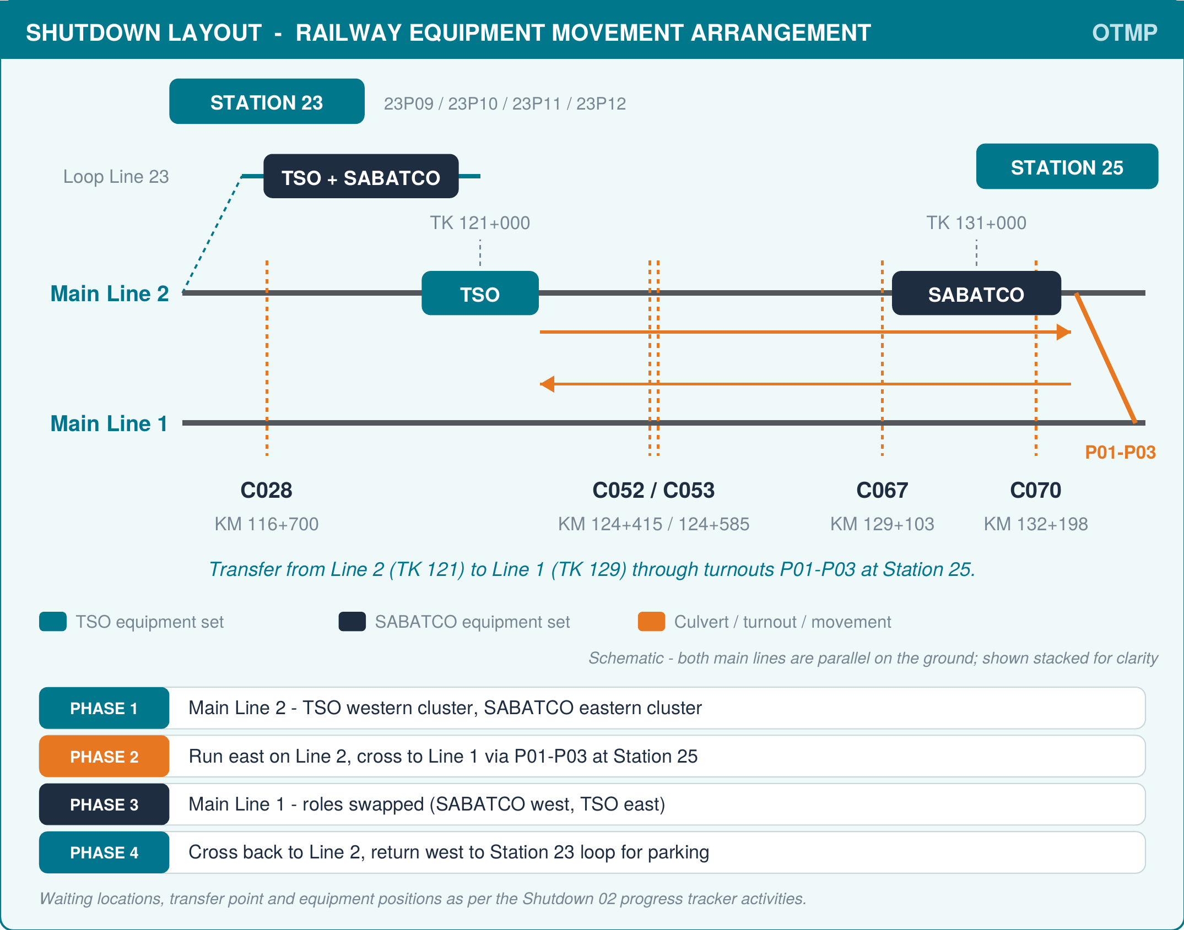

NOTE FOR RECONCILIATION
Header finish reads 22-Aug-2026 00:00 while the activity plan runs to 23-Aug-2026.
Waiting locations read TK 121+000 / TK 131+000 here and TK 120+000 / TK 130+000 in the OTMP narrative.

DOCUMENT CONTROL
DOCUMENT REF. | REVISION | DATE | STATUS

PREPARED BY | CHECKED BY | APPROVED BY | CLIENT / SAR

Name / Signature / Date | Name / Signature / Date | Name / Signature / Date | Name / Signature / Date

Culverts Replacement Phase 2 - EWR | Shutdown 02 Progress Report |  | Page 1 of 1 - Cover
SAUDI ARABIA RAILWAYS | SAR.COM.SA

Shutdown02 Progress
EWR CULVERTS REPLACEMENT PHASE 2 - SHUTDOWN 03 PROGRESS TRACKER
AUGUST 2026 | Culverts: C263, C265, C267, C288, C289
This Date Current Time :
2026-10-10 08:17:03 |  | Start : 16-Oct-2026 00.00 AM |  |  |  |  |  |  | Finish : 17-Oct-2026 00.00 AM |  |  |  |  | Time Remaining : |  |  | 7day15hrs41mins
 |  |  |  |  |  |  |  |  |  |  |  |  |  |  |  |  |  |  | 2026-10-16 | Day 2 (00:00): | 17-Oct-26
OVERALL SHUTDOWN — DURATION COMPLETION
Completed | 0.0%
Remaining | 100.0%
C263 , TK 209+025
Completed | 0.0%
Remaining | 100.0%
C265 ,TK 210+525
Completed | 0.0%
Remaining | 100.0%
C267 , TK 212+400
Completed | 0.0%
Remaining | 100.0%
C288 , TK 337+391
Completed | 0.0%
Remaining | 100.0%
C289 , TK 338+491
Completed | 0.0%
Remaining | 100.0%

 |  |  |  |  |  |  |  |  |  |  |  |  |  |  |  |  |  |  | 10/10/26

 |  |  |  |  |  |  |  |  |  |  |  |  |  |  |  |  |  |  | 7day15hrs41mins

No | Work Description | No. Hours | Wt. %P | Wt.%PA |  | Date (Plan) |  | Date (Actual |  | Time (Plan-Target) |  | Total Time (Plan) | Time (vs. Actual) |  | Total Time Completed | Time Difference (Ahead, On-Time, Delayed) | Progress Status | Remarks
 |  |  |  |  | % Progress | Start | End | Start | End | Start | End |  | Start | End
LOCATION: C263 , TK 209+025 (Line 1 & Line 3) |  |  |  |  |  |  |  |  |  |  |  |  |  |  |  |  |  |  | Completed
1 | Pre-Shutdown Arrangement (Mobilization Works) | T-48 Hours |  |  |  |  |  |  |  |  |  |  |  |  |  |  | Not Started |  | Completed - Delayed
2 | TSO OTMP moves from station 29 to Main Line 1 | 1:00:00 | 2.03 | 0.00 |  | 16-Oct-26 | 16-Oct-26 |  |  | 0:00:00 | 1:00:00 | 1:00:00 |  |  |  |  | Not Started | OTMP Movement
3 | Track removal and evacuation of panels (line 1) | 1:00:00 | 2.04 | 0.00 |  | 16-Oct-26 | 16-Oct-26 |  |  | 1:00:00 | 2:00:00 | 1:00:00 |  |  |  |  | Not Started |  | In-progress
4 | Track removal and evacuation of panels (line 3) | 1:00:00 | 2.04 | 0.00 |  | 16-Oct-26 | 16-Oct-26 |  |  | 0:00:00 | 1:00:00 | 1:00:00 |  |  |  |  | Not Started
5 | Ballast removal | 1:00:00 | 2.04 | 0.00 |  | 16-Oct-26 | 16-Oct-26 |  |  | 2:00:00 | 3:00:00 | 1:00:00 |  |  |  |  | Not Started |  | Completed - Ontime
6 | Cutting and removal of material around existing culvert | 3:00:00 | 6.12 | 0.00 |  | 16-Oct-26 | 16-Oct-26 |  |  | 3:00:00 | 6:00:00 | 3:00:00 |  |  |  |  | Not Started
7 | Demolition of existing culvert | 4:00:00 | 8.16 | 0.00 |  | 16-Oct-26 | 16-Oct-26 |  |  | 6:00:00 | 10:00:00 | 4:00:00 |  |  |  |  | Not Started
8 | Surface preparation for the precast culvert installation | 2:00:00 | 4.08 | 0.00 |  | 16-Oct-26 | 16-Oct-26 |  |  | 10:00:00 | 12:00:00 | 2:00:00 |  |  |  |  | Not Started
9 | Installation of new precast culvert | 5:00:00 | 10.20 | 0.00 |  | 16-Oct-26 | 16-Oct-26 |  |  | 12:00:00 | 17:00:00 | 5:00:00 |  |  |  |  | Not Started
10 | Apply sealant to the culvert | 2:00:00 | 4.08 | 0.00 |  | 16-Oct-26 | 16-Oct-26 |  |  | 17:00:00 | 19:00:00 | 2:00:00 |  |  |  |  | Not Started
11 | Backfill around the culvert till subgrade level | 5:00:00 | 10.20 | 0.00 |  | 16-Oct-26 | 16-Oct-26 |  |  | 19:00:00 | 1900-01-01 00:00:00 | 5:00:00 |  |  |  |  | Not Started
12 | Backfill Subgrade | 2:00:00 | 4.08 | 0.00 |  | 17-Oct-26 | 17-Oct-26 |  |  | 1900-01-01 00:00:00 | 1900-01-01 02:00:00 | 2:00:00 |  |  |  |  | Not Started
13 | First layer of ballast (line 1) | 1:00:00 | 2.04 | 0.00 |  | 17-Oct-26 | 17-Oct-26 |  |  | 1900-01-01 02:00:00 | 1900-01-01 03:00:00 | 1:00:00 |  |  |  |  | Not Started
14 | First layer of ballast (line 3) | 1:00:00 | 2.04 | 0.00 |  | 17-Oct-26 | 17-Oct-26 |  |  | 1900-01-01 03:00:00 | 1900-01-01 04:00:00 | 1:00:00 |  |  |  |  | Not Started
15 | Track installation (line 1) | 1:00:00 | 2.04 | 0.00 |  | 17-Oct-26 | 17-Oct-26 |  |  | 1900-01-01 04:00:00 | 1900-01-01 05:00:00 | 1:00:00 |  |  |  |  | Not Started
16 | Track installation (line 3) | 1:00:00 | 2.04 | 0.00 |  | 17-Oct-26 | 17-Oct-26 |  |  | 1900-01-01 05:00:00 | 1900-01-01 06:00:00 | 1:00:00 |  |  |  |  | Not Started
17 | First and Second Ballasting/Tamping/Stabilization/Profiling (line 1) | 1:00:00 | 2.04 | 0.00 |  | 17-Oct-26 | 17-Oct-26 |  |  | 1900-01-01 06:00:00 | 1900-01-01 07:00:00 | 1:00:00 |  |  |  |  | Not Started
18 | Final Ballasting/Tamping/Stabilization/Profiling (line 1) | 1:00:00 | 2.04 | 0.00 |  | 17-Oct-26 | 17-Oct-26 |  |  | 1900-01-01 07:00:00 | 1900-01-01 08:00:00 | 1:00:00 |  |  |  |  | Not Started
19 | TSO OTMP moves from line 1 to Line 3 TK 121+000 | 1:00:00 | 2.04 | 0.00 |  | 17-Oct-26 | 17-Oct-26 |  |  | 1900-01-01 08:00:00 | 1900-01-01 09:00:00 | 1:00:00 |  |  |  |  | Not Started | OTMP Movement
20 | ATW - 2U (out of destressing) (line 1) | 2:00:00 | 4.08 | 0.00 |  | 17-Oct-26 | 17-Oct-26 |  |  | 1900-01-01 09:00:00 | 1900-01-01 11:00:00 | 2:00:00 |  |  |  |  | Not Started
21 | ATW - 2U (out of destressing) (line 3) | 2:00:00 | 4.08 | 0.00 |  | 17-Oct-26 | 17-Oct-26 |  |  | 1900-01-01 11:00:00 | 1900-01-01 13:00:00 | 2:00:00 |  |  |  |  | Not Started
22 | First and Second Ballasting/Tamping/Stabilization/Profiling (line 3) | 1:00:00 | 2.04 | 0.00 |  | 17-Oct-26 | 17-Oct-26 |  |  | 1900-01-01 13:00:00 | 1900-01-01 14:00:00 | 1:00:00 |  |  |  |  | Not Started | After OTMP pass to location
23 | Final Ballasting/Tamping/Stabilization/Profiling (line 3) | 1:00:00 | 2.04 | 0.00 |  | 17-Oct-26 | 17-Oct-26 |  |  | 1900-01-01 14:00:00 | 1900-01-01 15:00:00 | 1:00:00 |  |  |  |  | Not Started
24 | TSO Back towards station 29 | 2:00:00 |  |  |  | 17-Oct-26 | 17-Oct-26 |  |  | 1900-01-01 15:00:00 | 1900-01-01 14:00:00 | 2:00:00 |  |  |  |  | Not Started | OTMP Movement
25 | No Work Hours due to tempratare |  |  |  |  | 17-Oct-26 | 17-Oct-26 |  |  |  |  |  |  |  |  |  | Not Started | Rest Hours
26 | Destressing (including 2 ATW) (line 1) | 4:00:00 | 8.16 | 0.00 |  | 17-Oct-26 | 17-Oct-26 |  |  | 1900-01-01 15:00:00 | 1900-01-01 19:00:00 | 4:00:00 |  |  |  |  | Not Started
27 | Destressing (including 2 ATW) (line 3) | 4:00:00 | 8.16 | 0.00 |  | 17-Oct-26 | 17-Oct-26 |  |  | 1900-01-01 19:00:00 | 1900-01-01 23:00:00 | 4:00:00 |  |  |  |  | Not Started
28 | Finishing (including final grinding, welding stamp, UT, inspection, etc.) | 1:00:00 | 2.04 | 0.00 |  | 17-Oct-26 | 17-Oct-26 |  |  | 1900-01-01 23:00:00 | 1900-01-02 00:00:00 | 1:00:00 |  |  |  |  | Not Started
No | Work Description | No. Hours | Wt. %P | Wt.%PA |  | Date (Plan) |  |  | Date of Actual Completion | Time (Plan-Target) |  | Total Time (Plan) | Time (vs. Actual) |  | Total Time Completed | Time Difference (Ahead, On-Time, Delayed) | Progress Status | Remarks
 |  |  |  |  | % Progress | Start | End |  |  | Start | End |  | Start | End
LOCATION: C265 ,TK 210+525 (Line 1 & Line 3)
1 | Pre-Shutdown Arrangement (Mobilization Works) | T-48 Hours |  |  |  |  |  |  |  |  |  |  |  |  |  |  | Not Started |  | Completed - Delayed
2 | TSO OTMP moves from station 29 to Main Line 1 | 1:00:00 | 2.04 | 0.00 |  | 16-Oct-26 | 16-Oct-26 |  |  | 0:00:00 | 1:00:00 | 1:00:00 |  |  |  |  | Not Started | OTMP Movement
3 | Track removal and evacuation of panels (line 1) | 1:00:00 | 2.04 | 0.00 |  | 16-Oct-26 | 16-Oct-26 |  |  | 1:00:00 | 2:00:00 | 1:00:00 |  |  |  |  | Not Started | After OTMP pass to location | In-progress
4 | Track removal and evacuation of panels (line 3) | 1:00:00 | 2.04 | 0.00 |  | 16-Oct-26 | 16-Oct-26 |  |  | 0:00:00 | 1:00:00 | 1:00:00 |  |  |  |  | Not Started
5 | Ballast removal | 1:00:00 | 2.04 | 0.00 |  | 16-Oct-26 | 16-Oct-26 |  |  | 2:00:00 | 3:00:00 | 1:00:00 |  |  |  |  | Not Started |  | Completed - Ontime
6 | Cutting and removal of material around existing culvert | 2:00:00 | 4.08 | 0.00 |  | 16-Oct-26 | 16-Oct-26 |  |  | 3:00:00 | 6:00:00 | 3:00:00 |  |  |  |  | Not Started
7 | Demolition of existing culvert | 2:00:00 | 4.08 | 0.00 |  | 16-Oct-26 | 16-Oct-26 |  |  | 6:00:00 | 10:00:00 | 4:00:00 |  |  |  |  | Not Started
8 | Surface preparation for the precast culvert installation | 2:00:00 | 4.08 | 0.00 |  | 16-Oct-26 | 16-Oct-26 |  |  | 10:00:00 | 12:00:00 | 2:00:00 |  |  |  |  | Not Started
9 | Installation of new precast culvert | 3:00:00 | 6.12 | 0.00 |  | 16-Oct-26 | 16-Oct-26 |  |  | 12:00:00 | 15:00:00 | 3:00:00 |  |  |  |  | Not Started
10 | Apply sealant to the culvert | 1:00:00 | 2.04 | 0.00 |  | 16-Oct-26 | 16-Oct-26 |  |  | 15:00:00 | 16:00:00 | 1:00:00 |  |  |  |  | Not Started
11 | Backfill around the culvert till subgrade level | 3:00:00 | 6.12 | 0.00 |  | 16-Oct-26 | 16-Oct-26 |  |  | 16:00:00 | 19:00:00 | 3:00:00 |  |  |  |  | Not Started
12 | Backfill Subgrade | 1:00:00 | 2.04 | 0.00 |  | 16-Oct-26 | 16-Oct-26 |  |  | 19:00:00 | 20:00:00 | 1:00:00 |  |  |  |  | Not Started
13 | First layer of ballast (line 1) | 1:00:00 | 2.04 | 0.00 |  | 16-Oct-26 | 16-Oct-26 |  |  | 20:00:00 | 21:00:00 | 1:00:00 |  |  |  |  | Not Started
14 | First layer of ballast (line 3) | 1:00:00 | 2.04 | 0.00 |  | 16-Oct-26 | 16-Oct-26 |  |  | 21:00:00 | 22:00:00 | 1:00:00 |  |  |  |  | Not Started
15 | Track installation (line 1) | 1:00:00 | 2.04 | 0.00 |  | 16-Oct-26 | 16-Oct-26 |  |  | 22:00:00 | 23:00:00 | 1:00:00 |  |  |  |  | Not Started
16 | Track installation (line 3) | 1:00:00 | 2.04 | 0.00 |  | 16-Oct-26 | 16-Oct-26 |  |  | 23:00:00 | 24:00:00 | 1:00:00 |  |  |  |  | Not Started
17 | First and Second Ballasting/Tamping/Stabilization/Profiling (line 1) | 1:00:00 | 2.04 | 0.00 |  | 17-Oct-26 | 17-Oct-26 |  |  | 2:00:00 | 3:00:00 | 1:00:00 |  |  |  |  | Not Started
18 | Final Ballasting/Tamping/Stabilization/Profiling (line 1) | 1:00:00 | 2.04 | 0.00 |  | 17-Oct-26 | 17-Oct-26 |  |  | 3:00:00 | 4:00:00 | 1:00:00 |  |  |  |  | Not Started
19 | TSO OTMP moves from line 1 to Line 3 TK 121+000 | 1:00:00 | 2.04 | 0.00 |  | 17-Oct-26 | 17-Oct-26 |  |  | 1900-01-01 08:00:00 | 1900-01-01 09:00:00 | 1:00:00 |  |  |  |  | Not Started | OTMP Movement
20 | ATW - 2U (out of destressing) (line 1) | 2:00:00 | 4.08 | 0.00 |  | 17-Oct-26 | 17-Oct-26 |  |  | 24:00:00 | 1900-01-01 02:00:00 | 2:00:00 |  |  |  |  | Not Started
21 | ATW - 2U (out of destressing) (line 3) | 2:00:00 | 4.08 | 0.00 |  | 17-Oct-26 | 17-Oct-26 |  |  | 1900-01-01 09:00:00 | 1900-01-01 11:00:00 | 2:00:00 |  |  |  |  | Not Started
22 | First and Second Ballasting/Tamping/Stabilization/Profiling (line 1) | 1:00:00 | 2.04 | 0.00 |  | 17-Oct-26 | 17-Oct-26 |  |  | 1900-01-01 11:00:00 | 1900-01-01 12:00:00 | 1:00:00 |  |  |  |  | Not Started | After OTMP pass to location
23 | Final Ballasting/Tamping/Stabilization/Profiling (line 3) | 1:00:00 | 2.04 | 0.00 |  | 17-Oct-26 | 17-Oct-26 |  |  | 1900-01-01 12:00:00 | 1900-01-01 13:00:00 | 1:00:00 |  |  |  |  | Not Started
24 | TSO Back towards station 29 | 2:00:00 | 4.08 | 0.00 |  | 17-Oct-26 | 17-Oct-26 |  |  | 1900-01-01 15:00:00 | 1900-01-01 14:00:00 | 2:00:00 |  |  |  |  | Not Started | OTMP Movement
25 | No Work Hours due to tempratare |  |  |  |  | 17-Oct-26 | 17-Oct-26 |  |  |  |  |  |  |  |  |  | Not Started | Rest Hours
26 | Destressing (including 2 ATW) (line 1) | 4:00:00 | 8.16 | 0.00 |  | 17-Oct-26 | 17-Oct-26 |  |  | 4:00:00 | 8:00:00 | 4:00:00 |  |  |  |  | Not Started
27 | Destressing (including 2 ATW) (line 3) | 4:00:00 | 8.16 | 0.00 |  | 17-Oct-26 | 17-Oct-26 |  |  | 1900-01-01 13:00:00 | 1900-01-01 17:00:00 | 4:00:00 |  |  |  |  | Not Started
28 | Finishing (including final grinding, welding stamp, UT, inspection, etc.) | 7:00:00 | 14.29 | 0.00 |  | 17-Oct-26 | 17-Oct-26 |  |  | 1900-01-01 17:00:00 | 1900-01-02 00:00:00 | 7:00:00 |  |  |  |  | Not Started
No | Work Description | No. Hours | Wt. %P | Wt.%PA |  | Date (Plan) |  |  | Date of Actual Completion | Time (Plan-Target) |  | Total Time (Plan) | Time (vs. Actual) |  | Total Time Completed | Time Difference (Ahead, On-Time, Delayed) | Progress Status | Remarks
 |  |  |  |  | % Progress | Start | End |  |  | Start | End |  | Start | End

LOCATION: C267 , TK 212+400 (Line 1 & Line 3)
1 | Pre-Shutdown Arrangement (Mobilization Works) | T-48 Hours |  |  |  |  |  |  |  |  |  |  |  |  |  |  | Not Started |  | Completed - Delayed
2 | TSO OTMP moves from station 29 to main Line 1 |  | 2.03 | 0.00 |  | 16-Oct-26 | 16-Oct-26 |  |  | 0:00:00 | 1:00:00 | 1:00:00 |  |  |  |  | Not Started | OTMP Movement
3 | Track removal and evacuation of panels (line 1) | 1:00:00 | 2.04 | 0.00 |  | 16-Oct-26 | 16-Oct-26 |  |  | 1:00:00 | 2:00:00 | 1:00:00 |  |  |  |  | Not Started | After OTMP pass to location | In-progress
4 | Track removal and evacuation of panels (line 3) | 1:00:00 | 2.04 | 0.00 |  | 16-Oct-26 | 16-Oct-26 |  |  | 0:00:00 | 1:00:00 | 1:00:00 |  |  |  |  | Not Started
5 | Ballast removal | 1:00:00 | 2.04 | 0.00 |  | 16-Oct-26 | 16-Oct-26 |  |  | 2:00:00 | 3:00:00 | 1:00:00 |  |  |  |  | Not Started |  | Completed - Ontime
6 | Cutting and removal of material around existing culvert | 1:00:00 | 2.04 | 0.00 |  | 16-Oct-26 | 16-Oct-26 |  |  | 3:00:00 | 6:00:00 | 3:00:00 |  |  |  |  | Not Started
7 | Demolition of existing culvert | 2:00:00 | 4.08 | 0.00 |  | 16-Oct-26 | 16-Oct-26 |  |  | 6:00:00 | 10:00:00 | 4:00:00 |  |  |  |  | Not Started
8 | Surface preparation for the precast culvert installation | 2:00:00 | 4.08 | 0.00 |  | 16-Oct-26 | 16-Oct-26 |  |  | 10:00:00 | 12:00:00 | 2:00:00 |  |  |  |  | Not Started
9 | Installation of new precast culvert | 3:00:00 | 6.12 | 0.00 |  | 16-Oct-26 | 16-Oct-26 |  |  | 12:00:00 | 15:00:00 | 3:00:00 |  |  |  |  | Not Started
...

Charts
C028
C052
Culvert | Total Hrs (Plan) | Completed | Remaining
C028 (116+700) | 0 | 0.0% | 100.0%
C052 (124+415) | 0 | 0.0% | 100.0%
C053 (124+585) | 0 | 0.0% | 100.0%
C067 (129+103) | 0 | 0.0% | 100.0%
C070 (132+198) | 0 | 0.0% | 100.0%
OVERALL | 1 | 0.0% | 100.0%

DURATION COMPLETION BY CULVERT

C053
C067

C070
OVERALL SHUTDOWN — DURATION COMPLETION

