Site Layouts
EWR CULVERTS REPLACEMENT PHASE 2 – SHUTDOWN 03 – SITE LAYOUTS
CULVERTS C263 · C265 · C267 – KM 209+025 / 210+525 / 212+400
TSO OTMP stabled at Station 29 (KM 223) before the shutdown, then run out to Main Line 1 and Main Line 3. Hofuf lies to the west, Riyadh to the east.
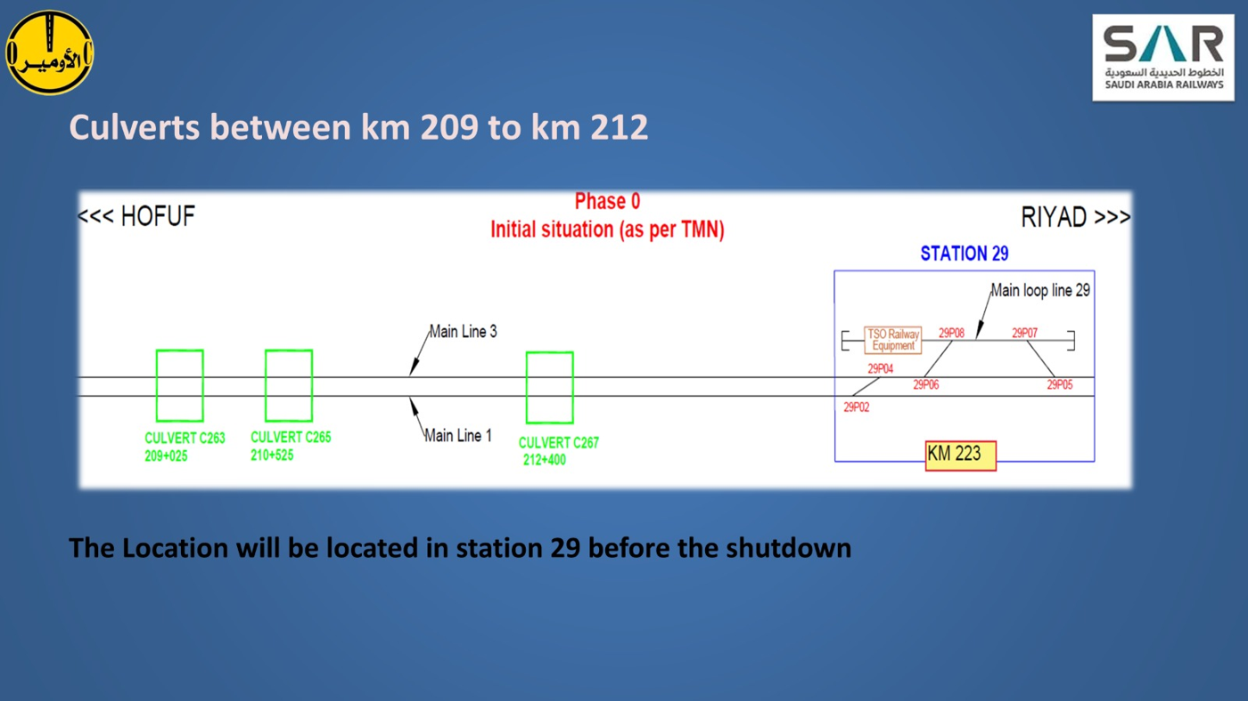

EWR CULVERTS REPLACEMENT PHASE 2 – SHUTDOWN 03 – SITE LAYOUTS
CULVERTS C288 · C289 – KM 337+391 / 338+491
SABATCO OTMP works Line 1 at both culverts (Phase 1), then transfers to Line 3 via Station 35 (Phase 2). Station 33 lies at KM 309.
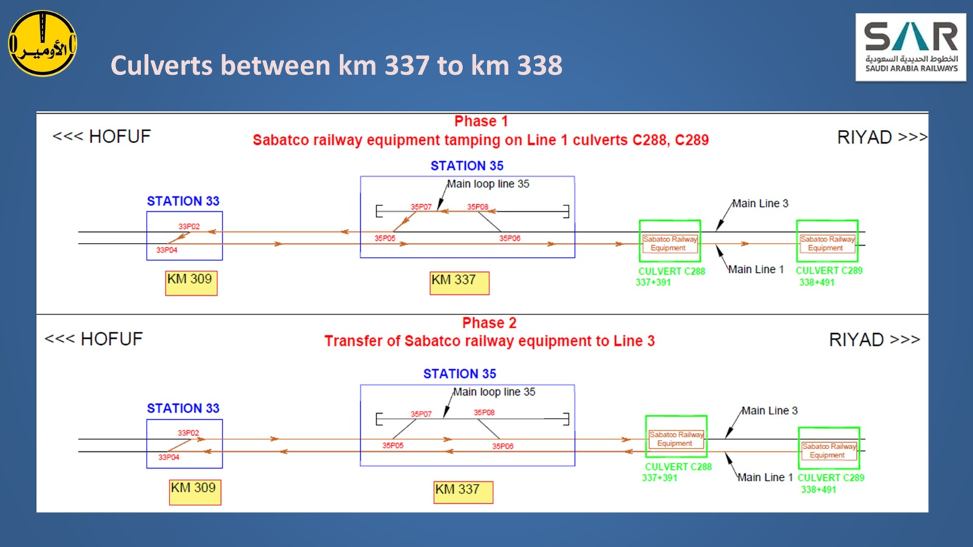

Diagrams as supplied with the Shutdown 03 pack. They show OTMP movement phases for each culvert group, not individual culvert cross-sections.

