How to use the file
How to use the Quick Modeler Template
This is the template to be used with the BPM PROCESS DESIGN quick modeler feature. The Q&A below can help you !

This template can be used to create a BPM-Collaboration diagram
What does it offer?


How to use it?
Inside the sheet "Diagram data" users can specify a chain of activities inside the first column. Please note that activity names are limited to 250 characters. If a name exceeds this limit, it will be cut off during import.
• For each activity users needs to define the responsible role as a mandatory information inside the second column.
• All additional columns represent a specific kind of satellite connected to the activity. Leave a cell empty if you do not have this kind of satellite for the activity of this row.
• In order to define multiple satellites of the same type for one activity, simply put multiple entries in the cell, separated by ";" (E.g. "document 1; document 2; document 3" see also the example sheet)


Column A and B are fixed columns and are not intended to get modified. Column A is used to define the activities and column B to specify their responsible role. Starting with column C, each column defines a specific type of satellite to the diagram activities.
How to modify the template?
• The hidden row number 2 contains the technical configuration of the "Diagram data" sheet. As explained before, the columns A and B are fixed, so do not change their configuration.
• Starting with column C, the cells of row 2 specifies the kind of satellite each column represents.
• The configuration of a satellite consists of two parts: The stereotype of the entity you want to connect and the stereotype of the association you want to use to establish the connection.
• In addition, the configuration needs to express the direction of the connection between the satellite and the activity
• Incoming satellite: "<Entity-Stereotype>;<Association-Stereotype>" (For example: "ET_DOCUMENT;AST_INPUT" to define a document as satellite, beeing the source of the connection of type "input". The activity will be the target of the connection)
• Outgoing satellite: "<Association-Stereotype>;<Entity-Stereotype>" (For example: "AST_OUTPUT;ET_DOCUMENT" to define a document as satellite, beeing the target of the connection of type "output". The activity will be the source of the connection)

Hint: The available stereotypes of entities and associations inside BPM-Collaboration diagrams can be taken from the "Method" in the administration area.

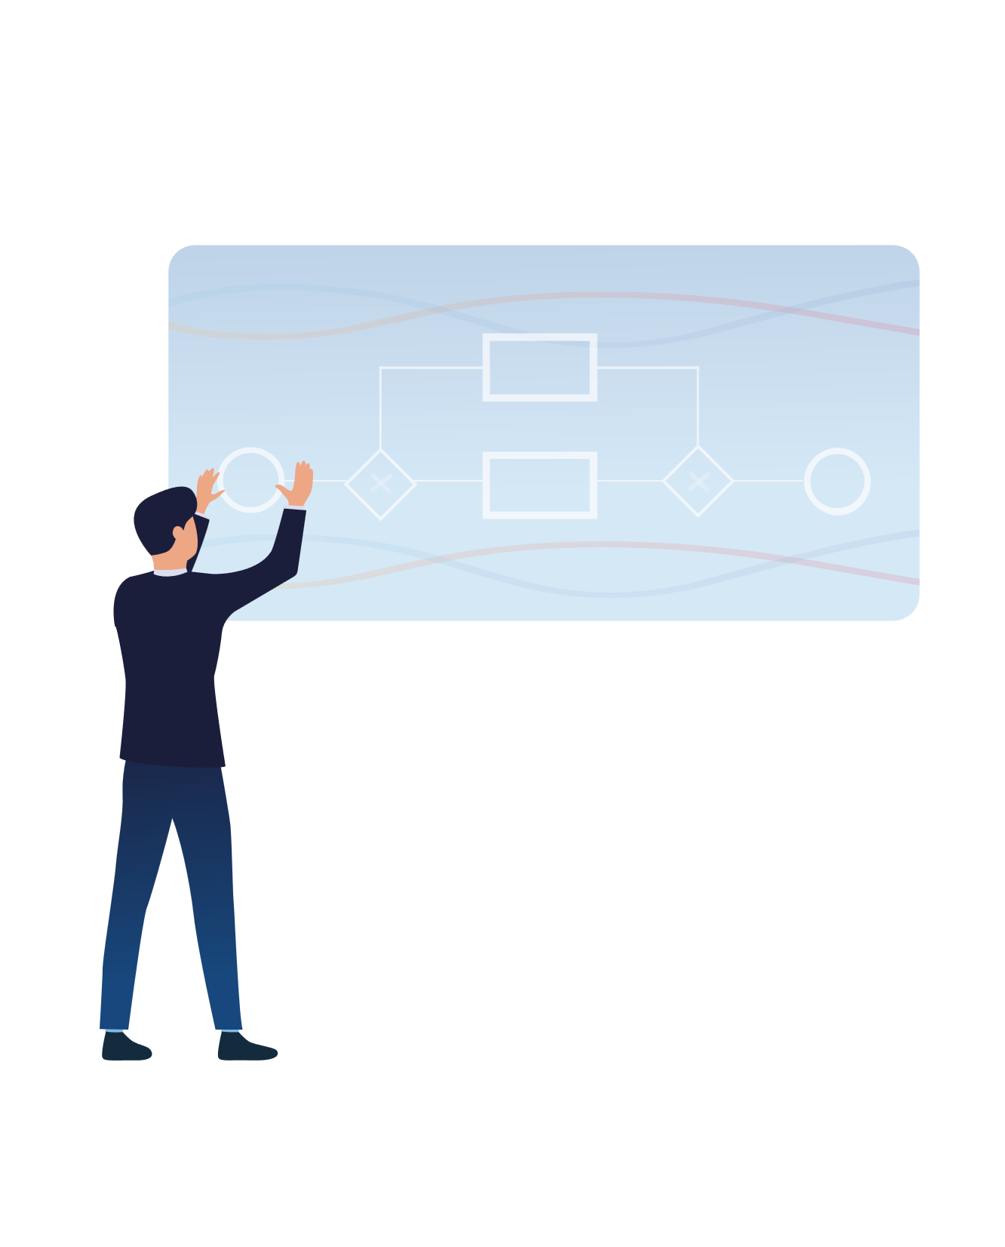
Typical satellites and its connections in a BPMN Collaboration diagram (depending on customer specific modifications in the method, some of them may not be available for your tenant)
Incoming Satellites
Input document: ET_DOCUMENT;AST_INPUT
Input business object: ET_BUSINESS_OBJECT;AST_INPUT
Accountable role: ET_ROLE;AST_ACCOUNTABLE
Consulted role: ET_ROLE;AST_CONSULTED
Informed role: ET_ROLE;AST_INFORMED
Responsible role: ET_ROLE;AST_RESPONSIBLE
Consulted Application: ET_APP_COMPONENT;AST_CONSULTED
Occuring Risk: ET_RISK;AST_OCCURS
Outgoing satellites
Input document: ET_DOCUMENT;AST_INPUT
Input business object: ET_BUSINESS_OBJECT;AST_INPUT
Accountable role: ET_ROLE;AST_ACCOUNTABLE
Consulted role: ET_ROLE;AST_CONSULTED
Informed role: ET_ROLE;AST_INFORMED
Responsible role: ET_ROLE;AST_RESPONSIBLE
Consulted Application: ET_APP_COMPONENT;AST_CONSULTED
Occuring Risk: ET_RISK;AST_OCCURS

 | Step ID
 | 1.1
 | 1.2
 | 1.3
 | 1.4
 | 1.5
 | 1.6
 | 1.7
 | 1.8
 | 1.9
 | 2.1
 | 2.3
 | 2.5
 | 2.7
 | 2.9
 | 3.1
 | 3.3
 | 3.5
 | 3.7
 | 3.9
 | 4.1
 | 4.3
 | 4.5
 | 4.7
 | 4.9
 | 5.1
 | 5.3
 | 5.5
 | 5.7
 | 5.9
 | 6.1
 | 6.3
 | 6.5
 | 6.7
 | 6.9
 | 7.1
 | 7.3
 | 7.5
 | 7.7
 | 7.9
 | 8.1
 | 8.3
 | 8.5
 | 8.7
 | 8.9
 | 9.1
 | 9.3
 | 9.5
 | 9.7
 | 9.9
 | 10.1

