Sheet1
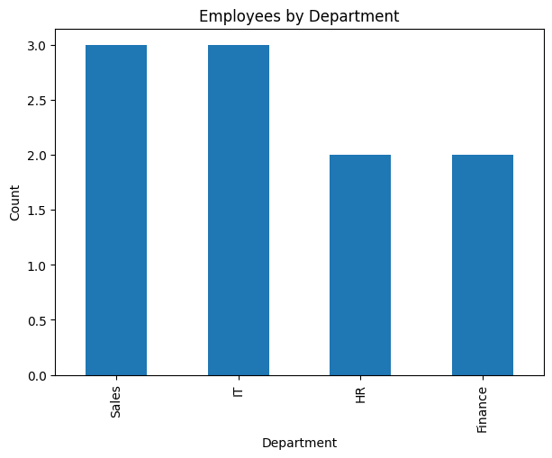
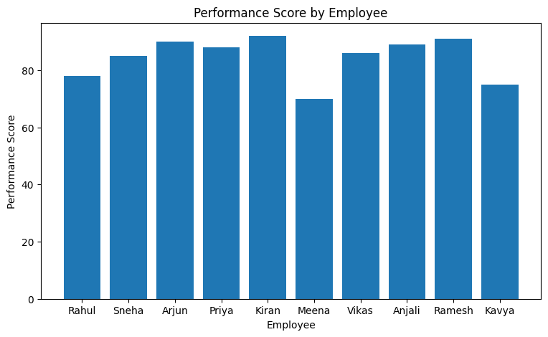
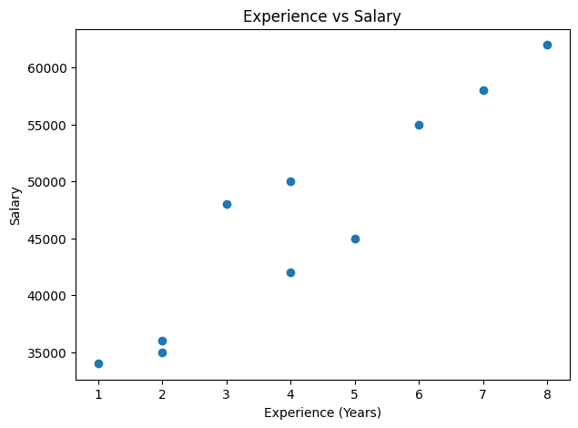
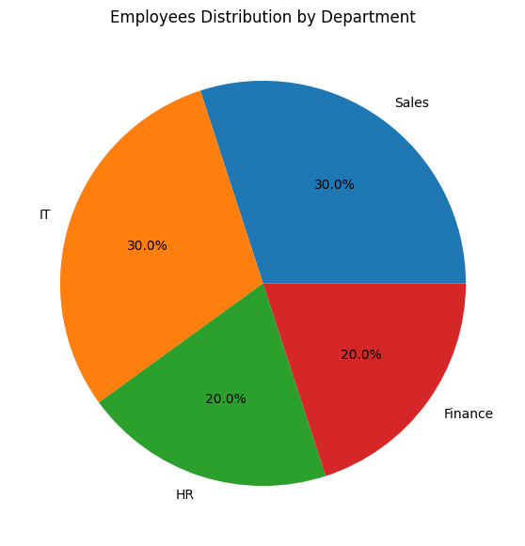
Employee_ID | Name | Age | Department | Salary | Experience_Years | Performance_Score | City
E101 | Rahul | 25 | Sales | 35000 | 2 | 78 | Hyderabad
E102 | Sneha | 29 | HR | 42000 | 4 | 85 | Chennai
E103 | Arjun | 31 | IT | 55000 | 6 | 90 | Bangalore
E104 | Priya | 27 | Finance | 48000 | 3 | 88 | Mumbai
E105 | Kiran | 35 | IT | 62000 | 8 | 92 | Pune
E106 | Meena | 24 | Sales | 34000 | 1 | 70 | Hyderabad
E107 | Vikas | 30 | HR | 45000 | 5 | 86 | Delhi
E108 | Anjali | 28 | Finance | 50000 | 4 | 89 | Chennai
E109 | Ramesh | 32 | IT | 58000 | 7 | 91 | Bangalore
E110 | Kavya | 26 | Sales | 36000 | 2 | 75 | Pune

