Supply Order Summary
Confidential - Internal Konica Minolta use ONLY

 | Open Order Summary

 |  | Organization | All Open Qty |  | All Open Count |  | Priority Qty | Priority Count

 |  | Total

 | Shipped Order Summary

 |  | Qty Shipped Yesterday |  | Line Count

 | Warehouse Pending & Blocked Order Summary

 |  | WHS Pending Count |  | Oldest Delivery Doc |  | Age
 |  |  |  |  |  |  |  | Blocked Order Count

 |  | WHS Plant | Count | Oldest Delivery Doc |  | Age

 |  |  |  |  |  |  |  |  | 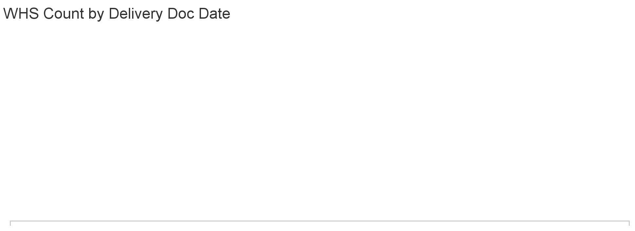

Material Open Summary� BUS
Top 20 Open Materials

 | Material # | Material Description | Rank | All Open Qty | All Open Count | Oldest Date

 | Total
 |  |  |  |  |  |  | 

