Fasteners
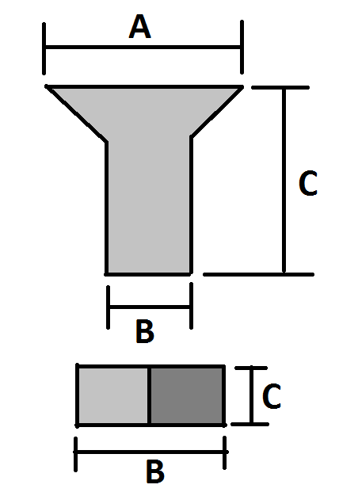
 |  |  |  |  |  |  |  |  | mm |  |  | Inches
Description | SKU | Head | Price/100 | Min # | Quantity | Cost | Thread | Head Angle | A | B | C | A2 | B2 | C2
Fastenal:
Stepper gauge assembly screw | 24160 |  | 4.88 | 48 | 100 | 4.88 | #3-48 | 80-84° | 5.05 | 2.51 | 15.88 | 0.199 | 0.099 | 0.625
Stepper gauge assembly nut | 36008 |  | 8.12 | 48 | 100 | 8.12 | #3-48 |  | - | 4.57 | 1.68 | - | 0.18 | 0.066
Stepper motor mounting screw | 0170305 |  | 54.99 | 22 | 35 | 19.25 | #0-80 | flat | 2.87 | 1.35 | 19.05 | 0.113 | 0.053 | 0.75
NEMA17 motor mounting screw | XM2510010A20000 |  | 6.42 | 4 | 6 | 0.39 | M3x0.5 | 90-92° | 5.50 |  | 10.00
Standoff | 0145976 |  | 34 | 38 | 60 | 20.40 | #4-40 |  | 4.76 | - | 12.70 | 0.1875 | - | 0.5
Standoff top screw | 83041 |  | 4.46 | 38 | 100 | 4.46 | #4-40 | flat | 4.65 |  | 4.76 | 0.183 |  | 0.1875
Standoff under screw | 29375 |  | 4.23 | 38 | 100 | 4.23 | #4-40 | 80-82° | 5.38 |  | 9.65 | 0.212 |  | 0.38
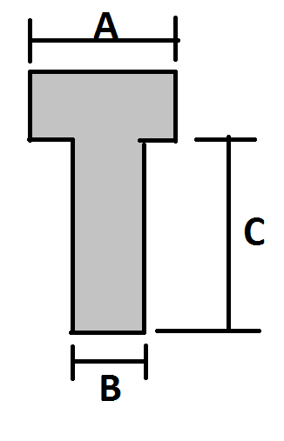
Shipping + Tax |  |  |  |  |  | 9.18
Fastenal:
Handle Screw | 29446 | Cross | 7 | 2 | 40 | 2.80 | #8-32 | 80-82° |  |  | 25.40 |  |  | 1
Throttle threaded rod | 47057 |  | 299 | 1 | 1 | 2.99 | 1/4"-20 |  |  | 6.35 | 3 ft |  | 0.25
1/4" Jam Nut | 36201 |  | 7 | 8 | 30 | 2.10 | 1/4"-20 |  |  |  | 3.96 |  |  | 0.156
1/4" Washer | 33078 |  | 6 | 12 | 30 | 1.80 | 1/4"
Cable tie mount screw | 91185 | Cross | 8 | 16 | 50 | 4.00 | M3x0.5 | flat |  |  | 4
#8-32 Nut | 0148194 |  | 6 | 37 | 100 | 6.00 | #8-32 |  |  |  | 3.30 |  |  | 0.13
"Bracket" Screw (1/4") | 72640 | Cross | 6 | 37 | 100 | 6.00 | #8-32 | 80-82° |  |  | 6.35 |  |  | 0.25
"Bracket" Screw (5/16") | 72637 | Cross | 6 | 37 | 100 | 6.00 | #8-32 | 80-82° |  |  | 7.94 |  |  | 0.31
Plate-plate assembly screw | 91285 | Cross | 2 | 60 | 150 | 3.00 | M3x0.5 | 90-92° |  |  | 6.00
Long M3 Screw | XM2510016A20000 | Cross | 6 | 18 | 100 | 6.00 | M3x0.5 | 90-92° |  |  | 16
M3 Nut | MN2510000A40000 |  | 3 | 4 | 100 | 3.00 | M3x0.5 |  |  |  | 2.4
Shipping + Tax |  |  |  |  |  | 5.48
Digikey:
Zip tie mount | n/a |  | 9.69 | 15 | 100 | 9.69
611 Right Angle Bracket |  |  | 50.08 | 35 | 50 | 25.04 | #8-32
Shipping + Tax |  |  |  |  |  | 16.66
Total (USD) |  |  |  |  |  | 171.46

