Form
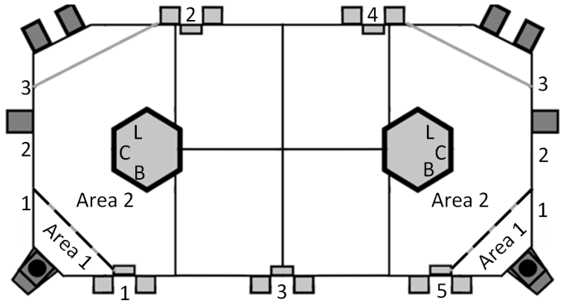
Blair 449 Scouting Sheet |  |  |  | Scout Name_________________________ |  |  |  | Team # | _________
Pregame |  |  |  |  |  |  |  | Match # | _________
Alliance | Blue (1) | Red (2) |  |  |  |  |  | Blue/Red | _________
Drive Station _______ |  |  |  |  |  |  |  | Drive Station | _________
No Show |  | o |  |  |  |  |  | No Show | _________
Fuel Preloaded |  | o |  |  |  |  |  | Fuel Preload | _________
Gear |  | o |  |  |  |  |  | Gear | _________
Start Location _______ |  |  |  |  |  |  |  | Start Location | _________
Auto |  |  |  |  |  |  |  | None | _________
None |  | o |  |  |  |  |  | Drive Forward | _________
Drive forward |  | o |  |  |  |  |  | Gear | _________
Gear | None | Line | Failed | Success | 2 Gears |  |  | Gear Location | _________
 | (0) | (1) | (2) | (3) | (4) |  |  | Hi Success | _________
 |  |  |  |  |  |  |  | Hi Miss | _________
Gear Location |  | Boiler(1) | Center (2) | Load (3) |  |  |  | Hi Location | _________
Hi Fuel | Success | ________ | Miss | ________ | Location | (1) (2) |  | Lo Success | _________
 |  |  |  |  |  |  |  | Lo Location | _________
Lo Fuel | None | Some | Most/all |  | Location | (1) (2) |  | Hopper | _________
 | (0) | (5) | (10) |  |  |  |  | Hi Area 1 Success | _________
Hopper | 1 | 2 | 3 | 4 | 5 |  |  | Hi Area 2 Success | _________
 |  |  |  |  |  |  |  | Hi Area 1 Miss | _________
Teleop |  |  |  |  |  |  |  | Hi Area 2 Miss | _________
 |  |  |  |  |  |  |  | Fuel Pickup | _________
Hi Fuel | Area 1 |  | Area 2 |  |  | Fuel Pickup |  | Lo Area 1 Cycles | _________
Success |  |  |  |  |  | Ground/? | (0) | Lo Area 2 Cycles | _________
Miss |  |  |  |  |  | Load St. | (1) | Gear Success B | _________
 |  |  |  |  |  | Hopper | (2) | Gear Success C | _________
Lo fuel |  |  |  |  |  | Overflow | (3) | Gear Success L | _________
Cycles from Area 1 |  | ____________ |  |  |  |  |  | Gear Tip B | _________
Cycles from Area 2 |  | ____________ |  |  |  |  |  | Gear Tip C | _________
 |  |  |  |  |  |  |  | Gear Tip L | _________
Gear | Boiler | Center | Load | Gear Drop |  | Gear Pickup |  | Gear Drop B | _________
Success |  |  |  | Feeder | ________ | Ground | (1) | Gear Drop C | _________
Tip |  |  |  | Field | ________ | Load St. | (2) | Gear Drop L | _________
Drop |  |  |  |  |  | Both | (3) | Gear Drop Feeder | _________
Fouls | ________ |  |  |  |  |  |  | Gear Drop Field | _________
 |  | Defense |  |  |  | Hopper |  | Gear Pickup | _________
Dead | Half 1 (1) |  |  | None | 2 4 |  |  | Fouls | _________
 | Half 2 (2) | (3) (2) (1) (0) |  |  | 1 | 3 | 5 | Dead | _________
 | All (3) |  |  |  |  |  |  | Defense | _________
End Game | None | Can't grab rope |  | Failed | Out of time |  | Success | Hopper | _________
Climb | (0) | (1) |  | (2) | (3) |  | (4) | Climb | _________
 |  |  |  |  |  |  |  | Location | _________
Location | Boiler | Center | Load |  |  |  |  | Time | _________
 | (1) | (2) | (3)

Time from start of lineup ___________
Comments

