Report
Primary Possession
Primary Possession - Distribution
Scoring
Scoring - Distribution
Game Progression
Discipline

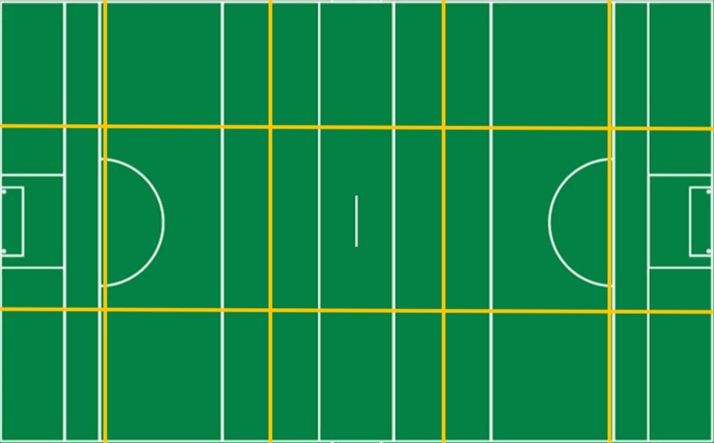
0%
0%
0%
0%
0%
0%
0%
0%
0%
0%
0%
0%
0%
0%
0
0
/
0
0
/
0
0
/
0
0
/
0
0
/
0
0
/
0
0
/
0
0
/
0
0
/
0
0
/
0
0
/
0
0
/
0
0
/
0
0
/
0
0
/
0
0
0
0
0
0
0
0
0
0
0
0
0
0
0
0
0
0
0
0
0
0
0
0
0
0
0
0
0
/
/
/
/
/
/
/
/
/
/
/
/
/
/
0
/
#REF!
#REF!
Galway
#VALUE!
#VALUE!
0
Limerick
Scoring
Galway
Limerick

 | 0%
 | 0%
0
 | #REF! | #REF!
Effectiveness | 0% | 0%
Efficiency | 0% | 0%
#VALUE!
Frees
#VALUE!
 | #REF! | #REF!
S1 | 0 | 0
S2 | 0 | 0
S3 | 0 | 0
S4 | 0 | 0
S5 | 0 | 0
S6 | 0 | 0
#VALUE!
Black Card
#VALUE!
Attacks
 | #REF! | #REF!
S1 | 0 | 0
S2 | 0 | 0
S3 | 0 | 0
S4 | 0 | 0
S5 | 0 | 0
S6 | 0 | 0
#VALUE!
Yellow Card
#VALUE!
Galway
Limerick
#VALUE!
Shots
#VALUE!
Red Card
#VALUE!
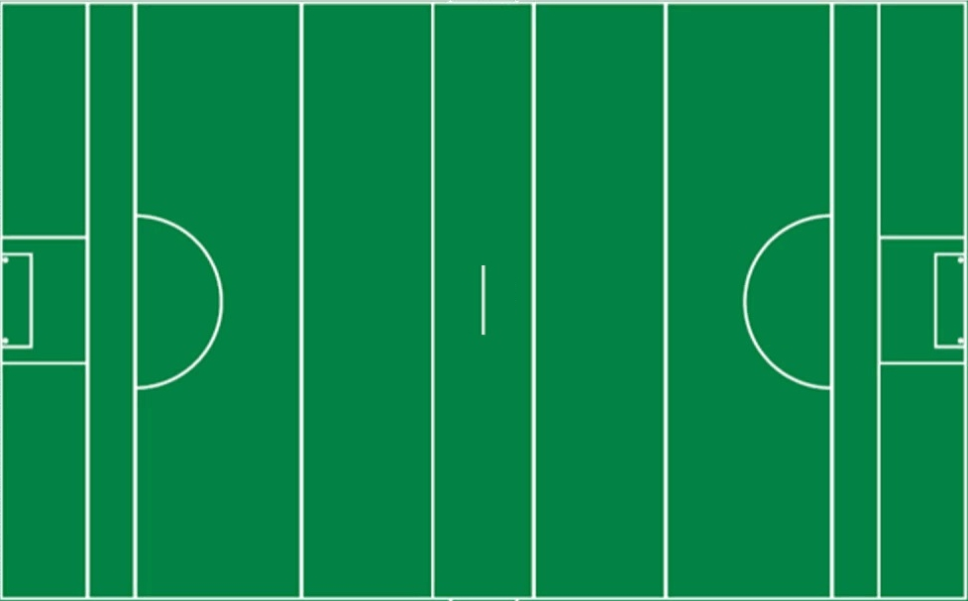
Total
#VALUE!
#VALUE!
Galway
vs.
Limerick
Won
#VALUE!
#VALUE!
#VALUE!
Scores

Lost
#VALUE!
#VALUE!

%
#VALUE!
#VALUE!


#VALUE!
-
#VALUE!

Galway
Limerick

#VALUE!
Shots
#VALUE!
Galway
Limerick
#VALUE!
Scores from Play
#VALUE!
Own | 0%
Opp | 0%
Own | 0%
Opp | 0%

#VALUE!
-
#VALUE!
#VALUE!
Scores from Frees
#VALUE!

#VALUE!
Points from Play
#VALUE!

#VALUE!
Points from Frees
#VALUE!

0%
#VALUE!
Goals
#VALUE!

#VALUE!
Wides
#VALUE!

#VALUE!
Short
#VALUE!

0%
#VALUE!
Off-post
#VALUE!

#VALUE!
Saved
#VALUE!

#VALUE!
Out for 65
#VALUE!

Scorecard
puckouts
Round by Round
Discipline
Round by Round Possessions
 | S1 | S2 | S3 | S4 | S5 | S6
Darach | 0 | 0 | 0 | 0 | 0 | 0
Sam | 0 | 0 | 0 | 0 | 1 | 0
Shane | 0 | 0 | 0 | 0 | 1 | 1
Caimin | 0 | 0 | 0 | 0 | 1 | 2
Shane R | 0 | 0 | 0 | 0 | 5 | 4
Sean | 0 | 0 | 0 | 0 | 1 | 1
Ronan | 0 | 0 | 0 | 0 | 2 | 3
Conor C | 0 | 0 | 0 | 0 | 3 | 3
Conor | 0 | 0 | 0 | 0 | 2 | 0
Adrian | 0 | 0 | 0 | 0 | 3 | 4
Conor | 0 | 0 | 0 | 0 | 5 | 5
Cillian | 0 | 0 | 0 | 0 | 2 | 4
Sean | 0 | 0 | 0 | 0 | 2 | 3
John | 0 | 0 | 0 | 0 | 1 | 1
Michael | 0 | 0 | 0 | 0 | 1 | 1
0 | 0 | 0 | 0 | 0 | 0 | 0
0 | 0 | 0 | 0 | 0 | 0 | 0
0 | 0 | 0 | 0 | 0 | 0 | 0
0 | 0 | 0 | 0 | 0 | 0 | 0
0 | 0 | 0 | 0 | 0 | 0 | 0
0 | 0 | 0 | 0 | 0 | 0 | 0
Round by Round Tackles
 | S1 | S2 | S3 | S4 | S5 | S6
Darach | 0 | 0 | 0 | 0 | 0 | 0
Sam | 0 | 0 | 0 | 0 | 1 | 0
Shane | 0 | 0 | 0 | 0 | 1 | 0
Caimin | 0 | 0 | 0 | 0 | 0 | 0
Shane R | 0 | 0 | 0 | 0 | 2 | 0
Sean | 0 | 0 | 0 | 0 | 0 | 2
Ronan | 0 | 0 | 0 | 0 | 0 | 3
Conor C | 0 | 0 | 0 | 0 | 2 | 0
Conor | 0 | 0 | 0 | 0 | 1 | 1
Adrian | 0 | 0 | 0 | 0 | 2 | 0
Conor | 0 | 0 | 0 | 0 | 1 | 0
Cillian | 0 | 0 | 0 | 0 | 1 | 1
Sean | 0 | 0 | 0 | 0 | 1 | 1
John | 0 | 0 | 0 | 0 | 1 | 1
Michael | 0 | 0 | 0 | 0 | 1 | 1
0 | 0 | 0 | 0 | 0 | 0 | 0
0 | 0 | 0 | 0 | 0 | 0 | 0
0 | 0 | 0 | 0 | 0 | 0 | 0
0 | 0 | 0 | 0 | 0 | 0 | 0
0 | 0 | 0 | 0 | 0 | 0 | 0
0 | 0 | 0 | 0 | 0 | 0 | 0
Summary & Scorecard
 | #REF! | #REF!
Effectiveness | 0% | 0%
Efficiency | 0% | 0%
Shots
Scores
Attacks
#VALUE!
#VALUE!
Shots
Limerick
Galway
#VALUE!
#VALUE!
Scores from Play
#VALUE!
#VALUE!
Scores from Frees
#VALUE!
#VALUE!
Points from Play
#VALUE!
#VALUE!
Points from Frees
#VALUE!
#VALUE!
Goals
#VALUE!
#VALUE!
Wides
#VALUE!
#VALUE!
Short
#VALUE!
#VALUE!
Off-post
#VALUE!
#VALUE!
Saved
#VALUE!
#VALUE!
Out for 65
Scoring
#VALUE!
#VALUE!
0
Galway
#VALUE!
#VALUE!
0
Limerick
Performance Analysis
Report

0%
0%
0%
0%
0%
0%
0%
0%
0%
0%
0%
0%
0%
0%
0%
0%
0
0
/
0
0
/
0
0
/
0
0
/
0
0
/
0
0
/
0
0
/
0
0
/
0
0
/
0
0
/
0
0
/
0
0
/
0
0
/
0
0
/
0
0
/
0
0
0
0
0
0
0
0
0
0
0
0
0
0
0
0
0
0
0
0
0
0
0
Scoring
#VALUE!
#VALUE!
#VALUE!
#VALUE!
Frees
Limerick
Galway
#VALUE!
#VALUE!
Black Card
#VALUE!
Yellow Card
#VALUE!
Red Card
 | 0%
 | 0%

 | Total | Total
 | 0 | 0
 | 0 | 0
 | 0 | 0
 | 0 | 0
 | 0 | 0
 | 0 | 0

Scorecard | #REF! | #REF!
Galway
Limerick
Score | #VALUE! | #VALUE!
Total
#VALUE!
#VALUE!
Galway
vs.
Limerick
Efficiency | #VALUE! | #VALUE!
Won
#VALUE!
#VALUE!
Puckouts | #VALUE! | #VALUE!
0%
0%
0%
0%
0%
0%
0%
0%
0
0%
0
0
0
0
0
0
0
0
0
0
0
0
0
0
Lost
#VALUE!
#VALUE!
Frees | #VALUE! | #VALUE!

%
#VALUE!
#VALUE!

#VALUE!
-
#VALUE!

Round by Round
Efficiency

 | Total Won | Total Lost
 | 0 | 0
 | 0 | 0
 | 0 | 0
 | 0 | 0
 | 0 | 0
 | 0 | 0
 | % | %
 | 0% | 0%
 | 0% | 0%
 | 0% | 0%
 | 0% | 0%
 | 0% | 0%
 | 0% | 0%
#VALUE!
-
#VALUE!

 | Conceded | Conceded
 | 0 | 0
 | 0 | 0
 | 0 | 0
 | 0 | 0
 | 0 | 0
 | 0 | 0

