Report
Primary Possession
Primary Possession - Distribution
Scoring
Scoring - Distribution
Game Progression
Discipline

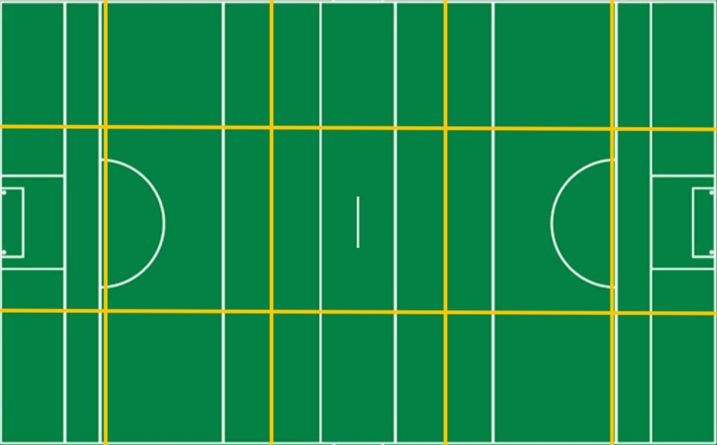
67%
0%
20%
0%
100%
0%
0%
0%
0%
0%
50%
0%
67%
0%
0
0
/
0
0
/
0
0
/
1
1
/
1
1
/
0
0
/
0
3
/
0
0
/
1
2
/
0
0
/
0
0
/
0
0
/
0
0
/
0
0
/
0
1
/
0
0
0
0
0
1
0
0
0
1
0
0
0
0
0
0
0
0
0
0
0
0
0
0
0
0
0
0
0
/
/
/
/
/
/
/
/
/
/
/
/
/
/
0
/
away
home
away
8
5
10
home
Scoring
away
home

 | 50%
 | 50%
0
 | away | home
Effectiveness | 0% | 80%
Efficiency | 67% | 63%
4
Frees
0
 | away | 0
S1 | 1 | 0
S2 | 1 | 0
S3 | 0 | 0
S4 | 0 | 0
S5 | 2 | 0
S6 | 0 | 0
0
Black Card
0
Attacks
 | away | 0
S1 | 5 | 5
S2 | 0 | 0
S3 | 5 | 5
S4 | 0 | 0
S5 | 0 | 0
S6 | 0 | 0
0
Yellow Card
0
away
home
3
Shots
0
Red Card
0
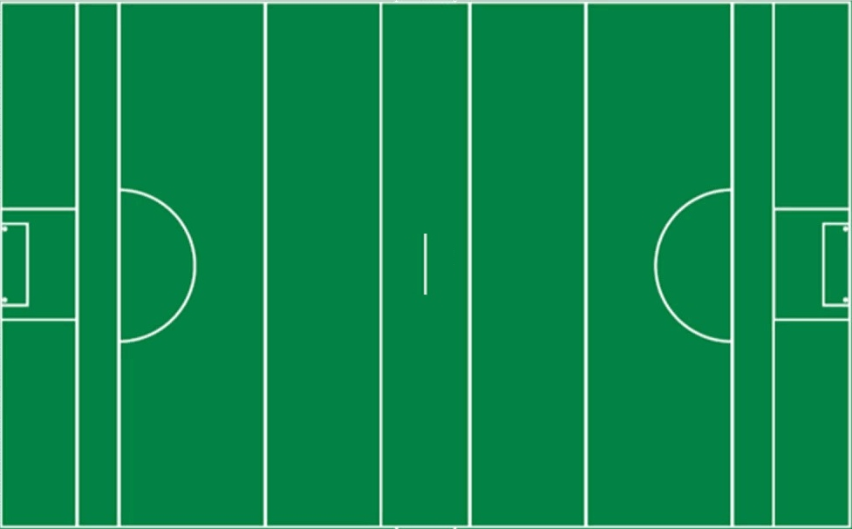
Total
8
2
away
vs.
home
Won
3
0
2
Scores

Lost
5
2

%
50%
50%


0
-
2

away
home

3
Shots
8
away
home
0
Scores from Play
0
Own | 38%
Opp | 100%
Own | 0%
Opp | 63%

1
-
4
0
Scores from Frees
0

0
Points from Play
0

0
Points from Frees
0

0%
0
Goals
1

1
Wides
3

0
Short
0

0%
0
Off-post
0

0
Saved
0

0
Out for 65
0

Scorecard
Match Report
0
0
0
4
Frees
home
away
0
0
Black Card
0
Yellow Card
0
Red Card
50%
0%
100%
100%
0%
50%
0%
0%
0
50%
0
0
0
0
0
2
0
0
1
0
1
0
0
0
Discipline
Puckouts
Scoring
Round by Round
Possessions / Tackles
 | home | home
 | 2 | 2
 | 1 | 2
 | 2 | 2
 | 1 | 3
 | 4 | 1
 | 3 | 2
 | 2 | 1
 | 1 | 1
 | 4 | 1
 | 4 | 1
 | 2 | 2
 | 3
 | 3
home
vs.
away
away
Scoring
 | 50%
 | 50%
0
 | away | home
Effectiveness | 0% | 80%
Efficiency | 67% | 63%
 | Total | Total
 | 1 | 0
 | 1 | 0
 | 0 | 0
 | 0 | 0
 | 2 | 0
 | 0 | 0
50%
0
0
/
0
0
/
1
2
/
0
0
/
1
1
/
1
-
4
Attacks
home
3
Total
2
Shots
0%
0
0
/
0
1
/
0
0
/
0
0
/
1
1
/
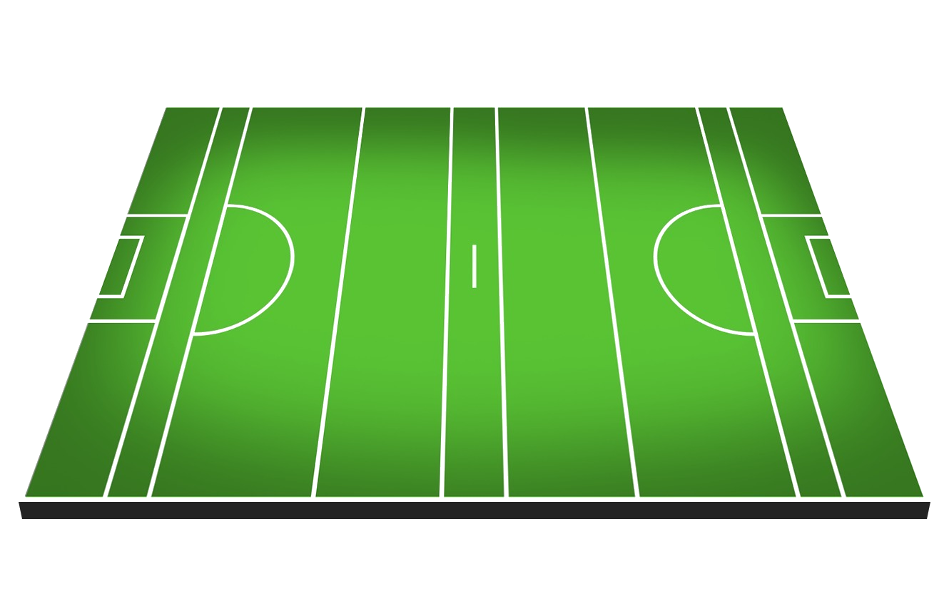
Won
0
2


0
-
2
Scores
Lost
2
0
0
/
0
0
/
0
3
/
0
0
/
0
0
/
%
50%
67%

away
Round by Round
67%
0%
20%
0%
100%
Efficiency
Shots
3
 | Total Won | Total Lost
 | 5 | 5
 | 0 | 0
 | 5 | 5
 | 0 | 0
 | 0 | 0
 | 0 | 0
Scorecard | home | away
Scores from Play
0
 | % | %
 | 50% | 0%
 | 100% | 0%
 | 0% | 0%
 | 0% | 0%
 | 0% | 0%
 | 0% | 0%
Score | 7 | 2
0
0
/
0
0
/
0
0
/
0
1
/
0
0
/
Scores from Frees
0
0%
Efficiency | 63% | 67%
Points from Play
0
Frees (Round by Round)
 | Conceded | Conceded
 | 4 | 0
 | 0 | 0
 | 4 | 0
 | 0 | 0
 | 0 | 0
 | 0 | 0
Puckouts | 50% | 50%
Points from Frees
0
0%
0
0
/
0
0
/
0
0
/
0
0
/
0
0
/
Frees | 0 | 4
Goals
0

Wides
1
Target | home | Target
0%
0
0
/
0
0
/
0
0
/
0
1
/
0
0
/
Short
0
Score | 7 | 25
Off-post
0
Efficiency | 63% | 64%
Saved
0
0%
0%
0%
0%
0%
Puckouts | 50% | 52%
Out for 65
0
Frees | 0 | 12

