Possessions
 | S1 | S2 | S3 | S4 | S5 | S6 | Total
Eanna Davoren | 1 | 0 | 1 | 1 | 0 | 1 | 4
Eoin Lawless | 0 | 1 | 1 | 2 | 0 | 2 | 6
Adam Nolan | 0 | 1 | 0 | 0 | 3 | 2 | 6
Enda Collins | 1 | 0 | 1 | 0 | 1 | 0 | 3
Ian McGlynn | 1 | 2 | 0 | 2 | 0 | 1 | 6
Christy Brennan | 3 | 1 | 1 | 2 | 2 | 1 | 10 | 35
Liam Leen | 0 | 2 | 0 | 2 | 0 | 1 | 5
Alex Connaire | 1 | 2 | 0 | 3 | 3 | 5 | 14 | 19
Colm Cunningham | 2 | 1 | 0 | 1 | 3 | 3 | 10
Sean McDonagh | 2 | 2 | 1 | 1 | 2 | 1 | 9
Tiernan Kileen | 0 | 2 | 6 | 3 | 0 | 0 | 11
Gavin Lee | 2 | 1 | 0 | 0 | 2 | 0 | 5
Shane Morgan | 3 | 1 | 2 | 0 | 2 | 1 | 9
Greg Thomas | 0 | 2 | 1 | 1 | 0 | 3 | 7 | 51
Sean O'Hanlon | 0 | 0 | 0 | 0 | 2 | 2 | 4
Liam Leen | 0 | 0 | 0 | 0 | 0 | 1 | 1
Paddy Cummins | 0 | 0 | 0 | 0 | 0 | 1 | 1
Luke Prendergast | 0 | 0 | 0 | 0 | 1 | 2 | 3 | 9
Total | 16 | 18 | 14 | 18 | 21 | 27 | 114
 |  |  | 48 |  |  | 66

Colm Molloy | 0 | 0 | 0 | 0 | 0 | 2 | 2

Possessions / Tackles
 | Possessions | Tackles
Eanna Davoren | 4 | 4
Eoin Lawless | 6 | 4
Adam Nolan | 6 | 5
Enda Collins | 3 | 3
Ian McGlynn | 6 | 3
Christy Brennan | 10 | 5
Liam Leen | 5 | 5
Alex Connaire | 14 | 9
Colm Cunningham | 10 | 7
Sean McDonagh | 9 | 4
Tiernan Kileen | 11 | 4
Gavin Lee | 5 | 1
Shane Morgan | 9 | 3
Greg Thomas | 7 | 4
Sean O'Hanlon | 4 | 1
Liam Leen | 1 | 2
Paddy Cummins | 1 | 1
Luke Prendergast | 3 | 2

Tackles
 | S1 | S2 | S3 | S4 | S5 | S6 | Total
Eanna Davoren | 0 | 1 | 2 | 1 | 0 | 0 | 4
Eoin Lawless | 0 | 0 | 1 | 0 | 1 | 2 | 4
Adam Nolan | 0 | 1 | 0 | 3 | 0 | 1 | 5
Enda Collins | 0 | 1 | 0 | 1 | 0 | 1 | 3
Ian McGlynn | 0 | 1 | 1 | 0 | 1 | 0 | 3
Christy Brennan | 0 | 1 | 1 | 2 | 1 | 0 | 5 | 24
Liam Leen | 1 | 0 | 2 | 1 | 0 | 1 | 5
Alex Connaire | 0 | 2 | 2 | 3 | 1 | 1 | 9 | 14
Colm Cunningham | 1 | 0 | 2 | 1 | 0 | 3 | 7
Sean McDonagh | 1 | 1 | 1 | 0 | 1 | 0 | 4
Tiernan Kileen | 1 | 1 | 2 | 0 | 0 | 0 | 4
Gavin Lee | 0 | 0 | 1 | 0 | 0 | 0 | 1
Shane Morgan | 1 | 1 | 0 | 1 | 0 | 0 | 3
Greg Thomas | 1 | 1 | 2 | 0 | 0 | 0 | 4 | 23
Sean O'Hanlon | 0 | 0 | 0 | 0 | 0 | 1 | 1
Liam Leen | 0 | 0 | 0 | 0 | 1 | 1 | 2
Paddy Cummins | 0 | 0 | 0 | 0 | 0 | 1 | 1
Luke Prendergast | 0 | 0 | 0 | 0 | 0 | 2 | 2 | 6
Total | 6 | 11 | 17 | 13 | 6 | 14 | 67
 |  |  | 34 |  |  | 33

 |  |  |  |  |  |  | 113/82 | 1.3780487805

Colm Molloy | 0 | 0 | 0 | 0 | 0 | 1 | 1

Pitch Layout
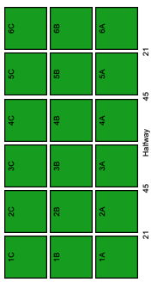
As viewed side on | Phone display

Scorecard
Match Report
1
0
16
9
Frees
Tad
Craughwell
0
0
Black Card
3
Yellow Card
0
Red Card
0%
0%
0%
0%
0%
0
0%
0
0
0
0
0
0
0
0
0
0
0
0
0
0
Puckout locations
Discipline
Puckouts
Scoring
Round by Round
Tad
Craughwell
vs.
Craughwell
Scoring
 | 58%
 | 42%
#REF!
0
 | Craughwell | Tad
Effectiveness | 0% | 0%
Efficiency | 67% | 62%
 | Possessions | Tackles
Eanna Davoren | 4 | 4
Eoin Lawless | 6 | 4
Adam Nolan | 6 | 5
Enda Collins | 3 | 3
Ian McGlynn | 6 | 3
Christy Brennan | 10 | 5
Liam Leen | 5 | 5
Alex Connaire | 14 | 9
Colm Cunningham | 10 | 7
Sean McDonagh | 9 | 4
Tiernan Kileen | 11 | 4
Gavin Lee | 5 | 1
Shane Morgan | 9 | 3
Greg Thomas | 7 | 4
Sean O'Hanlon | 4 | 1
Liam Leen | 1 | 2
Paddy Cummins | 1 | 1
Luke Prendergast | 3 | 2
 | Total | Total
 | 2 | 2
 | 0 | 5
 | 7 | 1
 | 5 | 3
 | 2 | 2
 | 4 | 3
0
0
/
0
0
/
0
0
/
0
0
/
0
0
/
 |  |  | player | goals | points | placed balls | shots | success
 |  |  | ??? | 0 | 0 | 0 | 1 | 0%
 |  |  | Alex Connaire | 0 | 0 | 0 | 1 | 0%

0
-
16
Attacks
 |  |  | Liam Leen | 0 | 2 | 0 | 2 | 100%
Tad
0%
 |  |  | Colm Cunningham | 0 | 10 | 12 | 13 | 77%
27
 |  |  | Sean McDonagh | 0 | 0 | 0 | 1 | 0%
Total
22
Shots
 |  |  | Tiernan Kileen | 0 | 0 | 0 | 1 | 0%
0%
0
0
/
0
0
/
0
0
/
0
0
/
0
0
/
 |  |  | Gavin Lee | 0 | 3 | 0 | 3 | 100%
Won
13
18
 |  |  | Greg Thomas | 1 | 17 | 12 | 27 | 67%
0
0
 |  |  | Paddy Cummins | 0 | 1 | 0 | 1 | 100%
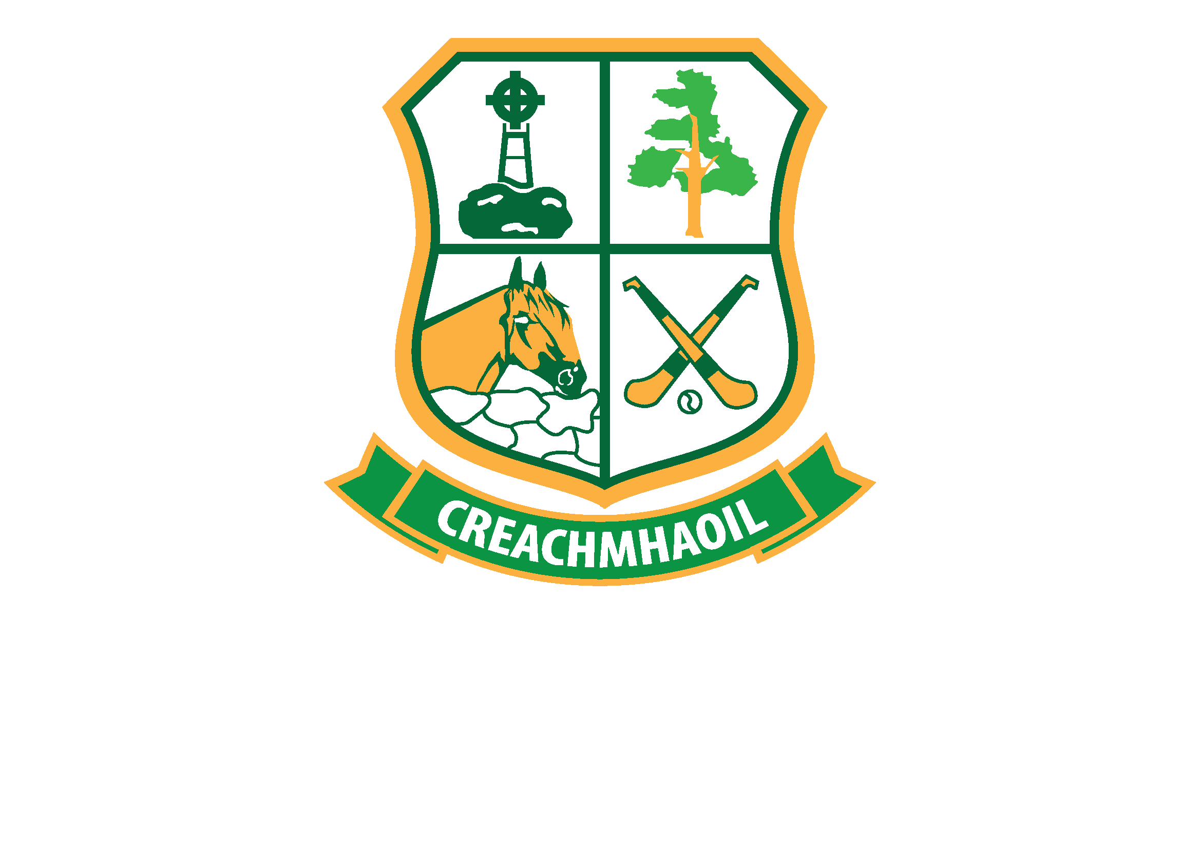
1
-
17
Scores
 |  |  | Sean O'Hanlon | 0 | 3 | 0 | 3 | 100%
Lost
9
0
0
/
0
0
/
0
0
/
0
0
/
0
0
/
%
42%
0%
0%

Craughwell
Round by Round
0%
0%
0%
Efficiency
Shots
27
 | Total Won | Total Lost
 | 2 | 3
 | 5 | 0
 | 6 | 3
 | 4 | 6
 | 3 | 3
 | 6 | 4
#REF!
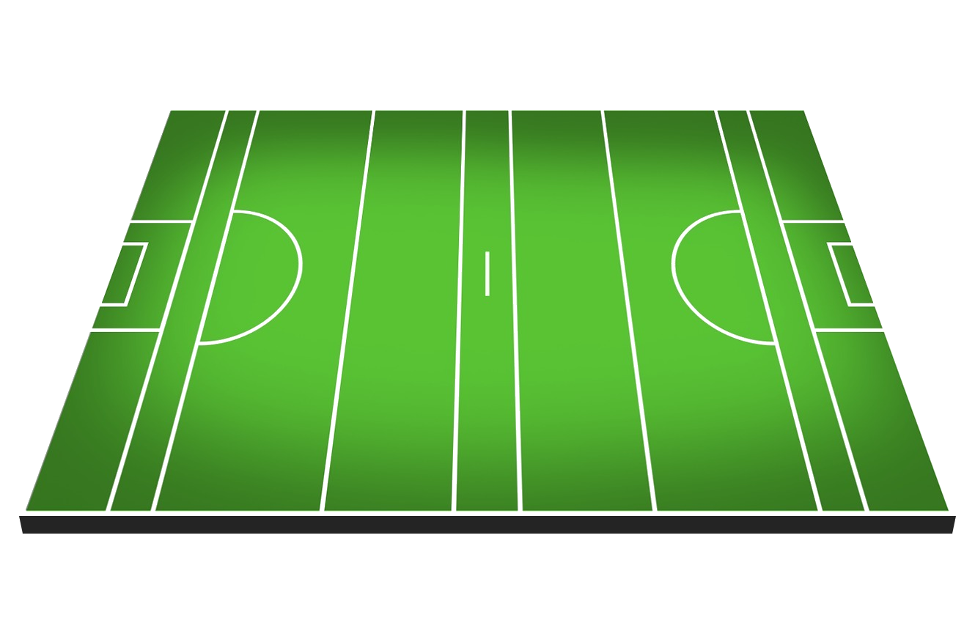
Frees (Round by Round)
 | Conceded | Conceded
 | 2 | 2
 | 0 | 2
 | 2 | 2
 | 1 | 3
 | 3 | 3
 | 1 | 4
Scorecard | Tad | Craughwell
Scores from Play
8
 | % | %
 | 60% | 67%
 | 50% | 100%
 | 63% | 43%
 | 70% | 100%
 | 67% | 80%
 | 67% | 67%
Score | 16 | 20
0
0
/
0
0
/
0
0
/
0
0
/
0
0
/
Scores from Frees
10
Efficiency | 62% | 67%
Points from Play
7
0%
Puckouts | 42% | 58%
Points from Frees
10
0%
0
0
/
0
0
/
0
0
/
0
0
/
0
0
/
Frees | 16 | 9
Goals
1
0%

Wides
4
Target | Tad | Target
0%
0
0
/
0
0
/
0
0
/
0
0
/
0
0
/
Short
4
Score | 20 | 24
Off-post
0
Efficiency | 67% | 66%
Saved
1
0%
0%
0%
Puckouts | 58% | 58%
Out for 65
0
Frees | 9 | 12

