Report
Primary Possession
Primary Possession - Distribution
Scoring
Scoring - Distribution
Game Progression
Discipline

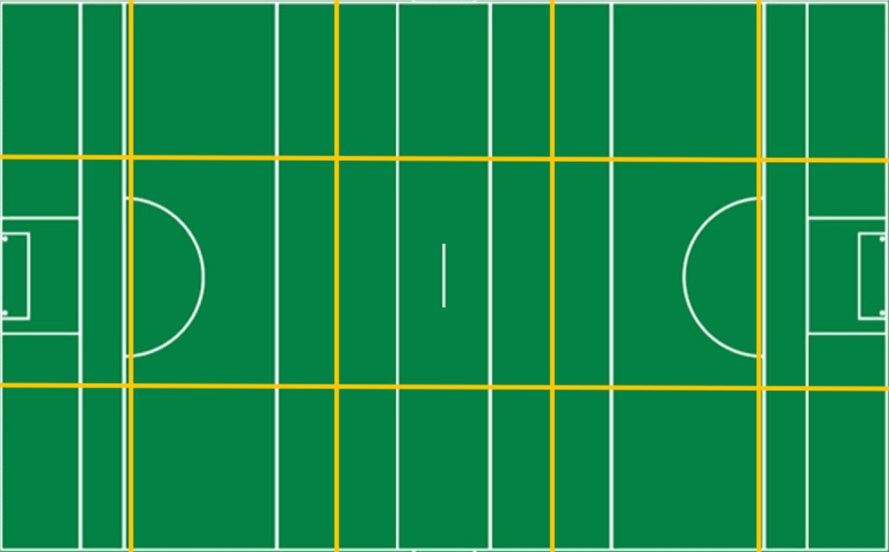
50%
67%
25%
50%
80%
50%
75%
50%
50%
50%
100%
56%
50%
50%
2
2
/
1
3
/
1
1
/
0
0
/
3
4
/
2
4
/
1
3
/
0
0
/
0
1
/
1
3
/
0
0
/
0
0
/
0
0
/
2
2
/
0
0
/
0
0
3
6
1
1
0
1
0
0
1
1
4
7
0
0
2
5
2
4
0
0
0
0
0
0
0
0
2
/
/
/
/
/
/
/
/
/
/
/
/
/
/
3
/
away
home
away
32
24
40
home
Scoring
away
home

 | 51%
 | 49%
47
 | away | home
Effectiveness | 70% | 80%
Efficiency | 58% | 75%
14
Frees
12
 | away | home
S1 | 3 | 4
S2 | 7 | 5
S3 | 3 | 2
S4 | 3 | 6
S5 | 4 | 1
S6 | 1 | 10
0
Black Card
0
Attacks
 | away | home
S1 | 5 | 4
S2 | 5 | 4
S3 | 3 | 3
S4 | 5 | 3
S5 | 3 | 4
S6 | 5 | 7
0
Yellow Card
0
away
home
33
Shots
0
Red Card
0
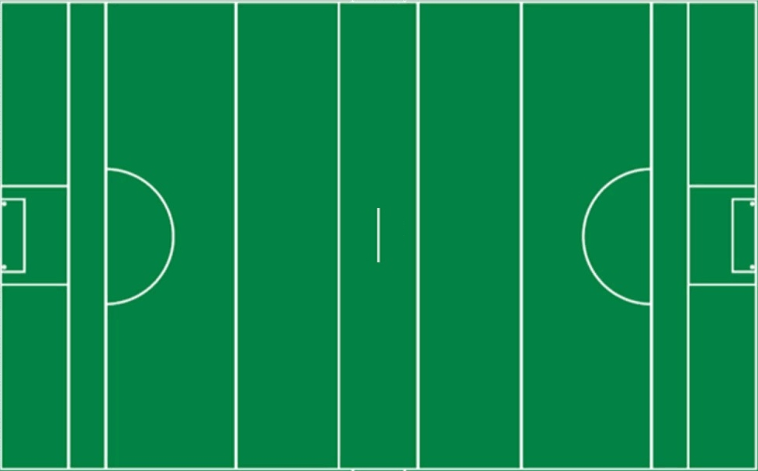
Total
23
28
away
vs.
home
Won
13
15
19
Scores

Lost
10
13

%
51%
49%


1
-
18

away
home

33
Shots
32
away
home
13
Scores from Play
17
Own | 57%
Opp | 46%
Own | 54%
Opp | 43%

2
-
22
4
Scores from Frees
7

13
Points from Play
15

4
Points from Frees
7

50%
1
Goals
2

10
Wides
4

1
Short
2

50%
0
Off-post
2

3
Saved
0

0
Out for 65
0

Scorecard
Match Report
0
0
12
14
Frees
home
away
0
0
Black Card
0
Yellow Card
0
Red Card
64%
50%
62%
50%
75%
67%
38%
100%
0
67%
0
0
0
1
1
1
3
1
0
0
3
1
1
0
Discipline
Puckouts
Scoring
Round by Round
Possessions / Tackles
 | possessions | tackles
 | 0 | 0
 | 0 | 2
 | 0 | 2
 | 4 | 1
 | 3 | 6
 | 7 | 1
 | 6 | 2
 | 0 | 4
 | 6 | 4
 | 12 | 1
 | 11 | 4
 | 1 | 0
 | 2 | 0
 | 3 | 4
 | 8 | 2
 | 1 | 1
 | 0 | 0
 | 4 | 4
 | 0 | 0
 | 1 | 0
 | 0 | 0
home
vs.
away
away
Scoring
 | 51%
 | 49%
47
 | away | home
Effectiveness | 70% | 80%
Efficiency | 58% | 75%
 | Total | Total
 | 3 | 4
 | 7 | 5
 | 3 | 2
 | 3 | 6
 | 4 | 1
 | 1 | 10
100%
0
0
/
2
4
/
0
1
/
1
3
/
3
4
/
2
-
22
Attacks
home
33
Total
28
Shots
56%
0
0
/
0
0
/
0
0
/
2
2
/
0
0
/
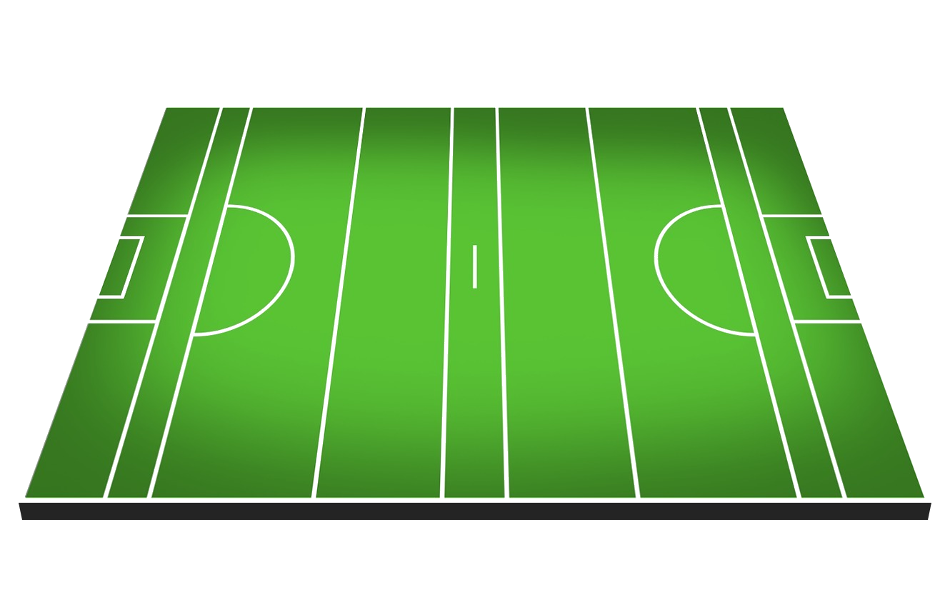
Won
15
19


1
-
18
Scores
Lost
13
0
0
/
2
2
/
1
3
/
1
3
/
1
1
/
%
49%
50%

away
Round by Round
0%
67%
25%
50%
80%
Efficiency
Shots
33
 | Total Won | Total Lost
 | 5 | 4
 | 5 | 4
 | 3 | 3
 | 5 | 3
 | 3 | 4
 | 5 | 7
Scorecard | home | away
Scores from Play
13
 | % | %
 | 38% | 100%
 | 83% | 75%
 | 75% | 67%
 | 100% | 86%
 | 67% | 50%
 | 33% | 80%
Score | 28 | 21
1
1
/
2
5
/
3
6
/
0
0
/
0
0
/
Scores from Frees
4
50%
Efficiency | 75% | 58%
Points from Play
13
Frees (Round by Round)
 | Conceded | Conceded
 | 1 | 3
 | 2 | 2
 | 2 | 3
 | 0 | 1
 | 5 | 1
 | 4 | 2
Puckouts | 49% | 51%
Points from Frees
4
50%
2
3
/
0
0
/
0
0
/
0
1
/
0
0
/
Frees | 12 | 14
Goals
1

Wides
10
Target | home | Target
50%
0
0
/
4
7
/
2
4
/
1
1
/
0
0
/
Short
1
Score | 28 | 25
Off-post
0
Efficiency | 75% | 66%
Saved
3
75%
50%
50%
50%
0%
Puckouts | 49% | 53%
Out for 65
0
Frees | 12 | 10

