Report
 | 61%
 | 39%
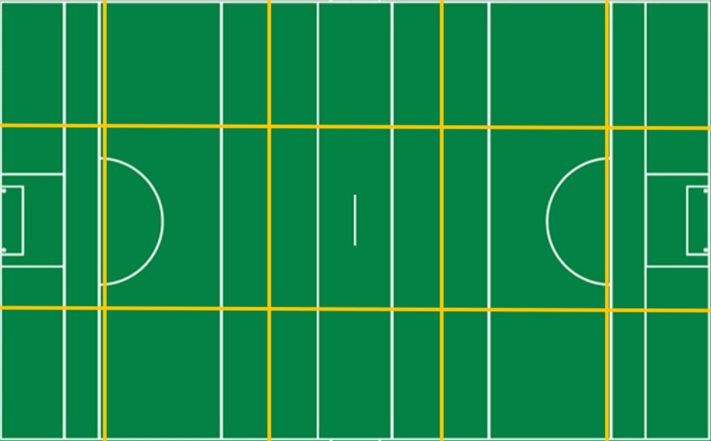
 | Bally | Town
Effectiveness | 0% | 0%
Efficiency | 66% | 53%
0
/
0
0
0
/
0
0
/
0
/
0
0
0
/
 | Bally | Town
S1 | 3 | 2
S2 | 5 | 1
S3 | 3 | 3
S4 | 5 | 1
S5 | 3 | 1
S6 | 2 | 0
0%
0%
/
/
/
/
/
Attacks

Town
Bally
28
13
14
11
14
2
39%
61%
Total
Won
Lost
%
Shots

Bally
vs.
Town
0%
0
/
0
0
0
/
0
0
/
0
/
0
0
0
/
0%
/
/
0
0
0
/
0
0
0
0
Scores

0%
0
/
0
0
0
/
0
0
/
0
/
0
0
0
/
0
-
8
0%
0
0
0
0
2
3
0
0
0
0
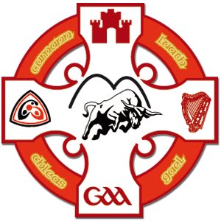

Bally
Town
0%
0%
0%
0%
0%
29
Shots
15
Bally
Town
13
Scores from Play
3
1
-
18
Own | 85%
Opp | 50%
Own | 50%
Opp | 15%
 | Bally | Town
S1 | 4 | 3
S2 | 7 | 5
S3 | 2 | 3
S4 | 5 | 4
S5 | 5 | 3
S6 | 2 | 4
0%
0
/
0
0
0
/
0
0
/
0
/
0
0
/
0
6
Scores from Frees
5
0%
12
Points from Play
3

6
Points from Frees
5

0%
0
/
0
0
0
/
0
0
/
0
/
0
0
/
0
1
Goals
0
0%

9
Wides
7

1
Short
0

0%
0
/
0
0
0
/
0
0
/
0
/
0
0
/
0
0
Off-post
0
0%
0
Saved
0

0
Out for 65
0

0%
0%
0%
0%
0%

