Report
 | 52%
 | 48%
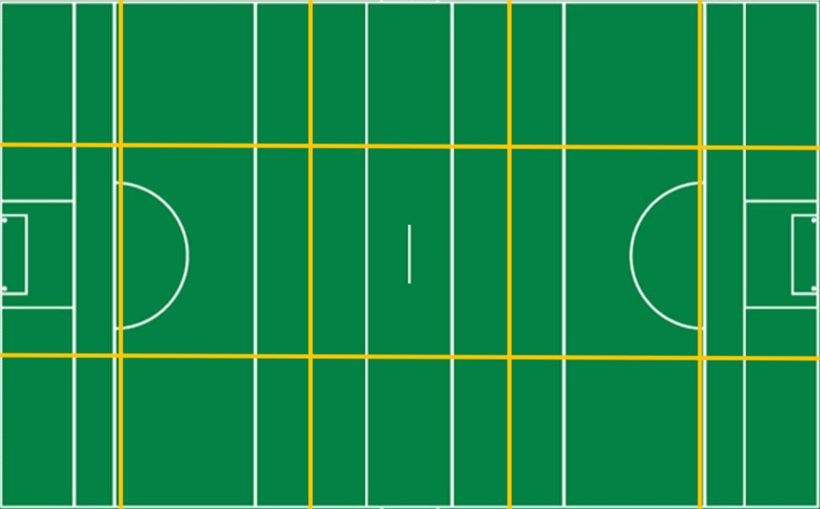
 | Bally | Town
Effectiveness | 0% | 0%
Efficiency | 80% | 54%
0
/
0
4
4
/
2
6
/
0
/
0
0
0
/
 | Bally | Town
S1 | 3 | 3
S2 | 5 | 2
S3 | 3 | 1
S4 | 4 | 3
S5 | 3 | 3
S6 | 4 | 2
60%
50%
/
/
/
/
/
Attacks

Town
Bally
23
21
16
16
7
5
48%
52%
Total
Won
Lost
%
Shots

Bally
vs.
Town
100%
0
/
0
1
1
/
1
1
/
0
/
0
0
0
/
77%
/
/
3
5
7
/
0
0
0
0
Scores

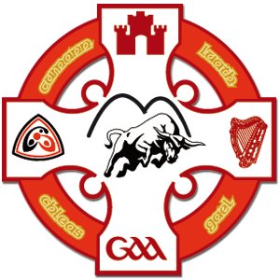
89%
0
/
0
3
3
/
5
6
/
0
/
0
0
0
/
0
-
14
90%
0
7
0
7
2
3
0
0
0
0

Bally
Town
89%
100%
62%
0%
0%
25
Shots
26
Bally
Town
12
Scores from Play
9

1
-
19
Own | 76%
Opp | 30%
Own | 70%
Opp | 24%
 | Bally | Town
S1 | 1 | 3
S2 | 4 | 5
S3 | 2 | 3
S4 | 6 | 4
S5 | 4 | 3
S6 | 6 | 4
60%
0
/
0
0
1
/
5
8
/
1
/
1
0
/
0
8
Scores from Frees
5
57%
11
Points from Play
9

8
Points from Frees
5

75%
0
/
0
0
0
/
0
1
/
3
/
3
0
/
0
1
Goals
0
73%

5
Wides
9

0
Short
0

78%
0
/
0
1
1
/
6
8
/
0
/
0
0
/
0
0
Off-post
0
25%
0
Saved
2

0
Out for 65
1

78%
50%
65%
100%
0%

