Pitch Layout
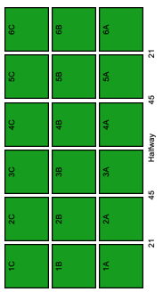
As viewed side on | Phone display

Scorecard
Match Report
0
0
12
10
Frees
Tipperary
Galway
0
0
Black Card
0
Yellow Card
0
Red Card
73%
100%
33%
0%
73%
0
73%
0
0
1
1
2
1
0
1
1
0
1
1
1
0
Puckout locations
Discipline
Puckouts
Scoring
Round by Round
Possessions / Tackles
 | home | home
 | 2 | 2
 | 1 | 2
 | 2 | 2
 | 1 | 3
 | 4 | 1
 | 3 | 2
 | 2 | 1
 | 1 | 1
 | 4 | 1
 | 4 | 1
 | 2 | 2
 | 3
 | 3
Tipperary
vs.
Galway
Galway
Scoring
 | 48%
 | 52%
Galway
0
 | Galway | Tipperary
Effectiveness | 0% | 0%
Efficiency | 73% | 64%
 | Total | Total
 | 3 | 3
 | 5 | 8
 | 2 | 3
 | 5 | 3
 | 1 | 4
 | 7 | 4
0
0
/
1
1
/
0
2
/
3
3
/
1
1
/

1
-
22
Attacks
Tipperary
50%
26
Total
22
Shots
38%
0
0
/
0
0
/
1
8
/
3
4
/
1
1
/
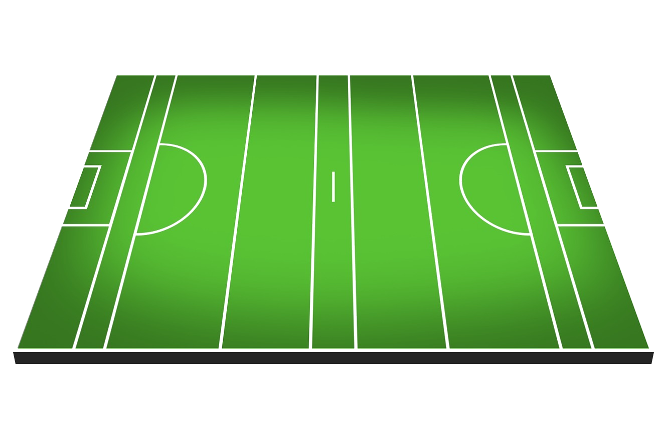
Won
13
19

4
7
2
-
17
Scores
Lost
9
0
0
/
0
1
/
2
4
/
1
2
/
3
3
/
%
52%
60%
50%

Galway
Round by Round
0%
100%
78%
Efficiency
Shots
26
 | Total Won | Total Lost
 | 4 | 6
 | 3 | 7
 | 3 | 3
 | 4 | 4
 | 4 | 3
 | 7 | 4
Tipperary
Scorecard | Tipperary | Galway
Scores from Play
13
 | % | %
 | 100% | 33%
 | 100% | 100%
 | 50% | 75%
 | 83% | 75%
 | 50% | 80%
 | 71% | 67%
Score | 25 | 23
1
1
/
1
1
/
2
5
/
0
1
/
0
0
/
Scores from Frees
6
Efficiency | 64% | 73%
Points from Play
11
Frees (Round by Round)
 | Conceded | Conceded
 | 2 | 1
 | 2 | 1
 | 2 | 1
 | 1 | 1
 | 1 | 4
 | 2 | 4
75%
Puckouts | 52% | 48%
Points from Frees
6
75%
0
0
/
3
3
/
0
1
/
0
0
/
0
0
/
Frees | 12 | 10
Goals
2
57%

Wides
4
Target | Galway | Target
60%
4
4
/
0
1
/
1
4
/
1
1
/
0
0
/
Short
2
Score | 23 | 25
Off-post
1
Efficiency | 73% | 64%
Saved
0
100%
80%
30%
Puckouts | 48% | 52%
Out for 65
0
Frees | 10 | 12

