COVER


Title | Digital adaptation kit for HIV: Operational requirements for implementing
 | WHO recommendations in digital systems.
 | Web Annex B. Decision-support logic

** Note that the decision-support logic here is translated directly from the WHO guidelines and guidance documents, and has been reviewed by the panel of experts who have created those guidelines documents. We do not anticipate the decision-support logic to change much as the logic has been created and reviewed by clinical experts. However, some level of adaptation may be needed depending on changes to the workflow and/or changes to the data dictionary. **Any changes to the decision-support logic should be considered carefully, as an embedded decision-support system can greatly affect the quality of care at the point of care. As helpful as decisions-support logic can be to the health worker, incorrect decision-support logic can also be detrimental. Thus, any new decision-support logic should be carefully reviewed and agreed upon by in-country clinical experts. ** All thresholds for measurements should first be assessed by country programme managers to ensure alignment with local context and policies. Adaptations to the actions and annotations may need to be adjusted to local context. ** Responses that were listed as "Yes/No" in the data dictionary have been changed to "True/False" in the decision-support logic because that is intended to be translated into code and be more in line with computing language. We can have Yes/No in the data dictionary because this is how a question would be asked and responded to during a clincial encounter with a health worker.

Description | Decision-support table ID | Reference(s)
Check for serious illness | HIV.B2.DT | Consolidated guidelines on HIV prevention, testing, treatment, service delivery and monitoring: recommendations for a public health approach (2021) Chapter 5: Advanced HIV Disease
Testing for HIV using testing algorithm (for individuals ≥18 months of age) | HIV.B7.DT | Consolidated guidelines on HIV testing services (2019). Fig. 2. WHO universal HIV testing strategy. 8.4.2 Multiplex testing for HIV-1 and other infections
Test [mother] for HIV using testing algorithm (in ANC settings) | HIV.E4.DT | Consolidated guidelines on HIV testing services (2019). Figure 8.6. WHO recommended testing strategy for dual detection of HIV and syphilis in ANC settings.
Managing indeterminate test results [in infants]: standard operating procedure | HIV.E12.DT | Consolidated guidelines on HIV prevention, testing, treatment, service delivery and monitoring: recommendations for a public health approach (2021) Fig. 2.8 Managing indeterminate test results: standard operating procedure
Determine retest recommendation | HIV.B9.DT | Consolidated guidelines on HIV testing services (2019). 7.2.4 Retesting – when and who? 7.2.5 Testing pregnant and breastfeeding women.
PrEP suitability | HIV.C7.DT | Implementation tool for pre-exposure prophylaxis of HIV infection (2017). Module 1: Clinical. Use criteria in pocket card, p. 4, Indications for PrEP (by history over the past 6 months) and Contraindications (with provider discretion). See also Implementation tool for pre-exposure prophylaxis of HIV infection (2017). Module 10. Testing providers. Table 1. Summary tool for starting or monitoring PrEP and Preventing HIV during pregnancy and breastfeeding in the context of PrEP. Technical brief (2017).
Determine PEP or PrEP regimen | HIV.C23.DT | Consolidated guidelines on HIV prevention, testing, treatment, service delivery and monitoring: recommendations for a public health approach (2021) Chapter 3: Prevention
Screen for TB | HIV.D4.DT | WHO consolidated guidelines on tuberculosis: tuberculosis preventive treatment. (2020). Supplementary table. WHO operational handbook on tuberculosis: Module 2: screening. Systematic screening for tuberculosis disease (2021)
Determine screenings to perform | HIV.D12.DT | Consolidated guidelines on HIV prevention, testing, treatment, service delivery and monitoring: recommendations for a public health approach (2021) Table 4.10: Recommended tests for HIV screening and monitoring and approaches to screening for coinfections and noncommunicable diseases. Table 5.1: Components of the package of care for people with advanced HIV disease. Box 5.3: Screen, Treat, Optimize and Prevent AIDS among children (table 10 of this document). Table 1 (reproduced in Table 9). Table 5.4. Recommendations for the package of prophylaxis interventions for people with advanced HIV disease Table 6.1: Overview of key elements of general care over the continuum of HIV care for people living with HIV. Annex 1: Dosages for ARV drugs
Determine WHO clinical stage of HIV | HIV.D15.DT | Consolidated guidelines on the use of antiretroviral drugs for treating and preventing HIV infection. 2nd ed. (2016). Annex 10. WHO clinical staging of HIV disease in adults, adolescents and children.
Check for treatment failure | HIV.D17.DT | Consolidated guidelines on HIV prevention, testing, treatment, service delivery and monitoring: recommendations for a public health approach (2021) Table 4.11. WHO definitions of clinical, immunological and virological failure for the decision to switch ART regimens. Consolidated guidelines on the use of antiretroviral drugs for treating and preventing HIV infection. 2nd ed. (2016). Annex 10. WHO clinical staging of HIV disease in adults, adolescents and children.
Determine ART regimen | HIV.D21.1.DT | Consolidated guidelines on HIV prevention, testing, treatment, service delivery and monitoring: recommendations for a public health approach (2021) Table 4.3: Preferred and alternative first-line ART regimens for adults, adolescents, children and neonates Table 4.7: Preferred and alternative second-line ART regimens for adults, adolescents, children and infants Table 4.4: Transition to optimal ARV drug regimens for children who are established on ART
Check for known drug interactions | HIV.D21.2.DT | Consolidated guidelines on HIV prevention, testing, treatment, service delivery and monitoring: recommendations for a public health approach (2021) Table 4.14: Key ARV drug–drug interactions and suggested management Section 4.1: Key ARV drug interactions

Schedule | Schedule-logic ID | Reference(s)
Determine recommended post-test services | HIV.S.1 | Consolidated guidelines on HIV testing services (2019). Table 4.1. HIV prevention, treatment, and care services Consolidated guidelines on HIV prevention, testing, treatment, service delivery and monitoring: recommendations for a public health approach (2021) 7.5.3 Frequency of clinical visits and ART pick-up Chapter 7: Service delivery
Monitoring the response to ART | HIV.S.2 | Consolidated guidelines on HIV prevention, testing, treatment, service delivery and monitoring: recommendations for a public health approach. Geneva: World Health Organization; 2021. Fig. 4.2 Treatment monitoring algorithm updated in 2021 Table 4.10: Recommended tests for HIV screening and monitoring approaches for coinfections and noncommunicable diseases
Cervical cancer screening in women living with HIV | HIV.S.3 | Consolidated guidelines on HIV prevention, testing, treatment, service delivery and monitoring: recommendations for a public health approach. Geneva: World Health Organization; 2021 WHO guideline for screening and treatment of cervical pre-cancer lesions for cervical cancer prevention, second edition. Geneva: World Health Organization; 2021 WHO guidelines for screening and treatment of precancerous lesions for cervical cancer prevention. Geneva: World Health Organization; 2013
HIV retesting recommendations | HIV.S.4 | Consolidated guidelines on HIV testing services, 2019. Geneva: World Health Organization Table 1.1

WHO/UCN/HHS/SIA/2023.28 – © WHO 2023. Some rights reserved. This work is available under the CC BY-NC-SA 3.0 IGO licence. |  | CC BY-NC-SA 3.0 IGO licence

Example Decision Tables
Decision ID | IMMZ.G2.DT
Business rule | If child or person has not been vaccinated, give Dengue vaccine between 9 and 45 years of age
Trigger | IMMZ.G2 Determine Required Vaccinations if any
Hit Policy indicator | Rule Order
Hit Policy Indicator
R | Individual is seronegative for Dengue | Pregnancy Status | Dengue Vaccine Immunization History | Date last Dengue dose given | Current Patient Age in Years | Output Type | Action | Guidance | Annotation(s) | Reference(s)
Input Expression
Input Entry
Output Labels (Does not change)
Only 1 Output entry per rule/row
references to guidance documents
IMMZ.G2.DT.01 | "Individual is seronegative for Dengue" =FALSE | "Pregnancy Status" =FALSE | "Dengue Vaccine Immunization History"=0 | - | 9>="Current Patient Age in Years"<=45 | ImmunizationRecommendation | Vaccinate patient for Dengue because no doses at 9 years old in a 3 dose scheme | Vaccinate patient for first dose | Provide Dengue immunizations – using the "Dengue vaccine immunization – NO PREVIOUS" schedule (3 dose scheme) Note: Pre-vaccination screening is necessary to avoid vaccinating truly Seronegative persons. | WHO recommendations for routine immunization - summary tables (2021) (1)
Rules as rows
IMMZ.G2.DT.02 |  |  | "Dengue Vaccine Immunization History"=1 | "Date last Dengue dose given" >=6 'month' | - | ImmunizationRecommendation | Vaccinate patient for Dengue because 1st dose given 6 months ago in a 3 dose scheme | Vaccinate patient for second dose | Provide Dengue immunizations – using the "Dengue vaccine immunization – 1 PREVIOUS" schedule (3 dose scheme) | WHO recommendations for routine immunization - summary tables (2021) (1)
merging allowed for same input entries for different Rule IDs
merging is not allowed since previous input expressions have different input entries in these rows [1 dose and 2 doses]
pop-up message
IMMZ.G2.DT.03 |  |  | "Dengue Vaccine Immunization History"=2 | "Date last Dengue dose given" >=6 'month' | - | ImmunizationRecommendation | Vaccinate patient for Dengue because 2nd dose given 6 months ago in a 3 dose scheme | Vaccinate patient for third dose | Provide Dengue immunizations – using the "Dengue vaccine immunization – 2 PREVIOUS" schedule (3 dose scheme) | WHO recommendations for routine immunization - summary tables (2021) (1)
Rule ID
Irrelevant/ NA
merging is not allowed for output type and action (neither at row nor at column level)
notes

Example with Hit Policy : Rule Order. In this case "Danger signs exists" is a grouper of choices that includes "Fever", "Severe Headace", "Visual Disturbance" and the grouper is defined in the Data Dictionary If a contact presents with Fever and Central Cyanosis, then 3 outputs will be executed in the order of 1. Proceed with ANC contact, 2. Referral, 3. Guidance on bluish discoloration
Decision ID | ANC.B5.DT Danger signs
Business Rule | Before each contact, during the Quick Check, the health worker should check whether the woman has any of the danger signs listed here – if yes, she should be referred to the hospital urgently; if no, the normal contact should be continued as normal
Trigger | ANC.B5 Quick check
Hit Policy indicator | Rule Order
R | Danger Signs | Output Type | Action | Guidance | Annotation(s) | Reference(s)
ANC.B5.DT.01 | in "No danger signs exist" | ActivityDefinition | Proceed with ANC contact | If no danger signs are present, the health worker can continue with the normal ANC contact |  | Pregnancy, childbirth, postpartum and newborn care guide (IMPAC) (2015) (1)
Here Proceed with ANC Contact and Referral were written as outputs of 2 different rules where the input entry was same
ANC.B5.DT.02 | in "Danger signs exists" | ActivityDefinition | Proceed with ANC contact | This is a danger sign that indicates that the woman needs urgent management |  | Pregnancy, childbirth, postpartum and newborn care guide (IMPAC) (2015) (1)
ANC.B5.DT.03 |  | ActivityDefinition | Referral |  |  | Pregnancy, childbirth, postpartum and newborn care guide (IMPAC) (2015) (1)
Multiple input options of Danger signs are grouped as "Danger signs exists" in the data dictionary for better readability
ANC.B5.DT.04 | in "Central Cyanosis" | Task |  | Check for bluish discoloration |  | Pregnancy, childbirth, postpartum and newborn care guide (IMPAC) (2015) (1)

Example with Hit Policy : First In this case if a contact presents with Fever and Central Cyanosis, then just the output for Central Cyanosis will be executed as the first hit. Hence, the output was Central Cyanosis describes a complex output with ANC contact AND Referral along with a comprehensive guidance. In this case, the case of "No Danger Sign" is intentionally modeled to be at the end
Decision ID | ANC.B5.DT Danger signs
Business Rule | Before each contact, during the Quick Check, the health worker should check whether the woman has any of the danger signs listed here – if yes, she should be referred to the hospital urgently; if no, the normal contact should be continued as normal
Trigger | ANC.B5 Quick check
Hit Policy indicator | First
F | Danger Signs | Output Type | Action | Guidance | Annotation(s) | Reference(s)
ANC.B5.DT.01 | "Danger signs" in "Central Cyanosis" | PlanDefinition | Proceed with ANC contact and Referral | Check for bluish discoloration This is a danger sign that indicates that the woman needs urgent management |  | Pregnancy, childbirth, postpartum and newborn care guide (IMPAC) (2015) (1)
Here Proceed with ANC Contact and Referral is written as a complex output against just the one row
ANC.B5.DT.03 | "Danger signs" in "Fever" | PlanDefinition | Proceed with ANC contact and Referral | This is a danger sign that indicates that the woman needs urgent management |  | Pregnancy, childbirth, postpartum and newborn care guide (IMPAC) (2015) (1)
ANC.B5.DT.04 | "Danger signs" in "Severe headache" | PlanDefinition | Proceed with ANC contact and Referral | This is a danger sign that indicates that the woman needs urgent management |  | Pregnancy, childbirth, postpartum and newborn care guide (IMPAC) (2015) (1)
Each input option is explicitly mentioned without grouping
ANC.B5.DT.05 | "Danger signs" in "Visual disturbance" | PlanDefinition | Proceed with ANC contact and Referral | This is a danger sign that indicates that the woman needs urgent management |  | Pregnancy, childbirth, postpartum and newborn care guide (IMPAC) (2015) (1)
ANC.B5.DT.06 | "Danger signs" in "No danger signs" | PlanDefinition | Proceed with ANC contact | If no danger signs are present, the health worker can continue with the normal ANC contact |  | Pregnancy, childbirth, postpartum and newborn care guide (IMPAC) (2015) (1)

Example with complex input expressions
Decision ID | ANC.B7.DT Check symptoms and follow up
Business Rule | Depending on current and/or persistant symptoms, physiological symptoms counselling may be required
Trigger | ANC.B7 Check symptoms and follow up
Hit Policy indicator | Rule Order
R | Current physiological symptoms | Persistent physiological symptoms | Output Type | Action | Guidance | Annotation(s) | Reference(s)
ANC.B7.DT.01 | "Current physiological symptoms" in "symptoms of labor onset" | - | ActivityDefinition | Investigate any possible complications or onset of labour | Please investigate any possible complications or onset of labour, related to low back and pelvic pain. |  | WHO ANC recommendations (2016): D.1. Nausea and vomiting (3) WHO consolidated self-care interventions guidelines (2019) (4)
ANC.B7.DT.02 | - | "Persistent physiological symptoms" in "symptoms of labor onset" | ActivityDefinition | Investigate any possible complications or onset of labour | Please investigate any possible complications or onset of labour, related to low back and pelvic pain. |  | WHO ANC recommendations (2016): D.1. Nausea and vomiting (3) WHO consolidated self-care interventions guidelines (2019) (4)
complex expression using logical conjunction "and"
ANC.B7.DT.03 | "Current physiological symptoms" in "symptoms related to low back and pelvic pain" and not ("Current physiological symptoms" in "symptoms of labor onset") | - | ActivityDefinition | Counselling on regular exercise, physiotherapy, support belts and acupuncture to relieve low back and pelvic pain | Regular exercise throughout pregnancy is recommended to prevent low back and pelvic pain. There are a number of different treatment options that can be used, such as physiotherapy, support belts and acupuncture, depending and based on a woman's preferences and available options. |  | WHO ANC recommendations (2016): D.1. Nausea and vomiting (3) WHO consolidated self-care interventions guidelines (2019) (4)
ANC.B7.DT.04 | - | "Persistent physiological symptoms" in "symptoms related to low back and pelvic pain" and not ("Current physiological symptoms" in "symptoms of labor onset") | ActivityDefinition | Counselling on regular exercise, physiotherapy, support belts and acupuncture to relieve low back and pelvic pain | Regular exercise throughout pregnancy is recommended to prevent low back and pelvic pain. There are a number of different treatment options that can be used, such as physiotherapy, support belts and acupuncture, depending and based on a woman's preferences and available options. |  | WHO ANC recommendations (2016): D.1. Nausea and vomiting (3) WHO consolidated self-care interventions guidelines (2019) (4)

HIV.B7.DTTestUsingAlgorithm
Decision ID | HIV.B7.DT
Business Rule | WHO standard testing strategy for HIV-1 diagnosis (among people ≥18 months of age)
Trigger | HIV.B7 Test for HIV using testing algorithm, HIV.C4 Test for HIV using testing algorithm, HIV.D.11 Retest using HIV strategy
Hit Policy Indicator | First
F | Assay number in testing strategy | HIV test type | Test result of HIV assay 1 | Test result of HIV assay 2 | Test result of HIV assay 1 repeated | Test result of HIV assay 3 | - | - | Output Type | Action | Guidance | Annotations | Reference(s)
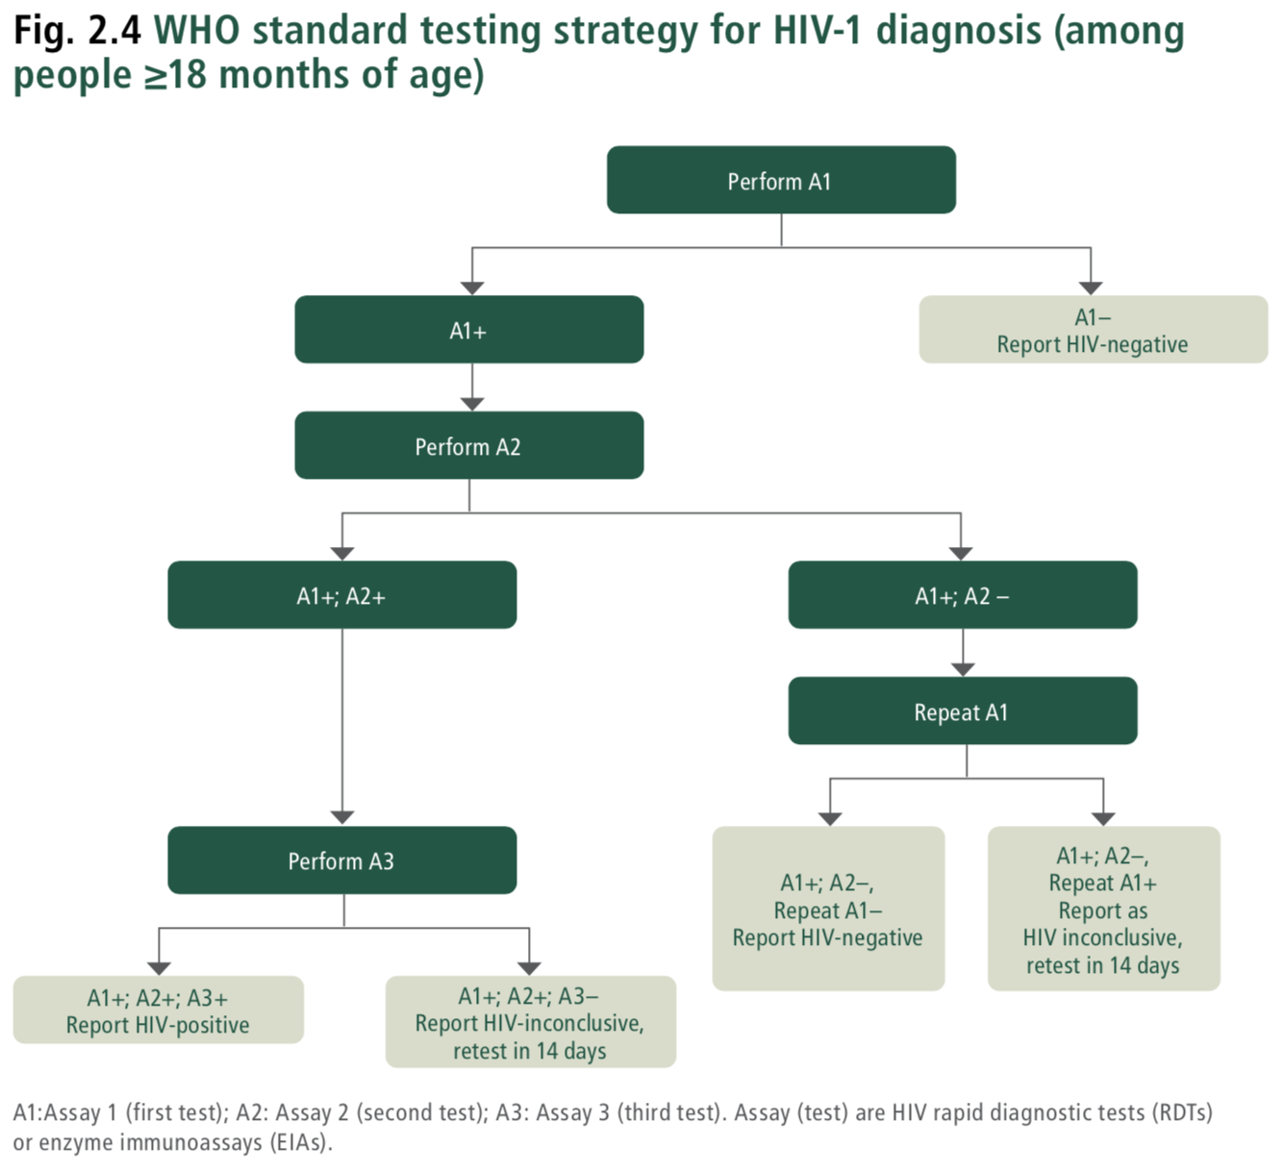
HIV.B7.DT.01 | "Assay number in testing strategy"='Assay 1' | "HIV test type" IN 'Rapid diagnostic test for HIV', 'Enzyme immunoassay for HIV' | "Test result of HIV assay 1"='Non-reactive' | - | - | - | - | - | ObservationDefinition | Report as HIV-negative. Set "HIV test result"='HIV-negative' | Report as HIV-negative. All individuals are tested on Assay 1 (A1). Anyone with a non-reactive test result (A1−) is reported as HIV-negative. |  | Consolidated Guidelines on HIV Testing Services (2019): Fig. 8.3. WHO standard testing strategy for HIV-1 diagnosis (among people ≥18 months of age). Fig. 2. WHO universal HIV testing strategy.
HIV.B7.DT.02 | "Assay number in testing strategy"='Assay 1' | "HIV test type" IN 'Rapid diagnostic test for HIV', 'Enzyme immunoassay for HIV' | "Test result of HIV assay 1"='Reactive' | - | - | - | - | - | ServiceRequest | Continue with performing HIV 'Assay 2' | Continue with performing HIV 'Assay 2' All individuals are tested on Assay 1 (A1). Individuals who are reactive on Assay 1 (A1+) should then be tested on a separate and distinct Assay 2 (A2). |  | Consolidated Guidelines on HIV Testing Services (2019): Fig. 8.3. WHO standard testing strategy for HIV-1 diagnosis (among people ≥18 months of age). Fig. 2. WHO universal HIV testing strategy.
HIV.B7.DT.03 | "Assay number in testing strategy"='Assay 2' | "HIV test type" IN 'Rapid diagnostic test for HIV', 'Enzyme immunoassay for HIV' | "Test result of HIV assay 1"='Reactive' | "Test result of HIV assay 2"='Non-reactive' | - | - | - | - | ServiceRequest | Continue with performing HIV 'Assay 1 repeated' | Continue with performing HIV 'Assay 1 repeated' Individuals who are reactive on Assay 1 but non-reactive on Assay 2 (A1+; A2−) should be repeated on Assay 1. In the event of discrepant test results (A1+; A2−), it is important to repeat Assay 1. Repeating Assay 1 will determine if the individual is repeatedly reactive on the assay that has the highest sensitivity |  | Consolidated Guidelines on HIV Testing Services (2019): Fig. 8.3. WHO standard testing strategy for HIV-1 diagnosis (among people ≥18 months of age). Fig. 2. WHO universal HIV testing strategy.
HIV.B7.DT.04 | "Assay number in testing strategy"='Assay 2' | "HIV test type" IN 'Rapid diagnostic test for HIV', 'Enzyme immunoassay for HIV' | "Test result of HIV assay 1"='Reactive' | "Test result of HIV assay 2"='Reactive' | - | - | - | - | ServiceRequest | Continue with performing HIV 'Assay 3' | Continue with performing HIV 'Assay 3' Individuals who are reactive on both Assay 1 and Assay 2 (A1+; A2+) should then be tested on a separate and distinct Assay 3 (A3). |  | Consolidated Guidelines on HIV Testing Services (2019): Fig. 8.3. WHO standard testing strategy for HIV-1 diagnosis (among people ≥18 months of age). Fig. 2. WHO universal HIV testing strategy.
HIV.B7.DT.05 | "Assay number in testing strategy"='Assay 1 repeated' | "HIV test type" IN 'Rapid diagnostic test for HIV', 'Enzyme immunoassay for HIV' | "Test result of HIV assay 1"='Reactive' | "Test result of HIV assay 2"='Non-reactive' | "Test result of HIV assay 1 repeated"='Non-reactive' | - | - | - | ObservationDefinition | Report as HIV negative. Set "HIV test result"='HIV-negative' | Report as HIV negative. If repeat Assay 1 is non-reactive (A1+; A2−; repeat A1–), the status should be reported as HIV negative. |  | Consolidated Guidelines on HIV Testing Services (2019): Fig. 8.3. WHO standard testing strategy for HIV-1 diagnosis (among people ≥18 months of age). Fig. 2. WHO universal HIV testing strategy.
HIV.B7.DT.06 | "Assay number in testing strategy"='Assay 1 repeated' | "HIV test type" IN 'Rapid diagnostic test for HIV', 'Enzyme immunoassay for HIV' | "Test result of HIV assay 1"='Reactive' | "Test result of HIV assay 2"='Non-reactive' | "Test result of HIV assay 1 repeated"='Reactive' | - | - | - | PlanDefinition | Report as HIV-inconclusive Schedule retest date on "Visit date" + 14 days Set "HIV test result"='HIV-inconclusive' | Report as HIV-inconclusive; retest in 14 days. If repeat Assay 1 is reactive (A1+; A2–; repeat A1+), the status should be reported as HIV-inconclusive, and the individual asked to return in 14 days for additional testing. |  | Consolidated Guidelines on HIV Testing Services (2019): Fig. 8.3. WHO standard testing strategy for HIV-1 diagnosis (among people ≥18 months of age). Fig. 2. WHO universal HIV testing strategy.
HIV.B7.DT.07 | "Assay number in testing strategy"='Assay 3' | "HIV test type" IN 'Rapid diagnostic test for HIV', 'Enzyme immunoassay for HIV' | "Test result of HIV assay 1"='Reactive' | "Test result of HIV assay 2"='Reactive' | - | "Test result of HIV assay 3"='Non-reactive' | - | - | PlanDefinition | Report HIV-inconclusive Schedule retest date on "Visit date"+ 14 days Set "HIV test result"='HIV-inconclusive' | Report HIV-inconclusive; retest in 14 days. Report HIV-inconclusive if Assay 3 is non-reactive (A1+; A2+; A3−). The individual should be asked to return in 14 days for additional testing. |  | Consolidated Guidelines on HIV Testing Services (2019): Fig. 8.3. WHO standard testing strategy for HIV-1 diagnosis (among people ≥18 months of age). Fig. 2. WHO universal HIV testing strategy.
HIV.B7.DT.08 | "Assay number in testing strategy"='Assay 3' | "HIV test type" IN 'Rapid diagnostic test for HIV', 'Enzyme immunoassay for HIV' | "Test result of HIV assay 1"='Reactive' | "Test result of HIV assay 2"='Reactive' | - | "Test result of HIV assay 3"='Reactive' | - | - | ObservationDefinition | Report as HIV-positive. Set "HIV test result"='HIV-positive' | Report as HIV-positive. Report as HIV-positive if Assay 3 is reactive (A1+; A2+; A3+). |  | Consolidated Guidelines on HIV Testing Services (2019): Fig. 8.3. WHO standard testing strategy for HIV-1 diagnosis (among people ≥18 months of age). Fig. 2. WHO universal HIV testing strategy.

HIV.D4.DTScreenforTB
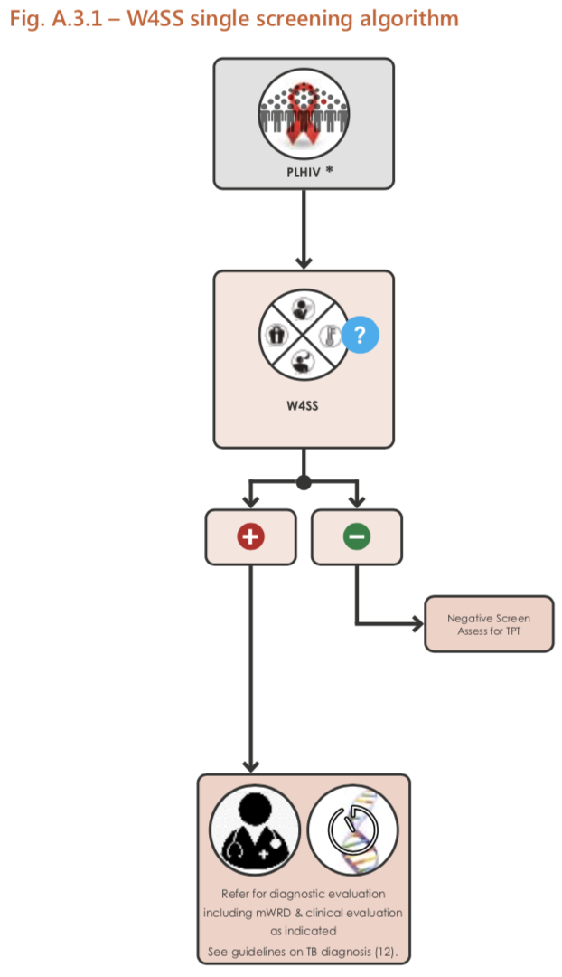
Note: This tab has three decision support tables: 1) W4SS single screening algorithm (algorithm A.3.1 from source below) 2) Sequential positive screening algorithm with W4SS and CRP (algorithm A.3.5 from source below) 3) Screening with symptoms (for children living with HIV < 10 years) (algorithm A.5.6 from source below) Source: WHO operational handbook on tuberculosis: Module 2: screening. Systematic screening for tuberculosis disease (2021) Note: The algorithms in this tab are not an exhaustive list of screening algorithms for tuberculosis. See sources for additional algorithms. For guidance on which screening approach is appropriate, see Section 3.2.3 Choosing an algorithm for a screening programme in the above source.

Decision ID | HIV.D4.DT
Business Rule | Screen for TB using W4SS single screen algorithm
Trigger | HIV.D4. Screen for TB
Hit Policy Indicator | Rule order
R | TB screening algorithm | Estimated age | Symptoms of TB | C reactive protein test result | History of contact with a person with TB | Output Type | Action | Guidance | Annotations | Reference(s)
HIV.D4.DT.01 | "TB screening algorithm"='W4SS single screening algorithm' | "Estimated age" ≥ 10 years | "Symptoms of TB" IN 'Current cough', 'Fever of 39 °C or greater', 'Weight loss (reported)', 'Night sweats' | - | - | ActivityDefinition | Screen positive for TB. Refer for diagnostic evaluation including mWRD & clinical evaluation as indicated. Set "TB screening result"='Screen positive for TB' | Screen positive for TB. Refer for diagnostic evaluation including mWRD & clinical evaluation as indicated. In PLHIV, diagnostic testing for TB with LF-LAM and other methods is usually considered early on. See WHO consolidated guidelines on tuberculosis, Module 3: Diagnosis - Rapid diagnostics for tuberculosis detection. LF-LAM can assist TB diagnosis among people with advanced HIV disease (AHD) with symptoms and signs of TB. For inpatients with CD4 count ≤200 cells/mm3, outpatients with CD4 count ≤100 cells/mm3, or individuals with any CD4 count with symptoms of AHD or if seriously ill (See WHO Consolidated guidelines on HIV prevention, testing, treatment, service delivery and monitoring: recommendations for a public health approach (2021)) |  | WHO operational handbook on tuberculosis: Module 2: screening. Systematic screening for tuberculosis disease (2021) Figure A.3.1 - W4SS single screening algorithm WHO consolidated guidelines on tuberculosis, Module 3: Diagnosis - Rapid diagnostics for tuberculosis detection
HIV.D4.DT.02 | "TB screening algorithm"='W4SS single screening algorithm' | "Estimated age" ≥ 10 years | "Symptoms of TB"='None' | - | - | ActivityDefinition | Screen negative for TB, assess for TPT. Set "TB screening result"='Screen negative for TB'. If TB prevention services accepted, set "TB prevention services accepted"=True. | Screen negative for TB, assess for TPT. |  | WHO operational handbook on tuberculosis: Module 2: screening. Systematic screening for tuberculosis disease (2021) Figure A.3.1 - W4SS single screening algorithm WHO consolidated guidelines on tuberculosis, Module 3: Diagnosis - Rapid diagnostics for tuberculosis detection

Decision ID | HIV.D4.DT
Business Rule | Sequential positive screening algorithms with W4SS and CRP
Trigger | HIV.D4 Screen for TB
Hit Policy Indicator | R
R | TB screening algorithm | Estimated age | Symptoms of TB | C reactive protein test result | History of contact with a person with TB | Output Type | Action | Guidance | Annotations | Reference(s)
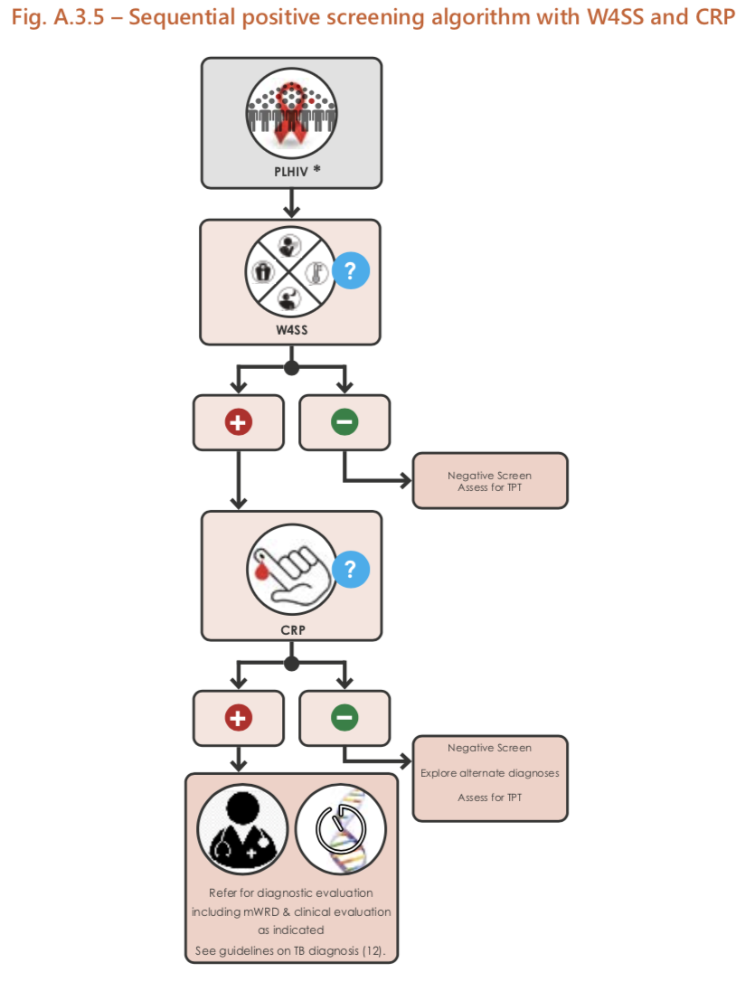
HIV.D4.DT.03 | "TB screening algorithm"='Sequential positive screening algorithm with W4SS and CRP' | Estimated age ≥ 10 years | "Symptoms of TB"='None' | - | - | ActivityDefinition | Screen negative for TB. Assess for TPT. Set "TB screening result"='Screen negative for TB' | Screen negative for TB. Assess for TPT. |  | WHO operational handbook on tuberculosis: Module 2: screening. Systematic screening for tuberculosis disease (2021) Figure A.3.5 - Sequential positive screening algorithm with W4SS and CRP WHO consolidated guidelines on tuberculosis, Module 3: Diagnosis - Rapid diagnostics for tuberculosis detection
HIV.D4.DT.04 | "TB screening algorithm"='Sequential positive screening algorithm with W4SS and CRP' | Estimated age ≥ 10 years | "Symptoms of TB" IN 'Current cough', 'Fever of 39 °C or greater', 'Weight loss (reported)', 'Night sweats' |  |  | ServiceRequest | Perform C reative protein test. | Perform C reative protein test. |  | WHO operational handbook on tuberculosis: Module 2: screening. Systematic screening for tuberculosis disease (2021) Figure A.3.5 - Sequential positive screening algorithm with W4SS and CRP WHO consolidated guidelines on tuberculosis, Module 3: Diagnosis - Rapid diagnostics for tuberculosis detection
HIV.D4.DT.05 | "TB screening algorithm"='Sequential positive screening algorithm with W4SS and CRP' | Estimated age ≥ 10 years | "Symptoms of TB" IN 'Current cough', 'Fever of 39 °C or greater', 'Weight loss (reported)', 'Night sweats' | "C reactive protein test result" ≤ 5 mg/L | - | ActivityDefinition | Screen positive for TB. Refer for diagnostic evaluation including mWRD & clinical evaluation as indicated. Set "TB screening result"='Screen positive for TB' | Screen positive for TB. Refer for diagnostic evaluation including mWRD & clinical evaluation as indicated. In PLHIV, diagnostic testing for TB with LF-LAM and other methods is usually considered early on. Currently, the c-reative protein cut-off value of > 5 mg/L is recommended, as it is the lowest threshold indicating abnormality in many clinical settings and because it is the most sensitive. At this cut-off, CRP has a similar sensitivity and higher or similar specificity to symptom screening in all subpopulations of adults and adolescents living with HIV tested (Section 5.2.2, 2021 WHO operation handbook on tuberculosis, Module 2: screening). LF-LAM can assist TB diagnosis among people with advanced HIV disease (AHD) with symptoms and signs of TB. For inpatients with CD4 count ≤200 cells/mm3, outpatients with CD4 count ≤100 cells/mm3, or individuals with any CD4 count with symptoms of AHD or if seriously ill. |  | WHO operational handbook on tuberculosis: Module 2: screening. Systematic screening for tuberculosis disease (2021) Figure A.3.5 - Sequential positive screening algorithm with W4SS and CRP WHO consolidated guidelines on tuberculosis, Module 3: Diagnosis - Rapid diagnostics for tuberculosis detection
HIV.D4.DT.06 | "TB screening algorithm"='Sequential positive screening algorithm with W4SS and CRP' | Estimated age ≥ 10 years | "Symptoms of TB" IN 'Current cough', 'Fever of 39 °C or greater', 'Weight loss (reported)', 'Night sweats' | "C reactive protein test result" > 5 mg/L | - | ActivityDefinition | Screen negative for TB. Explore alternate diagnosis. Assess for TPT Set "TB screening result"='Screen negative for TB'. If TB prevention services accepted, set "TB prevention services accepted"=True. | In PLHIV, diagnostic testing for TB with LF-LAM and other methods is usually considered early on. Currently, the c-reative protein cut-off value of > 5 mg/L is recommended, as it is the lowest threshold indicating abnormality in many clinical settings and because it is the most sensitive. At this cut-off, CRP has a similar sensitivity and higher or similar specificity to symptom screening in all subpopulations of adults and adolescents living with HIV tested (Section 5.2.2, 2021 WHO operation handbook on tuberculosis, Module 2: screening). LF-LAM can assist TB diagnosis among people with advanced HIV disease (AHD) with symptoms and signs of TB. For inpatients with CD4 count ≤200 cells/mm3, outpatients with CD4 count ≤100 cells/mm3, or individuals with any CD4 count with symptoms of AHD or if seriously ill. |  | WHO operational handbook on tuberculosis: Module 2: screening. Systematic screening for tuberculosis disease (2021) Figure A.3.5 - Sequential positive screening algorithm with W4SS and CRP WHO consolidated guidelines on tuberculosis, Module 3: Diagnosis - Rapid diagnostics for tuberculosis detection

Decision ID | HIV.D4.DT
Business Rule | Screening for TB symptoms for children living with HIV
Trigger | HIV.D4 Screen for TB
Hit Policy Indicator | R
R | TB screening algorithm | Estimated age | Symptoms of TB | C reactive protein test result | History of contact with a person with TB | Output Type | Action | Guidance | Annotations | Reference(s)
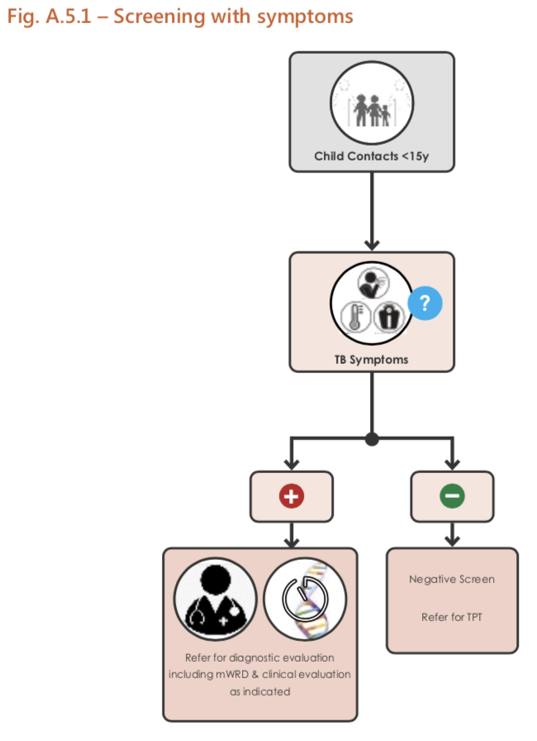
HIV.D4.DT.07 | "TB screening algorithm"='Screening with any TB symptom' | "Estimated age" < 15 years | "Symptoms of TB" IN 'Current cough', 'Fever of 39 °C or greater', 'Poor weight gain', 'Reduced playfulness', 'Lethargy' | - | "History of contact with a person with TB"=True | ActivityDefinition | Screen positive for TB. Refer for diagnostic evaluation including mWRD & clinical evaluation as indicated. Set "TB screening result"='Screen positive for TB' | Screen positive for TB. Refer for diagnostic evaluation including mWRD & clinical evaluation as indicated. Any child < 15 years who has had close contact with someone with TB disease should be screened for TB with a symptom screen and/or CXR as part of active contact-tracing (see Algorithm A.5.1 in Annex 5). Symptoms that should be used to screen for TB are cough, fever and poor weight gain (or weight loss). In young children, reduced playfulness or lethargy should also be included in symptom screening; cough may be absent. |  | WHO operational handbook on tuberculosis: Module 2: screening. Systematic screening for tuberculosis disease (2021) Section 6.3: Screening children living with HIV; Figure A.5.6 - Screening with symptoms (for children living with HIV < 10 years) WHO consolidated guidelines on tuberculosis, Module 3: Diagnosis - Rapid diagnostics for tuberculosis detection
HIV.D4.DT.08 | "TB screening algorithm"='Screening with any TB symptom' | "Estimated age" < 15 years | "Symptoms of TB"='None' | - | "History of contact with a person with TB"=True | ActivityDefinition | Screen negative for TB. Refer for TPT. If TB prevention services accepted, set "TB prevention services accepted"=True. | Screen negative for TB. Refer for TPT. |  | WHO operational handbook on tuberculosis: Module 2: screening. Systematic screening for tuberculosis disease (2021) Section 6.3: Screening children living with HIV; Figure A.5.6 - Screening with symptoms (for children living with HIV < 10 years) WHO consolidated guidelines on tuberculosis, Module 3: Diagnosis - Rapid diagnostics for tuberculosis detection

