Inno6-AQ
INNO6-AQ

Address (Dec) | Address (HEX) | Register Name | W/R | Bits | Register Value (Binary) | Range/Options | Default (hex) | Description | Data High Register (Hex) | Data Low Register (Hex) | Readback Value (bin) | Readback Value (hex)
0 | 00 | NULL VALUE REGISTER | R | [15:0] | 0101010101010101 | 0x0000 | 0x0 | Always reads zero, used for self test of the interface | 55 | 55 | 0101010101010101 | 5555

1 | 01 | TEST PATTERN REGISTER | W | [15:0] | 0101010101010101 | 0x0000 to 0xFFFF | 0x0 | Stores the value written but has no effect on system operation, used for self test of the interface | 55 | 55 | 0101010101010101 | 5555

2 | 02 | CV TARGET REGISTER | W | [12:0] | 0010011001101 | 0x4CD to 0x1B32 = 0.375 to 2.125V | 0x1000 (1.25V) | Target output (FB-Pin) voltage setting Valid range: 0x4CD to 0x1B32 = 0.375 to 2.125V If value set below, use 0x4CD If value set above, use 0x1B32 305 µV / LSB | 04 | CD | 0010011001101 | 04CD
 |  |  |  | [15:13] | 000 | 0 | 0x0 | Unused, reads zero |  |  | 000 | 0000

3 | 03 | CC CONTROL REGISTER | W | [8:0] | 010101110 | 0x0 to 0x133 = 0 to 35 mV | Set by EEPROM | IS pin voltage: If CV Only Mode Enabled, OCP If CV Only Mode Disabled, CC Current Regulation Valid Range: 0x0 to 0x133 = 0 to 35 mV if value set above, use 0x133 VIS: 114 µV / LSB OCP/CC Level = VIS / RIS Note: Need to add 0x5C (offset) when comparing with IS ADC value during control | 06 | AE | 010101110 | 00AE
 |  |  |  | [10:9] | 11 | 00=25ms, 01=50ms, 10=100ms, 11=200ms | Set by EEPROM | tIS(AR): In CV only mode, OCP triggers if IS pin exceeds VIS(OCP) for more than tIS(AR) |  |  | 11
 |  |  |  | [11] | 0 | 0 = CV Only Mode Disabled, 1 = CV Only Mode Enabled | Set by EEPROM | CV Only Mode |  |  | 0
 |  |  |  | [13:12] | 00 | 00 = 10.5 mV, 01 = 17.5 mV, 10 = 26.25 mV, 11 = 35 mV | Set by EEPROM | IS threshold for Fast CC comparator |  |  | 00
 |  |  |  | [15:14] | 00 | 00=Fast CC Disabled, 01=120%, 10=110%, 11=100% | Set by EEPROM | IS threshold multiplier for Fast CC comparator |  |  | 00

4 | 04 | CP TARGET REGISTER | W | [10:0] | 00000011111 | Vout Pin Source: 0x133 to 0x6CC = 0.375 to 85 V FB Pin Source: 0x0 to 0x1FF (ignore bits [10:9]) = 0.375 to 2.125V | Set by EEPROM | On set voltage (VKP) for CP Regulation Vout Pin Source: Valid range: 0x133 to 0x6CC = 0.375 to 85 V If value set below, use 0x133 If value set above, use 0x6CC 48.85 mV/LSB FB Pin Source: Valid Range: 0x4D to 0x1B2 = 0.375 to 2.125V If value set below, use 0x4D If value set above, use 0x1B2 4.89 mV / LSB | E0 | 1F | 00000011111 | 001F
 |  |  |  | [12:11] | 00 | 00 - Enable CP - Vout Pin Source 01 - Enable CP - FB Pin Source 10 - Disable CP 11 - Disable CP | Set by EEPROM | CP Enable Source |  |  | 00
 |  |  |  | [15:13] | 111 | 0 | 0 | Unused, reads zero |  |  | 111

5 | 05 | VOUT(OVP) REGISTER | W | [10:0] | 11111111000 | 0x40 to 0x6FD = 3.13 to 87.52 V | Set by EEPROM | VOUT OVP voltage level Valid range: 0x40 to 0x6FD = 3.13 to 87.52 V If value set below, use 0x40 If value set above, use 0x6FD 48.85 mV / LSB | 07 | F8 | 11111111000 | 07F8
 |  |  |  | [11] | 0 | 0=Disable, 1=Enable | Set by EEPROM | Vout OVP (en) |  |  | 0
 |  |  |  | [15:12] | 0000 | 0 | 0x0 | Unused, reads zero |  |  | 0000

6 | 06 | VFB(OVP) REGISTER | R | [8:0] | 000011111 | 0x40 to 0x1BF = 0.313 to 2.188 V | Set by EEPROM | FB OVP voltage level Valid range: 0x40 to 0x1BF = 0.313 to 2.188 V If value set below, use 0x40 If value set above, use 0x1BF 4.89 mV / LSB | AA | 1F | 00011111 | 001F
 |  |  |  | [9] | 1 | 0=Disable, 1=Enable | Set by EEPROM | VFB OVP (en) |  |  | 0
 |  |  |  | [15:10] | 101010 | 0 | 0x0 | Unused, reads zero |  |  | 101010

7 | 07 | VVo(AR) REGISTER | W | [10:0] | 11111111111 | 0x40 to 0x6FD = 3.13 to 87.52 V | Set by EEPROM | VOUT UV voltage level Valid range: 0x40 to 0x6FD = 3.13 to 87.52 V If value set below, use 0x40 If value set above, use 0x6FD 48.85 mV / LSB | FF | FF | 11111111 | 07FF
 |  |  |  | [12:11] | 11 | 00=25ms, 01=50ms, 10=100ms, 11=200ms | Set by EEPROM | Output UV Time tVo(AR) and tFB(AR) |  |  | 11
 |  |  |  | [13] | 1 | 0=Disable, 1=Enable | Set by EEPROM | VOUT UV (en) |  |  | 1
 |  |  |  | [15:14] | 11 | 0 | 0x0 | Unused, reads zero |  |  | 11

8 | 08 | VFB(AR) REGISTER | W | [8:0] | 111111111 | 0x40 to 0x1BF = 0.313 to 2.188 V | Set by EEPROM | FB UV voltage level Valid range: 0x40 to 0x1BF = 0.313 to 2.188 V If value set below, use 0x40 If value set above, use 0x1BF 4.89 mV / LSB | FF | FF | 111111111 | 01FF
 |  |  |  | [9] | 1 | 0=Disable, 1=Enable | Set by EEPROM | FB UV (en) |  |  | 1
 |  |  |  | [15:10] | 111111 | 0 | 0x0 | Unused, reads zero |  |  | 111111

9 | 09 | FAULT RESPONSE REGISTER | R | [1:0] | 01 | 00=Disable, 01= Latch-off, 10=AR, 11=AR | Set by EEPROM | Fault Response to FB-Pin Open/Short | 54 | 89 | 01 | 5489
 |  |  |  | [3:2] | 10 |  | Set by EEPROM | Fault Response to IS-Pin Open/Short |  |  | 10
 |  |  |  | [5:4] | 00 |  | Set by EEPROM | Fault Response to OVP |  |  | 00
 |  |  |  | [7:6] | 10 |  | Set by EEPROM | Fault Response to BPSR/BPS OVP |  |  | 10
 |  |  |  | [9:8] | 00 |  | Set by EEPROM | Fault Response to OTP |  |  | 00
 |  |  |  | [11:10] | 01 |  | Set by EEPROM | Fault Response to OCP |  |  | 01
 |  |  |  | [15:12] | 0101 | 0 | 0x0 | Unused, reads zero |  |  | 0101

10 | 0A | FAULT CONTROL REGISTER | W | [1:0] | 11 | 00 = Enable WITH Regulation Window Fault, 01 = Enable WITHOUT Regulation Window Fault, 10 = Force Low, 11 = Force High | Set by EEPROM | Fault nFault pin control | FE | AB | 11 | FEAB
 |  |  |  | [3:2] | 10 | 00=90°C, 01=100°C, 10=110°C, 11=125°C | Set by EEPROM | Thermal Warning Threshold |  |  | 10
 |  |  |  | [5:4] | 10 | 00=+/-2%, 01=+/-4%, 10=+/-8%, 11=OVP and UV levels | Set by EEPROM | Fault Pin VFB_PG- and VFB_PG+ (power good thresholds) |  |  | 10
 |  |  |  | [6] | 0 | 0 = 25ms, 1 = 100ms | 0x0 | Vout regulation window disable time out |  |  | 0
 |  |  |  | [8:7] | 01 | 00=118°C, 01=126°C, 10=134°C, 11=142°C | Set by EEPROM | OTP Level |  |  | 01
 |  |  |  | [10:9] | 11 | 00=4mV, 01=6mV, 10=8mV, 11=16mV | Set by EEPROM | VIS(FAULT) : if frequency is above fIS(FAULT) and IS pin is below VIS(FAULT), fault is flagged |  |  | 11
 |  |  |  | [12:11] | 11 | 00=30kHz, 01=60kHz, 10=90kHz, 11=150kHz | Set by EEPROM | fIS(FAULT) : if frequency is above fIS(FAULT) and IS pin is below VIS(FAULT), fault is flagged |  |  | 11
 |  |  |  | [15:13] | 111 | 0 | 0x0 | Unused, reads zero |  |  | 111

11 | 0B | Enable Misc1 | W | [0] | 1 | 0=Disable, 1=Enable | Set by EEPROM | Weak Bleeder (en) | 07 | 87 | 1
 |  |  |  | [1] | 1 | 0=Disable, 1=Enable | Set by EEPROM | Audible Noise Reduction (en) |  |  | 1
 |  |  |  | [6:2] | 00001 | bit 6: CDC percent polarity 1 = Negative, 0 = Positive bits 5 - 2: CDC percent 1111 = 0% 1110 = 0.5% 1101 = 1.0% … 0010 = 6.5% 0001 = 7.0% 0000 = 7.5% | Set by EEPROM | CDC Drop Compensation Gain kCDC |  |  | 00001 | 7
 |  |  |  | [8:7] | 11 | 00=6, 01=4, 10=2, 11=1 | Set by EEPROM | CDC Hysteresis |  |  | 11
 |  |  |  | [10:9] | 11 | 0=Enable, 1=Disable | Set by EEPROM | SPI Watchdog Timer |  |  | 11
 |  |  |  | [15:11] | 00000 | 0 | 0x0 | Unused, reads zero |  |  | 00000

12 | 0C | CV/CC/CP Control | W | [0] | 0 | 0=Enable, 1=Disable | Set by EEPROM | ADC Continuous Sampling (en) | FF | D8 | 0 | FFD8
 |  |  |  | [2:1] | 00 | 00=8, 01=6, 10=4, 11=2 | Set by EEPROM | IS ADC Filter kFILT(IS) |  |  | 00
 |  |  |  | [4:3] | 11 | 00=8, 01=6, 10=4, 11=2 | Set by EEPROM | FB/VOUT ADC Filter kFILT(FB/VOUT) |  |  | 11
 |  |  |  | [6:5] | 10 | 00 = 0.000025, 01 = 0.00005, 10 = 0.0002, 11 = 0.0001 | Set by EEPROM | CV Mode Gain |  |  | 10
 |  |  |  | [8:7] | 11 | 00 = 0.0025, 01 = 0.005, 10 = 0.01, 11 = 0.02 | Set by EEPROM | CV Mode Slew Rate |  |  | 11
 |  |  |  | [10:9] | 11 | 00 = 0.125, 01 = 0.25, 10 - 0.5, 11 = 1 | Set by EEPROM | CC/CP Mode Gain |  |  | 11
 |  |  |  | {12:11] | 11 | 00 = 8, 01 = 16, 10 = 24, 11 = 32 | Set by EEPROM | CC/CP Mode Slew Rate |  |  | 11
 |  |  |  | [13] | 1 | 0 = Disable, 1 - Enable | Set by EEPROM | Fast CC Tracking (en) |  |  | 1
 |  |  |  | {15:14] | 11 | 0 | 0x0 | Unused, reads zero |  |  | 11

13 | 0D | SR/MODE Control | W | [0] | 1 | 0=Disable at low frequency, 1= Do Not Disable | Set by EEPROM | SR Low Frequency Disable | 00 | 1F | 1
 |  |  |  | [1] | 1 | 0=Disable at low frequency, 1= Do Not Disable | Set by EEPROM | SR ZVS Low Frequency Disable |  |  | 1
 |  |  |  | [2] | 1 | 0=Enable, 1=Disable | Set by EEPROM | First Peak (QR) Switching in SR ZVS |  |  | 11
 |  |  |  | [4:3] | 11 | 00=DCM Only, 01=DCM Only with KP=1, 10=CCM Enabled, 11=CCM Enabled | Set by EEPROM | DCM Only Mode |  |  | 11
 |  |  |  | [15:5] | 00000000000 | 0 | 0x0 | Unused, reads zero |  |  | 00000000000

14 | 0E | PSU RESTART REGISTER | W | [0] | 0 | 0 = No AR, 1 = Force AR | 0x0 | Force Auto Restart of the Power Supply | 00 | 02 | 0
 |  |  |  | [1] | 1 | 0 = No Latch Off, 1 = Force Latch Off | 0x0 | Force Latch Off of the Power Supply |  |  | 1
 |  |  |  | [15:2] | 00000000000000 | 0 | 0x0 | Unused, reads zero |  |  | 00000000000000

15 | 0F | STATUS REGISTER | R | [0] | 1 | 0 = Secondary not ready, 1 = Secondary Ready |  | Secondary Ready to deliver power in secondary control, no faults, start up complete | 03 | FB | 1
 |  |  |  | [1] | 1 | 0 = No Thermal Warning, 1 = Thermal Warning |  | Thermal Warning Inducation |  |  | 1
 |  |  |  | [2] | 0 | 0 = no fault, 1 = fault |  | Fault Status |  |  | 0
 |  |  |  | [3] | 1 | 0 = Softstart In Progress, 1 = Softstart Complete |  | Secondary Softstart Complete |  |  | 1
 |  |  |  | [4] | 1 | 0 = Not in Secondary Control, 1 = In Secondary Control |  | Secondary Control Indication |  |  | 1
 |  |  |  | [5] | 1 | 0 = Vout Not in Regulation Window, 1 = Vout in Regulation Window |  | Vout Regulation window (VFB_PG- and VFB_PG+) Indication |  |  | 1
 |  |  |  | [6] | 1 | 0 = Current Not Limited, 1 = CC Mode Limiting Current |  | CC Mode Status |  |  | 1
 |  |  |  | [7] | 1 | 0 = Current not above IS Threshold, 1 = Current above IS Threshold |  | Fast CC Mode Status |  |  | 1
 |  |  |  | [8] | 1 | 0 = Power Not Limited, 1 = CP Mode Limiting Power |  | CP Mode Status |  |  | 1
 |  |  |  | [9] | 1 | 0 = Protection Not Active, 1 = Protection Active |  | SR Disable Protection (Over Current Protection) IS pin exceeds ~3 times VIS(TH)MAX |  |  | 1
 |  |  |  | [15:10] | 000000 | 0 |  | Unused, reads zero |  |  | 000000

16 | 10 | FAULT FLAG REGISTER | R | [0] | 1 | 0 = no fault, 1 = fault |  | SR Pin Fault | FF | F3 | 1
 |  |  |  | [1] | 1 |  |  | FB Pin Fault |  |  | 1
 |  |  |  | [2] | 0 |  |  | GDR Pin Fault |  |  | 0
 |  |  |  | [3] | 0 |  |  | IS Pin Fault |  |  | 0 |  | expecting auto dcm level to go here
 |  |  |  | [4] | 1 |  |  | Output OVP (FB pin) Fault |  |  | 1
 |  |  |  | [5] | 1 |  |  | Output OVP (VOUT pin) Fault |  |  | 1
 |  |  |  | [6] | 1 |  |  | Output UV (FB Pin) Fault |  |  | 1
 |  |  |  | [7] | 1 |  |  | Output UV (VOUT Pin) Fault |  |  | 1
 |  |  |  | [8] | 1 |  |  | Output OCP Fault |  |  | 1
 |  |  |  | [9] | 1 |  |  | OTP Fault |  |  | 1
 |  |  |  | [10] | 1 |  |  | BPSR/BPS OVP Fault |  |  | 1 |  | expecting CC/CP control gains to go here
 |  |  |  | [15:11] | 11111 | 0 |  | Unused, reads zero |  |  | 111111

17 | 11 | VOUT MEASUREMENT REGISTER | R | [10:0] | 00000000111 | 0x0 to 0x7FF |  | Output voltage measurement - Last VOUT Pin ADC measurement Valid range: 0x40 to 0x6FD = 3.13 to 87.52 V 48.85 mV / LSB | 00 | 07 | 00000000111 | 0007
 |  |  |  | [15:11] | 00000 | 0 |  | Unused, reads zero |  |  | 00000

18 | 12 | Filtered VOUT MEASUREMENT REGISTER | R | [10:0] | 11111111111 | 0x0 to 0x7FF |  | Output voltage measurement - Filtered VOUT Pin ADC Valid range: 0x40 to 0x6FD = 3.13 to 87.52 V 48.85 mV / LSB | FF | FF | 11111111111 | 03FF
 |  |  |  | [15:11] | 11111 | 0 |  | Unused, reads zero |  |  | 11111

19 | 13 | FB MEASUREMENT REGISTER | R | [8:0] | 111111111 | 0x0 to 0x1FF |  | FB Pin measurement - Last FB Pin ADC measurement Valid range: 0x40 to 0x1BF = 0.313 to 2.188 V 4.89 mV / LSB | 01 | FF | 111111111 | 01FF
 |  |  |  | [15:9] | 0000000 | 0 |  | Unused, reads zero |  |  | 0000000

20 | 14 | Filtered FB MEASUREMENT REGISTER | R | [8:0] | 111111111 | 0x0 to 0x1FF |  | FB Pin measurement - Filtered FB Pin ADC Valid range: 0x40 to 0x1BF = 0.313 to 2.188 V 4.89 mV / LSB | 01 | FF | 111111111 | 01FF
 |  |  |  | [15:9] | 0000000 | 0 |  | Unused, reads zero |  |  | 0000000

21 | 15 | IS MEASUREMENT REGISTER | R | [8:0] | 111111111 | 0x0 to 0x1FF |  | Output current measurement - Last IS PIN ADC measurement Valid Range: 0x0 to 0x14D = 0 to 38 mV VIS: 114 µV / LSB Current = VIS / RIS | 0F | FF | 111111111 | 01FF
 |  |  |  | [15:9] | 0000111 | 0 |  | Unused, reads zero |  |  | 0000111

22 | 16 | Filtered IS MEASUREMENT REGISTER | R | [8:0] | 111111111 | 0x0 to 0x1FF |  | Output current measurement - Filtered IS Pin ADC Valid Range: 0x0 to 0x14D = 0 to 38 mV VIS: 114 µV / LSB Current = VIS / RIS | 01 | FF | 111111111 | 01FF
 |  |  |  | [15:9] | 0000000 | 0 |  | Unused, reads zero |  |  | 0000000

23 | 17 | SECONDARY DIE TEMPERATURE MEASUREMENT REGISTER | R | [8:0] | 111111111 | 0x0 to 0x1FF |  | Monitors die temperature - Last Temp ADC measurement Valid Range: 0xCA to 0x19E = 0.986 to 2.026 V Temp Range: -40 to 200 C 4.33 mV / C | 01 | FF | 111111111 | 01FF
 |  |  |  | [15:9] | 0000000 | 0 |  | Unused, reads zero |  |  | 0000000

24 | 18 | IDLE RING TIMING MEASUREMENT REGISTER | R | [9:0] | 1111111111 | 0x0 to 0x3FF |  | Monitors Idle ring timing 50 ns / LSB | 03 | FF | 111111111 | 01FF
 |  |  |  | [15:10] | 000000 | 0 |  | Unused, reads zero |  |  | 000000

25 | 19 | SR ZVS TIMING CALCULATION REGISTER | R | [9:0] | 1111111111 | 0x0 to 0x3FF |  | Monitors SR ZVS timing 50 ns / LSB | 03 | FF | 111111111 | 01FF
 |  |  |  | [15:10] | 000000 | 0 |  | Unused, reads zero |  |  | 000000

26 | 1A | CHARGE TIME MEASUREMENT REGISTER | R | [9:0] | 1111111111 | 0x0 to 0x3FF |  | Monitors Charge time 50 ns / LSB | 03 | FF | 111111111 | 01FF
 |  |  |  | [15:10] | 000000 | 0 |  | Unused, reads zero |  |  | 000000

27 | 1B | DISCHARGE TIME MEASUREMENT REGISTER | R | [9:0] | 1111111111 | 0x0 to 0x3FF |  | Monitors Discharge time 50 ns / LSB | 03 | FF | 111111111 | 01FF | Masked when indiviual faults disabled
 |  |  |  | [15:10] | 000000 | 0 |  | Unused, reads zero |  |  | 000000

28 | 1C | CHRG DCHRG RATIO REGISTER | R | [7:0] | 11111111 | Represents a decimal number: bit 7: 2^3 = 8 bit 6: 2^2 = 4 bit 5: 2^1 = 2 bit 4: 2^0 = 1 bit 3: 2^-1 = 0.5 bit 2: 2^-2 = 0.25 bit 1: 2^-3 = 0.125 bit 0: 2^-4 = 0.0625 |  | Monitors Charge to Discharge Ratio | 00 | FF | 11111111 | 00FF
 |  |  |  | [15:8] | 00000000 | 0 |  | Unused, reads zero |  |  | 00000000

29 | 0x1D
30 | 0x1E
31 | 0x1F
32 | 0x20
33 | 0x21
34 | 0x22
35 | 0x23 |  |  |  |  |  |  |  |  |  | Even if the fault is "Disabled" the fault will still be flagged here.
36 | 0x24
37 | 0x25
38 | 0x26
39 | 0x27
40 | 0x28
41 | 0x29
42 | 0x2A
43 | 0x2B
44 | 0x2C
45 | 0x2D
46 | 0x2E
47 | 0x2F
48 | 0x30
49 | 0x31
50 | 0x32
51 | 0x33
52 | 0x34
53 | 0x35
54 | 0x36

55 | 37 | SR ZVS OVERRIDE REGISTER | W | [0] | 0 | 0=Auto SR ZVS Calculation, 1=Enable Manual Over Ride | 0x0 | SR ZVS manual over ride enable | 07 | FE | 0
 |  |  |  | [9:1] | 1111111111 | 0x0 to 0x1FF = 0 to 25.55us | 0x0 | SR On Time for ZVS |  |  | 110
 |  |  |  | [15:10] | 00000 | 0x0 to 0x3F = 0 to 3.15us | 0x0 | Delay time from SR turn off to fluxlink for ZVS |  |  | 00000

56 | 38 | Enable Misc 2 | W | [1:0] | 11 | 00 = 1u, 01 = 750 ns, 10 = 500 ns, 11 = 250 ns | Set by EEPROM | Discharge Detection Filter Time TFWD_FILTER | FF | FF | 11
 |  |  |  | [3:2] | 11 | 00=Linked to SR Off threshold VSROFF(TH), 01=+20mV, 10=+100mV, 11=+50mV | Set by EEPROM | CCM to DCM transition threshold VDCM(TH) |  |  | 11
 |  |  |  | [4] | 1 | 0=Disable, 1=Enable | Set by EEPROM | Split Winding Imbalance minimum SR On time |  |  | 1
 |  |  |  | [5] | 1 | 0=Disable, 1=Enable | Set by EEPROM | Split Winding Imbalance Detect discharge with idle ring comparator |  |  | 1
 |  |  |  | [7:6] | 11 | 00 = 1, 01 = 2, 10 = 3, 11 = Disable | Set by EEPROM | Unwanted Pulse Count before SR Disable |  |  | 11
 |  |  |  | [9:8] | 11 | 00=Disabled, 01=0.5ms, 10=250ms, 11=500ms | Set by EEPROM | Secondary Heartbeat |  |  | 11
 |  |  |  | [14:10] | 11111 |  | Set by EEPROM | Mission Mode Debug |  |  | 11111
 |  |  |  | [15] | 1 | 0=Disable, 1=Enable | Set by EEPROM | Death Rattle Enable |  |  | 1

57 | 39 | Enable Misc 3 | W | [1:0] | 11 | 00 = 50ns, 01 = 100 ns, 10 = 150 ns, 11 = 200 ns | Set by EEPROM | SR Turn On Delay | 00 | 7F | 11
 |  |  |  | [3:2] | 11 | 00 = auto, 01 = 100 ns, 10 = 200 ns, 11 = 300 ns | Set by EEPROM | SR Turn Off Delay |  |  | 11
 |  |  |  | [4] | 1 | 0=Enable, 1=Disable | Set by EEPROM | Asynchronous SR Gate Low Blocking (during SR ZVS) |  |  | 1
 |  |  |  | [6:5] | 11 | 00 = 50ns, 01 = 100 ns, 10 = 150 ns, 11 = 200 ns | Set by EEPROM | FluxLink Advance Time |  |  | 11
 |  |  |  | [15:7] | 000000000 | 0 | 0x0 | Unused, reads zero |  |  | 000000000

58 | 3A | VOTC REGISTER | W | [1:0] | 11 | 00=2.4uS, 01=1.6uS, 10=0.8uS, 11=1.2uS | Set by EEPROM | Integrator Gain, GMINT | 03 | FF | 11
 |  |  |  | [3:2] | 11 | 00=390uS, 01=260uS, 10=130uS, 11=195uS | Set by EEPROM | Proportional Gain, GMPROP |  |  | 11
 |  |  |  | [4] | 1 | 0=200kΩ, 1=100kΩ | Set by EEPROM | Summing Resistor, RSUM |  |  | 1
 |  |  |  | [6:5] | 11 | 00=15.8uS, 01=10.4uS, 10=1.6uS, 11=5.2uS | Set by EEPROM | Off Time Ramp Gain, GMRAMP |  |  | 11
 |  |  |  | [7] | 1 | 0=Disable, 1=Enable | Set by EEPROM | Enable Ramp Compensation |  |  | 1
 |  |  |  | [9:8] | 11 | 00=3m, 01=6m, 10=10m, 11=1m | Set by EEPROM | Ramp Compensation Gain, GCOMP |  |  | 11
 |  |  |  | [15:10] | 000000 | 0 | 0x0 | Unused, reads zero |  |  | 00000

59 | 3B | SR Control 2 | W | [1:0] | 11 | 00=Disabled, 01=2.5V, 10=0.5V, 11=1V | Set by EEPROM | SR gate threshold VSR(TH)CHECK to reach before primary switches | FF | FF | 11
 |  |  |  | [3:2] | 11 | 00=100mV, 01=200mV, 10=300mV, 11=400mV | Set by EEPROM | SR Cross-Conduction Detection threshold, VSR-ZVS(OFF) |  |  | 11
 |  |  |  | [4] | 1 | 0=Enable, 1=Disable | Set by EEPROM | SR Cross-Conduction Detection during SR ZVS (en) |  |  | 1
 |  |  |  | [5] | 1 | 0=Enable, 1=Disable | Set by EEPROM | SR Cross-Conduction Detection during minimum SR on time (en) |  |  | 1
 |  |  |  | [8:6] | 111 | 000=0.685us, 001: 0.8us … 110=2us, 111=2.4us | Set by EEPROM | SR Drive Block Out / Minimum Primary On-Time |  |  | 11
 |  |  |  | [10:9] | 11 | 00=350ns, 01=500ns, 10=800ns, 11=1us | Set by EEPROM | Minimum SR on time |  |  | 11
 |  |  |  | [12:11] | 11 | 00=100ns, 01=150ns, 10=200ns, 11=250ns | Set by EEPROM | Minimum SR ZVS on time |  |  | 11
 |  |  |  | [13] | 1 | 0 = 8V, 1 = 5V | Set by EEPROM | SR Gate Drive Voltage |  |  | 1
 |  |  |  | [15:14] | 11 | 00 = SR ZVS, 01 = ZV (Clamp-Zero), 10 = No QR, 11 = QR | Set by EEPROM | QR/ZVS Modes |  |  | 11111

60 | 3C | FAULT RESPONSE REGISTER 2 | W | [0] | 1 | 0 = Disable SR and SR ZVS, 1 = Generate SR Fault | Set by EEPROM | Fault Response to SR Pin Short | 00 | 7F | 1
 |  |  |  | [2:1] | 11 | 00=Disable, 01= Latch-off, 10=AR, 11=AR | Set by EEPROM | Fault Response to SR Pin Open |  |  | 11
 |  |  |  | [4:3] | 11 |  | Set by EEPROM | Fault Response to GDR Pin Fault |  |  | 11
 |  |  |  | [6:5] | 11 |  | Set by EEPROM | Fault Response to GND and SR GND Open |  |  | 11
 |  |  |  | [15:7] | 000000000 | 0 | 0x0 | Unused, reads zero |  |  | 000000000

61 | 0x3D
62 | 0x3E
63 | 0x3F

ReadMe
1 | Install Keysight IO Libraries Suite or NI‑VISA
2 | Press ALT + F11 , Go to Tools -> Reference and click VISA-COM 488.2 Formatted I/O 5.14 and VISA-COM 5.14 Type Library as shown below

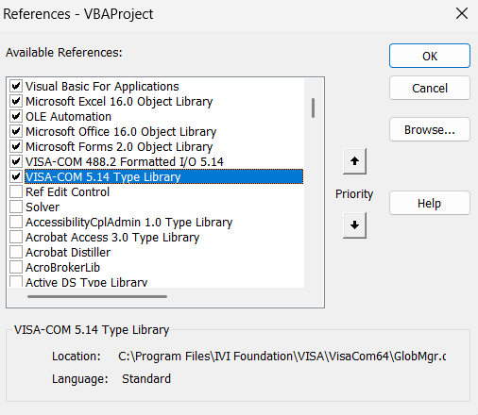

3 | Goto Module2 and set the COM PORT available on this line of code: Set arduino.IO = mgr.Open("ASRL26")
4 | Goto Inno6AQ sheet press the Connect button before using the other buttons

mcc config
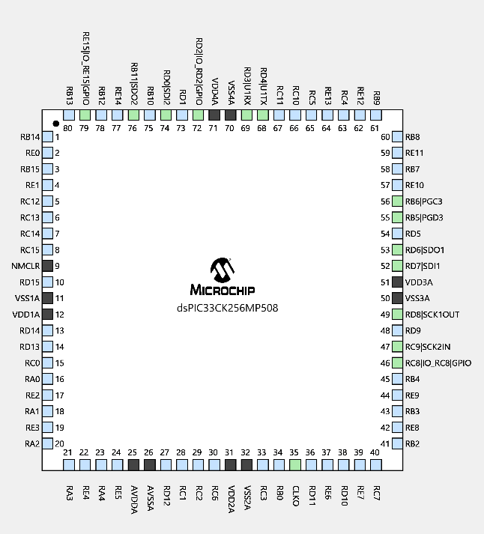
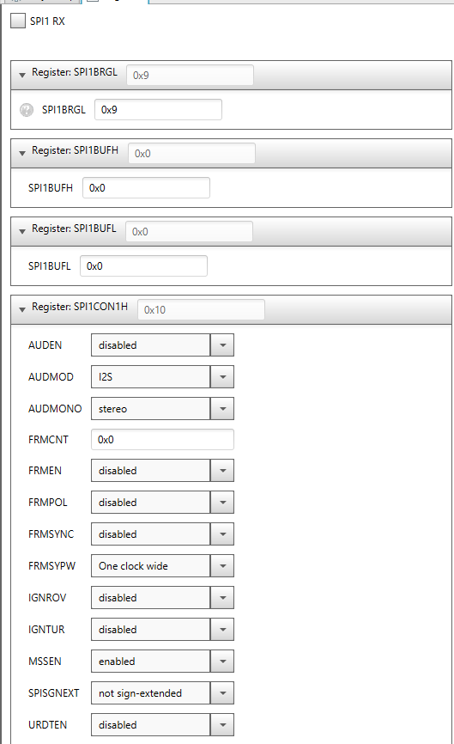

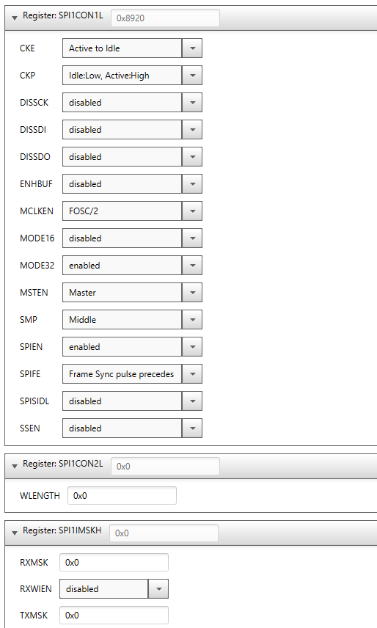

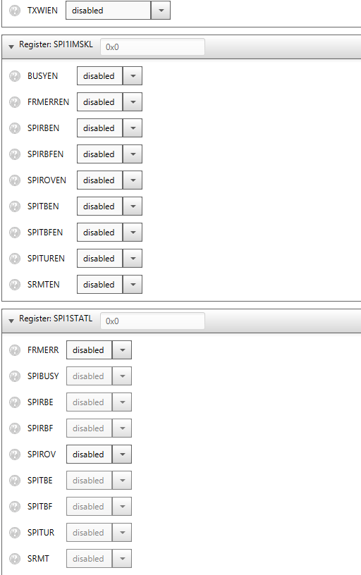

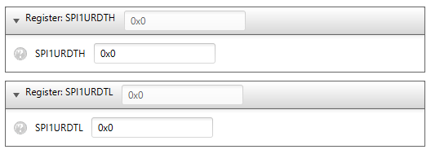

waveforms
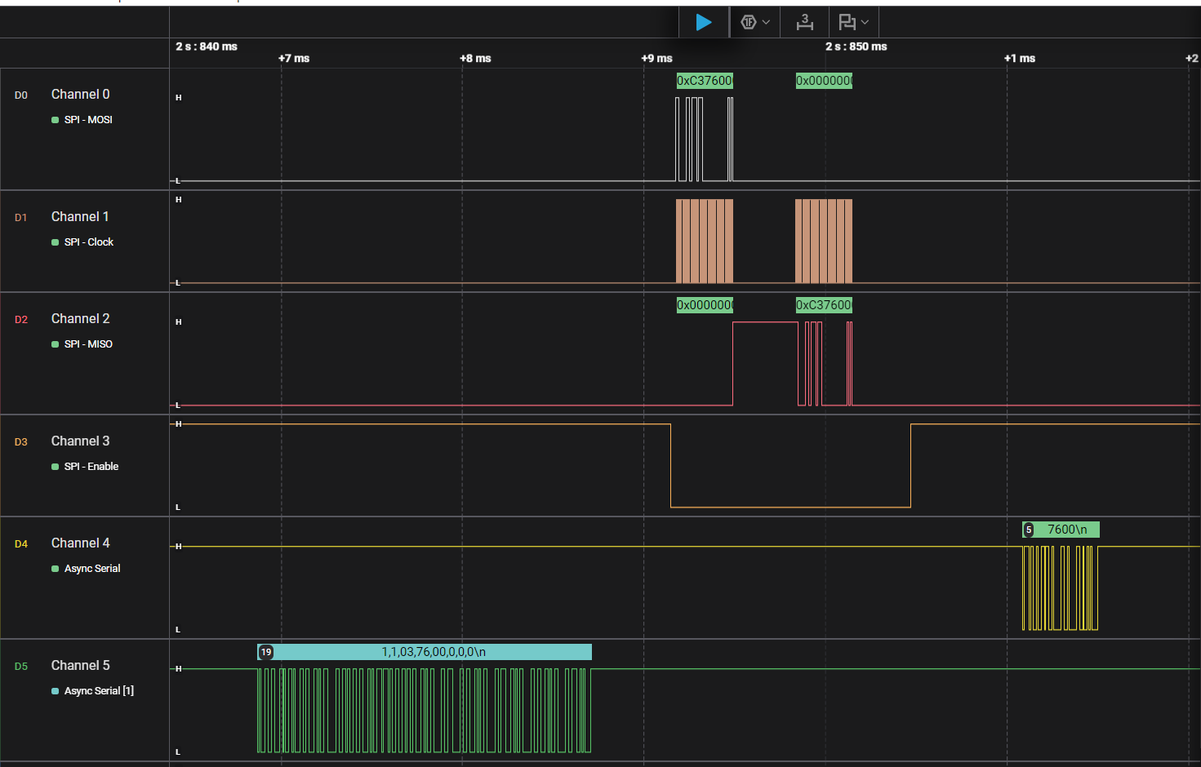
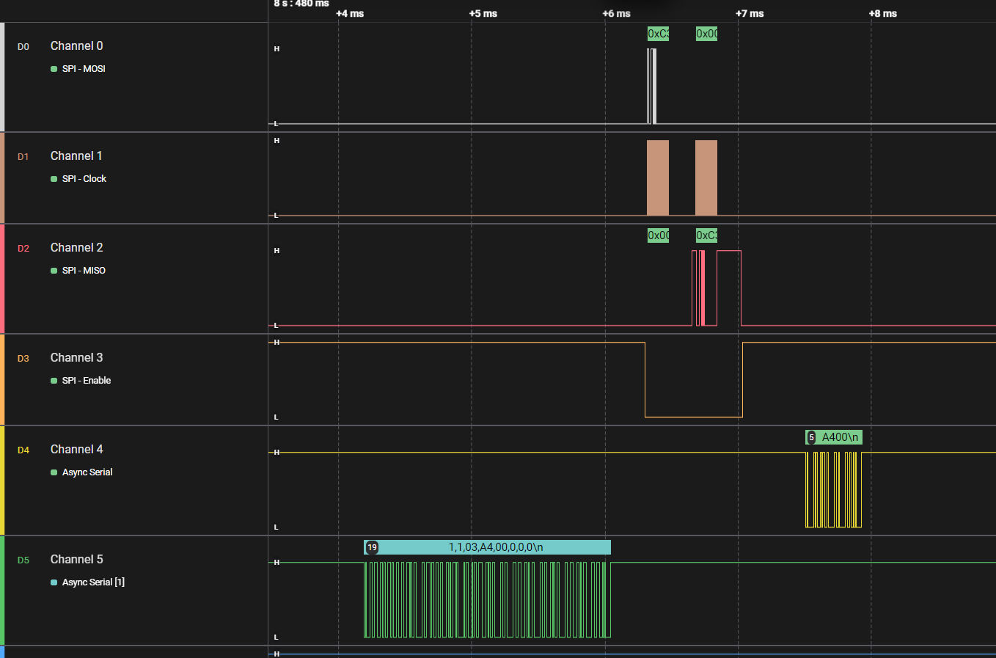
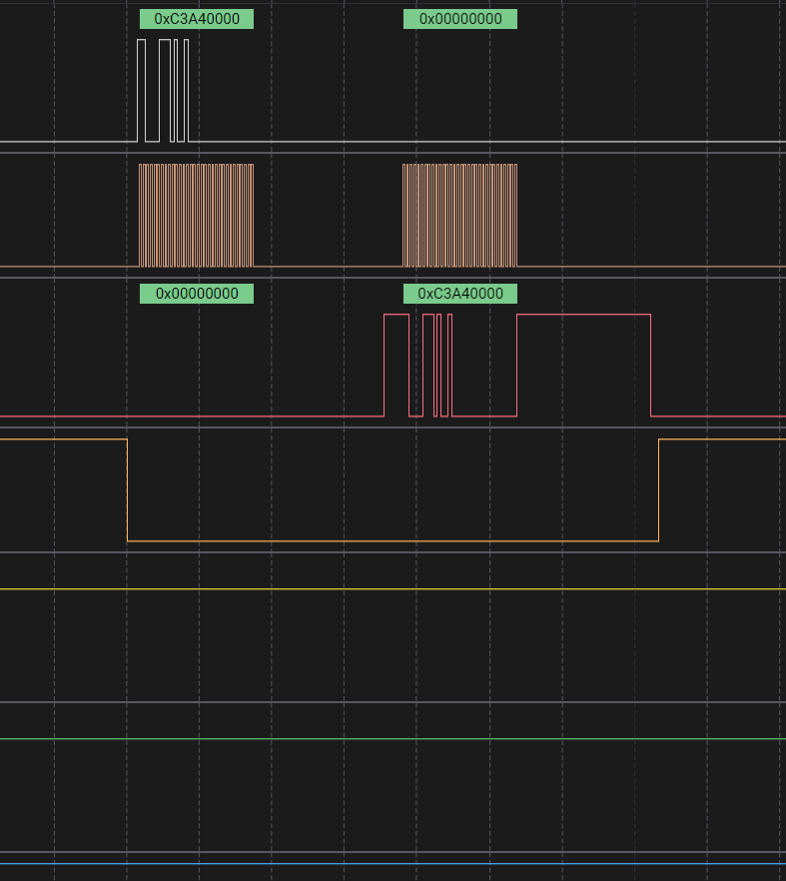
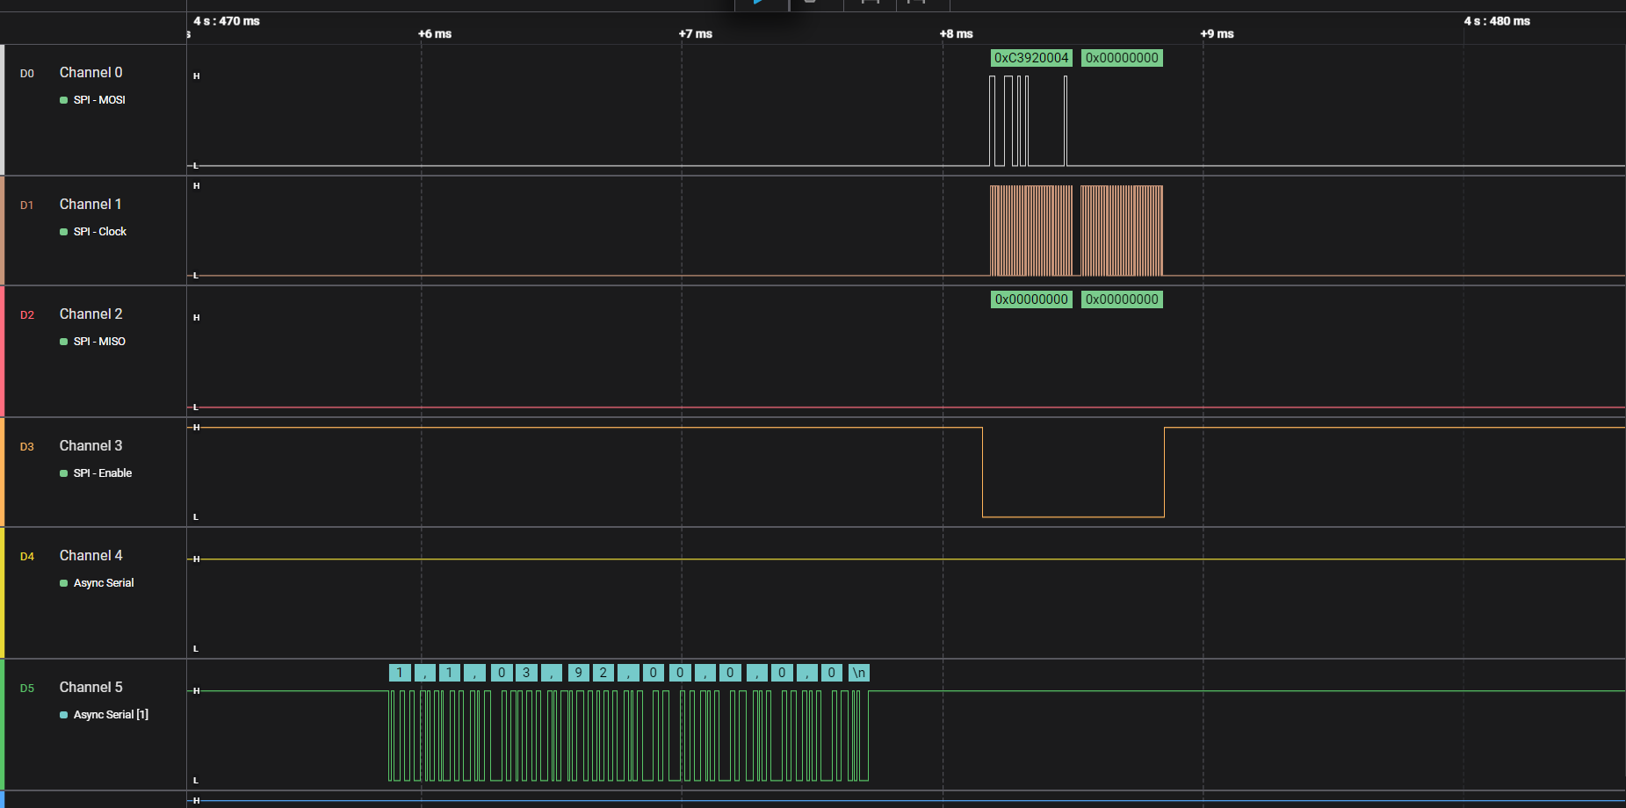
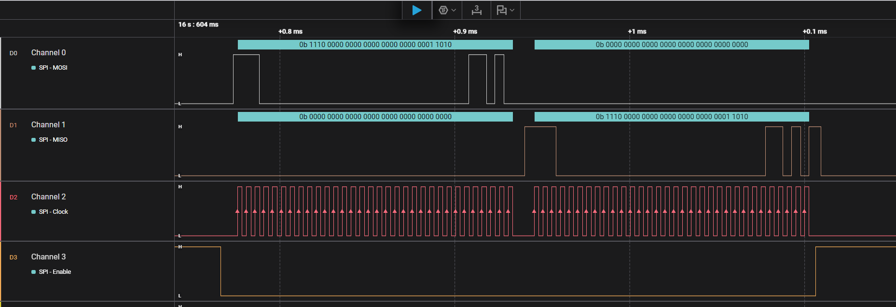

calculated CRC value

GUI
TX
PIC24F
MCU interface
(MASTER)
MOSI
dSPIC33CK
(Slave)

MISO
SCK
RX
CS

