Sheet1
 | هیستوگرام | بیشترین | کمترین | میانگین زمان اینفرنس | ساخت سشن | سخت افزار | نام مدل | توضیحات
 |  |  |  | 12 |  | GPU | yolo5s- custom weights- traind by FP
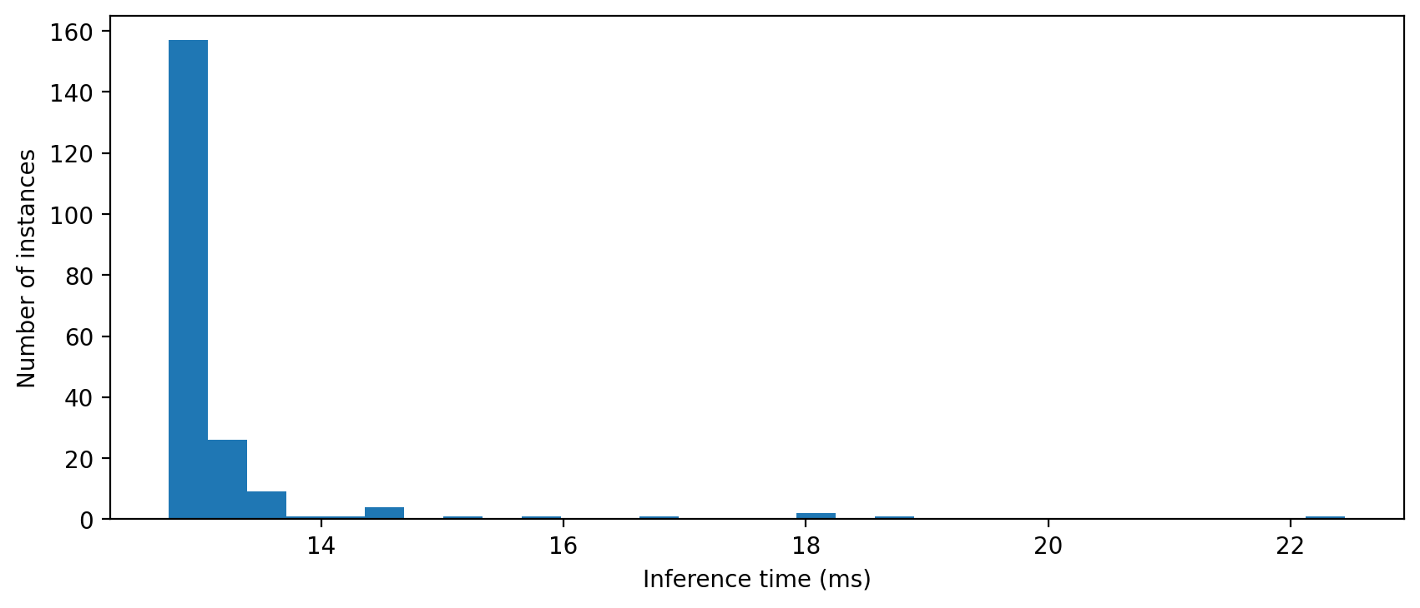 |  |  |  | 13 |  | GPU | sparss yolo5s- custom weights- traind by MP
 | 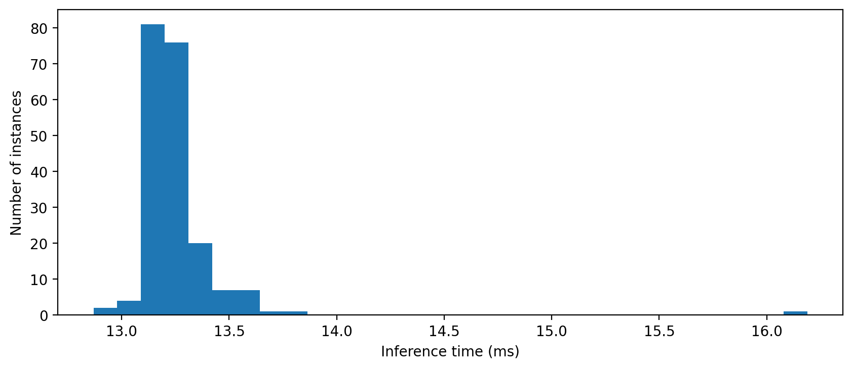 | 16 | 12 | 13 | 109 | GPU | sparss yolo5s- custom weights- traind by MP (ver2)
 |  |  |  | 40 |  | GPU | yolo7s- custom weights- traind and exported to onnx by FP
 |  |  |  | 40 |  | GPU | yolo7s- custom weights- exported to onnx by MP

 |  | 677 | 123 | 345 | 128 | CPU | yolo5s- custom weights- traind by FP
 |  | 597 | 244 | 334 | 145 | CPU | yolo5s- custom weights- traind by FP_exported_with_more_options(int8 = true, device=cpu)
 | 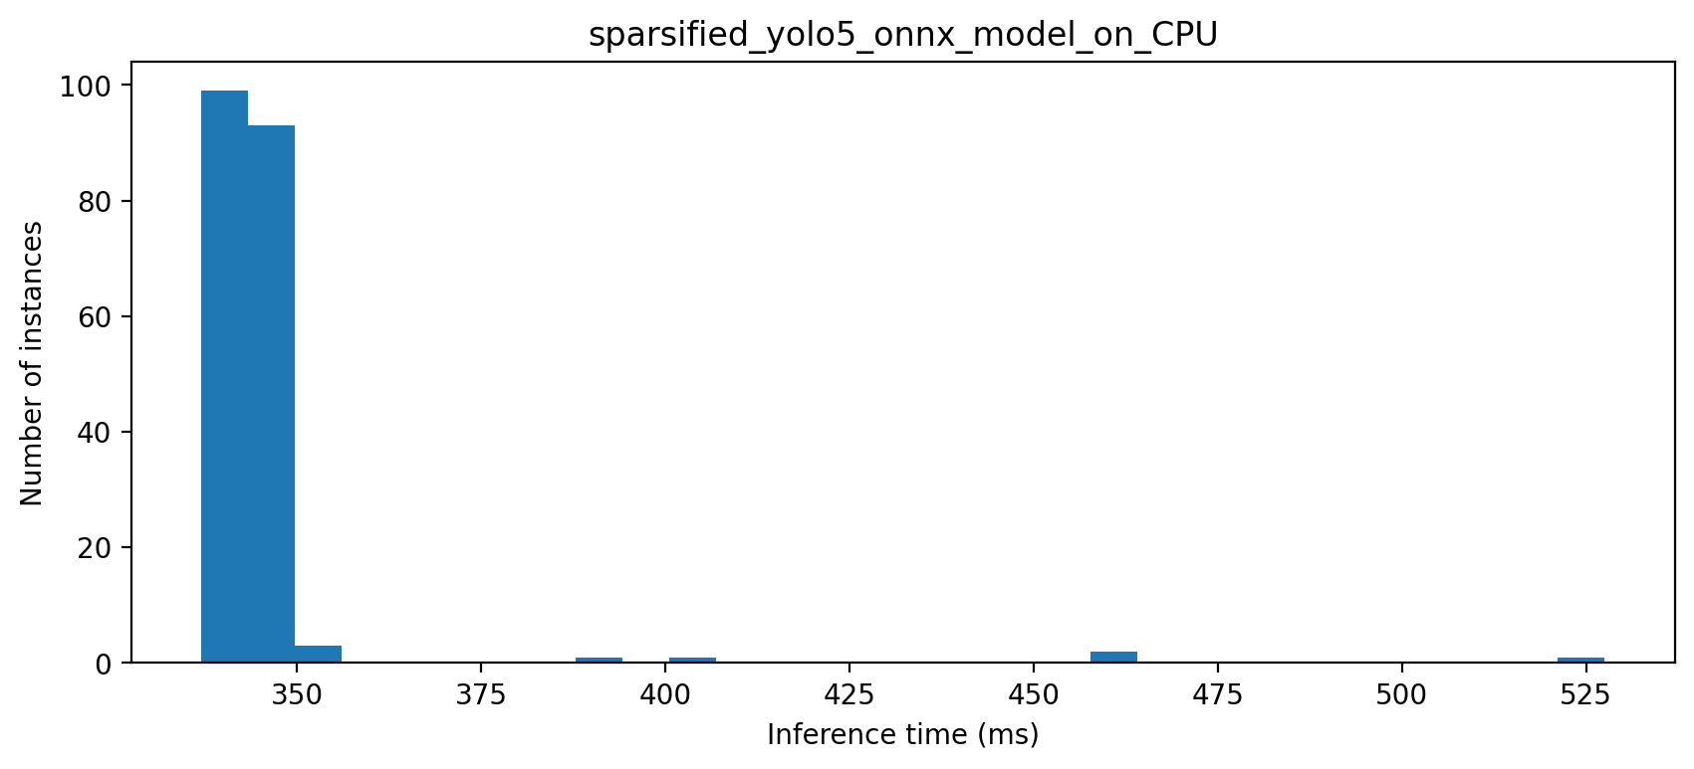 | 544 | 135 | 338 | 142 | CPU | sparss yolo5s- custom weights- traind by MP
 |  | 528 | 148 | 345 | 156 | CPU | sparss yolo5s- custom weights- traind by MP (ver 2)
 |  | 1282 | 281 | 367 | 177 | CPU | yolo7s- custom weights- traind and exported to onnx by FP
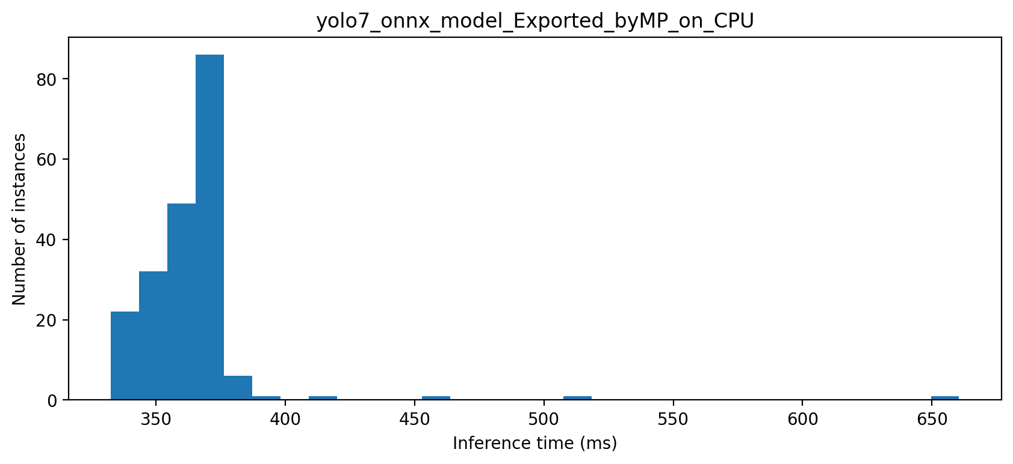 |  | 821 | 315 | 365 | 720 | CPU | yolo7s- custom weights- exported to onnx by MP

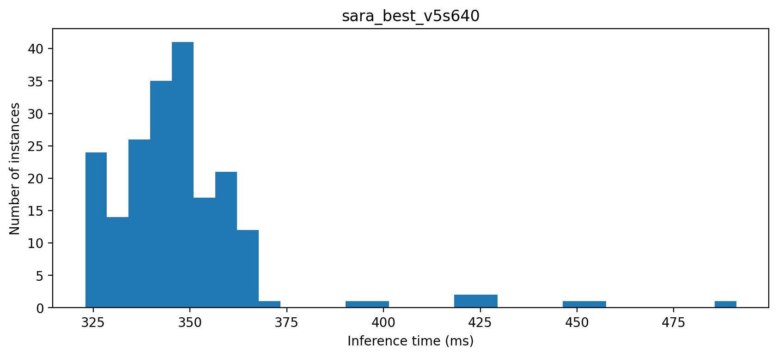 |  | 543 | 308 | 348 | 133 | CPU | sara_best_v5s640

