Sheet1
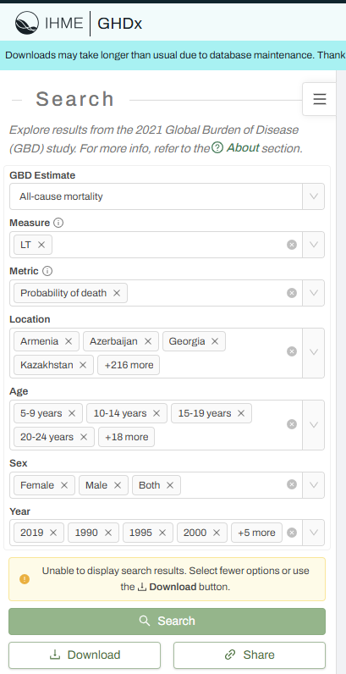
GBD Results tool:
Use the following to cite data included in this download:
Global Burden of Disease Collaborative Network.
Global Burden of Disease Study 2021 (GBD 2021) Results.
Seattle, United States: Institute for Health Metrics and Evaluation (IHME), 2022.
Available from https://vizhub.healthdata.org/gbd-results/.
Download completed date: | 2025-04-06 16:21:44 CEST

 | CoD Level_1 | CoD Level_2 | CoD Level_3 | PoD | Population | Fertility
GBD Estimate | Cause of death or Injury | Cause of death or Injury | Cause of death or Injury | All-cause mortality | Population | Fertility
Measure | Deaths | Deaths | Deaths | LT | Pop | TFR
Metric | Number | Number | Number | Probability of death | Number | Rate
Cause | "Select all level 1 causes" All Causes | "Select all level 2 causes" All Causes Other COVID-19 pandemic related outcomes | "Select all level 3 causes" | - | - | -
Location | "Select all countries and teritories" Global African Union Association of Southeast Asian Nations Commonwealth European Union Africa America Asia Europe G20 Gulf Cooperation Council League of Arab States Nordic Region OECD Countries Organization of Islamic Cooperation Sahel Region | "Select all countries and teritories" Global African Union Association of Southeast Asian Nations Commonwealth European Union Africa America Asia Europe G20 Gulf Cooperation Council League of Arab States Nordic Region OECD Countries Organization of Islamic Cooperation Sahel Region | "Select all countries and teritories" Global African Union Association of Southeast Asian Nations Commonwealth European Union Africa America Asia Europe G20 Gulf Cooperation Council League of Arab States Nordic Region OECD Countries Organization of Islamic Cooperation Sahel Region | "Select all countries and teritories" Global African Union Association of Southeast Asian Nations Commonwealth European Union Africa America Asia Europe G20 Gulf Cooperation Council League of Arab States Nordic Region OECD Countries Organization of Islamic Cooperation Sahel Region | "Select all countries and teritories" Global African Union Association of Southeast Asian Nations Commonwealth European Union Africa America Asia Europe G20 Gulf Cooperation Council League of Arab States Nordic Region OECD Countries Organization of Islamic Cooperation Sahel Region | "Select all countries and teritories" Global African Union Association of Southeast Asian Nations Commonwealth European Union Africa America Asia Europe G20 Gulf Cooperation Council League of Arab States Nordic Region OECD Countries Organization of Islamic Cooperation Sahel Region
Age | All ages <1 year 12-23 months 2-4 years 5-9 years 10-14 years 15-19 years 20-24 years 25-29 years 30-34 years 35-39 years 40-44 years 45-49 years 50-54 years 55-59 years 60-64 years 65-69 years 70-74 years 75-79 years 80-84 years 85-89 years 90-94 years 95+ years | All ages <1 year 12-23 months 2-4 years 5-9 years 10-14 years 15-19 years 20-24 years 25-29 years 30-34 years 35-39 years 40-44 years 45-49 years 50-54 years 55-59 years 60-64 years 65-69 years 70-74 years 75-79 years 80-84 years 85-89 years 90-94 years 95+ years | All ages <1 year 12-23 months 2-4 years 5-9 years 10-14 years 15-19 years 20-24 years 25-29 years 30-34 years 35-39 years 40-44 years 45-49 years 50-54 years 55-59 years 60-64 years 65-69 years 70-74 years 75-79 years 80-84 years 85-89 years 90-94 years 95+ years | All ages <1 year 12-23 months 2-4 years 5-9 years 10-14 years 15-19 years 20-24 years 25-29 years 30-34 years 35-39 years 40-44 years 45-49 years 50-54 years 55-59 years 60-64 years 65-69 years 70-74 years 75-79 years 80-84 years 85-89 years 90-94 years 95+ years | All ages | 10-54 years | 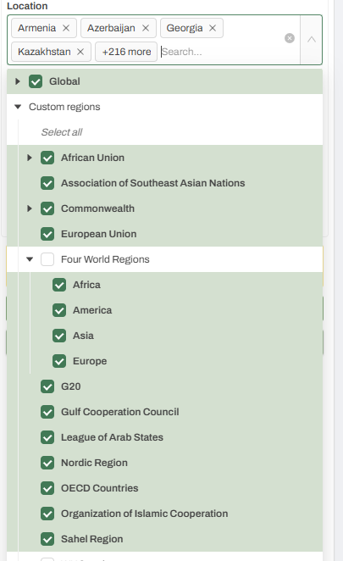
Sex | Male, Female | Male, Female | Male, Female | Male, Female, Both | Both | Female
Year | 1990, 1995, 2000, 2005, 2010, 2015, 2019, 2020, 2021 | 1990, 1995, 2000, 2005, 2010, 2015, 2019, 2020, 2021 | 1990, 1995, 2000, 2005, 2010, 2015, 2019, 2020, 2021 | 1990, 1995, 2000, 2005, 2010, 2015, 2019, 2020, 2021 | 2021 | 2021

Results Token ID | eccff678e31c3c41f387128c0c124298 | 8e2070ba8a0967120684cd25bfeefde9 | 114e4fdd5c8d25af41d7c72a6373bf87 | 6cbbe744b9a9b097843f2119811a8f8d

