Bugs
UI Bugs
 | Title | Notes/Screenshot/Attachment
Bug 1 | On reserve your appointment - payment method screen; continue button is enabled without entering creadit card information | 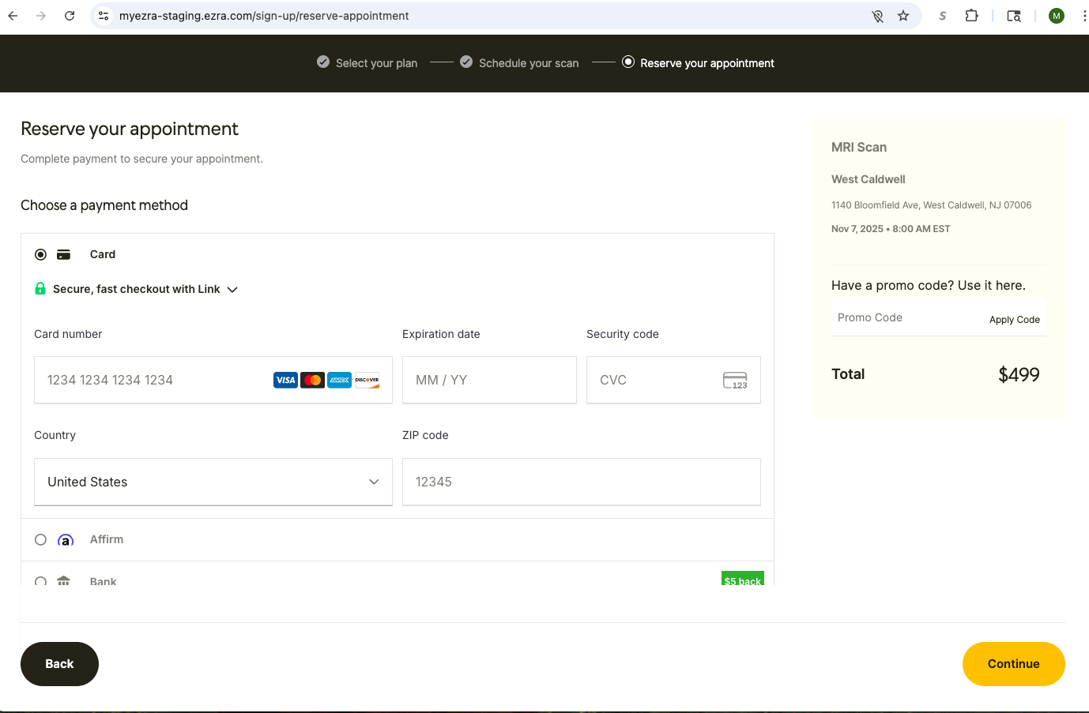
Bug 2 | New member joining email is NOT received
Bug 3 | Scheduling scan email is NOT received
Bug 4 | Password reset email is NOT received

