Sheet1
Mass Error to add | -0.005
Charge State | 2 |  |  |  | Values highlighted in green satisfy "IsotopeErrorRange=0,1" and "PrecursorMassTolerance=20ppm"
Charge Carrier | 1.00727649
 |  |  |  |  | Correct Mass Error (Da) |  |  |  | Correct Mass Error (ppm)
Theoretical m/z | Observed m/z | Theoretical Mono Mass | Observed Mono Mass | DelM | -1 | 0 | 1 | 2 | -1 | 0 | 1 | 2
637.835 | 637.84 | 1273.655 | 1273.665 | 0.01 | 1.013 | 0.010 | 0.993 | 1.997 | 796 | 8 | 780 | 1568
637.835 | 638.34 | 1273.655 | 1274.665 | 1.01 | 2.013 | 1.010 | 0.007 | 0.997 | 1581 | 793 | 5 | 783

607.295 | 607.3 | 1212.575 | 1212.585 | 0.01 | 1.013 | 0.010 | 0.993 | 1.997 | 836 | 8 | 819 | 1647
607.295 | 607.79 | 1212.575 | 1213.565 | 0.99 | 1.993 | 0.990 | 0.013 | 1.017 | 1644 | 816 | 11 | 838
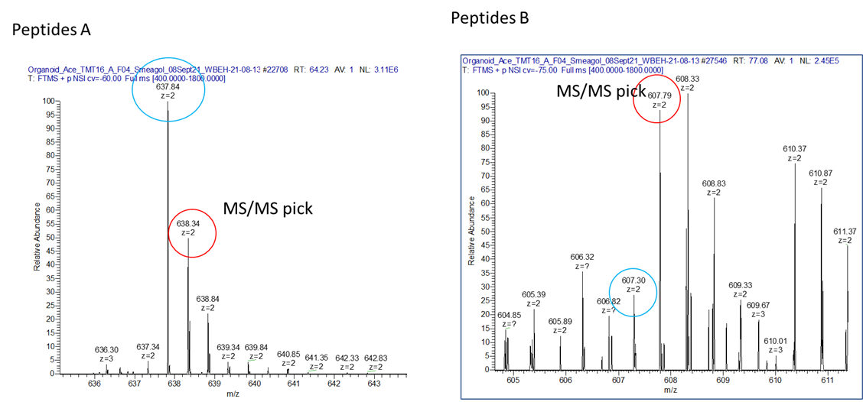
#Isotope error range
# Takes into account the error introduced by not choosing the monoisotopic peak for fragmentation.
# Useful for accurate precursor ion masses.
# Ignored if the parent mass tolerance is > 0.5Da or 500ppm.
# The combination of -t and -ti determines the precursor mass tolerance.
# e.g. "-t 20ppm -ti -1,2" tests abs(observed - theoretical - n * 1.00335Da) < 20ppm for n=-1, 0, 1, 2
IsotopeErrorRange=0,1

