23 v 24 Sales
 | Jan | Feb | Mar | Apr | May | Jun | Jul | Aug | Sep | Oct | Nov | Dec
2023 | 48 | 52 | 37 | 19 | 25 | 26 | 24 | 35 | 37 | 37 | 47 | 85
2024 | 17 | 12 | 19 | 10 | 11 | 12 | 7 | 7 | 12 | 9 | 38 | 55

Decline rate | 65% | 77% | 49% | 47% | 56% | 54% | 71% | 80% | 68% | 76% | 19% | 35% |  | 58%

 |  |  |  |  |  |  |  |  | Forecasted | Oct | Nov | Dec | Total
Month | Year | Sales |  |  |  |  |  | decline rate | 63% | 14 | 17 | 32 | 63
Jan | 2023 | 48 |  |  |  |  |  |  | 47% | 19 | 25 | 45 | 89
Feb | 2023 | 52 |  |  |  |  |  |  | 80% | 7 | 9 | 17 | 34
Mar | 2023 | 37 |  |  |  |  |  |  | 50% | 19 | 24 | 43 | 85
Apr | 2023 | 19
May | 2023 | 25 |  |  |  |  |  |  |  | 15 | 19 | 34 | 68
Jun | 2023 | 26
Jul | 2023 | 24
2023 v. 2024 Sales
2023 v. 2024 Monthly Sales
Aug | 2023 | 35
Sep | 2023 | 37
Oct | 2023 | 37
Nov | 2023 | 47
Dec | 2023 | 85
Jan | 2024 | 17
Feb | 2024 | 12
Mar | 2024 | 19
Apr | 2024 | 10
May | 2024 | 11
Jun | 2024 | 12
Jul | 2024 | 7
Aug | 2024 | 7
Sep | 2024 | 12
Oct | 2024 | 9
Nov | 2024 | 38
Dec | 2024 | 55

Minitab Results
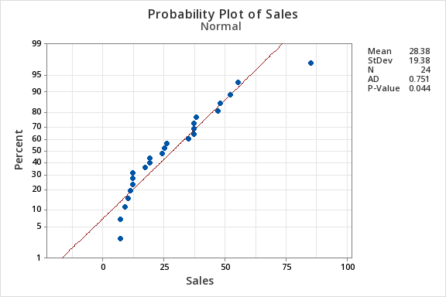

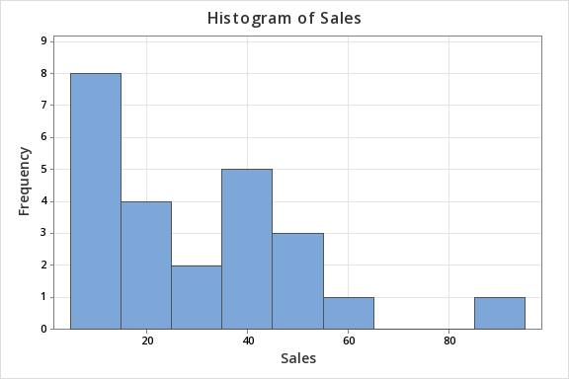
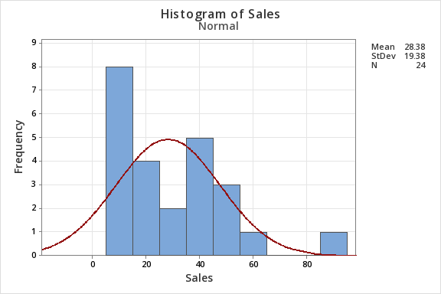

Shape:
The distribution appears positively skewed (long tail on the right).
This deviates from the symmetric bell curve of a normal distribution.
Normal Curve Fit:
The red normal curve (based on the mean and standard deviation of your data) does not match the bars well, especially on the left. The highest frequency (sales near 0-20) is much larger than expected for a normal distribution.
Potential Outlier:
The single value near 80 could be an outlier, which contributes to the skewness and affects normality.
Conclusion:
Your sales data is not well-modeled by a normal distribution, consistent with your Anderson-Darling test result (p = 0.044). The skewness and outlier might explain this deviation.

A p-value of 0.044 from the Anderson-Darling test indicates that your sales data deviates significantly from a normal distribution at the common significance level of 0.05.
Data is not normally distributed.

Storage Options
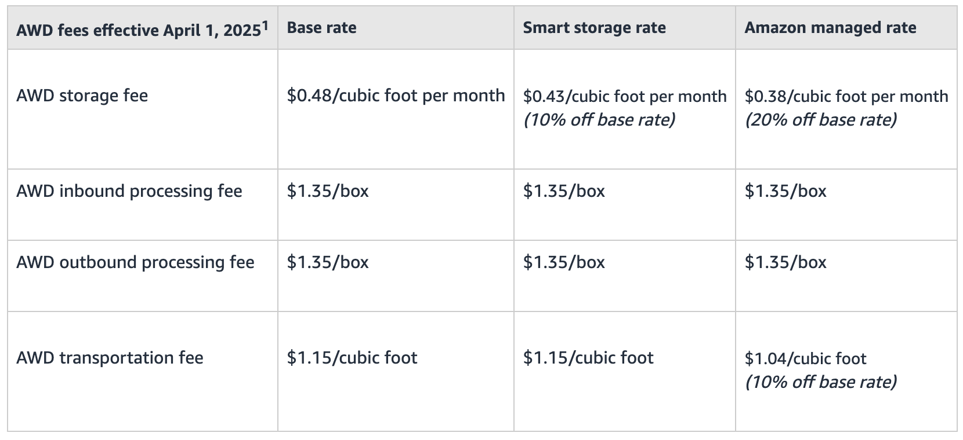
Dimensions:
To calculate the cubic feet of space the box takes up, follow these steps:
Convert the dimensions from inches to feet:
Width: 18.518.518.5 inches ÷ 121212 = 1.54 feet
Length: 11.7511.7511.75 inches ÷ 121212 = 0.98 feet
Height: 666 inches ÷ 121212 = 0.50 feet
Multiply the dimensions to find the volume: 1.54×0.98×0.50=0.7547 cubic feet1.54 \times 0.98 \times 0.50 = 0.7547 \text{ cubic feet}1.54×0.98×0.50=0.7547 cubic feet
So, the box takes up approximately 0.75 cubic feet of space.
Pallets:
5 layers → 33.75 cubic feet
6 layers → 40.5 cubic feet
 | *Pallet has 324 units
 | Assuming 6 layers

 | Base Rate |  |  |  |  | Nevada
 | Storage Fee per pallet per month |  |  | $19.44 |  | Storage Fee per pallet per month | $26.75
 | Transportation Fee per pallet per month |  |  | $46.57 |  | UPS Fee - flat rate | $9.05
 | Inbound Fee for 1 pallet, 324 boxes? |  |  | $437.40 |  | Amazon Fee for 15 boxes, 5 locations | $182.10
 | Outbound Fee for 1 pallet, 324 boxes? |  |  | $437.40 |  | Nevada Process Fee for 15 boxes | $39.00

 |  |  |  |  | On the $39.00 Pick and Process Order price, the cost is $1.50 for the order and $2.50 per item (box of 6) picked

 |  | Amazon | Nevada |  |  |  | 38.6
 |  | $0.06 | $0.50
to ship one pallet: $473.33 |  | $0.14 | $9.05
to ship 11 pallets: $3,487.78 |  | $8.10 | $2.43 | * ???
 |  | $8.10 | $2.60 | *

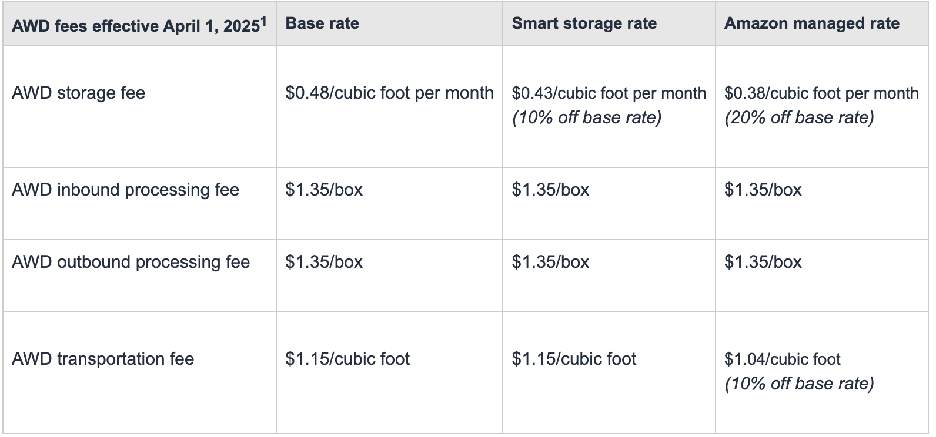
 |  | Taking out the UPS Fee, they are about equal. |  |  |  |  |  |  |  | I believe you quality for Smart Storage rate
 |  | (If my assumptions are correct) |  |  |  |  |  |  |  | AWD auto-replenishment to move inventory of that SKU from AWD to FBA

 |  | Everything should be per "box" |  |  |  |  |  |  |  |  | Units | Pallets | Cubic Feet | Boxes
 |  |  |  |  |  |  |  | Quantity sending from China to Amazon |  |  | 324 | 1.0 | 40.5 | 54
 |  |  |  |  |  |  |  | Quantity Amazon auto-replenishes |  |  | 50 | 0.2 | 6.3 | 9

 |  |  |  |  |  |  |  |  | AWD
 |  |  |  |  |  |  |  |  |  | Storage Fee | $17.42
 | Box: box of 6 |  |  |  |  |  |  |  |  | Inbound Fee | $72.90
 | Pallet: 54 boxes |  |  |  |  |  |  |  |  | Outbound Fee | $12.15
 |  |  |  |  |  |  |  |  |  | Transportation Fee | $7.19

 |  |  |  |  |  |  |  |  |  | Total (one shipment in, one shipment out) = |  |  | $109.65

 |  |  |  |  |  |  |  |  | Nevada |  |  |  |  |  | $28.00
 |  |  |  |  |  |  |  |  |  | Storage Fee | $26.75
 |  |  |  |  |  |  |  |  |  | UPS Fee | $9.05
 |  |  |  |  |  |  |  |  |  | Amazon Fee | $21.85 | *
 |  |  |  |  |  |  |  |  |  | Nevada Fee | $24.00

 |  |  |  |  |  |  |  |  |  | Total (one shipment in, one shipment out) = |  |  | $81.65

