DBH
DBH (gamma model)

m_dbh_disp <- glmmTMB(d ~ veg_ty + (1 | plot),
+ dispformula = ~ veg_ty,
+ data = tree,
+ family = Gamma(link = "log"))
> Anova(m_dbh_disp) #ojo, Anova con A mayúscula, paquete car
Analysis of Deviance Table (Type II Wald chisquare tests)

Response: d
Chisq Df Pr(>Chisq)
veg_ty 30.193 3 1.257e-06 ***

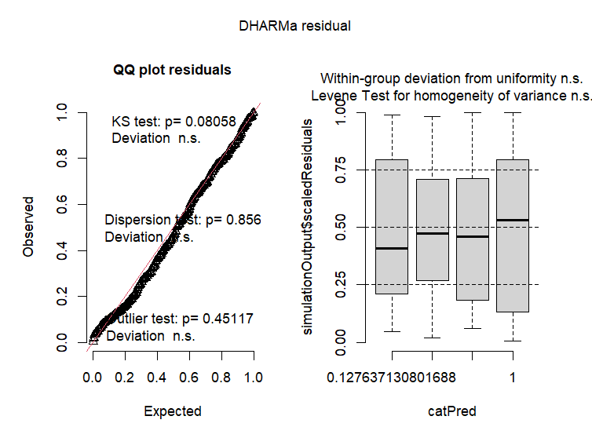

emmeans(m_dbh_disp, pairwise ~ veg_ty, type = "response") #type response sirve para que deshaga el log y devuelva las medias en la escala original
$emmeans
veg_ty response SE df asymp.LCL asymp.UCL
E0 15.2 1.02 Inf 13.4 17.4
E10 14.3 1.03 Inf 12.4 16.4
E27 16.1 1.12 Inf 14.0 18.4
Q 24.4 1.91 Inf 20.9 28.4

Confidence level used: 0.95
Intervals are back-transformed from the log scale

$contrasts
contrast ratio SE df null z.ratio p.value
E0 / E10 1.068 0.1050 Inf 1 0.673 0.9073
E0 / E27 0.949 0.0917 Inf 1 -0.538 0.9497
E0 / Q 0.626 0.0644 Inf 1 -4.555 <0.0001
E10 / E27 0.889 0.0891 Inf 1 -1.178 0.6408
E10 / Q 0.586 0.0623 Inf 1 -5.028 <0.0001
E27 / Q 0.659 0.0691 Inf 1 -3.971 0.0004

P value adjustment: tukey method for comparing a family of 4 estimates
Tests are performed on the log scale

Richness
Riqueza
Modelo Poisson | modelo semipoisson

m_riq_poisson <- glm(Riqueza ~ veg_ty, data = datos_plot, family = poisson(link = "log"))
> summary(m_riq_poisson) | > m_riq_quasi <- glm(Riqueza ~ veg_ty, data = datos_plot, family = quasipoisson(link = "log"))
 | > summary(m_riq_quasi)
Call:
glm(formula = Riqueza ~ veg_ty, family = poisson(link = "log"), | Call:
data = datos_plot) | glm(formula = Riqueza ~ veg_ty, family = quasipoisson(link = "log"),
 | data = datos_plot)
Coefficients:
Estimate Std. Error z value Pr(>|z|) | Coefficients:
(Intercept) 0.40547 0.28867 1.405 0.1601 | Estimate Std. Error t value Pr(>|t|)
veg_tyE10 0.08004 0.40032 0.200 0.8415 | (Intercept) 0.40547 0.16973 2.389 0.023881 *
veg_tyE27 0.84730 0.34503 2.456 0.0141 * | veg_tyE10 0.08004 0.23538 0.340 0.736347
veg_tyQ -0.18232 0.42817 -0.426 0.6702 | veg_tyE27 0.84730 0.20287 4.177 0.000261 ***
--- | veg_tyQ -0.18232 0.25175 -0.724 0.474948
Signif. codes: 0 ‘***’ 0.001 ‘**’ 0.01 ‘*’ 0.05 ‘.’ 0.1 ‘ ’ 1 | ---
 | Signif. codes: 0 ‘***’ 0.001 ‘**’ 0.01 ‘*’ 0.05 ‘.’ 0.1 ‘ ’ 1
(Dispersion parameter for poisson family taken to be 1)
 | (Dispersion parameter for quasipoisson family taken to be 0.3457105) | Si este valor <1 tengo subdispersióin y el modelo Quasipoisson es bueno si no hay estructura en el gráfico de diagnóstico
Null deviance: 21.384 on 31 degrees of freedom
Residual deviance: 9.764 on 28 degrees of freedom | Null deviance: 21.384 on 31 degrees of freedom
AIC: 96.512 | Residual deviance: 9.764 on 28 degrees of freedom
 | AIC: NA
Number of Fisher Scoring iterations: 4
 | Number of Fisher Scoring iterations: 4
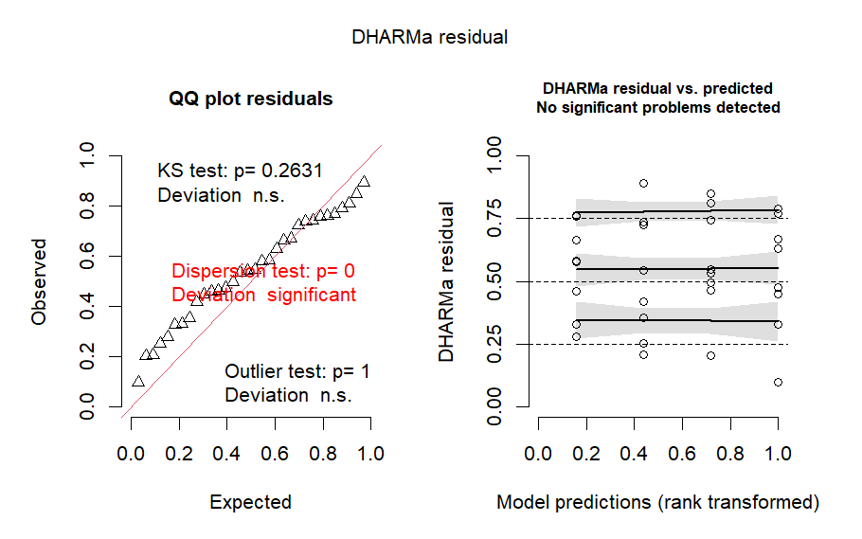
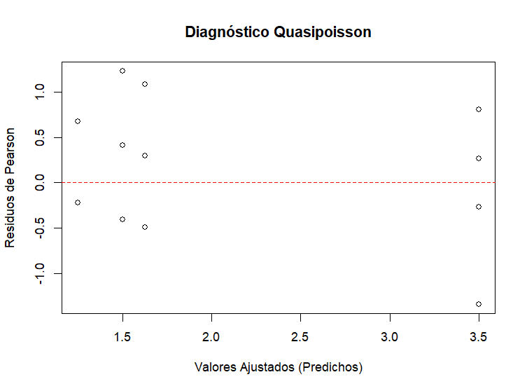

 | > anova(m_riq_quasi, test = "F")
 | Analysis of Deviance Table

 | Model: quasipoisson, link: log

 | Response: Riqueza

 | Terms added sequentially (first to last)

 | Df Deviance Resid. Df Resid. Dev F Pr(>F)
 | NULL 31 21.384
 | veg_ty 3 11.62 28 9.764 11.204 5.271e-05 ***
 | ---
 | Signif. codes: 0 ‘***’ 0.001 ‘**’ 0.01 ‘*’ 0.05 ‘.’ 0.1 ‘ ’ 1

 | comparaciones <- emmeans(m_riq_quasi, poly ~ veg_ty, type = "response")
 | > pairs(emmeans(m_riq_quasi, ~ veg_ty, type = "response"))
 | contrast ratio SE df null z.ratio p.value
 | E0 / E10 0.923 0.2170 Inf 1 -0.340 0.9865
 | E0 / E27 0.429 0.0869 Inf 1 -4.177 0.0002
 | E0 / Q 1.200 0.3020 Inf 1 0.724 0.8875
 | E10 / E27 0.464 0.0916 Inf 1 -3.888 0.0006
 | E10 / Q 1.300 0.3220 Inf 1 1.061 0.7134
 | E27 / Q 2.800 0.6060 Inf 1 4.753 <0.0001

Shannon
Shannon
modelo lineal

m_shannon <- lm(Shannon ~ veg_ty, data = datos_plot)
> # 2. comprobar residuos
> residuos_shannon <- simulateResiduals(fittedModel = m_shannon)
> plot(residuos_shannon)

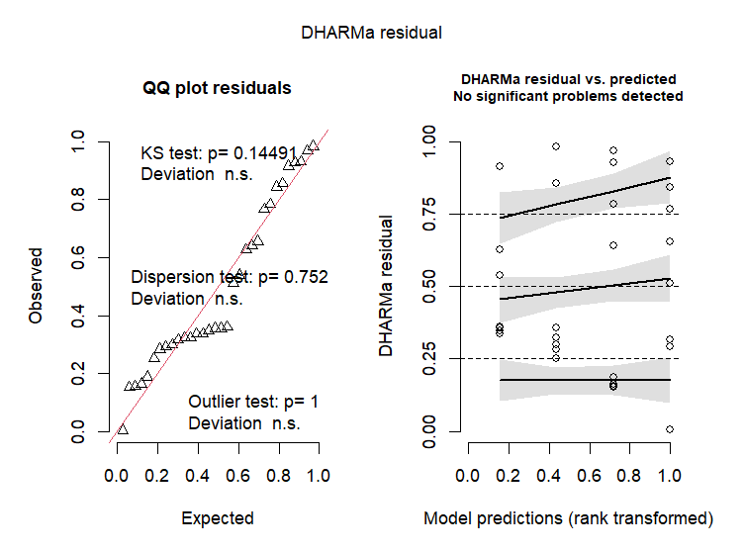

anova(m_shannon)
Analysis of Variance Table

Response: Shannon
Df Sum Sq Mean Sq F value Pr(>F)
veg_ty 3 1.1143 0.37142 8.0879 0.0004915 ***
Residuals 28 1.2858 0.04592
---

emm_shannon
veg_ty emmean SE df lower.CL upper.CL
E0 0.0778 0.0758 28 -0.0774 0.233
E10 0.2073 0.0758 28 0.0521 0.362
E27 0.5470 0.0758 28 0.3918 0.702
Q 0.1069 0.0758 28 -0.0483 0.262

Confidence level used: 0.95
> pairs(emm_shannon, adjust = "tukey")
contrast estimate SE df t.ratio p.value
E0 - E10 -0.1295 0.107 28 -1.208 0.6267
E0 - E27 -0.4693 0.107 28 -4.380 0.0008
E0 - Q -0.0291 0.107 28 -0.272 0.9928
E10 - E27 -0.3398 0.107 28 -3.171 0.0181
E10 - Q 0.1004 0.107 28 0.937 0.7854
E27 - Q 0.4402 0.107 28 4.108 0.0017

tree_heigh
modelo con distribución gamma que permite distinta varianza entre tipos de bosque

m_gamma_disp <- glmmTMB(h ~ veg_ty + (1 | plot),
dispformula = ~ veg_ty,
data = tree,
family = Gamma(link = "log"))

> Anova(m_gamma_disp, type = "III") #ojo, Anova con A mayúscula
Analysis of Deviance Table (Type III Wald chisquare tests)

Response: h
Chisq Df Pr(>Chisq)
(Intercept) 1113.039 1 < 2.2e-16 ***
veg_ty 36.157 3 6.937e-08 ***
---

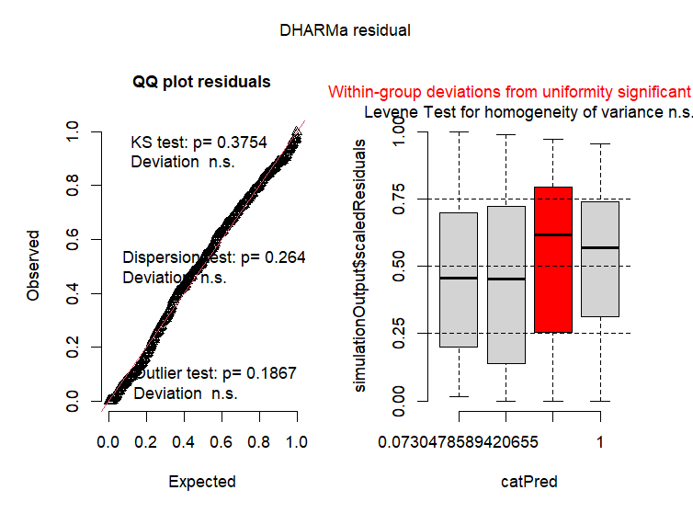

post_hoc$emmeans
> post_hoc$contrasts
contrast ratio SE df null z.ratio p.value
E0 / E10 1.471 0.169 Inf 1 3.366 0.0042
E0 / E27 1.239 0.146 Inf 1 1.822 0.2627
E0 / Q 1.966 0.228 Inf 1 5.839 <.0001
E10 / E27 0.843 0.101 Inf 1 -1.428 0.4818
E10 / Q 1.337 0.158 Inf 1 2.462 0.0660
E27 / Q 1.587 0.192 Inf 1 3.816 0.0008

