Sheet1
Can id decimal | Can id Decimal | Cut last digit | Can id Hex
ID | 412090688x | 412090688 | 18900140 | Type=D | Length=8 |  | 16 | Byte1 | Byte2 | Byte3 | Byte4 | Byte5 | Byte6 | Byte7 | Byte8
ID | 412106753x | 412106753 | 18904001 | Type=D | Length=8 | Data90 | 01030000753001F2 | 01 | 03 | 00 | 00 | 75 | 30 | 01 | F2
ID | 412156224x | 412156224 | 18910140 | Type=D | Length=8 |  |  | 1 | 3 | 0 | 0 | 117 | 48 | 1 | 242
ID | 412172289x | 412172289 | 18914001 | Type=D | Length=8 | Data91 | 0E8F050E7A0401F2 | 0E | 8F | 05 | 0E | 7A | 04 | 01 | F2
ID | 412221760x | 412221760 | 18920140 | Type=D | Length=8 |  |  | 14 | 143 | 5 | 14 | 122 | 4 | 1 | 242
ID | 412237825x | 412237825 | 18924001 | Type=D | Length=8 | Data92 | 3E013E017A0401F2 | 3E | 01 | 3E | 01 | 7A | 04 | 01 | F2
ID | 412287296x | 412287296 | 18930140 | Type=D | Length=8 |  |  | 62 | 1 | 62 | 1 | 122 | 4 | 1 | 242
ID | 412303361x | 412303361 | 18934001 | Type=D | Length=8 | Data93 | 0001014800003A5C | 00 | 01 | 01 | 48 | 00 | 00 | 3A | 5C
ID | 412352832x | 412352832 | 18940140 | Type=D | Length=8 |  |  | 0 | 1 | 1 | 72 | 0 | 0 | 58 | 92
ID | 412368897x | 412368897 | 18944001 | Type=D | Length=8 | Data94 | 701000002 | 70 | 10 | 00 | 00 | 2
ID | 412418368x | 412418368 | 18950140 | Type=D | Length=8 |  |  | 112 | 16 | 0 | 0 | 2
ID | 412434433x | 412434433 | 18954001 | Type=D | Length=8 | Data95 | 030E7E0E8F0E8C | 03 | 0E7E | 7E | 0E8F | 8F | 0E8C | 8C
ID | 412483904x | 412483904 | 18960140 | Type=D | Length=8 |  |  | 3 | 3710 | 126 | 3727 | 143 | 3724 | 140
ID | 412499969x | 412499969 | 18964001 | Type=D | Length=8 | Data96 | 013E7E0E8F0E8C | 01 | 3E | 7E | 0E | 8F | 0E | 8C
ID | 412549440x | 412549440 | 18970140 | Type=D | Length=8 |  |  | 1 | 62 | 126 | 14 | 143 | 14 | 140
ID | 412565505x | 412565505 | 18974001 | Type=D | Length=8
ID | 412614976x | 412614976 | 18980140 | Type=D | Length=8
ID | 412631041x | 412631041 | 18984001 | Type=D | Length=8
ID | 416809280x | 416809280 | 18D80140 | Type=D | Length=8
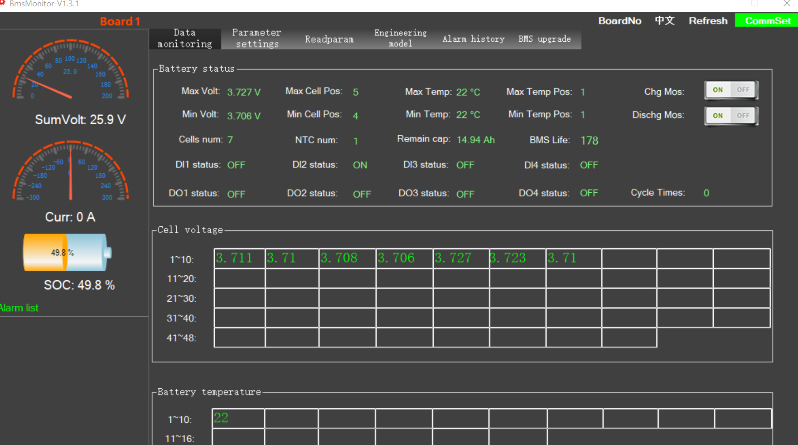
ID | 416825345x | 416825345 | 18D84001 | Type=D | Length=8 | Data | 000000D8 | 00 | 00 | 00 | D8

Sheet2
 | Priority | Data ID | BMS Address | PC Address | Data Content
upper computer
18900140 | 18 | 90 | 01 | 40
BMS repond to host
18904001 | 18 | 90 | 40 | 01

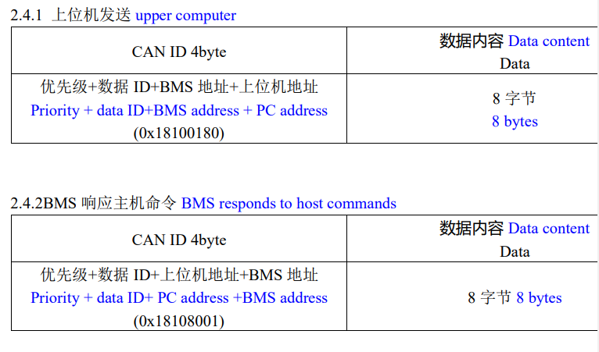

 |  |  |  |  |  | Data ID
 |  |  |  |  |  | 0x90 | SOC of Total Voltage
 |  |  |  |  |  | 0x91 | Maximum Minimum Voltage of Monomer
 |  |  |  |  |  | 0x92 | Maximum minimum temperature
 |  |  |  |  |  | 0x93 | Charge/discharge, MOS status
 |  |  |  |  |  | 0x94 | Status Information 1
 |  |  |  |  |  | 0x95 | Cell voltage 1~48
 |  |  |  |  |  | 0x96 | temperature
 |  |  |  |  |  | 0x97 | equilibrium state
 |  |  |  |  |  | 0x98 | Battery failure status

