Feedforward
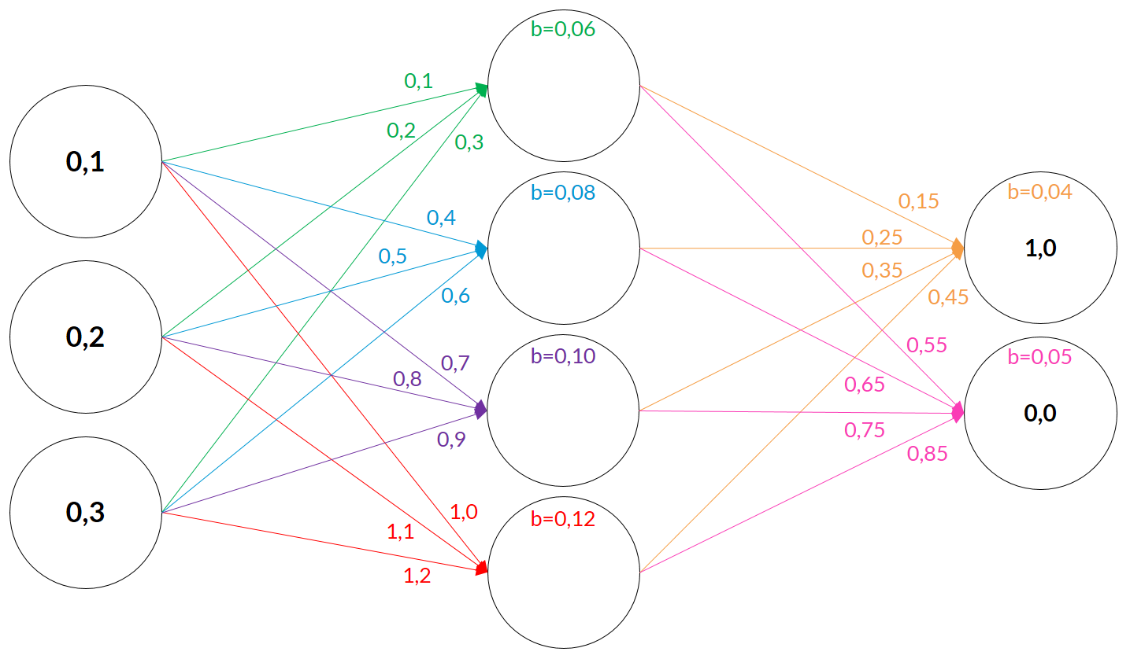
Input |  |  | Hidden Layer |  |  |  |  | Output Layer
 |  |  | Weights |  |  |  |  | Weights
I1 | I2 | I3 | H1 | H2 | H3 | H4 |  | O1 | O2
0.1 | 0.2 | 0.3 | 0.100 | 0.400 | 0.700 | 1.000 |  | 0.150 | 0.550
 |  |  | 0.200 | 0.500 | 0.800 | 1.100 |  | 0.250 | 0.650
 |  |  | 0.300 | 0.600 | 0.900 | 1.200 |  | 0.350 | 0.750
 |  |  |  |  |  |  |  | 0.450 | 0.850

 |  |  | Weighted Input |  |  |  |  | Weighted Input
 |  |  | 0.0100 | 0.0400 | 0.0700 | 0.1000 |  | 0.0824751 | 0.3024087
 |  |  | 0.0400 | 0.1000 | 0.1600 | 0.2200 |  | 0.1496719 | 0.3891470
 |  |  | 0.0900 | 0.1800 | 0.2700 | 0.3600 | + | 0.2259797 | 0.4842422
 |  |  | 0.1400 | 0.3200 | 0.5000 | 0.6800 |  | 0.3104885 | 0.5864783 | +
 |  |  |  |  |  |  |  | 0.7686152 | 1.7622762

 |  |  | Biases |  |  |  |  | Biases
 |  |  | 0.060 | 0.080 | 0.100 | 0.120 |  | 0.040 | 0.050

 |  |  | Input Sum 'Z' |  |  |  |  | Input Sum 'Z'
 |  |  | 0.2000 | 0.4000 | 0.6000 | 0.8000 |  | 0.80861524 | 1.81227622

 |  |  | Output (Sigmoid) |  |  |  |  | Output (Sigmoid)
 |  |  | 0.5498 | 0.5987 | 0.6457 | 0.6900 |  | 0.6918 | 0.8596

 |  |  |  |  |  |  | Target Values | 1.0000 | 0.0000
 |  |  |  |  |  |  | Quadratic Cost = (Output-Target)^2 | 0.094978 | 0.738975
 |  |  |  |  |  |  | Total Cost | 0.833954

Sigmoid
 | Sigmoid | Sigmoid Derivative
-5 | 0.01 | 0.01
-4.5 | 0.01 | 0.01
-4 | 0.02 | 0.02
-3.5 | 0.03 | 0.03
-3 | 0.05 | 0.05
-2.5 | 0.08 | 0.07
-2 | 0.12 | 0.11
-1.5 | 0.18 | 0.15
-1 | 0.27 | 0.20
-0.5 | 0.38 | 0.24
0 | 0.50 | 0.25
0.5 | 0.62 | 0.24
1 | 0.73 | 0.20
1.5 | 0.82 | 0.15
2 | 0.88 | 0.11
2.5 | 0.92 | 0.07
3 | 0.95 | 0.05
3.5 | 0.97 | 0.03
4 | 0.98 | 0.02
4.5 | 0.99 | 0.01
5 | 0.99 | 0.01

Tanh
 | Tanh | Tanh Derivative
-3 | -1.00 | 0.01
-2.7 | -0.99 | 0.02
-2.4 | -0.98 | 0.03
-2.1 | -0.97 | 0.06
-1.8 | -0.95 | 0.10
-1.5 | -0.91 | 0.18
-1.2 | -0.83 | 0.31
-0.9 | -0.72 | 0.49
-0.6 | -0.54 | 0.71
-0.3 | -0.29 | 0.92
0 | - | 1.00
0.3 | 0.29 | 0.92
0.6 | 0.54 | 0.71
0.9 | 0.72 | 0.49
1.2 | 0.83 | 0.31
1.5 | 0.91 | 0.18
1.8 | 0.95 | 0.10
2.1 | 0.97 | 0.06
2.4 | 0.98 | 0.03
2.7 | 0.99 | 0.02
3 | 1.00 | 0.01

