Лист1
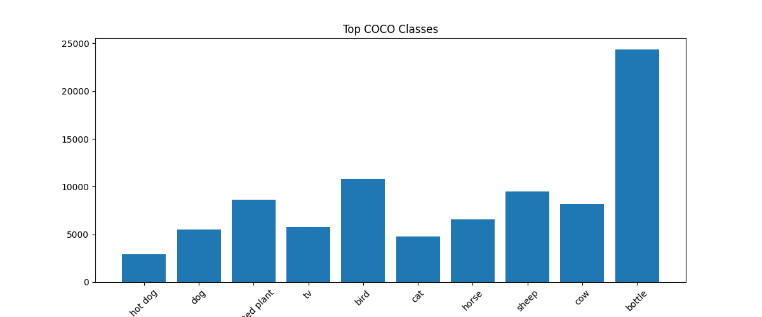
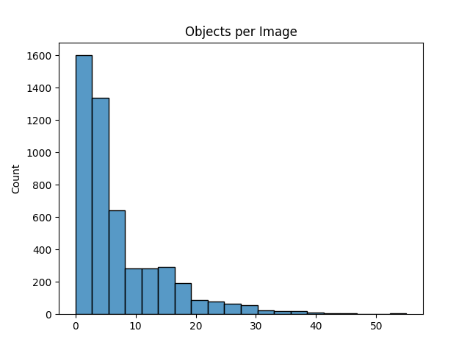
Images | 118287
Categories | 80
Annotations | 860001

Comments
We can see that the classes are inbalanced. The class bottle is dominant. We see also that the majority of the count of objects in the images are in the single digits. The average count of objects in image is 7,1534.

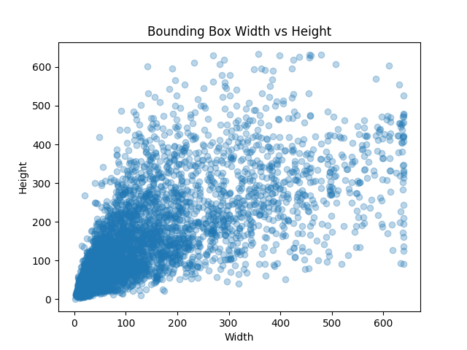

Comments |  | Comments
Most of the objects are similar in width and height and the amount of outliers is insignificant. They are left unchanged in the dataset to preserve realism and variability. |  | Additional information about the COCO dataset is available on the official website: https://cocodataset.org/#home. This includes detailed dataset description, category definitions, and annotation format specifications. The provided analysis focuses on extracting and visualizing the most relevant statistical properties directly from the dataset.

