Лист1
Feature | Raw_type | Target_type | Description | Comments
city_name | object | drop | City identifier | feature is not useful for clustering/analysis, thus is dropped
country | object | category | Geographic region | feature is useful, will use encoding to categorize
population_density | int64 | int | Population per square kilometer | feature is useful, lower values indicate better life quality
avg_income | int64 | int | Average monthly household income (in USD) | feature is very important, higher values show better life quality
internet_penetration | float64 | float | Percentage of households with internet access | feature is useful, higher percentage indicate better life quality
avg_rent | int64 | int | Average monthly apartment rent (in USD) | feature is very important, higher values show better life quality
air_quality_index | int64 | int | Air quality index, where lower values indicate cleaner air | feature is important, lower values indicate cleaner air which shows better life quality
public_transport_score | float64 | float | Quality of public transport, where higher values indicate better performance | feature is useful, the quality of transport is correlated to the life quality
happiness_score | float64 | float | Life satisfaction score based on surveys of random citizens, where higher values indicate greater satisfaction | feature is very important, happier citizens indicate better life conditions
green_space_ratio | float64 | float | Percentage of the city area covered by parks/green spaces | feature is important, can indicate higher life quality

raw_audit:
Feature | Count | Unique | Top | Freq | Mean | Std | Min | 25% | 50% | 75% | Max | Comments
city_name | 300 | 300 | Old Vista | 1 | NaN | NaN | NaN | NaN | NaN | NaN | NaN | All values are unique (300/300), confirming it is only an identifier with no analytical structure
country | 300 | 6 | Asia | 80 | NaN | NaN | NaN | NaN | NaN | NaN | NaN | Limited variety (6 countries), with Asia being the most frequent region (80 cities), indicating mild regional imbalance
population_density | 300.0 | NaN | NaN | NaN | 3944.84 | 2982.56 | 100.0 | 1830.0 | 3083.5 | 4823.75 | 14427.0 | Wide variation (100 → 14427) with high standard deviation, showing strong differences between low-density and highly urbanized cities
avg_income | 300.0 | NaN | NaN | NaN | 2827.2 | 1201.16 | 480.0 | 1907.5 | 2810.0 | 3752.5 | 5720.0 | Moderate spread with noticeable variation (std ≈ 1200), indicating economic diversity across cities
internet_penetration | 300.0 | NaN | NaN | NaN | 74.30 | 17.01 | 34.0 | 64.4 | 75.0 | 87.225 | 100.0 | Generally high values (mean ≈ 74%), with relatively low variance, suggesting most cities have decent digital access
avg_rent | 300.0 | NaN | NaN | NaN | 1002.76 | 456.28 | 170.0 | 640.0 | 990.0 | 1332.5 | 2430.0 | Significant spread, reflecting strong differences in cost of living across cities
air_quality_index | 300.0 | NaN | NaN | NaN | 71.24 | 25.34 | 22.0 | 54.0 | 67.5 | 86.0 | 146.0 | High variability (22 → 146), indicating large differences in environmental quality between cities
public_transport_score | 300.0 | NaN | NaN | NaN | 55.71 | 14.71 | 15.0 | 46.075 | 54.7 | 64.2 | 95.0 | Moderate spread with fairly balanced distribution, suggesting gradual differences in infrastructure quality
happiness_score | 300.0 | NaN | NaN | NaN | 6.64 | 1.68 | 2.5 | 5.3 | 6.9 | 8.5 | 8.5 | Relatively concentrated toward higher values, indicating generally positive life satisfaction across sampled cities
green_space_ratio | 300.0 | NaN | NaN | NaN | 33.99 | 9.43 | 2.0 | 28.225 | 34.7 | 40.4 | 58.0 | Moderate variability, showing differences in urban planning and availability of green areas across cities

No missing values were detected in the dataset. Outliers were dealt with by capping the dataset. Lastly the values were scaled to make the features comparable.
After scaling, most numerical features have mean ≈ 0 and standard deviation ≈ 1, confirming correct standardization. Some one-hot encoded categorical features showed zero variance and were removed as they do not contribute useful information to the analysis.
processed_audit:
Feature | Count | Mean | Std | Min | 25% | 50% | 75% | Max
population_density | 300.0 | -4.7369515717340015e-17 | 1.0016708449412668 | -1.4192 | -0.7544 | -0.2727 | 0.3959 | 2.1215
avg_income | 300.0 | 1.4210854715202004e-16 | 1.0016708449412666 | -1.9573 | -0.7669 | -0.0143 | 0.7716 | 2.412
internet_penetration | 300.0 | 6.276460832547552e-16 | 1.0016708449412668 | -2.3728 | -0.5831 | 0.0408 | 0.7606 | 1.5126
avg_rent | 300.0 | 4.144832625267251e-17 | 1.0016708449412668 | -1.8301 | -0.7969 | -0.0276 | 0.7252 | 3.0086
air_quality_index | 300.0 | -1.4210854715202004e-16 | 1.0016708449412668 | -1.9727 | -0.6867 | -0.1442 | 0.5991 | 2.5281
public_transport_score | 300.0 | 1.4210854715202004e-16 | 1.0016708449412668 | -2.5322 | -0.6611 | -0.0675 | 0.5862 | 2.4575
happiness_score | 300.0 | -7.105427357601002e-17 | 1.0016708449412668 | -2.4621 | -0.7985 | 0.1521 | 1.1027 | 1.1027
green_space_ratio | 300.0 | 3.079018521627101e-16 | 1.0016708449412668 | -2.5883 | -0.6246 | 0.0716 | 0.6845 | 2.5770
country_Asia | 300.0 | 0.0 | 1.0016708449412668 | -0.6030 | -0.6030 | -0.6030 | 1.6583 | 1.6583

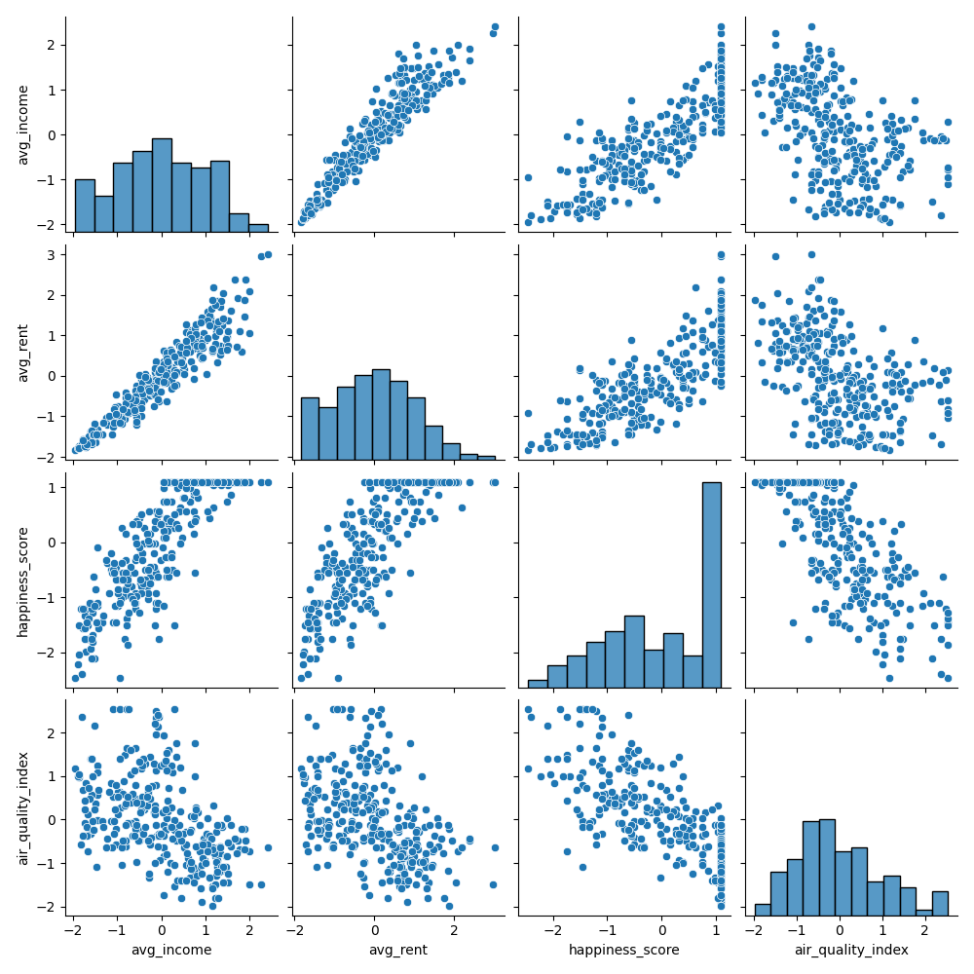
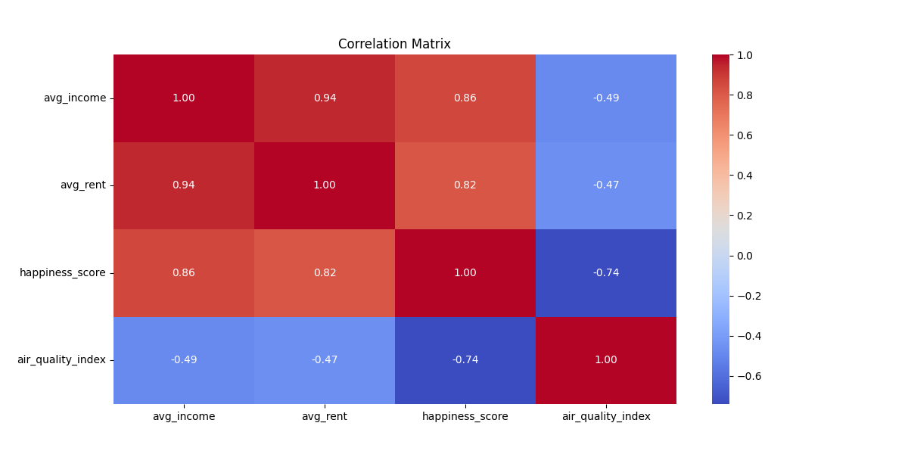
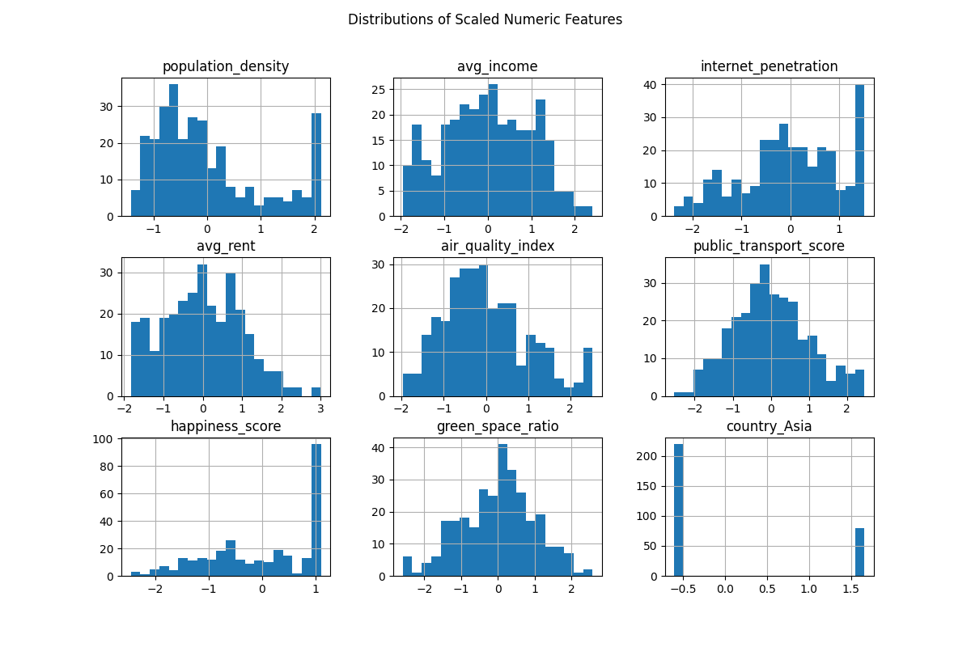

 |  |  |  | Comments
 |  |  |  | The correlation matrix shows that several features are strongly correlated, particularly economic indicators such as income and rent. This suggests the presence of redundancy in the dataset, which justifies the use of dimensionality reduction techniques such as PCA in the next stage.

