Лист1
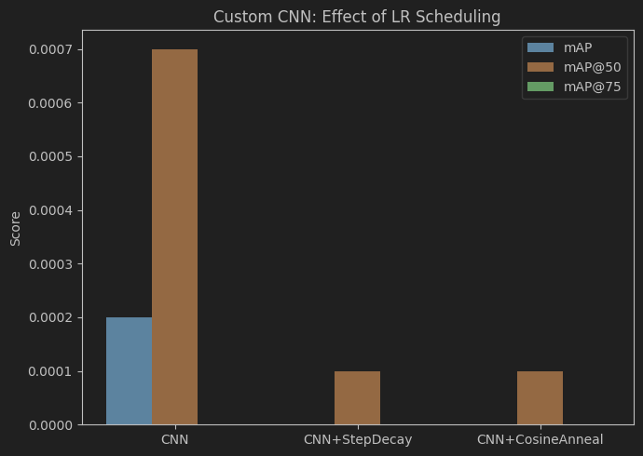
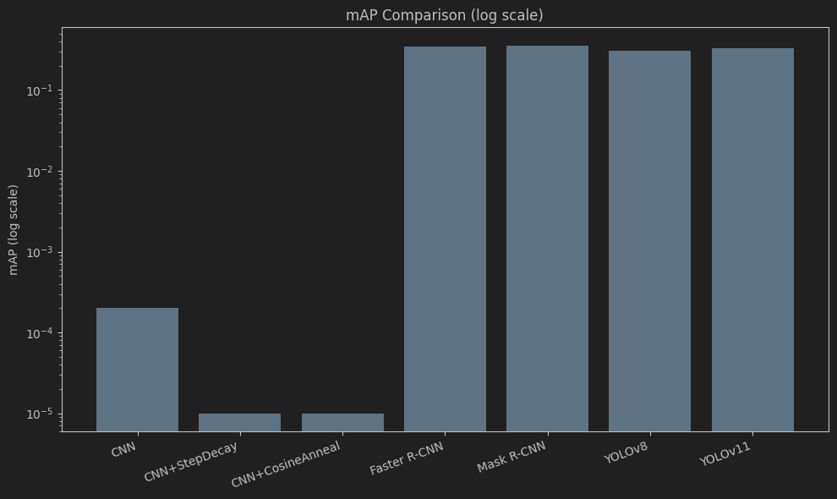
Model | Epochs | mAP | mAP@50 | mAP@75 | Comments
CNN | 4 | 0.0002 | 0.0007 | 0.0000 | This baseline model detects only 1 object per image. The simplicity of the model (4-Layer CNN) is the reason for the low metric values. Trained only 4 epochs, due to fast overfitting.
CNN + step decay | 4 | 0.0000 (-0.0002) | 0.0001 (-0.0006) | 0.0000 (+0) | This is the same baseline model with lowering the learning rate by 2 times every epoch. We can see worse results than the baseline meaning that step decay is ineffective.
CNN + cosine annealing | 4 | 0.0000 (-0.0002) | 0.0001 (-0.0006) | 0.0000 (+0) | This is the same baseline model with lowering the learning rate smoothly based on the epoch. We can see worse results than the baseline meaning that cosine annealing is ineffective.
Faster R-CNN | pretrained | 0.3435 (+1717%) | 0.5328 | 0.3783 (+0.3783) | Faster R-CNN using ResNet-50+FPN backbone, enabling multi-object detection per image — explains the large jump over the baseline.
Mask R-CNN | pretrained | 0.3537 (+1768%) | 0.5388 | 0.3881 (+0.3881) | Mask R-CNN is slightly better than Faster R-CNN, likely due to the auxiliary segmentation branch improving learned features.
YOLOv8 | pretrained | 0.3064 (+1532%) | 0.4176 | 0.3369 (+0.3369) | YOLO is considerably faster and lighter than the R-CNN models. We can see theres a tradeoff in the metric values.
YOLOv11 | pretrained | 0.3286 (+1643%) | 0.4463 | 0.3606 (+0.3606) | Improves over YOLOv8 across all metrics due to architectural refinements, but still trails the two-stage R-CNN models.

The best model for object detection on the COCO dataset is the Mask R-CNN, because it achieves the highest values over all metrics and +1768% on the main mAP metric.
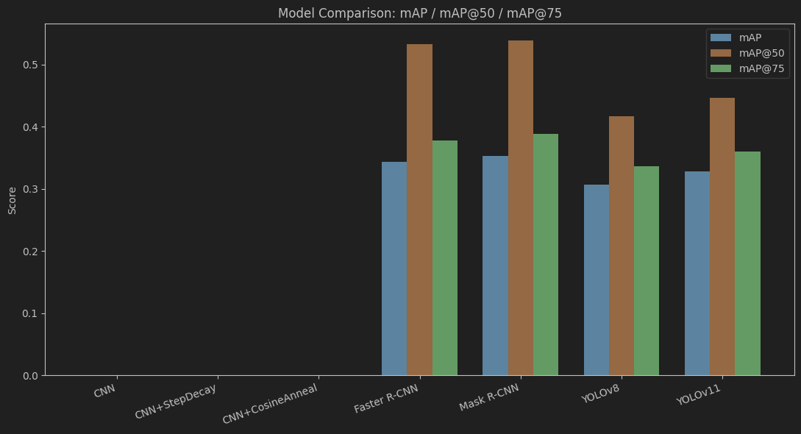
Comments
It is important to point out that the pretrained models were trained on the whole COCO dataset (118k images), compared to the custom CNN, which was trained only on 5k images.

