model_report
compression:
Method | Dimensiality | Explained variance | Reconstruction error | Trustworthiness
PCA | 5 | 0.998 | 0.0952 | 0.9999
UMAP | 5 | NaN | NaN | 0.9545

Because trustworthiness is high in both methods, the dimensionality reduction preserves the local structure of the data well. Pca will be method for the data reduction because of the simplicity and the trustworthiness is higher.
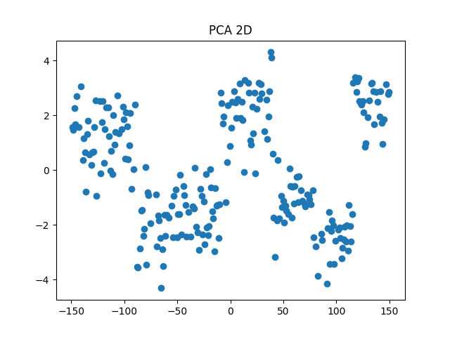
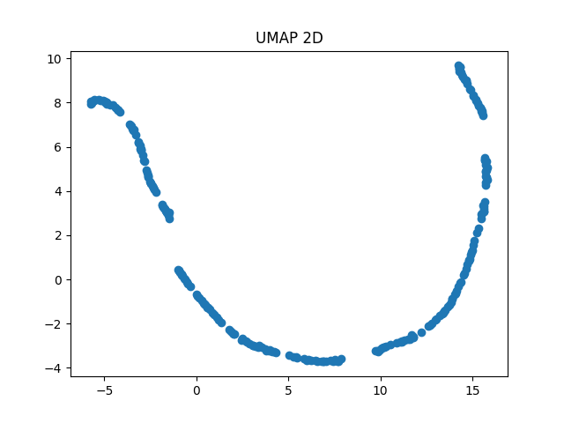
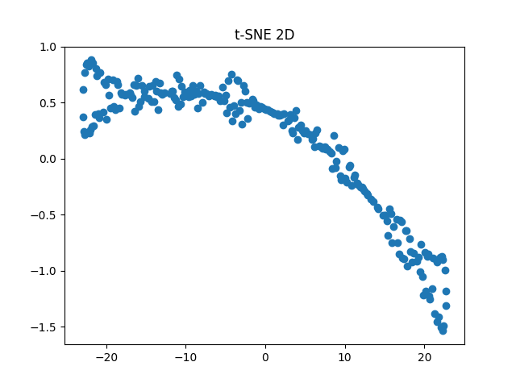

model_report: | the data is scaled and all features are used for all the evaluations.
Model | Space | Silhouette score | DB index | CH score | Comments
baseline | Original | -0.1060 | 20.1587 | 1.9095 | This is the baseline model - assumes there are 5 clusters and assigns each point to a random cluster.
baseline | PCA (5D) | -0.0880(+17%) | 122.87(-509%) | 1.3482(-29%) | This is the baseline model - assumes there are 5 clusters and assigns each point to a random cluster.
Kmeans(n_clusters=2) | Original | 0.6131(+678%) | 0.5209(+97.4%) | 679.3679(+35,500%) | This model shows big improvements in all the metrics compared to the baseline model. Has the best Silhouette score.
Kmeans(n_clusters=2) | PCA (5D) | 0.6131(+678%) | 0.5209(+97.4%) | 679.3679(+35,500%) | We see there is no difference when we reduce the dimensions, showing that PCA perserves the structure of the data.
DBSCAN | Original | NaN | NaN | NaN | DBSCAN does not identify meaningful density-based clusters in this dataset.
DBSCAN | PCA (5D) | NaN | NaN | NaN | DBSCAN does not identify meaningful density-based clusters in this dataset.
Agglomerative clustering(n_clusters=3) | Original | 0.5374(+607%) | 0.5032(+97.5%) | 589.4497(+30,800%) | This model performs well in all the metrics but nothing exceptional.
Agglomerative clustering(n_clusters=3) | PCA (5D) | 0.5799(+647%) | 0.4956(+97.5%) | 866.0392(+45,300%) | When we reduce the dimensions we see better values across all the metrics. This model is the best overall.
GMM(n_components=11) | Original | 0.3670(+446%) | 0.6330(+96.9%) | 1681.6904(+87,900%) | This model performs the best in the CH score metric, but poor balance in performance overall.
GMM(n_components=3) | PCA (5D) | 0.5610(+630%) | 0.5123(+97.5%) | 857.0885(+44,700%) | When we reduce the dimensions we see worse values in 2/3 metrics, here the reduction doesnt help.

The best model for clustering is Agglomerative clustering(n_clusters=3) on the data with reduced dimensiality showing best balance in performance over all metrics, performing +647%, +97.5%, + 45,300% better compared to the baseline model on the 3 metrics respectively.
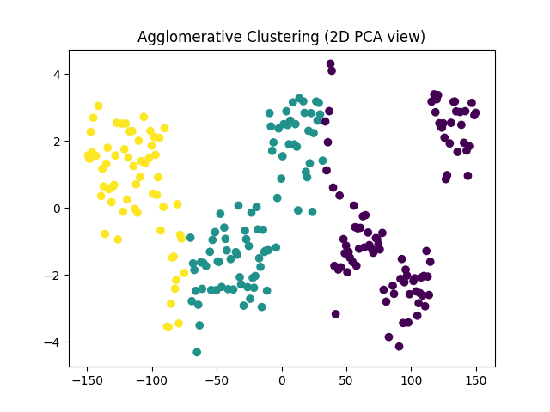
Comments
All the models were hypertunned. The table shows only the best performing models. PCA dimensiality reduction perserves the structure of the data very well, improves performance of the best model. DBSCAN is not able to properly group the data, always finding a single cluster, which has zero information about structure.

