data_audit
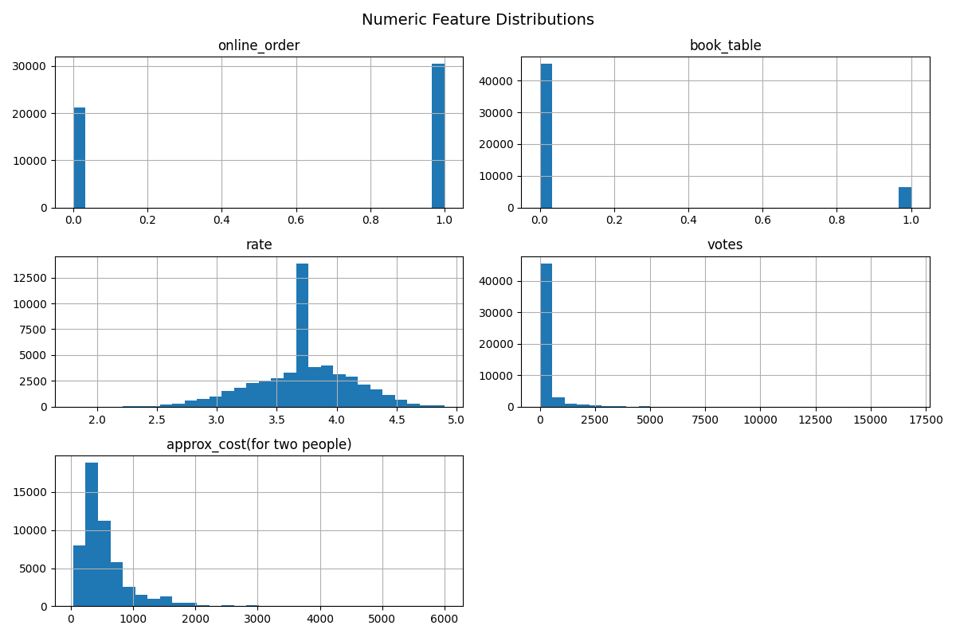
Feature | Raw_type | Target_type | Description | Comments
url | object | drop | Restaurant page URL | feature is not useful for prediction
address | object | drop | Restaurant address | feature contains information from "location" feature - redundant
name | object | drop | Restaurant name | feature is not useful for prediction
online_order | object | boolean | Availability of online ordering (Yes/No) | feature is important for prediction, should map Yes/No to 1/0 for easier use
book_table | object | boolean | Availability of table booking (Yes/No) | feature is important for prediction, should map Yes/No to 1/0 for easier use
rate | object | float | Aggregated restaurant rating | this is the target value, most correlated feature to success of a restaurant
votes | int64 | int | Total number of user votes | feature is important for prediction, higher number of votes may indicate popularity and reliability of rating
phone | object | drop | Contact phone number | feature is not useful for prediction
location | object | categorical | Neighborhood where the restaurant is located | feature is useful, should categorize different neighborhoods
rest_type | object | categorical | Type of restaurant | feature is useful, should categorize different types
dish_liked | object | drop | Popular dishes liked by customers | feature is complex text, no significant value in prediction
cuisines | object | categorical | Types of cuisines offered | feature is useful, should categorize different cuisines
approx_cost(for two people) | object | float | Estimated cost for two people | feature is very important
reviews_list | object | drop | Customer reviews and ratings | feature is complex text, no significant value in prediction
menu_item | object | drop | List of menu items | feature is complex text, no significant value in prediction
listed_in(type) | object | drop | Type of dining category | feature contains information from "rest_type" feature - redundant
listed_in(city) | object | categorical | Broader area within the city | feature is useful, should categorize the areas

raw_audit:
Feature | Count | Unique | Top | Freq | Mean | Std | Min | 25% | 50% | 75% | Max | Comments
url | 51717 | 51717 | NaN | 1 | NaN | NaN | NaN | NaN | NaN | NaN | NaN | Unique identifier with no predictive value; extremely high cardinality, therefore not useful for modeling.
address | 51717 | 11495 | Delivery Only | 128 | NaN | NaN | NaN | NaN | NaN | NaN | NaN | High-cardinality free-text location field; redundant with location and not suitable for modeling.
name | 51717 | 8792 | Cafe Coffee Day | 96 | NaN | NaN | NaN | NaN | NaN | NaN | NaN | Restaurant identifier with very high uniqueness; does not contribute to prediction and may introduce noise.
online_order | 51717 | 2 | Yes | 30444 | NaN | NaN | NaN | NaN | NaN | NaN | NaN | Binary feature indicating availability of online ordering; potentially useful predictor of customer engagement and rating.
book_table | 51717 | 2 | No | 45268 | NaN | NaN | NaN | NaN | NaN | NaN | NaN | Binary feature indicating table reservation availability; may influence restaurant quality perception and ratings.
rate | 43942 | 64 | NEW | 2208 | NaN | NaN | NaN | NaN | NaN | NaN | NaN | Target-related numeric feature after cleaning; contains noisy values (e.g. "NEW") and required preprocessing.
votes | 51717.0 | NaN | NaN | NaN | 283.7 | 803.8 | 0.0 | 7.0 | 41.0 | 198.0 | 16832.0 | Highly skewed numerical feature representing popularity; likely contains outliers and may require transformation (e.g. log scaling).
phone | 50509 | 14926 | 080 43334321 | 216 | NaN | NaN | NaN | NaN | NaN | NaN | NaN | Contact identifier with high uniqueness; no predictive value for modeling and removed.
location | 51696 | 93 | BTM | 5124 | NaN | NaN | NaN | NaN | NaN | NaN | NaN | Categorical feature representing restaurant area; useful for capturing geographic patterns in ratings and popularity.
rest_type | 51490 | 93 | Quick Bites | 19132 | NaN | NaN | NaN | NaN | NaN | NaN | NaN | Categorical feature describing restaurant type; potentially strong predictor of price, popularity, and rating.
dish_liked | 23639 | 5271 | Biryani | 182 | NaN | NaN | NaN | NaN | NaN | NaN | NaN | High-cardinality semi-text feature; sparse and inconsistent, making it difficult to encode effectively in baseline models.
cuisines | 51672 | 2723 | North Indian | 2913 | NaN | NaN | NaN | NaN | NaN | NaN | NaN | Multi-label categorical feature representing food types; potentially important but requires encoding (e.g. multi-hot or frequency encoding).
approx_cost(for two people) | 51371 | 70 | 300 | 7576 | NaN | NaN | NaN | NaN | NaN | NaN | NaN | Numerical cost feature; likely correlated with restaurant segment and rating, but may contain formatting inconsistencies.
reviews_list | 51717 | 22513 | [] | 7595 | NaN | NaN | NaN | NaN | NaN | NaN | NaN | Unstructured text data with very high complexity; requires NLP processing and is excluded from baseline modeling.
menu_item | 51717 | 9098 | [] | 39617 | NaN | NaN | NaN | NaN | NaN | NaN | NaN | Extremely high-cardinality text feature; not practical for tabular modeling without advanced NLP techniques.
listed_in(type) | 51717 | 7 | Delivery | 25942 | NaN | NaN | NaN | NaN | NaN | NaN | NaN | Service classification feature (e.g. delivery/dine-out); partially overlaps with rest_type and may introduce redundancy.
listed_in(city) | 51717 | 30 | BTM | 3279 | NaN | NaN | NaN | NaN | NaN | NaN | NaN | Broader geographic grouping compared to location; useful for regional-level trend analysis.

processed_audit:
Feature | Count | Unique | Top | Freq | Mean | Std | Min | 25% | 50% | 75% | Max
online_order | 51717.0 | NaN | NaN | NaN | 0.58 | 0.49 | 0.0 | 0.0 | 1.0 | 1.0 | 1.0
book_table | 51717.0 | NaN | NaN | NaN | 0.12 | 0.33 | 0.0 | 0.0 | 0.0 | 0.0 | 1.0
rate | 51717.0 | NaN | NaN | NaN | 3.70 | 0.39 | 1.8 | 3.5 | 2026-07-03 | 3.9 | 4.9
votes | 51717.0 | NaN | NaN | NaN | 283.69 | 803.83 | 0.0 | 7.0 | 41.0 | 198.0 | 16832.0
location | 51717 | 93 | BTM | 5145 | NaN | NaN | NaN | NaN | NaN | NaN | NaN
rest_type | 51717 | 93 | Quick Bites | 19359 | NaN | NaN | NaN | NaN | NaN | NaN | NaN
cuisines | 51717 | 2723 | North Indian | 2958 | NaN | NaN | NaN | NaN | NaN | NaN | NaN
approx_cost(for two people) | 51717.0 | NaN | NaN | NaN | 555.43 | 437.38 | 40.0 | 300.0 | 400.0 | 650.0 | 6000.0
listed_in(city) | 51717 | 30 | BTM | 3279 | NaN | NaN | NaN | NaN | NaN | NaN | NaN

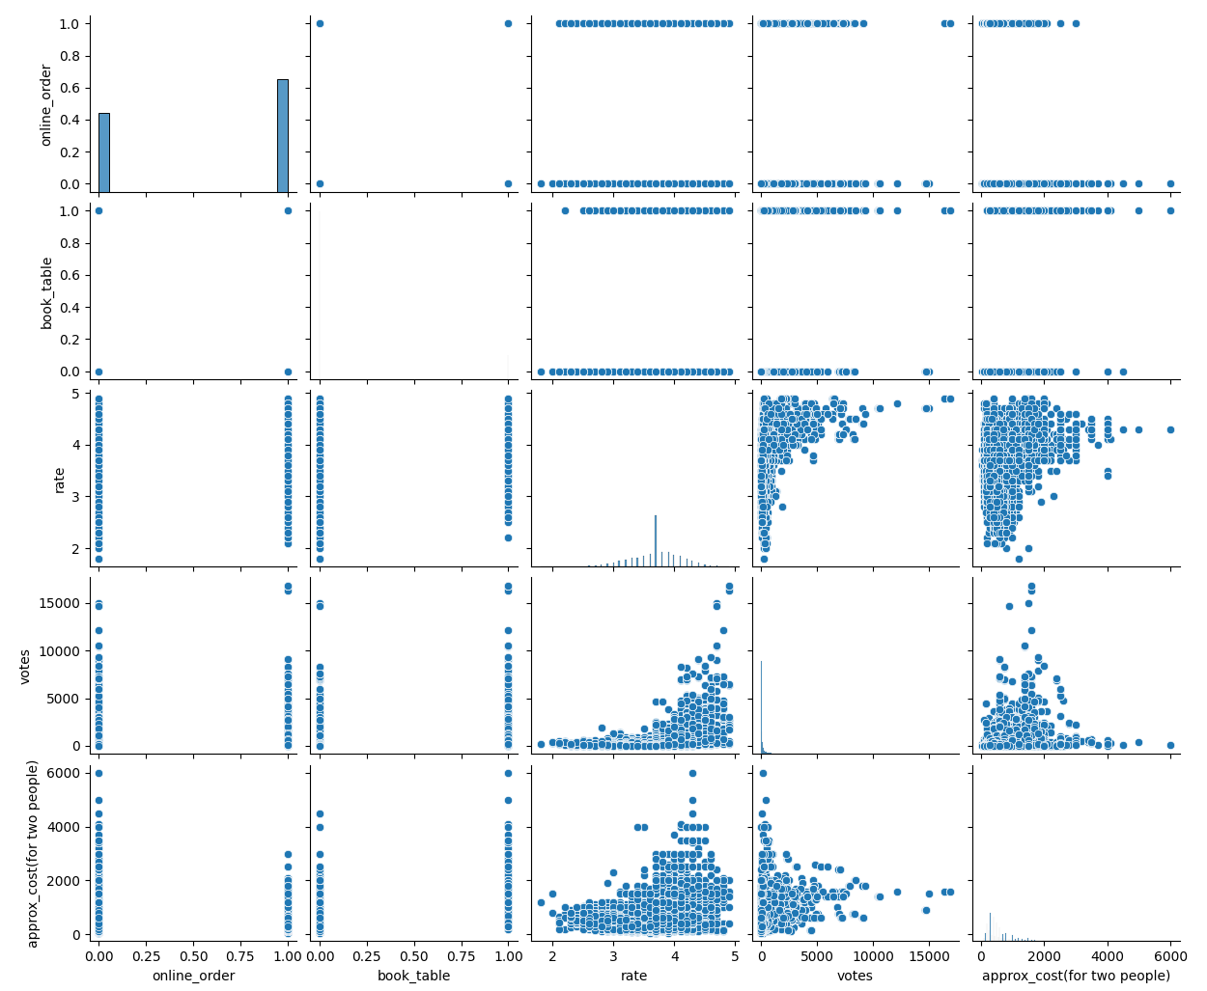
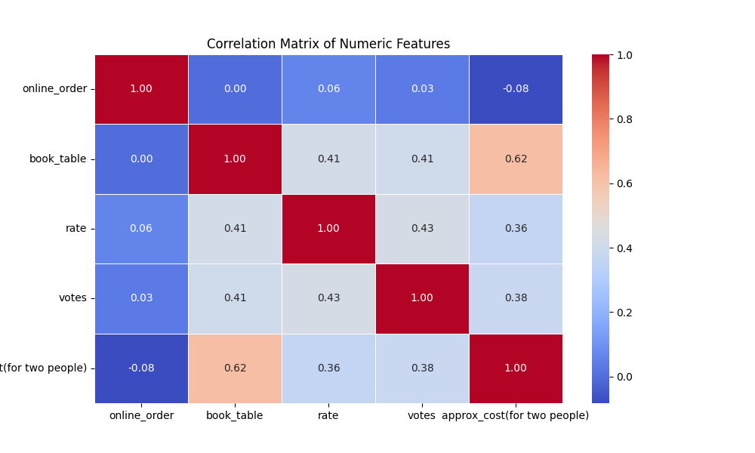
 |  |  |  |  |  | (only numeric)
 |  |  | Comments |  |  | Feature | Correlation_with_target
 |  |  | We see that there is only major correlation (>0.5) between the feature approx_cost and book_table. For the training of the models i have left both features for better precision - this can add abit of complexity (risk of overfitting). No error of data was found, so outliers are left in the data. |  |  | votes | 0.427
 |  |  |  |  |  | book_table | 0.413
 |  |  |  |  |  | approx_cost(for two people) | 0.364
 |  |  |  |  |  | online_order | 0.059
 |  |  |  |  |  | rate (target) | 1.000

