Sheet1
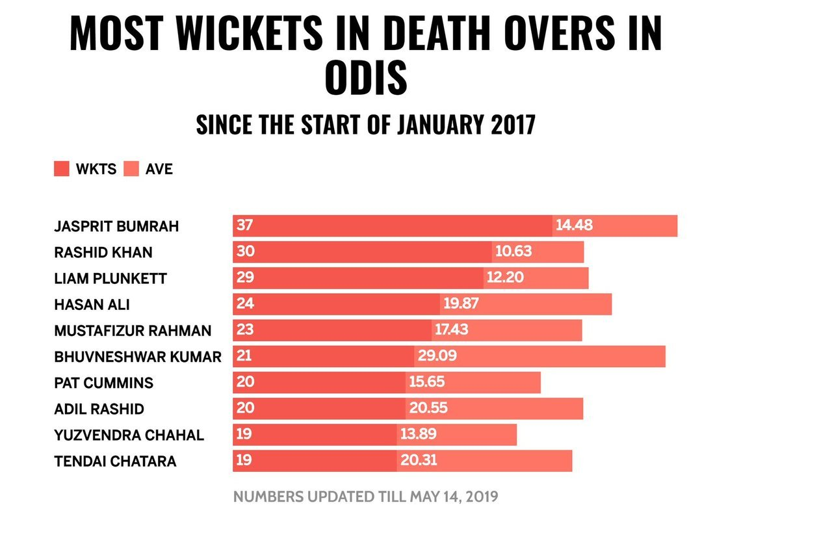
Bowler stats in death overs in odis
 | Bowling Average | Wickets
Bhuvaneshwar Kumar | 29.09 | 24
Adil Rashid | 20.55 | 20
Tendai Chatara | 20.31 | 19
Hasan Ali | 19.87 | 24
Mustafizur Rahman | 17.43 | 23
Pat Cummins | 15.65 | 20
Jasprit Bumrah | 14.48 | 37
Yuzvendra Chahal | 13.89 | 19
Liam Plunkett | 12.2 | 29
Rashid Khan | 10.63 | 30

 |  |  | AFTER | BEFORE

