Pivot Table 1
SUM of Sales vs. Year
SUM of Sales vs. Month
SUM of Sales vs. Sub category

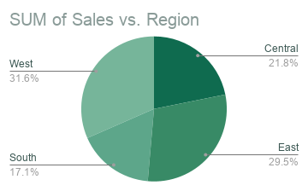
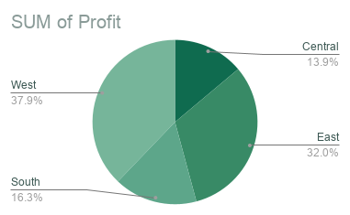
SUM of Profit vs. Discount Range

DASHBOARD


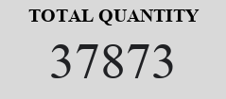
Sales Performance

&

Profitability Dashboard

SALES TRENDS (2014-2017)
SALES TRENDS (JAN-DEC)

PRODUCT PERFORMANCE

SALES BY REGION
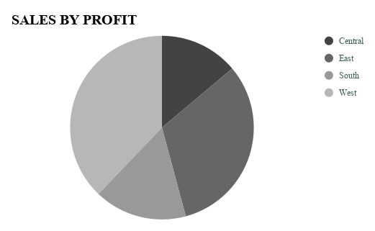

DISCOUNT VS PROFIT

