Sheet1
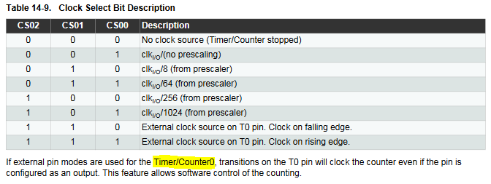
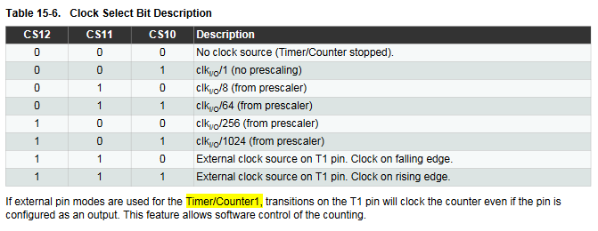
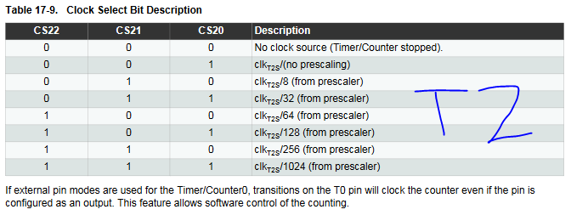
Freq | 400 | Hz
Clock | 1.60E+07 | Hz

Prescale | Compare Match Register
 | TIM0 (8-bit) | TIM1 (16-bit) | TIM2 (8-bit)
1 | 39999 | 39999 | 39999
8 | 4999 | 4999 | 4999
32 |  |  | 1249
64 | 624 | 624 | 624
128 |  |  | 311.5
256 | 155.25 | 155.25 | 155.25
1024 | 38.0625 | 38.0625 | 38.0625

