Sheet1
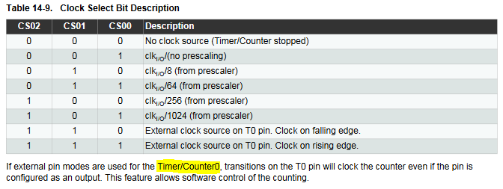
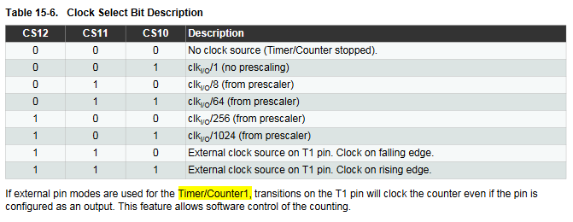
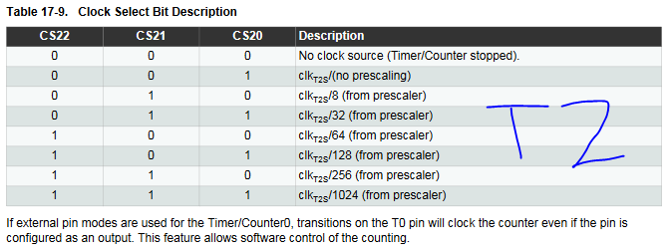
Freq | 10000 | Hz
Clock | 1.60E+07 | Hz

Prescale | Compare Match Register
 | TIM0 (8-bit) | TIM1 (16-bit) | TIM2 (8-bit)
1 | 1599 | 1599 | 1599
8 | 199 | 199 | 199
32 |  |  | 49
64 | 24 | 24 | 24
128 |  |  | 11.5
256 | 5.25 | 5.25 | 5.25
1024 | 0.5625 | 0.5625 | 0.5625

