Sample_Labels.description
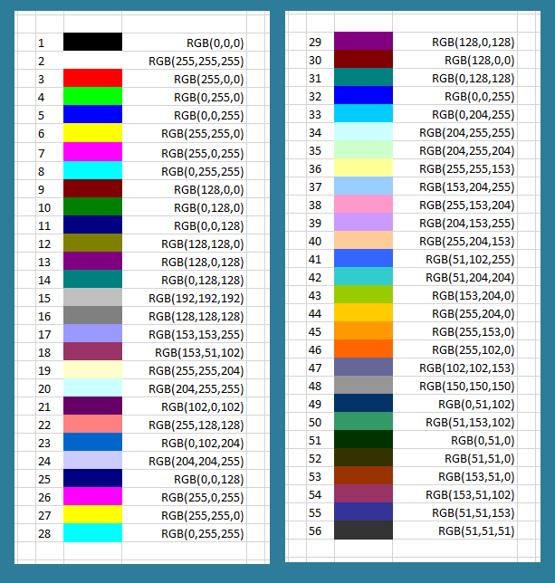
## comment line (do not remove)
sample_id | sample_description | group_id | group_id | group_description | color
G36M01 | MH_STAT5_ChIPSeq_rep1_G36 | A | A | MH_STAT5 | 255,102,0
G41M01 | MH_STAT5_ChIPSeq_rep2_G41 | A | B | FH_STAT5 | auto
G42M01 | MH_STAT5_ChIPSeq_rep3_G42 | A
G66M01 | FH_STAT5_ChIPSeq_rep1_G66_M1 | B | SHOULD BE 2 LINES OR MORE BETWEEN GROUP DESCRIPTIONS AND DIFFREPS CONFIGURATION
G66M02 | FH_STAT5_ChIPSeq_rep2_G66_M2 | B
G66M03 | FH_STAT5_ChIPSeq_rep3_G66_M3 | B | exp_num | treatment_group | control_group | normalization | window
 |  |  | 1 | A | B | MANORM | NO
 |  |  | 2 | A | B | DIFFREPS | 200
 |  |  | 3 | A | B | DIFFREPS | 1000
 |  |  | 4 | A | B | RIPPM | 200
 |  |  | 5 | A | B | RIPPM | 1000

