Architecture_demo_usecase
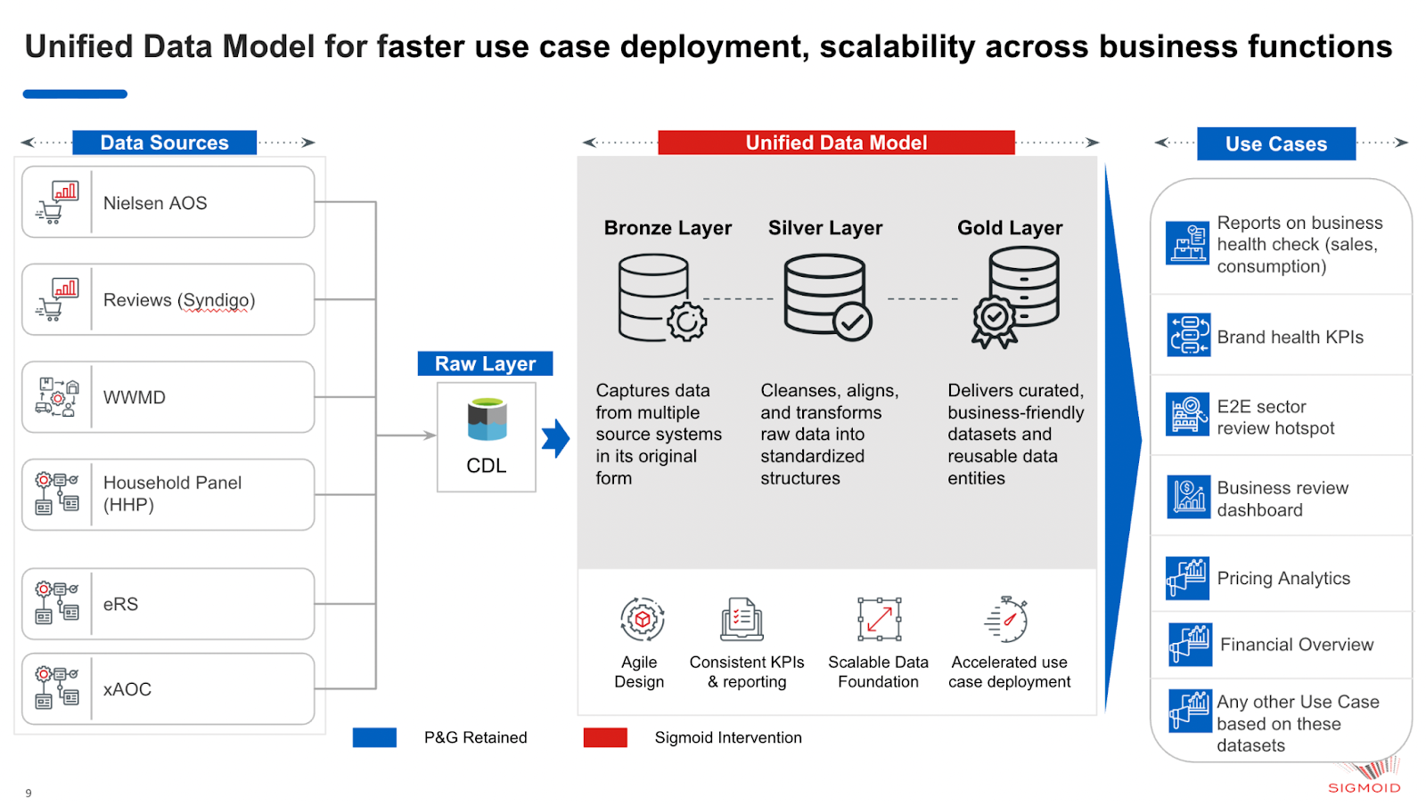
Architecture Diagram

