Architecture_check
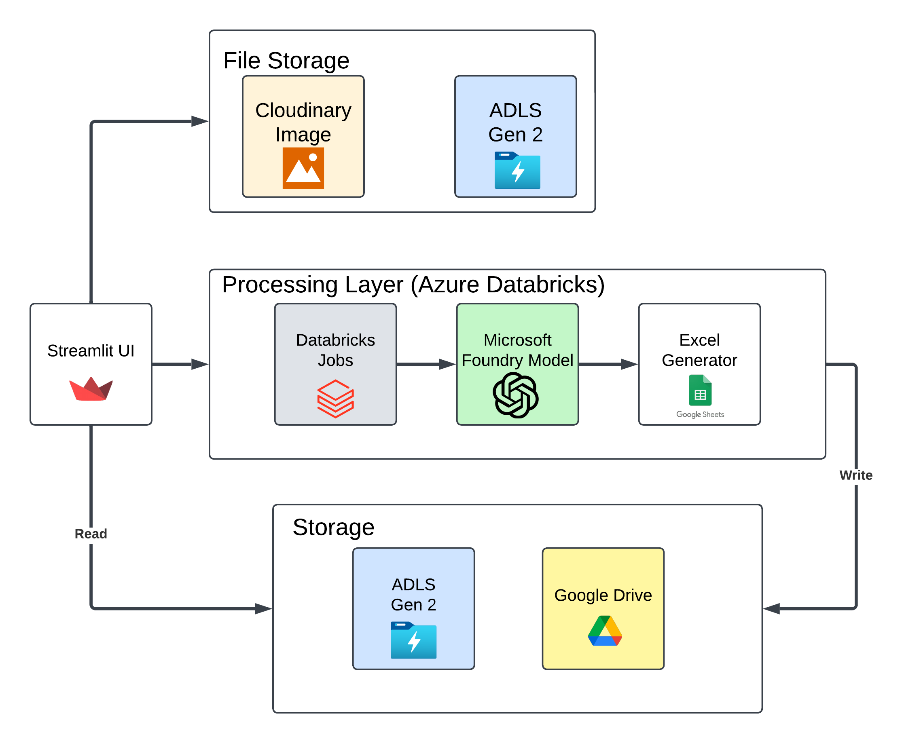
Architecture Diagram

