Architecture_random
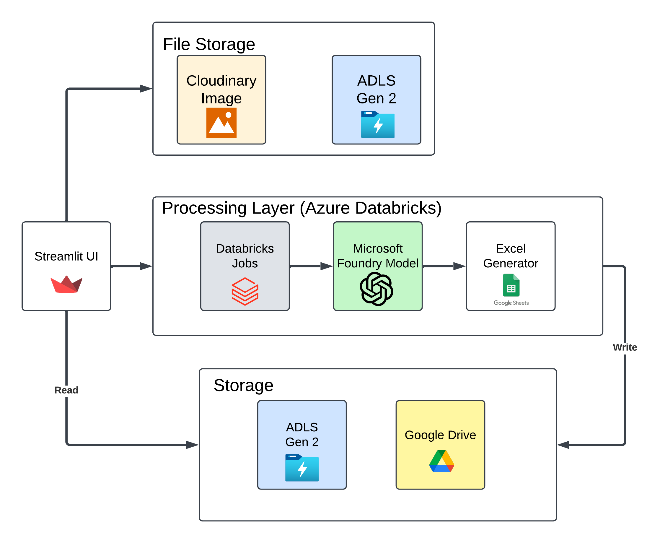
Architecture Diagram

