Architecture_wow
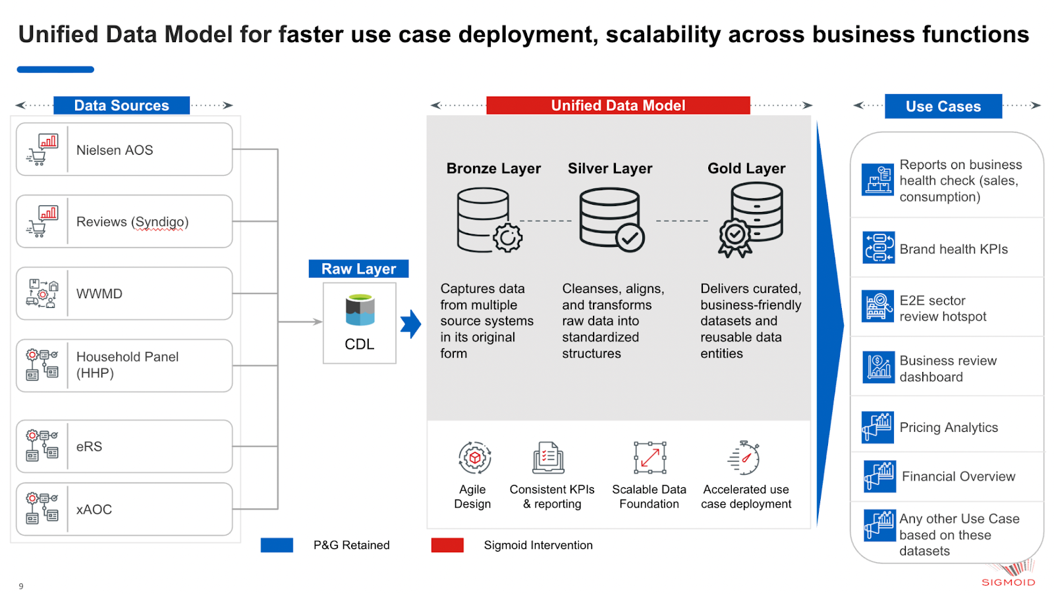
Architecture Diagram

