Architecture_this
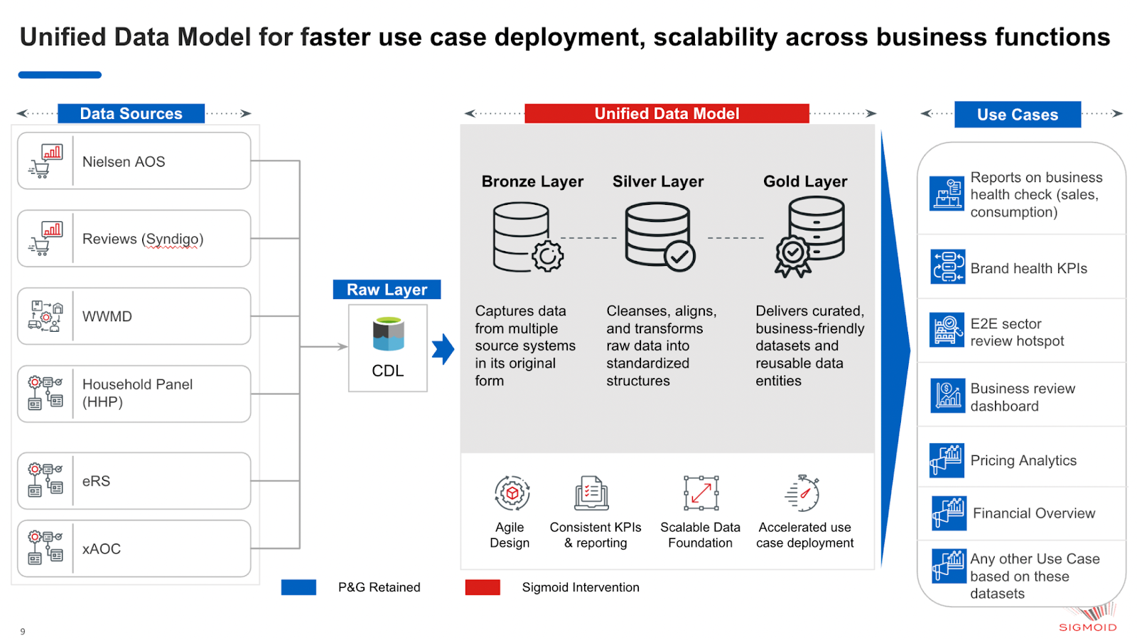
Architecture Diagram

