Architecture_tempo
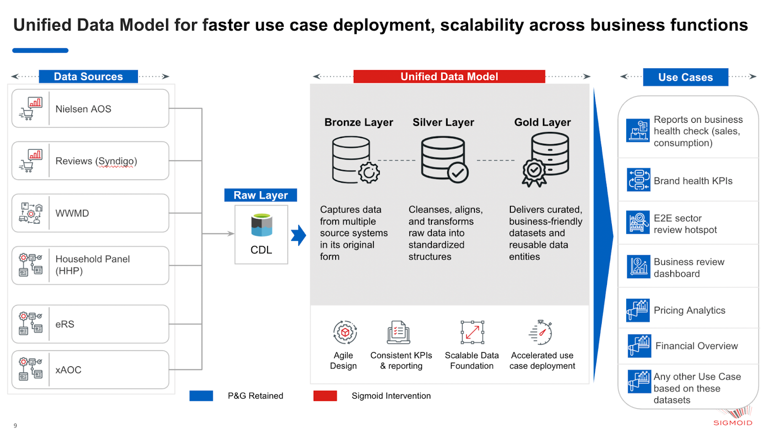
Architecture Diagram

