Architecture_test_usecase
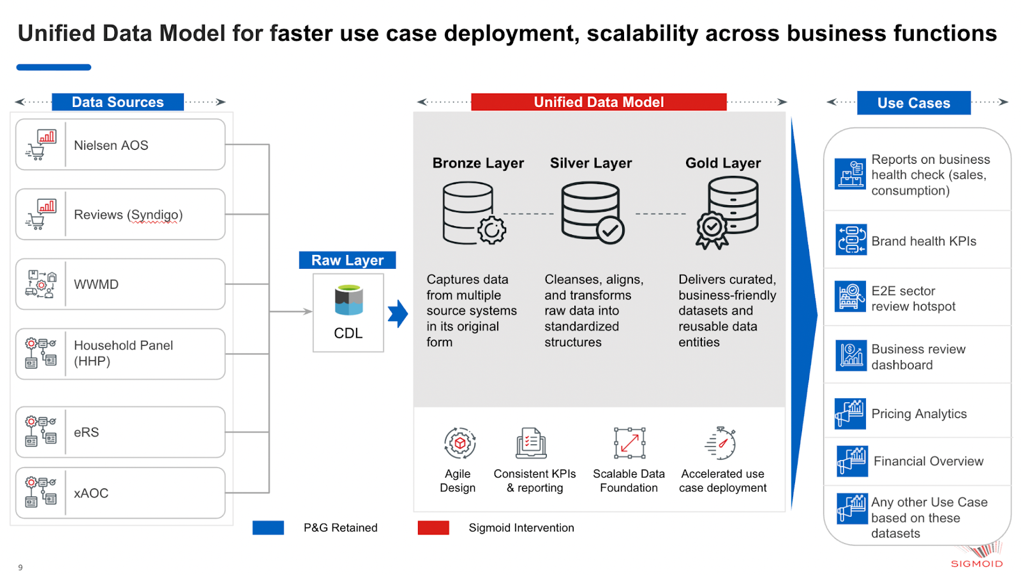
Architecture Diagram

