Pipe Friction Loss
Water Pipe Friction Loss
 | IPS average outer diameter | 4.80 | in
 | Pipe section eveloped length | 114.00 | ft
 | Flow | 211.00 | GPM
 | pipe dimension ratio | 19.20
 | C | 110.00
 | di | 4.28 | in
 | friction loss Pf | 1.46 | psi
 | average velovity V | 5.59 | ft/s
$$Pf=\frac{0.0009015∙L}{{di}^{4.8655}}{\left(\frac{100∙Q}{C}\right)}^{1.85}$$

Hazen-Williams Friction Factor
C=150 for HDPE & CPVC, C=140 for copper
C=120 for galv. iron & brass, C=110 for ductile iron

Pipe Friction Loss Chart
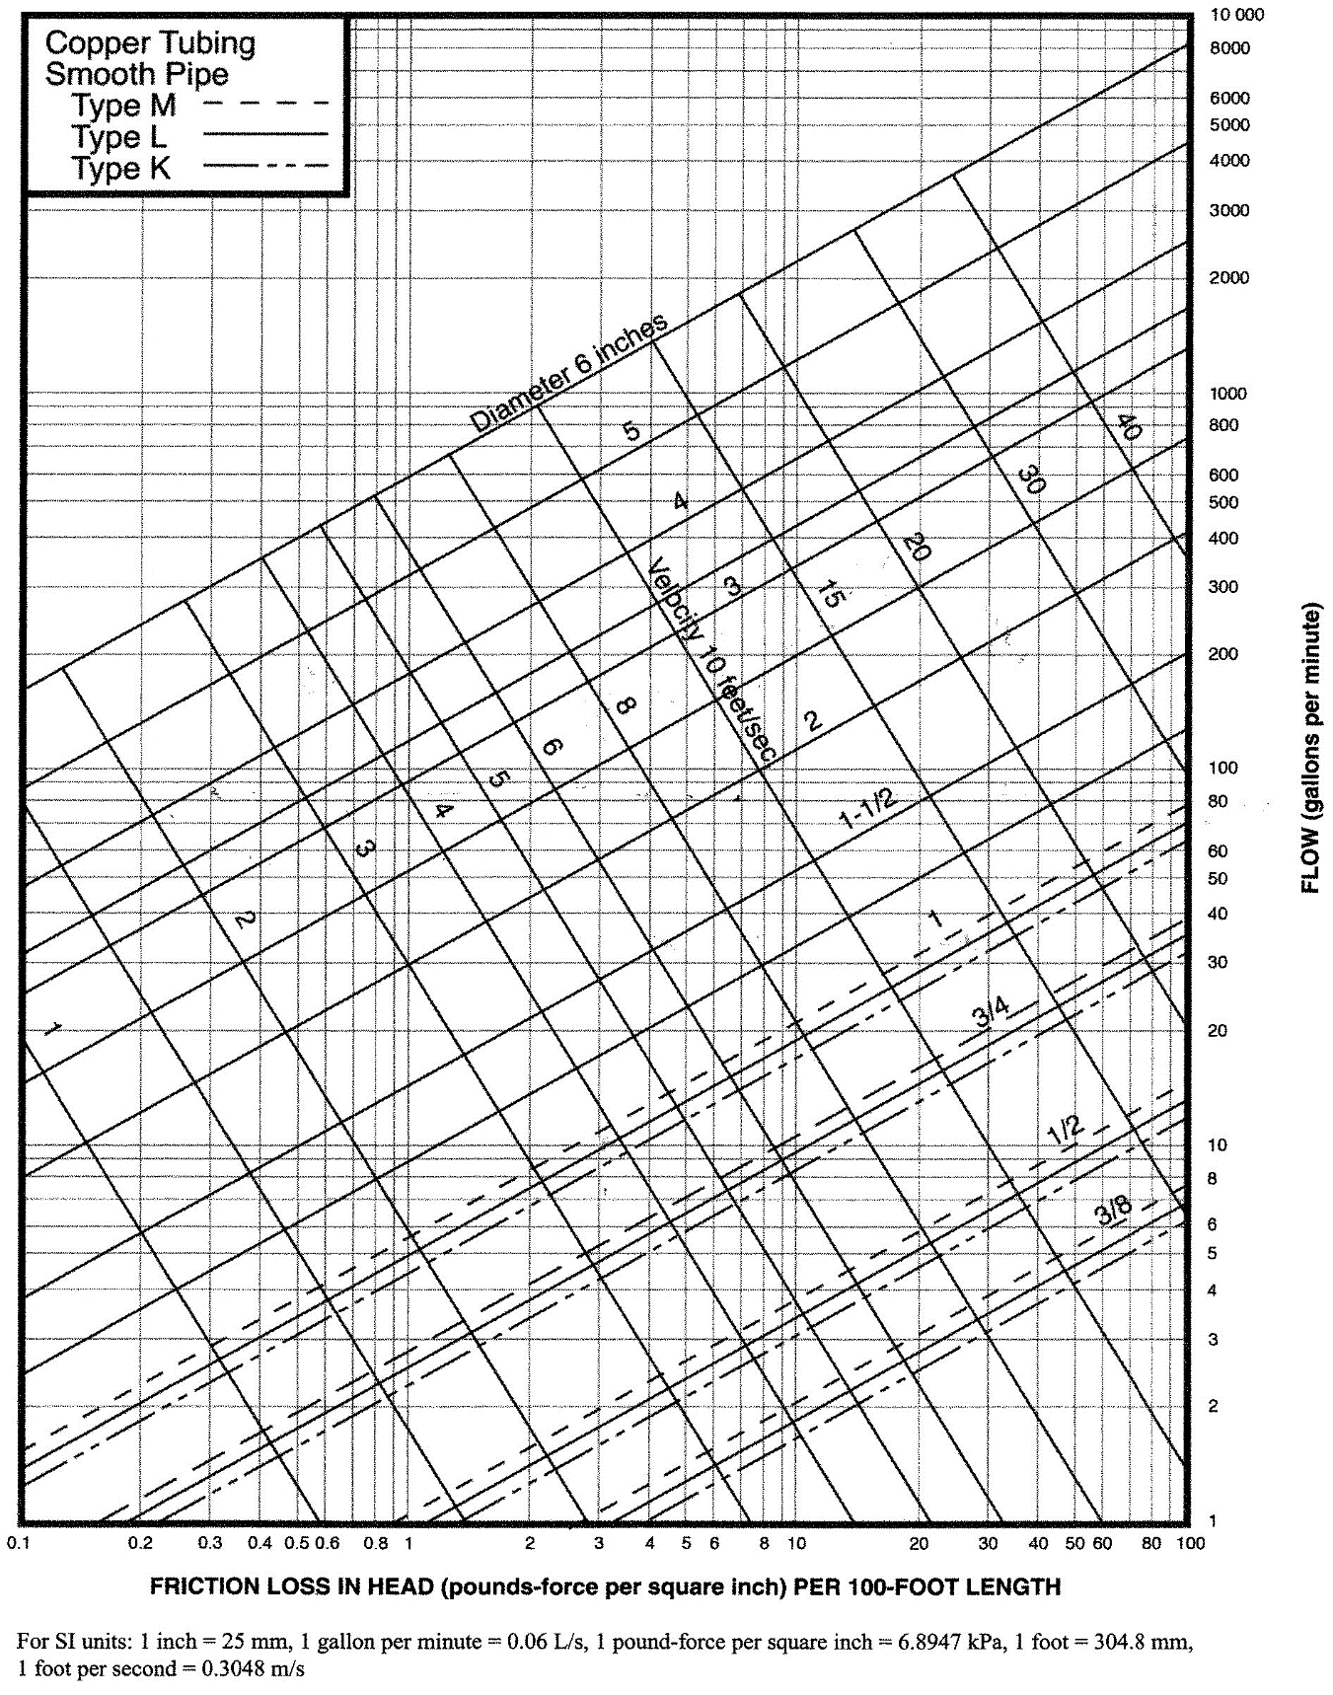

Water Meter Chart
