SSI Kmax
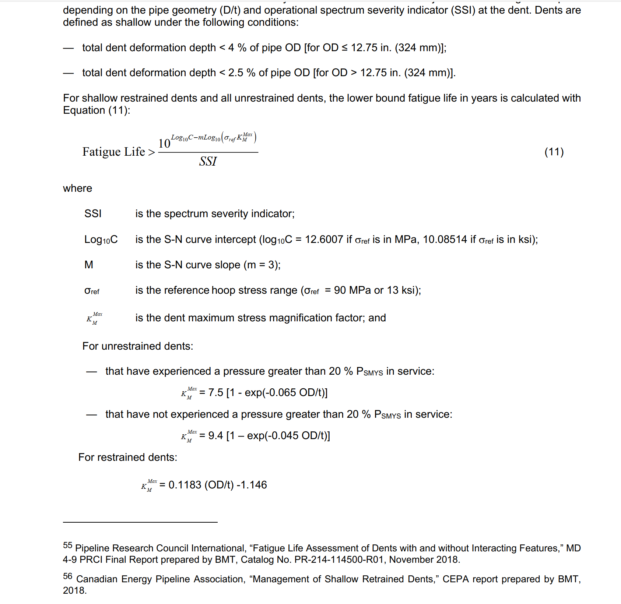
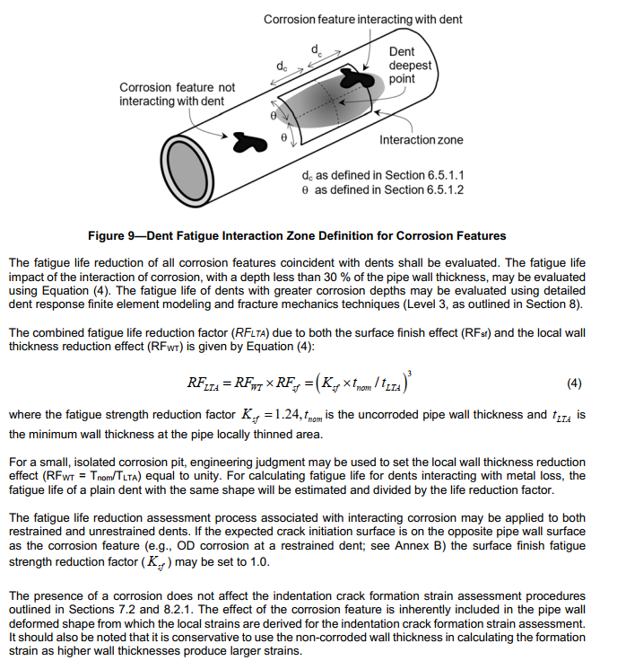
API 1183 - Dent Screening Level 2

MOP | 336 | psi |  |  | Year of construction | 1979-01-01 |  |  | MOP (Stress) | psi |  |  |  |  |  |  |  | DWML Reduction Factor
SMYS for dents to be assessed | 60000 | psi |  |  | ILI Date | 2026-05-21 |  |  | MOP (Stress) | 12560.75 | MOP > 20% SMYS
SMYS for dents to be assessed | 60 | ksi |  |  | Yearfrac | 47.383984 |  |  | 0.345 in | 11686.96 | MOP < 20% SMYS |  |  |  |  |  |  | Amber cells: editable inputs. Other cells: calculations.
20% SMYS for SSI | 12000 | psi |  |  | Time of writing | 2026-11-12 |  |  | > 0.378 in | 10666.67 | MOP < 20% SMYS
20% SMYS for SSI | 12 | ksi |  |  | Yearfrac | 47.863107
SAMPLE DATA: SSI and fatigue lives use synthetic demonstration pressure cycles. Replace inputs on Pressure Cycling.

Source column | OD | t | OD/t | SSI | restrained km | unrestrained km >20% SMYS | unrestrained < 20% SMYS | restrained fatigue life > | >20% SMYS unrestrained fatigue life > | < 20% SMYS unrestrained fatigue life > | min fatigue life yrs | min fatigue life from ILI date | min fatigue life from time of writing | Weld involvement? | Metal loss? | Life after weld selection (years) | Life after applicable reductions (years) | Dent ID | metal loss depth (% wt) | Ksf | tnom | tLTA | RFLTA | m=
N | 24.000 | 0.321 | 74.766355 | 10.507467 | 7.698860 | 7.441861 | 9.074950 | 1154.87 | 1278.70 | 705.15 | 1154.87 | 1107.48 | 1107.01 | Yes | No | 110.70 | 110.70 | — |  | 1.240000 | 0.321000 |  |  | 3
O | 24.000 | 0.331 | 72.507553 | 9.583610 | 7.431644 | 7.432666 | 9.040172 | 1407.75 | 1407.17 | 782.08 | 1407.17 | 1359.79 | 1359.31 | Yes | No | 135.93 | 135.93 | — |  | 1.240000 | 0.331000 |  |  | 3
P | 24.000 | 0.326 | 73.619632 | 10.031371 | 7.563202 | 7.437361 | 9.057736 | 1275.95 | 1341.82 | 742.83 | 1275.95 | 1228.56 | 1228.08 | Yes | No | 122.81 | 122.81 | — |  | 1.240000 | 0.326000 |  |  | 3
Q | 24.000 | 0.312 | 76.923077 | 11.443249 | 7.954000 | 7.449465 | 9.105014 | 961.62 | 1170.54 | 641.09 | 961.62 | 914.24 | 913.76 | Yes | No | 91.38 | 91.38 | — |  | 1.240000 | 0.312000 |  |  | 3
R | 24.000 | 0.340 | 70.588235 | 8.842526 | 7.204588 | 7.423719 | 9.007713 | 1674.58 | 1530.63 | 856.82 | 1530.63 | 1483.24 | 1482.76 | Yes | No | 148.28 | 148.28 | — |  | 1.240000 | 0.340000 |  |  | 3
S | 24.000 | 0.335 | 71.641791 | 9.244399 | 7.329224 | 7.428768 | 9.025877 | 1521.45 | 1461.10 | 814.63 | 1461.10 | 1413.72 | 1413.24 | Yes | No | 141.32 | 141.32 | — |  | 1.240000 | 0.335000 |  |  | 3
T | 24.000 | 0.339 | 70.796460 | 8.921010 | 7.229221 | 7.424745 | 9.011371 | 1642.94 | 1516.53 | 848.25 | 1516.53 | 1469.15 | 1468.67 | Yes | Yes | 146.87 | 43.05 | 7588 | 17.631774 | 1.240000 | 0.339000 | 0.279228 | 3.411818 | 3
U | 24.000 | 0.317 | 75.709779 | 10.910266 | 7.810467 | 7.445319 | 9.088461 | 1065.23 | 1229.77 | 676.09 | 1065.23 | 1017.85 | 1017.37 | Yes | No | 101.74 | 101.74 | — |  | 1.240000 | 0.317000 |  |  | 3
V | 24.000 | 0.320 | 75.000000 | 10.606282 | 7.726500 | 7.442737 | 9.078350 | 1131.87 | 1266.34 | 697.79 | 1131.87 | 1084.49 | 1084.01 | Yes | No | 108.40 | 108.40 | — |  | 1.240000 | 0.320000 |  |  | 3
W | 24.000 | 0.332 | 72.289157 | 9.497272 | 7.405807 | 7.431703 | 9.036619 | 1435.47 | 1420.52 | 790.12 | 1420.52 | 1373.13 | 1372.65 | Yes | No | 137.27 | 137.27 | — |  | 1.240000 | 0.332000 |  |  | 3
X | 24.000 | 0.327 | 73.394495 | 9.939622 | 7.536569 | 7.436438 | 9.054251 | 1301.42 | 1354.71 | 750.55 | 1301.42 | 1254.04 | 1253.56 | Yes | No | 125.36 | 125.36 | — |  | 1.240000 | 0.327000 |  |  | 3
Y | 24.000 | 0.322 | 74.534161 | 10.409875 | 7.671391 | 7.440976 | 9.071536 | 1178.26 | 1291.14 | 712.56 | 1178.26 | 1130.88 | 1130.40 | Yes | No | 113.04 | 113.04 | — |  | 1.240000 | 0.322000 |  |  | 3
Z | 24.000 | 0.419 | 57.279236 | 4.724665 | 5.630134 | 7.318817 | 8.685988 | 6567.24 | 2989.62 | 1788.47 | 1788.47 | 1741.08 | 1740.60 | Yes | No | 174.06 | 174.06 | — |  | 1.240000 | 0.419000
AA | 24.000 | 0.336 | 71.428571 | 9.162105 | 7.304000 | 7.427774 | 9.022270 | 1551.07 | 1474.82 | 822.94 | 1474.82 | 1427.43 | 1426.96 | Yes | No | 142.70 | 142.70 | — |  | 1.240000 | 0.336000
AB | 24.000 | 0.328 | 73.170732 | 9.848987 | 7.510098 | 7.435507 | 9.050752 | 1327.34 | 1367.69 | 758.34 | 1327.34 | 1279.95 | 1279.48 | Yes | No | 127.95 | 127.95 | — |  | 1.240000 | 0.328000
AC | 24.000 | 0.345 | 69.565217 | 8.463614 | 7.083565 | 7.418474 | 8.989231 | 1840.77 | 1602.55 | 900.71 | 1602.55 | 1555.16 | 1554.68 | Yes | No | 155.47 | 155.47 | — |  | 1.240000 | 0.345000
AD | 24.000 | 0.378 | 63.492063 | 6.434839 | 6.365111 | 7.379014 | 8.860133 | 3336.99 | 2141.79 | 1237.23 | 1237.23 | 1189.85 | 1189.37 | Yes | No | 118.94 | 118.94 | — |  | 1.240000 | 0.378000
AE | 24.000 | 0.396 | 60.606061 | 5.596642 | 6.023697 | 7.354050 | 8.785264 | 4526.82 | 2487.73 | 1459.21 | 1459.21 | 1411.83 | 1411.35 | Yes | No | 141.13 | 141.13 | — |  | 1.240000 | 0.396000
 |  |  |  |  |  |  |  |  |  |  |  |  |  |  |  |  |  | Remaining thickness, tLTA | 0.279228 | in | tnom × (1 − metal loss depth / 100)
 |  |  |  |  |  |  |  |  |  |  |  |  |  |  |  |  |  | Surface finish factor, Ksf | 1.240000 | — | Original value: 1.24
Calculation conventions and equations |  |  |  |  |  |  |  |  |  |  |  |  |  |  |  |  |  | Exponent, m | 3 | — | Original value: 3
Weld involvement defaults to Yes to preserve the prior model. Metal loss defaults to No except dent 7588. Review selections for each dent. |  |  |  |  |  |  |  |  |  |  |  |  |  |  |  |  |  | DWML reduction factor, RFLTA | 3.411818 | — | (Ksf × tnom / tLTA)^m
Each row corresponds to one original column N–AE. Source column preserves the original case naming.
OD/t = OD / t; restrained km = 0.1183 × (OD/t) − 1.146. |  |  |  |  |  |  |  |  |  |  |  |  |  |  |  |  |  | Total fatigue life before reductions | 1516.53 | years | Original minimum of restrained and >20% SMYS lives
unrestrained km >20% SMYS = 7.5 × [1 − EXP(−0.065 × OD/t)]. |  |  |  |  |  |  |  |  |  |  |  |  |  |  |  |  |  | Elapsed life at writing date | 47.86 | years | YEARFRAC(construction date, writing date, 1)
unrestrained <20% SMYS = 9.4 × [1 − EXP(−0.045 × OD/t)]. |  |  |  |  |  |  |  |  |  |  |  |  |  |  |  |  |  | Remaining life before reductions | 1468.67 | years | Total fatigue life − elapsed life
Fatigue life > 10^(10.08514 − 3 × LOG10(13 × km)) / SSI. The reference stress is 13 ksi. |  |  |  |  |  |  |  |  |  |  |  |  |  |  |  |  |  | Applied weld divisor | 10 | — | Yes → 10; No → 1 (weld involvement, O18)
min fatigue life uses MIN(restrained, >20% unrestrained), except source Z, AD and AE, which use <20% unrestrained. |  |  |  |  |  |  |  |  |  |  |  |  |  |  |  |  |  | Remaining life after weld selection | 146.87 | years | Remaining life before reductions / applied weld divisor
Remaining life subtracts YEARFRAC(construction date, applicable date, 1). Weld involvement Yes divides remaining life by 10; No applies no weld reduction. |  |  |  |  |  |  |  |  |  |  |  |  |  |  |  |  |  | Applied DWML divisor | 3.411818 | — | Yes → RFLTA; No → 1 (metal loss, P18)
DWML: tLTA = tnom × (1 − metal loss / 100); RFLTA = (Ksf × tnom / tLTA)^m. Metal loss Yes divides post-weld life by RFLTA; No applies no DWML reduction. |  |  |  |  |  |  |  |  |  |  |  |  |  |  |  |  |  | Life after applicable reductions | 43.05 | years | Life after weld selection / applied DWML divisor
Dent 7588 remains linked to source case T. Enter metal-loss inputs at the far right when selecting Yes. Missing required inputs are flagged.
DWML input defaults: Ksf = 1.24; m = 3. Nominal thickness links to each dent’s t. No metal-loss depth is assumed for other dents. |  |  |  |  |  |  |  |  |  |  |  |  |  |  |  |  |  | Yes/No flags are in O18:P18. Reductions apply to remaining life at the writing date, preserving the original convention.
SSI = SUM[(observed cycles / observation years) × (ΔP × OD/t / (2 × 1000 × 13 ksi))^3]. Original SSI values are retained on Pressure Cycling.
Missing cycling inputs leave SSI and life blank. Zero SSI displays No cycles in total-life columns; no finite remaining life is calculated.
API 1183 - Dent Screening Level 2 |  |  |  |  |  |  |  |  |  |  |  |  |  |  |  |  |  | DWML Reduction Factor

