SSI Kmax
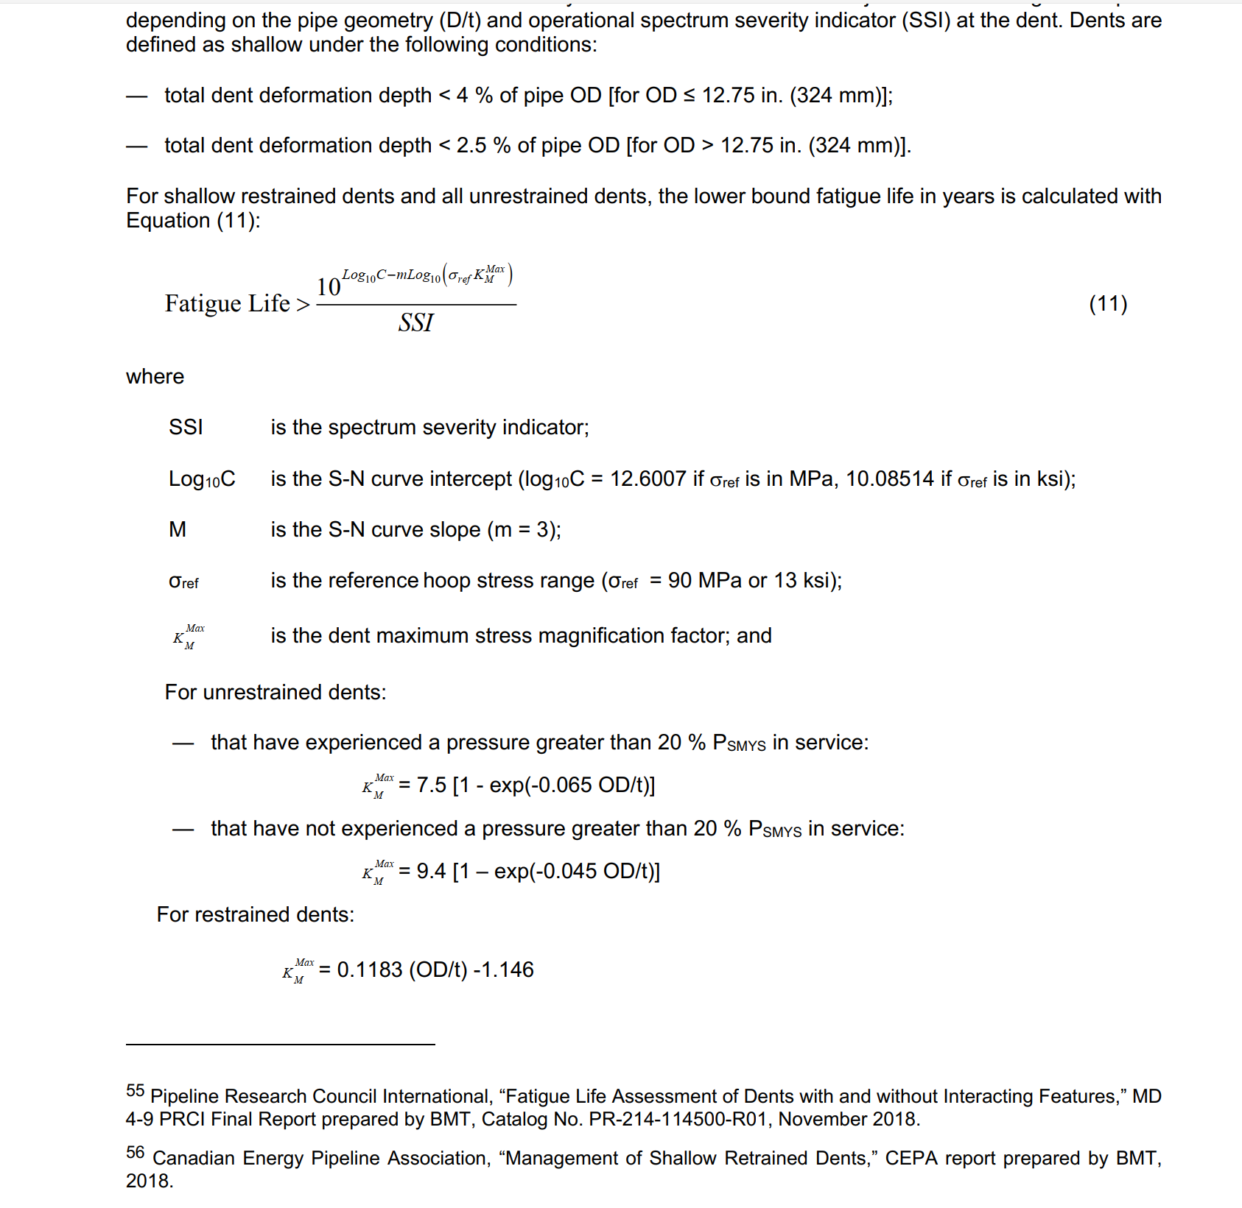
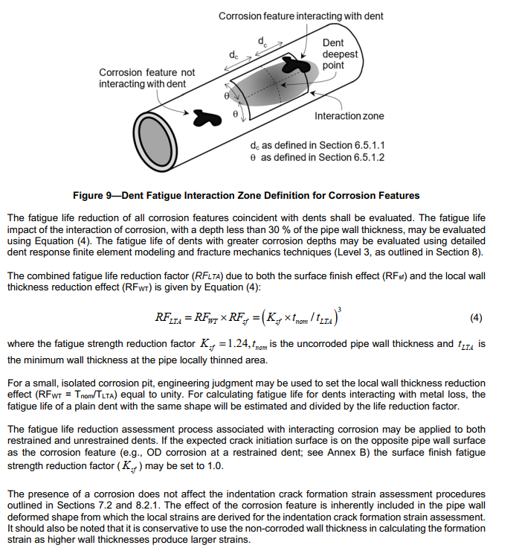
API 1183 - Dent Screening Level 2

MOP | 336 | psi |  |  | Year of construction | 1979-01-01 |  |  | MOP (Stress) | psi |  |  |  |  |  | DWML Reduction Factor
SMYS for dents to be assessed | 60000 | psi |  |  | ILI Date | 2026-05-21 |  |  | MOP (Stress) | 12560.75 | MOP > 20% SMYS
SMYS for dents to be assessed | 60 | ksi |  |  | Yearfrac | 47.383984 |  |  | 0.345 in | 11686.96 | MOP < 20% SMYS |  |  |  |  | Amber cells: editable inputs. Other cells: calculations.
20% SMYS for SSI | 12000 | psi |  |  | Time of writing | 2026-11-12 |  |  | > 0.378 in | 10666.67 | MOP < 20% SMYS
20% SMYS for SSI | 12 | ksi |  |  | Yearfrac | 47.863107

Source column | OD | t | OD/t | SSI | restrained km | unrestrained km >20% SMYS | unrestrained < 20% SMYS | restrained fatigue life > | >20% SMYS unrestrained fatigue life > | < 20% SMYS unrestrained fatigue life > | min fatigue life yrs | min fatigue life from ILI date | min fatigue life from time of writing | any on weld /10? | DWML? | Dent ID | metal loss depth (% wt) | Ksf | tnom | tLTA | RFLTA | m=
N | 24.000 | 0.321 | 74.766355 | 19.347507 | 7.698860 | 7.441861 | 9.074950 | 627.20 | 694.45 | 382.96 | 627.20 | 579.82 | 579.34 | 57.93 | -
O | 24.000 | 0.331 | 72.507553 | 17.651552 | 7.431644 | 7.432666 | 9.040172 | 764.32 | 764.00 | 424.62 | 764.00 | 716.62 | 716.14 | 71.61 | -
P | 24.000 | 0.326 | 73.619632 | 18.473605 | 7.563202 | 7.437361 | 9.057736 | 692.85 | 728.62 | 403.37 | 692.85 | 645.47 | 644.99 | 64.50 | -
Q | 24.000 | 0.312 | 76.923077 | 21.079662 | 7.954000 | 7.449465 | 9.105014 | 522.02 | 635.43 | 348.02 | 522.02 | 474.64 | 474.16 | 47.42 | -
R | 24.000 | 0.340 | 70.588235 | 16.293283 | 7.204588 | 7.423719 | 9.007713 | 908.81 | 830.69 | 465.01 | 830.69 | 783.30 | 782.82 | 78.28 | -
S | 24.000 | 0.335 | 71.641791 | 17.031498 | 7.329224 | 7.428768 | 9.025877 | 825.82 | 793.06 | 442.17 | 793.06 | 745.68 | 745.20 | 74.52 | -
T | 24.000 | 0.339 | 70.796460 | 16.426724 | 7.229221 | 7.424745 | 9.011371 | 892.25 | 823.60 | 460.67 | 823.60 | 776.21 | 775.73 | 77.57 | 22.74 | 7588 | 17.631774 | 1.240000 | 0.339000 | 0.279228 | 3.411818 | 3
U | 24.000 | 0.317 | 75.709779 | 20.100778 | 7.810467 | 7.445319 | 9.088461 | 578.18 | 667.49 | 366.97 | 578.18 | 530.80 | 530.32 | 53.03 | -
V | 24.000 | 0.320 | 75.000000 | 19.532248 | 7.726500 | 7.442737 | 9.078350 | 614.62 | 687.64 | 378.91 | 614.62 | 567.24 | 566.76 | 56.68 | -
W | 24.000 | 0.332 | 72.289157 | 17.490106 | 7.405807 | 7.431703 | 9.036619 | 779.47 | 771.35 | 429.04 | 771.35 | 723.97 | 723.49 | 72.35 | -
X | 24.000 | 0.327 | 73.394495 | 18.302073 | 7.536569 | 7.436438 | 9.054251 | 706.79 | 735.72 | 407.62 | 706.79 | 659.40 | 658.92 | 65.89 | -
Y | 24.000 | 0.322 | 74.534161 | 19.181577 | 7.671391 | 7.440976 | 9.071536 | 639.45 | 700.71 | 386.71 | 639.45 | 592.06 | 591.58 | 59.16 | -
Z | 24.000 | 0.419 | 57.279236 | 8.704287 | 5.630134 | 7.318817 | 8.685988 | 3564.68 | 1622.76 | 970.78 | 970.78 | 923.39 | 922.91 | 92.29 | -
AA | 24.000 | 0.336 | 71.428571 | 16.877557 | 7.304000 | 7.427774 | 9.022270 | 842.01 | 800.62 | 446.74 | 800.62 | 753.23 | 752.75 | 75.28 | -
AB | 24.000 | 0.328 | 73.170732 | 18.147973 | 7.510098 | 7.435507 | 9.050752 | 720.35 | 742.25 | 411.55 | 720.35 | 672.97 | 672.49 | 67.25 | -
AC | 24.000 | 0.345 | 69.565217 | 15.584607 | 7.083565 | 7.418474 | 8.989231 | 999.67 | 870.30 | 489.15 | 870.30 | 822.92 | 822.44 | 82.24 | -
AD | 24.000 | 0.378 | 63.492063 | 11.853648 | 6.365111 | 7.379014 | 8.860133 | 1811.51 | 1162.69 | 671.64 | 671.64 | 624.26 | 623.78 | 62.38 | -
AE | 24.000 | 0.396 | 60.606061 | 10.309601 | 6.023697 | 7.354050 | 8.785264 | 2457.42 | 1350.48 | 792.14 | 792.14 | 744.76 | 744.28 | 74.43 | -

Calculation conventions and equations

Each row corresponds to one original column N–AE. Source column preserves the original case naming.
OD/t = OD / t; restrained km = 0.1183 × (OD/t) − 1.146.
unrestrained km >20% SMYS = 7.5 × [1 − EXP(−0.065 × OD/t)].
unrestrained <20% SMYS = 9.4 × [1 − EXP(−0.045 × OD/t)].
Fatigue life > 10^(10.08514 − 3 × LOG10(13 × km)) / SSI. The reference stress is 13 ksi.
min fatigue life uses MIN(restrained, >20% unrestrained), except source Z, AD and AE, which use <20% unrestrained.
Remaining life subtracts YEARFRAC(construction date, applicable date, 1). Any on weld /10? divides the writing-date result by 10.
DWML: tLTA = tnom − (metal loss depth / 100 × tnom); RFLTA = (Ksf × tnom / tLTA)^m; DWML? = weld life / RFLTA.
Dent 7588 remains linked to source case T. A dash in DWML? retains the original not-applicable convention.
The four unused DWML placeholders with no dent inputs are omitted. Original minimum-life choices and fixed dates are retained.

API 1183 - Dent Screening Level 2 |  |  |  |  |  |  |  |  |  |  |  |  |  |  |  | DWML Reduction Factor

