DWML Reduction Factor
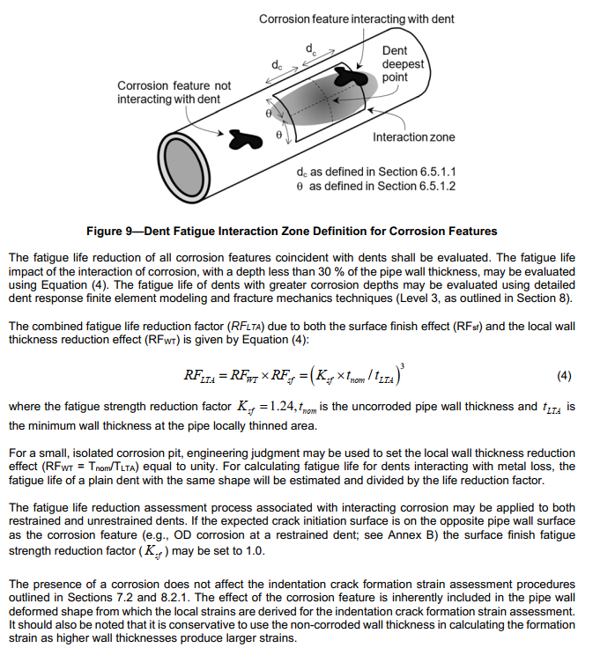
Dent ID | 7588
metal loss depth (% wt) | 17.631773969
Ksf | 1.24 | 1.24 | 1.24 | 1.24 | 1.24
tnom | 0.339
tLTA | 0.27922828624 | 0 | 0 | 0 | 0
RFLTA | 3.4118184824 | #DIV/0! | #DIV/0! | #DIV/0! | #DIV/0!
m= | 3 | 3 | 3 | 3 | 3

