games
Week 6
Sunday, Oct. 14
1 p.m. Eastern |  | ELO POINT SPREAD | WIN PROB. | SCORE
 | Arizona |  | 26%
 | Minnesota | -7.5 | 74%
1 p.m. |  | ELO POINT SPREAD | WIN PROB. | SCORE
 | Buffalo | -0.5 | 52%
 | Houston |  | 48%
1 p.m. |  | ELO POINT SPREAD | WIN PROB. | SCORE
 | Carolina | -1.5 | 55%
 | Washington |  | 45%
1 p.m.
 | Chicago |  | 46%
 | Miami | -1 | 54%
1 p.m.
 | Indianapolis |  | 33%
 | N.Y. Jets | -5 | 67%
1 p.m.
 | L.A. Chargers | -5.5 | 69%
 | Cleveland |  | 31%
1 p.m.
 | Pittsburgh |  | 46%
 | Cincinnati | -1 | 54%
1 p.m.
 | Seattle | -5 | 67%
 | Oakland |  | 33%
1 p.m.
 | Tampa Bay |  | 33%
 | Atlanta | -5 | 67%
4:05 p.m.
 | L.A. Rams | -5.5 | 69%
 | Denver |  | 31%
4:25 p.m.
 | Baltimore |  | 47%
 | Tennessee | -0.5 | 53%
4:25 p.m.
 | Jacksonville |  | 47%
 | Dallas | -1 | 53%
8:20 p.m.
 | Kansas City |  | 46%
 | New England | -1 | 54%
Monday, Oct. 15
8:15 p.m. Eastern |  | ELO POINT SPREAD | WIN PROB. | SCORE
 | San Francisco |  | 34%
 | Green Bay | -4.5 | 66%
Week 7
Thursday, Oct. 18
8:20 p.m. Eastern |  | ELO POINT SPREAD | WIN PROB. | SCORE
 | Denver |  | 38%
 | Arizona | -3.5 | 62%
Sunday, Oct. 21
9:30 a.m. Eastern |  | ELO POINT SPREAD | WIN PROB. | SCORE
 | Tennessee |  | 45%
 | L.A. Chargers | -1.5 | 55%
1 p.m. |  | ELO POINT SPREAD | WIN PROB. | SCORE
 | Buffalo | -1 | 53%
 | Indianapolis |  | 47%
1 p.m. |  | ELO POINT SPREAD | WIN PROB. | SCORE
 | Carolina |  | 34%
 | Philadelphia | -4.5 | 66%
1 p.m.
 | Cleveland |  | 24%
 | Tampa Bay | -8 | 76%
1 p.m.
 | Detroit |  | 45%
 | Miami | -1.5 | 55%
1 p.m.
 | Houston |  | 22%
 | Jacksonville | -8.5 | 78%
1 p.m.
 | Minnesota | -2 | 56%
 | N.Y. Jets |  | 44%
1 p.m.
 | New England | -2 | 56%
 | Chicago |  | 44%
4:05 p.m.
 | New Orleans |  | 48%
 | Baltimore | -0.5 | 52%
4:25 p.m.
 | Dallas |  | 46%
 | Washington | -1 | 54%
4:25 p.m.
 | L.A. Rams | -5.5 | 68%
 | San Francisco |  | 32%
8:20 p.m.
 | Cincinnati |  | 25%
 | Kansas City | -7.5 | 75%
Monday, Oct. 22
8:15 p.m. Eastern |  | ELO POINT SPREAD | WIN PROB. | SCORE
 | N.Y. Giants |  | 21%
 | Atlanta | -9.5 | 79%
Week 8
Thursday, Oct. 25
8:20 p.m. Eastern |  | ELO POINT SPREAD | WIN PROB. | SCORE
 | Miami | -0.5 | 51%
 | Houston |  | 49%
Sunday, Oct. 28
9:30 a.m. Eastern |  | ELO POINT SPREAD | WIN PROB. | SCORE
 | Philadelphia | -2.5 | 60%
 | Jacksonville |  | 40%
1 p.m. |  | ELO POINT SPREAD | WIN PROB. | SCORE
 | Baltimore |  | 39%
 | Carolina | -3 | 61%
1 p.m. |  | ELO POINT SPREAD | WIN PROB. | SCORE
 | Cleveland |  | 15%
 | Pittsburgh | -12 | 85%
1 p.m.
 | Denver |  | 15%
 | Kansas City | -12 | 85%
1 p.m.
 | N.Y. Jets |  | 33%
 | Chicago | -5 | 67%
1 p.m.
 | Seattle |  | 44%
 | Detroit | -1.5 | 56%
1 p.m.
 | Tampa Bay |  | 34%
 | Cincinnati | -4.5 | 66%
1 p.m.
 | Washington | -1.5 | 55%
 | N.Y. Giants |  | 45%
4:05 p.m.
 | Indianapolis |  | 38%
 | Oakland | -3.5 | 62%
4:25 p.m.
 | Green Bay |  | 22%
 | L.A. Rams | -8.5 | 78%
4:25 p.m.
 | San Francisco |  | 38%
 | Arizona | -3.5 | 62%
8:20 p.m.
 | New Orleans |  | 49%
 | Minnesota | -0.5 | 51%
Monday, Oct. 29
8:15 p.m. Eastern |  | ELO POINT SPREAD | WIN PROB. | SCORE
 | New England | -3 | 60%
 | Buffalo |  | 40%
Week 9
Thursday, Nov. 1
8:20 p.m. Eastern |  | ELO POINT SPREAD | WIN PROB. | SCORE
 | Oakland |  | 39%
 | San Francisco | -3 | 61%
Sunday, Nov. 4
1 p.m. Eastern |  | ELO POINT SPREAD | WIN PROB. | SCORE
 | Atlanta | PK | 50%
 | Washington |  | 50%
1 p.m. |  | ELO POINT SPREAD | WIN PROB. | SCORE
 | Chicago |  | 45%
 | Buffalo | -1.5 | 55%
1 p.m. |  | ELO POINT SPREAD | WIN PROB. | SCORE
 | Detroit |  | 34%
 | Minnesota | -4.5 | 66%
1 p.m.
 | Kansas City | -10 | 81%
 | Cleveland |  | 19%
1 p.m.
 | N.Y. Jets |  | 37%
 | Miami | -3.5 | 63%
1 p.m.
 | Pittsburgh |  | 42%
 | Baltimore | -2 | 58%
1 p.m.
 | Tampa Bay |  | 29%
 | Carolina | -6.5 | 71%
4:05 p.m.
 | Houston |  | 38%
 | Denver | -3.5 | 62%
4:05 p.m.
 | L.A. Chargers |  | 43%
 | Seattle | -2 | 57%
4:25 p.m.
 | L.A. Rams |  | 42%
 | New Orleans | -2.5 | 58%
8:20 p.m.
 | Green Bay |  | 23%
 | New England | -8.5 | 77%
Monday, Nov. 5
8:15 p.m. Eastern |  | ELO POINT SPREAD | WIN PROB. | SCORE
 | Tennessee |  | 42%
 | Dallas | -2.5 | 58%
Week 10
Thursday, Nov. 8
8:20 p.m. Eastern |  | ELO POINT SPREAD | WIN PROB. | SCORE
 | Carolina |  | 41%
 | Pittsburgh | -2.5 | 59%
Sunday, Nov. 11
1 p.m. Eastern |  | ELO POINT SPREAD | WIN PROB. | SCORE
 | Arizona |  | 16%
 | Kansas City | -11.5 | 84%
1 p.m. |  | ELO POINT SPREAD | WIN PROB. | SCORE
 | Atlanta | -5 | 68%
 | Cleveland |  | 32%
1 p.m. |  | ELO POINT SPREAD | WIN PROB. | SCORE
 | Buffalo |  | 45%
 | N.Y. Jets | -1.5 | 55%
1 p.m.
 | Detroit |  | 41%
 | Chicago | -2.5 | 59%
1 p.m.
 | Jacksonville | -4 | 64%
 | Indianapolis |  | 36%
1 p.m.
 | Miami |  | 41%
 | Green Bay | -2.5 | 59%
1 p.m.
 | New England | -1.5 | 55%
 | Tennessee |  | 45%
1 p.m.
 | New Orleans | -0.5 | 52%
 | Cincinnati |  | 48%
1 p.m.
 | Washington |  | 40%
 | Tampa Bay | -3 | 60%
4:05 p.m.
 | L.A. Chargers | -3 | 60%
 | Oakland |  | 40%
4:25 p.m.
 | Seattle |  | 29%
 | L.A. Rams | -6 | 71%
8:20 p.m.
 | Dallas |  | 26%
 | Philadelphia | -7 | 74%
Monday, Nov. 12
8:15 p.m. Eastern |  | ELO POINT SPREAD | WIN PROB. | SCORE
 | N.Y. Giants |  | 34%
 | San Francisco | -4.5 | 66%
Week 11
Thursday, Nov. 15
8:20 p.m. Eastern |  | ELO POINT SPREAD | WIN PROB. | SCORE
 | Green Bay |  | 33%
 | Seattle | -5 | 67%
Sunday, Nov. 18
1 p.m. Eastern |  | ELO POINT SPREAD | WIN PROB. | SCORE
 | Carolina | PK | 50%
 | Detroit |  | 50%
1 p.m. |  | ELO POINT SPREAD | WIN PROB. | SCORE
 | Cincinnati |  | 37%
 | Baltimore | -4 | 63%
1 p.m. |  | ELO POINT SPREAD | WIN PROB. | SCORE
 | Dallas |  | 37%
 | Atlanta | -4 | 63%
1 p.m.
 | Houston |  | 31%
 | Washington | -5.5 | 69%
1 p.m.
 | Minnesota |  | 48%
 | Chicago | -0.5 | 52%
1 p.m.
 | Philadelphia |  | 42%
 | New Orleans | -2.5 | 58%
1 p.m.
 | Tampa Bay | -2 | 57%
 | N.Y. Giants |  | 43%
1 p.m.
 | Tennessee | -2.5 | 58%
 | Indianapolis |  | 42%
4:05 p.m.
 | Denver |  | 25%
 | L.A. Chargers | -8 | 75%
4:05 p.m.
 | Oakland |  | 37%
 | Arizona | -3.5 | 63%
8:20 p.m.
 | Pittsburgh |  | 44%
 | Jacksonville | -2 | 56%
Monday, Nov. 19
8:15 p.m. Eastern |  | ELO POINT SPREAD | WIN PROB. | SCORE
 | Kansas City | -1.5 | 55%
 | L.A. Rams |  | 45%
Week 12
Thursday, Nov. 22
12:30 p.m. Eastern |  | ELO POINT SPREAD | WIN PROB. | SCORE
 | Chicago |  | 41%
 | Detroit | -2.5 | 59%
4:30 p.m. |  | ELO POINT SPREAD | WIN PROB. | SCORE
 | Washington |  | 36%
 | Dallas | -4 | 64%
8:20 p.m. |  | ELO POINT SPREAD | WIN PROB. | SCORE
 | Atlanta |  | 31%
 | New Orleans | -5.5 | 69%
Sunday, Nov. 25
1 p.m. Eastern |  | ELO POINT SPREAD | WIN PROB. | SCORE
 | Cleveland |  | 19%
 | Cincinnati | -10 | 81%
1 p.m. |  | ELO POINT SPREAD | WIN PROB. | SCORE
 | Jacksonville | -0.5 | 51%
 | Buffalo |  | 49%
1 p.m. |  | ELO POINT SPREAD | WIN PROB. | SCORE
 | Miami | -0.5 | 52%
 | Indianapolis |  | 48%
1 p.m.
 | New England | -4 | 65%
 | N.Y. Jets |  | 35%
1 p.m.
 | N.Y. Giants |  | 14%
 | Philadelphia | -12.5 | 86%
1 p.m.
 | Oakland |  | 22%
 | Baltimore | -8.5 | 78%
1 p.m.
 | Seattle |  | 35%
 | Carolina | -4.5 | 65%
1 p.m.
 | San Francisco |  | 33%
 | Tampa Bay | -5 | 67%
4:05 p.m.
 | Arizona |  | 27%
 | L.A. Chargers | -7 | 73%
4:25 p.m.
 | Pittsburgh | -3.5 | 63%
 | Denver |  | 37%
8:20 p.m.
 | Green Bay |  | 29%
 | Minnesota | -6 | 71%
Monday, Nov. 26
8:15 p.m. Eastern |  | ELO POINT SPREAD | WIN PROB. | SCORE
 | Tennessee | -2 | 57%
 | Houston |  | 43%
Week 13
Thursday, Nov. 29
8:20 p.m. Eastern |  | ELO POINT SPREAD | WIN PROB. | SCORE
 | New Orleans | -1.5 | 56%
 | Dallas |  | 44%
Sunday, Dec. 2
1 p.m. Eastern |  | ELO POINT SPREAD | WIN PROB. | SCORE
 | Arizona |  | 36%
 | Green Bay | -4 | 64%
1 p.m. |  | ELO POINT SPREAD | WIN PROB. | SCORE
 | Baltimore |  | 44%
 | Atlanta | -1.5 | 56%
1 p.m. |  | ELO POINT SPREAD | WIN PROB. | SCORE
 | Buffalo |  | 42%
 | Miami | -2.5 | 58%
1 p.m.
 | Carolina | -1 | 54%
 | Tampa Bay |  | 46%
1 p.m.
 | Chicago | -3 | 60%
 | N.Y. Giants |  | 40%
1 p.m.
 | Cleveland |  | 33%
 | Houston | -5 | 67%
1 p.m.
 | Denver |  | 26%
 | Cincinnati | -7 | 74%
1 p.m.
 | Indianapolis |  | 21%
 | Jacksonville | -9 | 79%
1 p.m.
 | L.A. Chargers |  | 37%
 | Pittsburgh | -3.5 | 63%
1 p.m.
 | L.A. Rams | -2 | 57%
 | Detroit |  | 43%
4:05 p.m.
 | Kansas City | -7.5 | 74%
 | Oakland |  | 26%
4:05 p.m.
 | N.Y. Jets |  | 32%
 | Tennessee | -5.5 | 68%
4:25 p.m.
 | Minnesota |  | 33%
 | New England | -5 | 67%
8:20 p.m.
 | San Francisco |  | 27%
 | Seattle | -7 | 73%
Monday, Dec. 3
8:15 p.m. Eastern |  | ELO POINT SPREAD | WIN PROB. | SCORE
 | Washington |  | 23%
 | Philadelphia | -8.5 | 77%
Week 14
Thursday, Dec. 6
8:20 p.m. Eastern |  | ELO POINT SPREAD | WIN PROB. | SCORE
 | Jacksonville |  | 46%
 | Tennessee | -1 | 54%
Sunday, Dec. 9
1 p.m. Eastern |  | ELO POINT SPREAD | WIN PROB. | SCORE
 | Atlanta | PK | 51%
 | Green Bay |  | 49%
1 p.m. |  | ELO POINT SPREAD | WIN PROB. | SCORE
 | Baltimore |  | 29%
 | Kansas City | -6.5 | 71%
1 p.m. |  | ELO POINT SPREAD | WIN PROB. | SCORE
 | Carolina | -6.5 | 72%
 | Cleveland |  | 28%
1 p.m.
 | Indianapolis |  | 40%
 | Houston | -3 | 60%
1 p.m.
 | L.A. Rams | -2 | 57%
 | Chicago |  | 43%
1 p.m.
 | New England | -3 | 61%
 | Miami |  | 39%
1 p.m.
 | New Orleans | -2.5 | 60%
 | Tampa Bay |  | 40%
1 p.m.
 | N.Y. Giants |  | 28%
 | Washington | -6.5 | 72%
1 p.m.
 | N.Y. Jets |  | 36%
 | Buffalo | -4 | 64%
4:05 p.m.
 | Cincinnati |  | 39%
 | L.A. Chargers | -3 | 61%
4:05 p.m.
 | Denver |  | 40%
 | San Francisco | -2.5 | 60%
4:25 p.m.
 | Detroit | PK | 51%
 | Arizona |  | 49%
4:25 p.m.
 | Philadelphia | -2 | 57%
 | Dallas |  | 43%
8:20 p.m.
 | Pittsburgh | -4 | 64%
 | Oakland |  | 36%
Monday, Dec. 10
8:15 p.m. Eastern |  | ELO POINT SPREAD | WIN PROB. | SCORE
 | Minnesota |  | 45%
 | Seattle | -1.5 | 55%
Week 15
Thursday, Dec. 13
8:20 p.m. Eastern |  | ELO POINT SPREAD | WIN PROB. | SCORE
 | L.A. Chargers |  | 27%
 | Kansas City | -7 | 73%
Saturday, Dec. 15
4:30 p.m. Eastern |  | ELO POINT SPREAD | WIN PROB. | SCORE
 | Cleveland |  | 31%
 | Denver | -5.5 | 69%
4:30 p.m. |  | ELO POINT SPREAD | WIN PROB. | SCORE
 | Houston |  | 34%
 | N.Y. Jets | -4.5 | 66%
Sunday, Dec. 16
1 p.m. Eastern |  | ELO POINT SPREAD | WIN PROB. | SCORE
 | Arizona |  | 28%
 | Atlanta | -6.5 | 72%
1 p.m. |  | ELO POINT SPREAD | WIN PROB. | SCORE
 | Dallas | -2 | 57%
 | Indianapolis |  | 43%
1 p.m. |  | ELO POINT SPREAD | WIN PROB. | SCORE
 | Detroit |  | 44%
 | Buffalo | -1.5 | 56%
1 p.m.
 | Green Bay |  | 36%
 | Chicago | -4 | 64%
1 p.m.
 | Miami |  | 30%
 | Minnesota | -6 | 70%
1 p.m.
 | Oakland |  | 25%
 | Cincinnati | -7.5 | 75%
1 p.m.
 | Tampa Bay |  | 30%
 | Baltimore | -6 | 70%
1 p.m.
 | Tennessee | -3 | 61%
 | N.Y. Giants |  | 39%
1 p.m.
 | Washington |  | 30%
 | Jacksonville | -6 | 70%
4:05 p.m.
 | Seattle | -2 | 56%
 | San Francisco |  | 44%
4:25 p.m.
 | New England |  | 47%
 | Pittsburgh | -1 | 53%
8:20 p.m.
 | Philadelphia |  | 41%
 | L.A. Rams | -2.5 | 59%
Monday, Dec. 17
8:15 p.m. Eastern |  | ELO POINT SPREAD | WIN PROB. | SCORE
 | New Orleans |  | 47%
 | Carolina | -1 | 53%
Week 16
Sunday, Dec. 23
1 p.m. Eastern |  | ELO POINT SPREAD | WIN PROB. | SCORE
 | Atlanta |  | 36%
 | Carolina | -4 | 64%
1 p.m. |  | ELO POINT SPREAD | WIN PROB. | SCORE
 | Buffalo |  | 24%
 | New England | -8 | 76%
1 p.m. |  | ELO POINT SPREAD | WIN PROB. | SCORE
 | Cincinnati | -5 | 67%
 | Cleveland |  | 33%
1 p.m.
 | Green Bay |  | 44%
 | N.Y. Jets | -1.5 | 56%
1 p.m.
 | Houston |  | 16%
 | Philadelphia | -11.5 | 84%
1 p.m.
 | Jacksonville | -0.5 | 52%
 | Miami |  | 48%
1 p.m.
 | Minnesota |  | 48%
 | Detroit | -0.5 | 52%
1 p.m.
 | N.Y. Giants |  | 38%
 | Indianapolis | -3.5 | 62%
1 p.m.
 | Tampa Bay |  | 37%
 | Dallas | -3.5 | 63%
1 p.m.
 | Washington |  | 35%
 | Tennessee | -4.5 | 65%
4:05 p.m.
 | Baltimore |  | 43%
 | L.A. Chargers | -2 | 57%
4:05 p.m.
 | Chicago | -1 | 53%
 | San Francisco |  | 47%
4:05 p.m.
 | L.A. Rams | -4.5 | 66%
 | Arizona |  | 34%
4:25 p.m.
 | Pittsburgh |  | 35%
 | New Orleans | -4 | 65%
8:20 p.m.
 | Kansas City | -2.5 | 59%
 | Seattle |  | 41%
Monday, Dec. 24
8:15 p.m. Eastern |  | ELO POINT SPREAD | WIN PROB. | SCORE
 | Denver |  | 42%
 | Oakland | -2.5 | 58%
Week 17
Sunday, Dec. 30
1 p.m. Eastern |  | ELO POINT SPREAD | WIN PROB. | SCORE
 | Atlanta |  | 49%
 | Tampa Bay | -0.5 | 51%
1 p.m. |  | ELO POINT SPREAD | WIN PROB. | SCORE
 | Carolina |  | 35%
 | New Orleans | -4.5 | 65%
1 p.m. |  | ELO POINT SPREAD | WIN PROB. | SCORE
 | Chicago |  | 34%
 | Minnesota | -4.5 | 66%
1 p.m.
 | Cincinnati |  | 35%
 | Pittsburgh | -4 | 65%
1 p.m.
 | Cleveland |  | 16%
 | Baltimore | -11.5 | 84%
1 p.m.
 | Dallas | -3 | 60%
 | N.Y. Giants |  | 40%
1 p.m.
 | Detroit |  | 46%
 | Green Bay | -1 | 54%
1 p.m.
 | Indianapolis |  | 25%
 | Tennessee | -7.5 | 75%
1 p.m.
 | Jacksonville | -3.5 | 62%
 | Houston |  | 38%
1 p.m.
 | Miami |  | 40%
 | Buffalo | -3 | 60%
1 p.m.
 | N.Y. Jets |  | 21%
 | New England | -9.5 | 79%
1 p.m.
 | Oakland |  | 14%
 | Kansas City | -12.5 | 86%
1 p.m.
 | Philadelphia | -3.5 | 62%
 | Washington |  | 38%
4:25 p.m.
 | Arizona |  | 29%
 | Seattle | -6.5 | 71%
4:25 p.m.
 | L.A. Chargers | -2.5 | 59%
 | Denver |  | 41%
4:25 p.m.
 | San Francisco |  | 18%
 | L.A. Rams | -10.5 | 82%
Completed
Week 5
Thursday, Oct. 4
FINAL |  | ELO POINT SPREAD | WIN PROB. | SCORE
 | Indianapolis |  | 17% | 24
 | New England | -11 | 83% | 38
Sunday, Oct. 7
FINAL |  | ELO POINT SPREAD | WIN PROB. | SCORE
 | Atlanta |  | 43% | 17
 | Pittsburgh | -2 | 57% | 41
FINAL |  | ELO POINT SPREAD | WIN PROB. | SCORE
 | Baltimore | -8 | 76% | 9
 | Cleveland |  | 24% | 12
FINAL |  | ELO POINT SPREAD | WIN PROB. | SCORE
 | Denver |  | 44% | 16
 | N.Y. Jets | -1.5 | 56% | 34
FINAL
 | Green Bay |  | 40% | 23
 | Detroit | -2.5 | 60% | 31
FINAL
 | Jacksonville |  | 32% | 14
 | Kansas City | -5.5 | 68% | 30
FINAL
 | Miami |  | 37% | 17
 | Cincinnati | -3.5 | 63% | 27
FINAL
 | N.Y. Giants |  | 20% | 31
 | Carolina | -9.5 | 80% | 33
FINAL
 | Tennessee |  | 48% | 12
 | Buffalo | -0.5 | 52% | 13
FINAL
 | Oakland |  | 27% | 10
 | L.A. Chargers | -7 | 73% | 26
FINAL
 | Arizona |  | 34% | 28
 | San Francisco | -4.5 | 66% | 18
FINAL
 | L.A. Rams | PK | 50% | 33
 | Seattle |  | 50% | 31
FINAL
 | Minnesota |  | 30% | 23
 | Philadelphia | -6 | 70% | 21
FINAL
 | Dallas | -3 | 61% | 16
 | Houston |  | 39% | 19
Monday, Oct. 8
FINAL |  | ELO POINT SPREAD | WIN PROB. | SCORE
 | Washington |  | 27% | 19
 | New Orleans | -7 | 73% | 43
Week 4
Thursday, Sept. 27
FINAL |  | ELO POINT SPREAD | WIN PROB. | SCORE
 | Minnesota |  | 35% | 31
 | L.A. Rams | -4 | 65% | 38
Sunday, Sept. 30
FINAL |  | ELO POINT SPREAD | WIN PROB. | SCORE
 | Buffalo |  | 47% | 0
 | Green Bay | -1 | 53% | 22
FINAL |  | ELO POINT SPREAD | WIN PROB. | SCORE
 | Cincinnati |  | 32% | 37
 | Atlanta | -5.5 | 68% | 36
FINAL |  | ELO POINT SPREAD | WIN PROB. | SCORE
 | Detroit |  | 38% | 24
 | Dallas | -3.5 | 62% | 26
FINAL
 | Houston |  | 33% | 37
 | Indianapolis | -5 | 67% | 34
FINAL
 | Miami |  | 30% | 7
 | New England | -6 | 70% | 38
FINAL
 | N.Y. Jets |  | 26% | 12
 | Jacksonville | -7.5 | 74% | 31
FINAL
 | Philadelphia | -2.5 | 60% | 23
 | Tennessee |  | 40% | 26
FINAL
 | Tampa Bay |  | 47% | 10
 | Chicago | -1 | 53% | 48
FINAL
 | Cleveland |  | 29% | 42
 | Oakland | -6 | 71% | 45
FINAL
 | Seattle | -2 | 57% | 20
 | Arizona |  | 43% | 17
FINAL
 | New Orleans | -4 | 65% | 33
 | N.Y. Giants |  | 35% | 18
FINAL
 | San Francisco |  | 32% | 27
 | L.A. Chargers | -5 | 68% | 29
FINAL
 | Baltimore |  | 37% | 26
 | Pittsburgh | -3.5 | 63% | 14
Monday, Oct. 1
FINAL |  | ELO POINT SPREAD | WIN PROB. | SCORE
 | Kansas City | -4.5 | 65% | 27
 | Denver |  | 35% | 23
Week 3
Thursday, Sept. 20
FINAL |  | ELO POINT SPREAD | WIN PROB. | SCORE
 | N.Y. Jets | -3.5 | 62% | 17
 | Cleveland |  | 38% | 21
Sunday, Sept. 23
FINAL |  | ELO POINT SPREAD | WIN PROB. | SCORE
 | Buffalo |  | 22% | 27
 | Minnesota | -9 | 78% | 6
FINAL |  | ELO POINT SPREAD | WIN PROB. | SCORE
 | Cincinnati |  | 37% | 21
 | Carolina | -3.5 | 63% | 31
FINAL |  | ELO POINT SPREAD | WIN PROB. | SCORE
 | Denver |  | 32% | 14
 | Baltimore | -5.5 | 68% | 27
FINAL
 | Green Bay |  | 43% | 17
 | Washington | -2 | 57% | 31
FINAL
 | Indianapolis |  | 17% | 16
 | Philadelphia | -11 | 83% | 20
FINAL
 | New Orleans |  | 34% | 43
 | Atlanta | -4.5 | 66% | 37
FINAL
 | N.Y. Giants |  | 41% | 27
 | Houston | -2.5 | 59% | 22
FINAL
 | Oakland |  | 32% | 20
 | Miami | -5.5 | 68% | 28
FINAL
 | San Francisco |  | 23% | 27
 | Kansas City | -8.5 | 77% | 38
FINAL
 | Tennessee |  | 29% | 9
 | Jacksonville | -6.5 | 71% | 6
FINAL
 | L.A. Chargers |  | 36% | 23
 | L.A. Rams | -4 | 64% | 35
FINAL
 | Chicago |  | 45% | 16
 | Arizona | -1.5 | 55% | 14
FINAL
 | Dallas |  | 45% | 13
 | Seattle | -1.5 | 55% | 24
FINAL
 | New England | -4 | 64% | 10
 | Detroit |  | 36% | 26
Monday, Sept. 24
FINAL |  | ELO POINT SPREAD | WIN PROB. | SCORE
 | Pittsburgh |  | 46% | 30
 | Tampa Bay | -1 | 54% | 27
Week 2
Thursday, Sept. 13
FINAL |  | ELO POINT SPREAD | WIN PROB. | SCORE
 | Baltimore |  | 50% | 23
 | Cincinnati | PK | 50% | 34
Sunday, Sept. 16
FINAL |  | ELO POINT SPREAD | WIN PROB. | SCORE
 | Carolina |  | 38% | 24
 | Atlanta | -3.5 | 62% | 31
FINAL |  | ELO POINT SPREAD | WIN PROB. | SCORE
 | Cleveland |  | 15% | 18
 | New Orleans | -12 | 85% | 21
FINAL |  | ELO POINT SPREAD | WIN PROB. | SCORE
 | Houston |  | 30% | 17
 | Tennessee | -6 | 70% | 20
FINAL
 | Indianapolis |  | 25% | 21
 | Washington | -7.5 | 75% | 9
FINAL
 | Kansas City |  | 42% | 42
 | Pittsburgh | -2 | 58% | 37
FINAL
 | L.A. Chargers |  | 47% | 31
 | Buffalo | -1 | 53% | 20
FINAL
 | Miami |  | 39% | 20
 | N.Y. Jets | -3 | 61% | 12
FINAL
 | Minnesota | -3 | 60% | 29
 | Green Bay |  | 40% | 29
FINAL
 | Philadelphia | -3.5 | 63% | 21
 | Tampa Bay |  | 37% | 27
FINAL
 | Arizona |  | 26% | 0
 | L.A. Rams | -7 | 74% | 34
FINAL
 | Detroit |  | 42% | 27
 | San Francisco | -2 | 58% | 30
FINAL
 | New England | -1.5 | 56% | 20
 | Jacksonville |  | 44% | 31
FINAL
 | Oakland |  | 37% | 19
 | Denver | -4 | 63% | 20
FINAL
 | N.Y. Giants |  | 24% | 13
 | Dallas | -8 | 76% | 20
Monday, Sept. 17
FINAL |  | ELO POINT SPREAD | WIN PROB. | SCORE
 | Seattle | -1 | 54% | 17
 | Chicago |  | 46% | 24
Week 1
Thursday, Sept. 6
FINAL |  | ELO POINT SPREAD | WIN PROB. | SCORE
 | Atlanta |  | 35% | 12
 | Philadelphia | -4.5 | 65% | 18
Sunday, Sept. 9
FINAL |  | ELO POINT SPREAD | WIN PROB. | SCORE
 | Buffalo |  | 36% | 3
 | Baltimore | -4 | 64% | 47
FINAL |  | ELO POINT SPREAD | WIN PROB. | SCORE
 | Cincinnati | PK | 50% | 34
 | Indianapolis |  | 50% | 23
FINAL |  | ELO POINT SPREAD | WIN PROB. | SCORE
 | Houston |  | 14% | 20
 | New England | -12.5 | 86% | 27
FINAL
 | Jacksonville | -2.5 | 58% | 20
 | N.Y. Giants |  | 42% | 15
FINAL
 | Pittsburgh | -9 | 79% | 21
 | Cleveland |  | 21% | 21
FINAL
 | San Francisco |  | 24% | 16
 | Minnesota | -8 | 76% | 24
FINAL
 | Tampa Bay |  | 26% | 48
 | New Orleans | -7 | 74% | 40
FINAL
 | Tennessee |  | 47% | 20
 | Miami | -1 | 53% | 27
FINAL
 | Kansas City |  | 44% | 38
 | L.A. Chargers | -1.5 | 56% | 28
FINAL
 | Dallas |  | 40% | 8
 | Carolina | -2.5 | 60% | 16
FINAL
 | Seattle | -1 | 54% | 24
 | Denver |  | 46% | 27
FINAL
 | Washington |  | 39% | 24
 | Arizona | -3 | 61% | 6
FINAL
 | Chicago |  | 37% | 23
 | Green Bay | -3.5 | 63% | 24
Monday, Sept. 10
FINAL |  | ELO POINT SPREAD | WIN PROB. | SCORE
 | N.Y. Jets |  | 29% | 48
 | Detroit | -6 | 71% | 17
FINAL |  | ELO POINT SPREAD | WIN PROB. | SCORE
 | L.A. Rams | PK | 50% | 33
 | Oakland |  | 50% | 13
How this works: This forecast is based on 100,000 simulations of the season and updates after every game. Our model uses Elo ratings (a measure of strength based on head-to-head results and quality of opponent) to calculate teams’ chances of winning their regular-season games and advancing to and through the playoffs. Full methodology »
Design and development by Jay Boice and Gus Wezerek. Statistical model by Nate Silver and Jay Boice.
MORE SPORTS
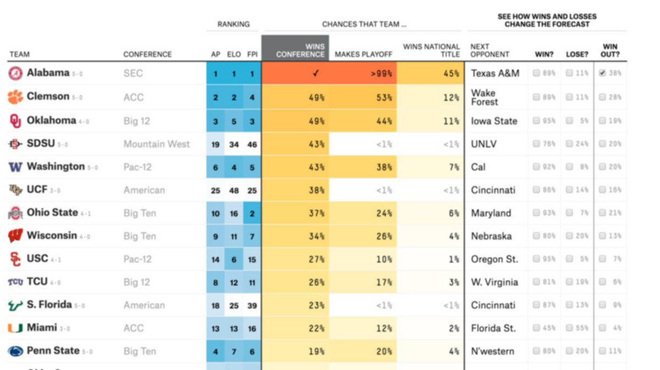
UPDATED 5 HOURS AGO
College Football Predictions
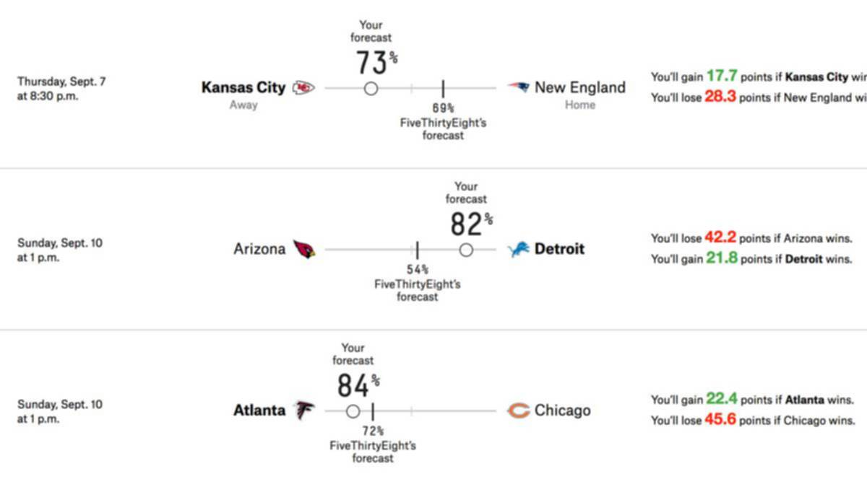
UPDATED 10 HOURS AGO
NFL Forecasting Game
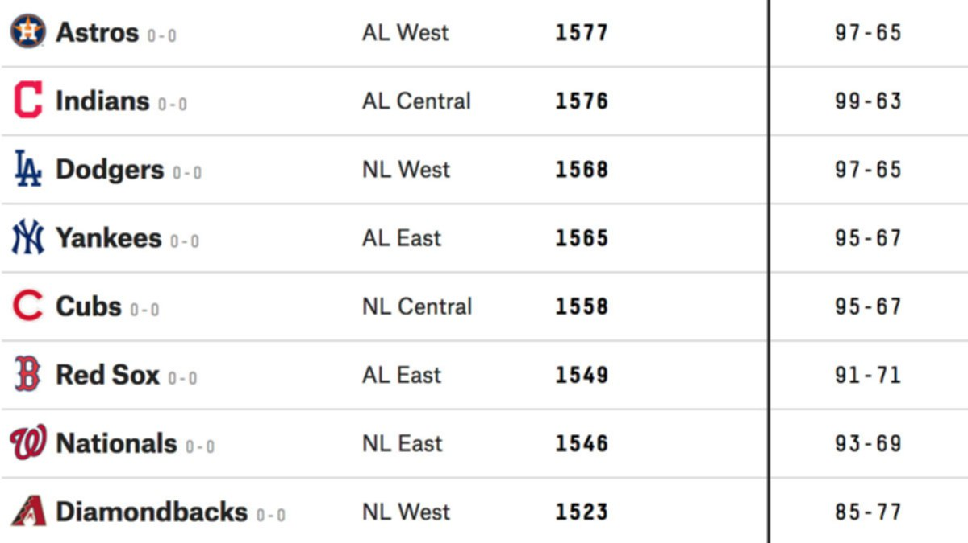
UPDATED 12 HOURS AGO
2018 MLB Predictions
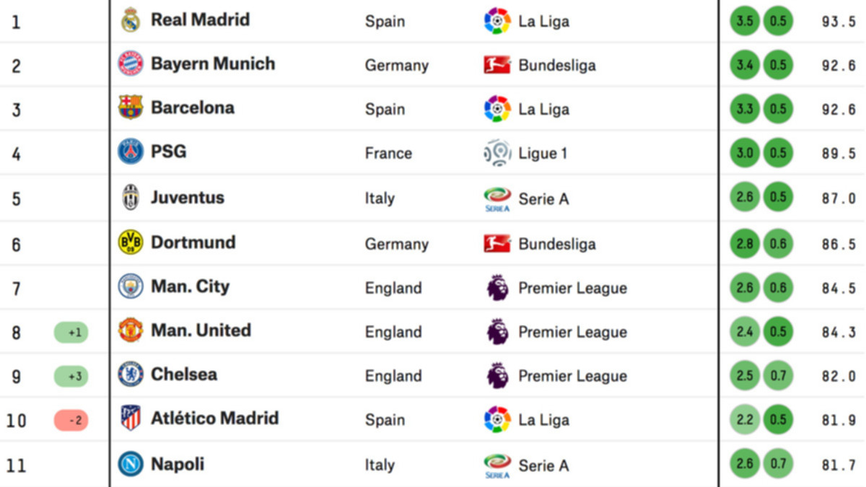
UPDATED 1 DAY AGO
Global Club Soccer Rankings
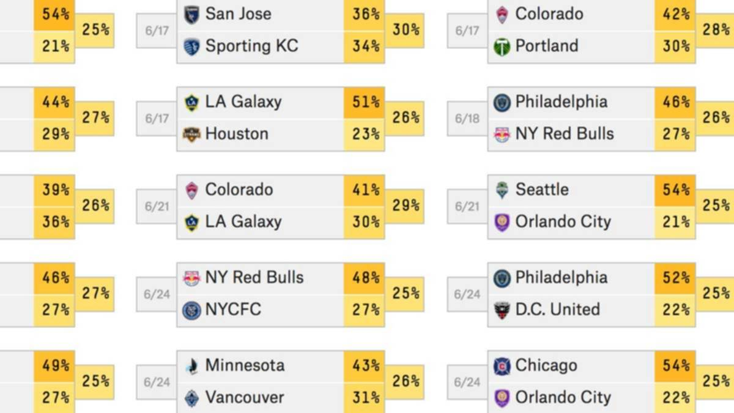
UPDATED 1 DAY AGO
Club Soccer Predictions
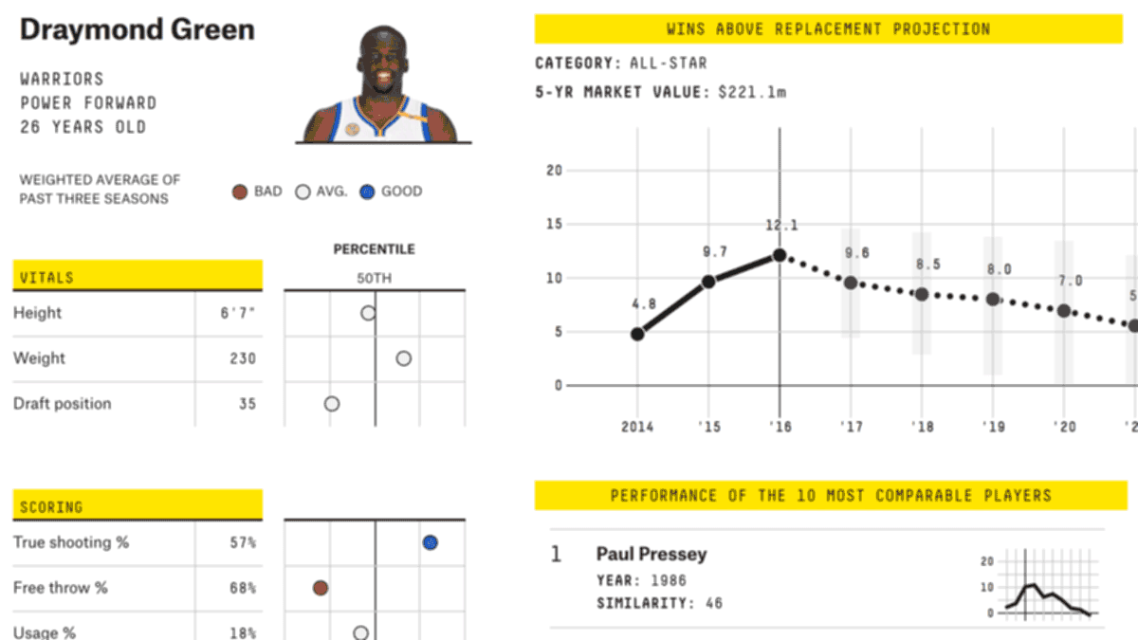
UPDATED JUN. 26, 2018
CARMELO NBA Player Projections
RELATED STORIES
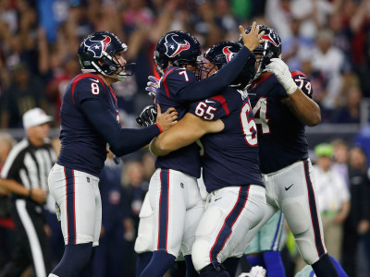
NFL Parity Is Creating Excitement — And, Um, Ties
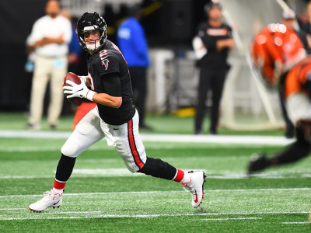
The Falcons’ Offense Is Back. Too Bad Their Defense Isn’t.

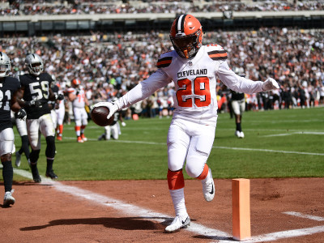 NFL Coaches Are Going For Two More Than Ever. (It Took Them Long Enough.)

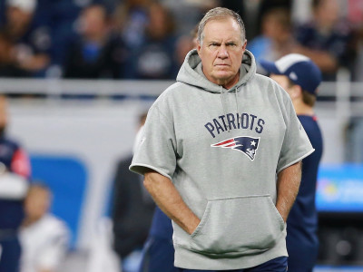 The Patriots Look Finished. So They Will Probably Win The Super Bowl.
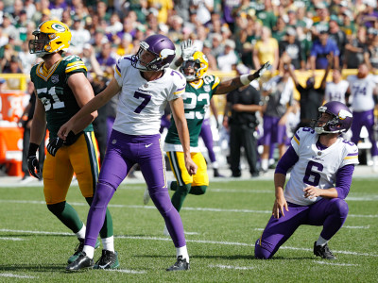
Memo To NFL GMs: Stop Drafting Kickers
SPONSORED HEADLINES

Only 1 in 21 People Can Name These Quarterbacks [Quiz]Zoo

[Gallery] Each State Hilariously Depicted By One Stereotypical PhotoDaily Choices

Avoid Cleaning Gutters For Life! See How This Revolutionary Product Helps Homeowners.leaffilterguards.com

She's Being Scouted To Be The First Female NFL PlayerTie Breaker

20 Completely Forgotten NFL Stars Of The 2000s - Where Are They Now?The Sports Drop
Recommended by
COMMENTS
Get more FiveThirtyEight
Newsletter
Videos
Podcasts
Twitter
Facebook
Data
RSS
Contact
Jobs
Masthead
About Nielsen Measurement
Terms of Use
Privacy Policy
Your California Privacy Rights
Children's Online Privacy Policy
Interest-Based Ads
© 2018 ABC News Internet Ventures. All rights reserved.

