China_data
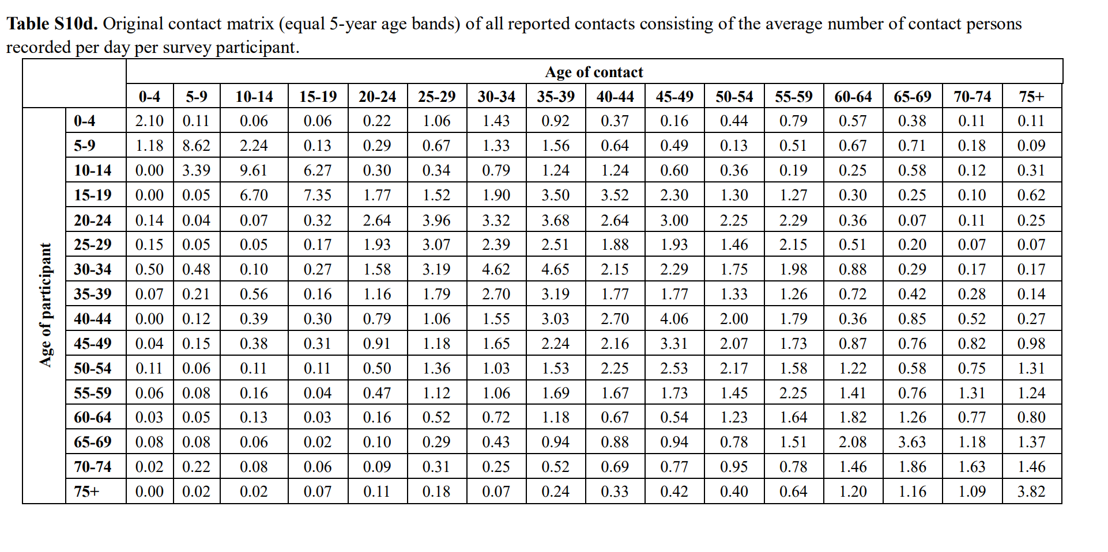
Source | https://www.nature.com/articles/s41598-019-51609-8#Sec19

Original matrix

Russia_data
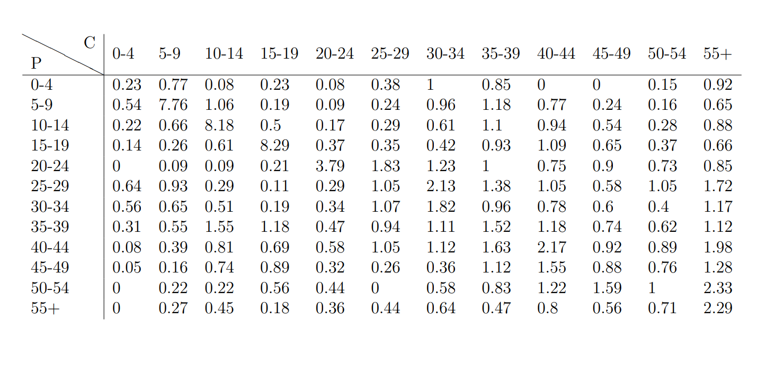
Source | https://ars.els-cdn.com/content/image/1-s2.0-S0022519317300504-mmc5.pdf

Data

South_Africa_data
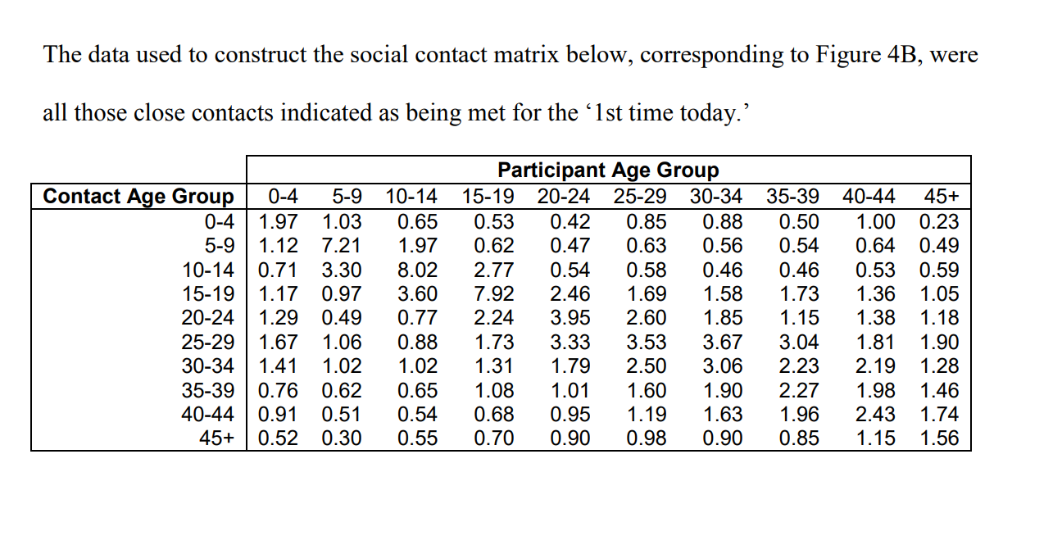
Source | https://www.ncbi.nlm.nih.gov/pubmed/22071585

Data

Uganda_data
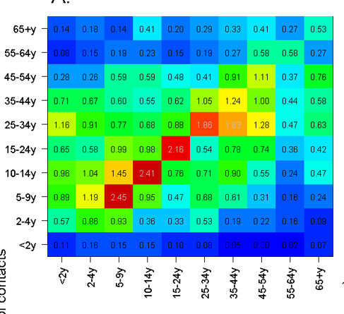
Source
https://bmcinfectdis.biomedcentral.com/articles/10.1186/s12879-018-3073-1

